Sprint1
 |  |  |  | Week #1 (7 hrs / week)
Backlog Item | Task | Task Owner | Initial Estimate (Total Sprint Hours = 7 x 4) | D1 | D2 | D3 | D4 | D5 | D6 | D7
 |  |  |  | 2021-10-08 | 2021-10-09 | 2021-10-10 | 2021-10-11 | 2021-10-12 | 2021-10-13 | 2021-10-14

 |  |  | 28
Learning technologies, ER diagram, Architecture | Requirement Analysis | All | 6 | 4 | 4 | 2 | 0 | 0 | 0 | 0
 | Research on tech stack | All | 5 | 3 | 2 | 1 | 0 | 0 | 0 | 0
 | Tech stack finalzation | All | 2 | 2 | 2 | 2 | 0 | 0 | 0 | 0
 | ER- diagram | All | 5 | 5 | 5 | 5 | 2 | 2 | 1 | 0
 | Architecture | All | 5 | 5 | 5 | 5 | 4 | 3 | 2 | 0
 | Environment setup | All | 5 | 5 | 5 | 4 | 2 | 0 | 0 | 0
 |  | Total | 28 | 24 | 23 | 19 | 8 | 5 | 3 | 0
 | Team
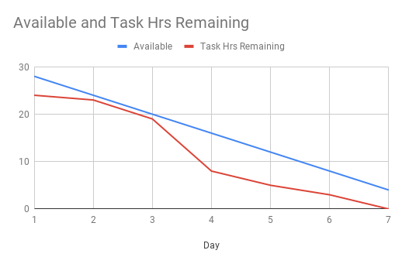
 | Aniruddha Narkhede | 7 hours/week
 | Sakshi Kasat | 7 hours/week
 | Siddh Patel | 7 hours/week
 | Sudheendra Katekar | 7 hours/week

 | Total | 28

Sprint2
 |  |  |  | Week #2 ( 7 hrs / week)
Backlog Item | Task | Task Owner | Initial Estimate (Total Sprint Hours = 7 x 4) | D1 | D2 | D3 | D4 | D5 | D6 | D7
 |  |  |  | 2021-10-15 | 2021-10-16 | 2021-10-17 | 2021-10-18 | 2021-10-19 | 2021-10-20 | 2021-10-21

 |  |  | 28
Database creation for flight and users, CRUD APIs for flight, CRUD APIs for Users, Front end mock ups | Learning Node JS | Sudheendra | 3 | 3 | 3 | 3 | 1 | 0 | 0 | 0
 | Learn mongoose | Sudheendra | 3 | 3 | 2 | 1 | 0 | 0 | 0 | 0
 | Learning Node JS | Sakshi | 7 | 7 | 6 | 3 | 3 | 1 | 0 | 0
 | Learning ReactJS and MUI | Siddh | 3 | 3 | 1 | 0 | 0 | 0 | 0 | 0
 | Frontend for flight detail page | Siddh | 4 | 4 | 4 | 2 | 2 | 0 | 0 | 0
 | Techstack revamp | All | 2 | 1 | 0 | 0 | 0 | 0 | 0 | 0
 | ER- diagram | Aniruddha | 1 | 1 | 1 | 0 | 0 | 0 | 0 | 0
 | Mongo KT | Aniruddha | 5 | 5 | 5 | 5 | 4 | 3 | 2 | 0
 |  | Total | 28 | 27 | 22 | 14 | 10 | 4 | 2 | 0

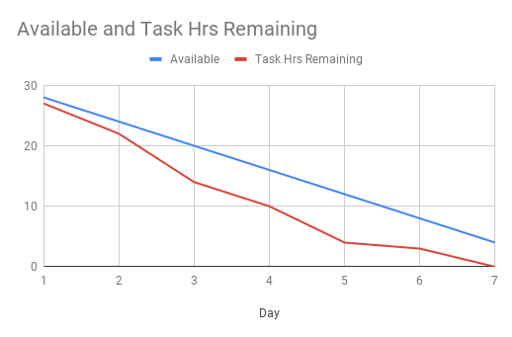
 | Team
 | Aniruddha Narkhede | 7 hours/week
 | Sakshi Kasat | 7 hours/week
 | Siddh Patel | 7 hours/week
 | Sudheendra Katekar | 7 hours/week

 | Total | 28

Sprint3
 |  |  |  | Week # 3( 7 hrs / week)
Backlog Item | Task | Task Owner | Initial Estimate (Total Sprint Hours = 5 x 4) | D1 | D2 | D3 | D4 | D5 | D6 | D7
 |  |  |  | 2021-10-22 | 2021-10-23 | 2021-10-24 | 2021-10-25 | 2021-10-26 | 2021-10-27 | 2021-10-28

 |  |  | 20
User Login back end,User Sign up back end, Login screen, Sign up screen, Authorization, API for flight search, Flight seach UI | APIs for user login, signup | Sudheendra | 5 | 5 | 5 | 4 | 3 | 1 | 0 | 0
 | CRUD APIs for dummy flight | Sakshi | 5 | 5 | 4 | 3 | 3 | 3 | 2 | 0
 | Front end for SIgnIn/SignUp | Siddh | 5 | 3 | 2 | 1 | 0 | 0 | 0 | 0
 | Database population | Aniruddha | 3 | 3 | 3 | 3 | 1 | 0 | 0 | 0
 | Angular KT | Aniruddha | 2 | 1 | 0 | 0 | 0 | 0 | 0 | 0
 |  | Total | 20 | 17 | 14 | 11 | 7 | 4 | 2 | 0

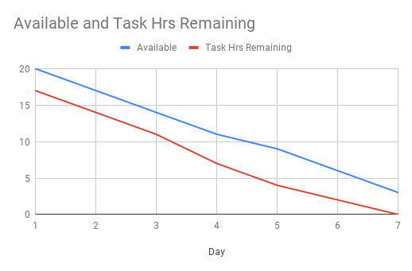
 | Team
 | Aniruddha Narkhede | 7 hours/week
 | Sakshi Kasat | 7 hours/week
 | Siddh Patel | 7 hours/week
 | Sudheendra Katekar | 7 hours/week

 | Total | 28

Sprint4
 |  |  |  | Week #4 ( 7 hrs / week)
Backlog Item | Task | Task Owner | Initial Estimate (Total Sprint Hours = 7 x 4) | D1 | D2 | D3 | D4 | D5 | D6 | D7
 |  |  |  | 2021-10-29 | 2021-10-30 | 2021-10-31 | 2021-11-01 | 2021-11-02 | 2021-11-03 | 2021-11-04

 |  |  | 28
 | Login api to return user token | Sudheendra | 4 | 4 | 3 | 2 | 1 | 0 | 0 | 0
User miles, Flight search issue, API development for booking, seat map front end, seat map back end | Auth token integration | Sudheendra | 3 | 3 | 3 | 3 | 2 | 1 | 0 | 0
 | Flight search by source and dest | Sakshi | 5 | 5 | 5 | 5 | 5 | 4 | 3 | 3
 | Modify flight search query | Sakshi | 2 | 2 | 2 | 2 | 0 | 0 | 0 | 0
 | Frontend for Flight list | Siddh | 5 | 5 | 3 | 1 | 0 | 0 | 0 | 0
 | Modified SignIn/SignUp page | Siddh | 2 | 2 | 2 | 2 | 2 | 0 | 0 | 0
 | Signup api | Aniruddha | 2 | 2 | 2 | 1 | 0 | 0 | 0 | 0
 | Miles rewards logic | Aniruddha | 5 | 5 | 5 | 5 | 4 | 3 | 2 | 0
 |  | Total | 28 | 28 | 25 | 21 | 14 | 8 | 5 | 3

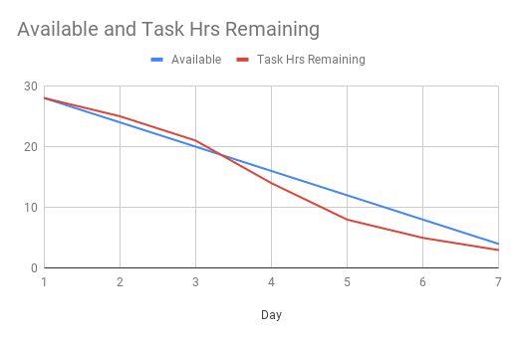
 | Team
 | Aniruddha Narkhede | 7 hours/week
 | Sakshi Kasat | 7 hours/week
 | Siddh Patel | 7 hours/week
 | Sudheendra Katekar | 7 hours/week

 | Total | 28

Sprint5
 |  |  |  | Week #5 ( 7 hrs / week)
Backlog Item | Task | Task Owner | Initial Estimate (Total Sprint Hours = 7 x 4) | D1 | D2 | D3 | D4 | D5 | D6 | D7
 |  |  |  | 2021-11-05 | 2021-11-06 | 2021-11-07 | 2021-11-08 | 2021-11-09 | 2021-11-10 | 2021-11-11

 |  |  | 28
User info display, Seat map api and UI integration, Fix defects, Testing the flight search, test the date defects, Deployment to AWS | Cancel booking route | Sudheendra | 3 | 3 | 3 | 2 | 1 | 0 | 0 | 0
 | Update booking api | Sudheendra | 3 | 3 | 3 | 3 | 1 | 0 | 0 | 0
 | Refactored user info route | Sudheendra | 1 | 1 | 1 | 0 | 0 | 0 | 0 | 0
 | Fix issue for flight search in front end | Sakshi | 4 | 4 | 4 | 3 | 0 | 0 | 0 | 0
 | API modification for flight search | Sakshi | 3 | 3 | 0 | 0 | 0 | 0 | 0 | 0
 | Research regarding how to make flight seat selection | Siddh | 3 | 3 | 1 | 0 | 0 | 0 | 0 | 0
 | Flight seat selection page | Siddh | 3 | 3 | 3 | 3 | 2 | 2 | 0 | 0
 | Testing | Siddh | 1 | 1 | 1 | 1 | 1 | 1 | 1 | 0
 | Fetch user miles | Aniruddha | 2 | 2 | 2 | 1 | 0 | 0 | 0 | 0
 | Adding user profile dashboard | Aniruddha | 3 | 3 | 1 | 0 | 0 | 0 | 0 | 0
 | Sanity and regression testing | Aniruddha | 1 | 1 | 1 | 1 | 1 | 1 | 0 | 0
 | Fixed query syntax | Aniruddha | 1 | 1 | 1 | 1 | 0 | 0 | 0 | 0
 |  | Total | 28 | 28 | 21 | 15 | 6 | 4 | 1 | 0

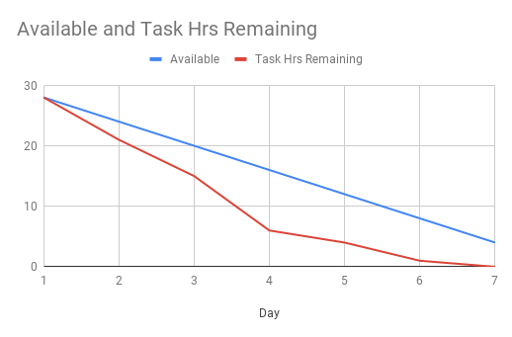
 | Team
 | Aniruddha Narkhede | 7 hours/week
 | Sakshi Kasat | 7 hours/week
 | Siddh Patel | 7 hours/week
 | Sudheendra Katekar | 7 hours/week

 | Total | 28

Sprint6
 |  |  |  | Week #6 ( 7 hrs / week)
Backlog Item | Task | Task Owner | Initial Estimate (Total Sprint Hours = 7 x 4) | D1 | D2 | D3 | D4 | D5 | D6 | D7
 |  |  |  | 2021-11-12 | 2021-11-13 | 2021-11-14 | 2021-11-15 | 2021-11-16 | 2021-11-17 | 2021-11-18

 |  |  | 28
Seat reservation, UI beautification, Status, check-in components in UI, Payment functionality, End to end testing, deplyment to AWS | Book rocket functions | Sudheendra | 2 | 2 | 2 | 2 | 0 | 0 | 0 | 0
 | User profile dashboard | Sudheendra | 2 | 2 | 1 | 0 | 0 | 0 | 0 | 0
 | Seat map api | Sudheendra | 2 | 2 | 0 | 0 | 0 | 0 | 0 | 0
 | Testing | Sudheendra | 1 | 1 | 1 | 1 | 1 | 0 | 0 | 0
 | Fix the Date issue in backend | Sakshi | 5 | 5 | 4 | 0 | 0 | 0 | 0 | 0
 | Frontend for Seat selection | Siddh | 4 | 4 | 2 | 1 | 0 | 0 | 0 | 0
 | Drawer to check user trips and information | Siddh | 3 | 3 | 3 | 3 | 1 | 0 | 0 | 0
 | Integrate the date logic to front end | Sakshi | 2 | 2 | 2 | 1 | 0 | 0 | 0 | 0
 | Updated seat class | Aniruddha | 3 | 3 | 2 | 1 | 0 | 0 | 0 | 0
 | User account dashboard | Aniruddha | 2 | 2 | 2 | 2 | 2 | 1 | 1 | 0
 | Testing | Aniruddha | 1 | 1 | 1 | 1 | 1 | 1 | 1 | 0
 | Production build | Aniruddha | 1 | 1 | 0 | 0 | 0 | 0 | 0 | 0
 |  | Total | 28 | 28 | 20 | 12 | 5 | 2 | 2 | 0

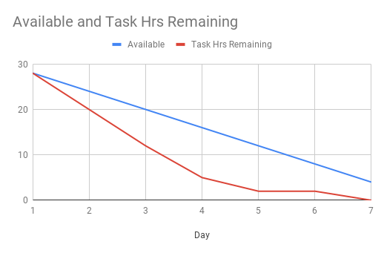
 | Team
 | Aniruddha Narkhede | 7 hours/week
 | Sakshi Kasat | 7 hours/week
 | Siddh Patel | 7 hours/week
 | Sudheendra Katekar | 7 hours/week

 | Total | 28

Sprint7
 |  |  |  | Week #7 ( 7 hrs / week)
Backlog Item | Task | Task Owner | Initial Estimate (Total Sprint Hours = 7 x 4) | D1 | D2 | D3 | D4 | D5 | D6 | D7
 |  |  |  | 2021-11-19 | 2021-11-20 | 2021-11-21 | 2021-11-22 | 2021-11-23 | 2021-11-24 | 2021-11-25

 |  |  | 28
 | Reserve seat after booking | Sudheendra | 2 | 2 | 2 | 0 | 0 | 0 | 0 | 0
 | Rocket status, checkin components | Sudheendra | 2 | 2 | 2 | 2 | 1 | 1 | 1 | 0
 | Toggling flight seats on reserve/cancel | Sudheendra | 3 | 2 | 2 | 2 | 2 | 2 | 1 | 1
 | API: Get user info by ID | Sakshi | 4 | 4 | 4 | 4 | 4 | 0 | 0 | 0
 | UI Modification with Icon | Sakshi | 1 | 1 | 0 | 0 | 0 | 0 | 0 | 0
 | Testing map selection functionality | Sakshi | 2 | 2 | 0 | 0 | 0 | 0 | 0 | 0
 | Merged API to find flights | Siddh | 3 | 3 | 1 | 0 | 0 | 0 | 0 | 0
 | Merged SignIn/SignUp API with frontend | Siddh | 2 | 2 | 2 | 2 | 0 | 0 | 0 | 0
 | Frontend for Payment | Siddh | 2 | 2 | 2 | 2 | 2 | 0 | 0 | 0
 | Updated toggle seat function | Aniruddha | 2 | 2 | 1 | 1 | 1 | 1 | 1 | 0
 | Adding payment method | Aniruddha | 2 | 2 | 2 | 1 | 1 | 0 | 0 | 0
 | Fixed signup message alert | Aniruddha | 1 | 1 | 1 | 0 | 0 | 0 | 0 | 0
 | End to end product testing | Aniruddha | 2 | 2 | 2 | 1 | 1 | 1 | 1 | 1
 |  | Total | 28 | 27 | 21 | 15 | 12 | 5 | 4 | 2

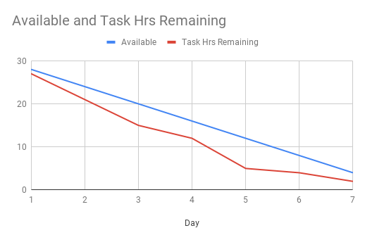
 | Team
 | Aniruddha Narkhede | 7 hours/week
 | Sakshi Kasat | 7 hours/week
 | Siddh Patel | 7 hours/week
 | Sudheendra Katekar | 7 hours/week

 | Total | 28

