Table
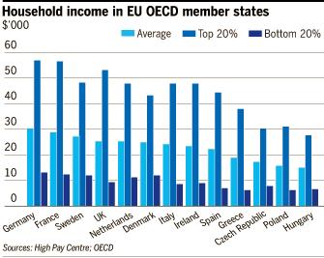
Dataset: Better Life Index
Measure
Inequality
Time
Indicator | Income
 | Household net adjusted disposable income | Top 20% HH Income | Bottom 20% HH Income
United States | 39.531 | 85.996 | 10.854
Germany | 30.721 | 57.58 | 13.381
France | 29.322 | 57.46 | 12.653
Austria | 29.256 | 52.736 | 13.287
Belgium | 27.811 | 48.785 | 12.35
Sweden | 27.546 | 49.009 | 12.101
Finland | 26.904 | 47.029 | 12.79
UK | 25.828 | 53.785 | 9.53
Netherlands | 25.697 | 48.498 | 11.274
Denmark | 25.172 | 43.644 | 12.183
Italy | 24.724 | 48.444 | 8.616
Ireland | 23.721 | 48.345 | 9.023
Spain | 22.799 | 45.165 | 7.144
Slovenia | 19.692 | 33.405 | 9.138
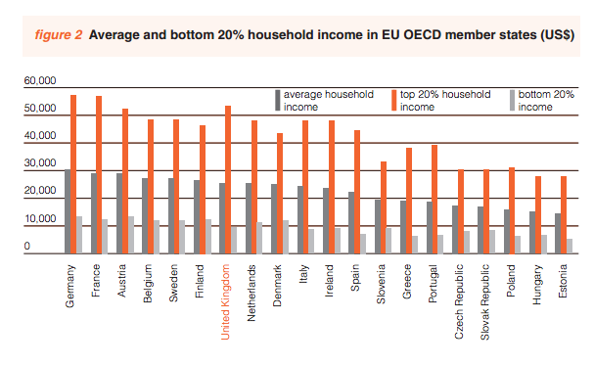
Greece | 19.095 | 38.487 | 6.378
Portugal | 18.806 | 39.702 | 6.87
Czech Republic | 17.262 | 30.777 | 8.376
Slovak Republic | 17.228 | 30.595 | 7.83
Poland | 16.234 | 31.305 | 6.403
Hungary | 15.24 | 27.926 | 6.899
Estonia | 14.382 | 28.006 | 5.287

