price_proposal
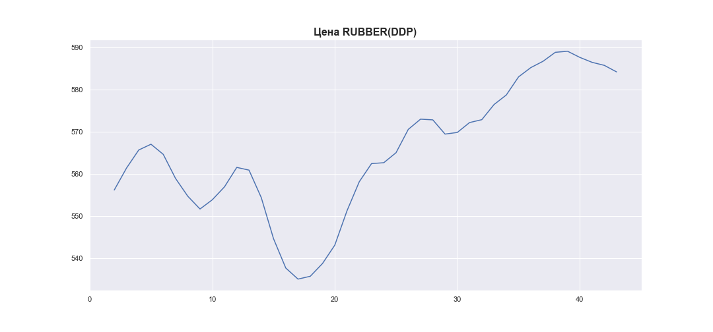
 | MWP_PRICE_EUR_EU_MA
0
1
2 | 556.12764988
3 | 561.33752854
4 | 565.64178173
5 | 567.00812259
6 | 564.60473431
7 | 558.90056335
8 | 554.66958994
9 | 551.62133458
10 | 553.80630641
11 | 556.89392372
12 | 561.50743126
13 | 560.85810409
14 | 554.33382038
15 | 544.57416596
16 | 537.60651393
17 | 534.97273595
18 | 535.64904451
19 | 538.68510222
20 | 543.04054579
21 | 551.2225502
22 | 558.10930578
23 | 562.40979802
24 | 562.61898503
25 | 564.99990912
26 | 570.53986299
27 | 572.96498711
28 | 572.79606854
29 | 569.41686858
30 | 569.80751337
31 | 572.15357706
32 | 572.84253599
33 | 576.44043956
34 | 578.70502333
35 | 583.01023808
36 | 585.20948717
37 | 586.71357199
38 | 588.84204104
39 | 589.09671915
40 | 587.63706491
41 | 586.4624668
42 | 585.74051762
43 | 584.18559247

