price_proposal
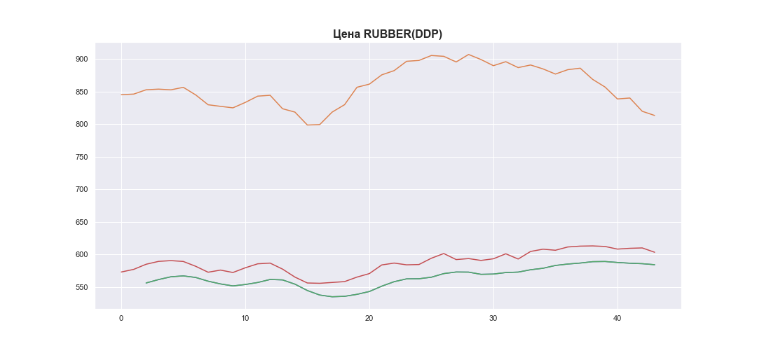
 | MWP_PRICE_EUR_EU
0 | 572.96576199
1 | 577.01014963
2 | 584.86526748
3 | 589.25348792
4 | 590.46660433
5 | 589.13688046
6 | 581.73973722
7 | 572.63356457
8 | 575.90952151
9 | 572.20992836
10 | 579.4644765
11 | 585.56238825
12 | 586.63320981
13 | 577.43447474
14 | 565.16541707
15 | 556.12144807
16 | 555.65139419
17 | 556.9313954
18 | 558.23580221
19 | 565.14306934
20 | 570.54788741
21 | 583.81533177
22 | 586.67324203
23 | 583.99258422
24 | 584.46931643
25 | 594.11676261
26 | 601.31222947
27 | 592.05102024
28 | 593.58866983
29 | 590.74778328
30 | 593.27229923
31 | 600.92320578
32 | 592.90168645
33 | 604.52048199
34 | 608.00300976
35 | 606.36114729
36 | 611.39602917
37 | 612.70525388
38 | 613.01541369
39 | 612.19223336
40 | 608.14191377
41 | 609.34324907
42 | 609.93519225
43 | 603.28072671

