price_proposal
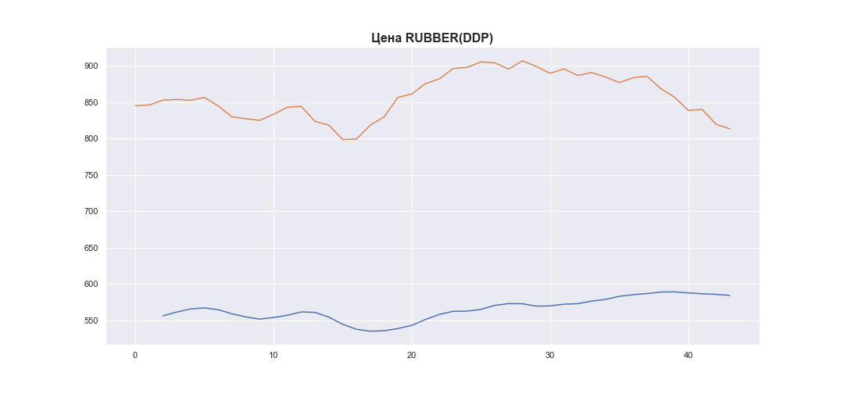
 | MWP_PRICE_USD_CN
0 | 845.12305841
1 | 846.05250251
2 | 852.65383077
3 | 853.64914874
4 | 852.58064709
5 | 856.4352774
6 | 844.78443294
7 | 829.67877661
8 | 827.24128486
9 | 824.94112063
10 | 833.2843893
11 | 842.90951504
12 | 844.21778866
13 | 823.59525659
14 | 818.40621382
15 | 798.59556014
16 | 799.28397595
17 | 818.40968391
18 | 829.76055069
19 | 856.51886337
20 | 861.32700185
21 | 875.57163712
22 | 882.0838148
23 | 896.37057012
24 | 897.75641691
25 | 905.28970587
26 | 904.01692726
27 | 895.37036544
28 | 906.85408519
29 | 899.12178193
30 | 889.64525072
31 | 895.76857873
32 | 886.69632763
33 | 890.72613844
34 | 884.7135287
35 | 876.82017037
36 | 883.53644495
37 | 885.80546454
38 | 868.68182767
39 | 856.90792801
40 | 838.57992008
41 | 840.04092651
42 | 819.66976053
43 | 813.25126948

