price
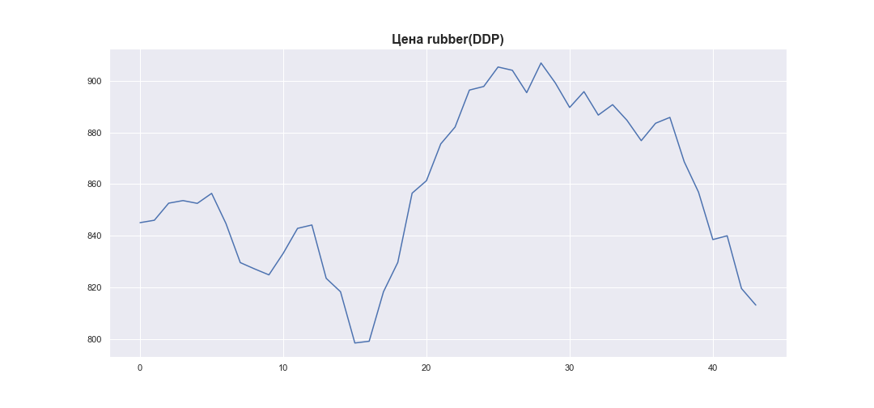
 | MWP_PRICE_USD_CN
0 | 845.12
1 | 846.05
2 | 852.65
3 | 853.65
4 | 852.58
5 | 856.44
6 | 844.78
7 | 829.68
8 | 827.24
9 | 824.94
10 | 833.28
11 | 842.91
12 | 844.22
13 | 823.6
14 | 818.41
15 | 798.6
16 | 799.28
17 | 818.41
18 | 829.76
19 | 856.52
20 | 861.33
21 | 875.57
22 | 882.08
23 | 896.37
24 | 897.76
25 | 905.29
26 | 904.02
27 | 895.37
28 | 906.85
29 | 899.12
30 | 889.65
31 | 895.77
32 | 886.7
33 | 890.73
34 | 884.71
35 | 876.82
36 | 883.54
37 | 885.81
38 | 868.68
39 | 856.91
40 | 838.58
41 | 840.04
42 | 819.67
43 | 813.25

