Sheet1
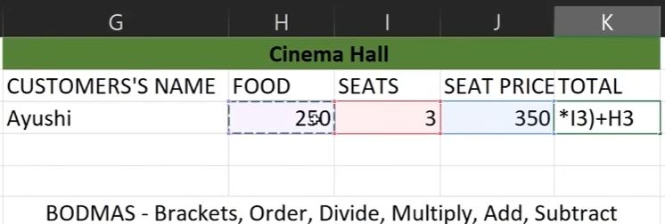
 | Add | Subtract | Multiply | Divide | Average
 | 200 | 200 | 20 | 12 | 20
 | 100 | 150 | 15 | 3 | 10
=An +Am | 300 | 50 | 300 | 4 | 15

 |  |  |  |  |  |  |  |  |  |  |  | total = 1300

TEXT FUNCTIONS

Prefix | First name | Last Name | Concatenate | Lower | Upper | Proper | Length | Left | Right | Mid | Find | Search | Replace | Substitute
Mr | Jon | Doe | Mr Jon Doe | mr jon doe | MR JON DOE | Mr Jon Doe | 10 | Jo | e | r j | 5 | 5 | DIoe | Mr Joff Doe
Mrs | Don | Mode | Mrs Don Mode | mrs don mode | MRS DON MODE | Mrs Don Mode | 12 | Do | e | rs | 6 | 6 | MIode | Mrs Doff Mode
Mr | Ron | Lode | Mr Ron Lode | mr ron lode | MR RON LODE | Mr Ron Lode | 11 | Ro | e | r r | 5 | 5 | LIode | Mr Roff Lode
Mr | Mon | Gotu | Mr Mon Gotu | mr mon gotu | MR MON GOTU | Mr Mon Gotu | 11 | Mo | u | r m | 5 | 5 | GIotu | Mr Moff Gotu
Mrs | Gon | Chotu | Mrs Gon Chotu | mrs gon chotu | MRS GON CHOTU | Mrs Gon Chotu | 13 | Go | u | rs | 6 | 6 | CIootu | Mrs Goff Chotu
Mr | Gena | Lotu | Mr Gena Lotu | mr gena lotu | MR GENA LOTU | Mr Gena Lotu | 12 | Ge | u | r g | 10 | 10 | LIotu | Mr Gena Lotu
Mr | Gugf | Mange | Mr Gugf Mange | mr gugf mange | MR GUGF MANGE | Mr Gugf Mange | 13 | Gu | e | r g | #VALUE! | #VALUE! | MIonge | Mr Gugf Mange
Mrs | Chinga | Masd | Mrs Chinga Masd | mrs chinga masd | MRS CHINGA MASD | Mrs Chinga Masd | 15 | Ch | d | rs | #VALUE! | #VALUE! | MIosd | Mrs Chinga Masd
Mr | Zing | Fodu | Mr Zing Fodu | mr zing fodu | MR ZING FODU | Mr Zing Fodu | 12 | Zi | u | r z | 10 | 10 | FIodu | Mr Zing Fodu
Mr | Ming | Gotu | Mr Ming Gotu | mr ming gotu | MR MING GOTU | Mr Ming Gotu | 12 | Mi | u | r m | 10 | 10 | GIotu | Mr Ming Gotu
Mrs | Pinto | Sada | Mrs Pinto Sada | mrs pinto sada | MRS PINTO SADA | Mrs Pinto Sada | 14 | Pi | a | rs | 9 | 9 | SIoda | Mrs Pinto Sada
 |  |  | (" " ->For Space Bw Text) |  |  | (1st letter capital) |  |  |  |  | It's case sensitive | It's NOT case sensitive

