Sheet1
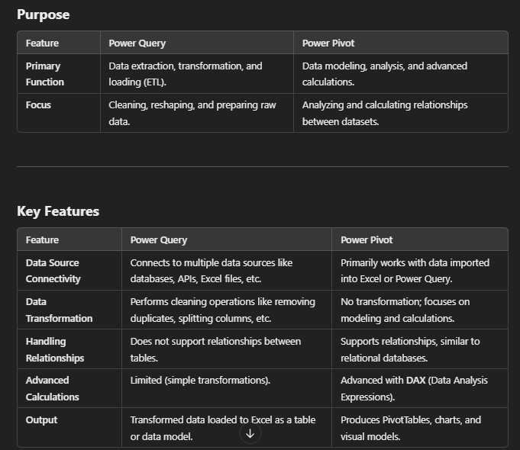
Power Pivot is an advanced Excel feature that allows users to perform powerful data modeling and analysis. It enables you to work with large datasets, create complex calculations, and build relationships between data tables. Power Pivot is particularly useful for creating advanced PivotTables and performing robust business intelligence tasks.

