Sheet2
Row Labels | Count of Order ID | Sum of Profit | Total Profit Status | Total Profit
ACME Bites | 206 | ₹ 828,377.40 | 1 | ₹ 828,377.40
Wholesome Foods | 156 | ₹ 639,674.55 | 1 | ₹ 639,674.55
ABC Groceries | 132 | ₹ 523,315.43 | 0 | ₹ 523,315.43 | PIVOT PIE CHART
Park & Shop Convenience Stores | 114 | ₹ 423,499.63 | 0 | ₹ 423,499.63
Tres Delicious | 92 | ₹ 302,197.38 | -1 | ₹ 302,197.38
Grand Total | 700 | ₹ 2,717,064.38 | 1 | ₹ 2,717,064.38

 |  | MAKING KPI - Key performace Indicators

 |  |  | Slicer based on Cookie type

Sheet1
In Excel, adding measures usually refers to creating calculated fields in tools like Power Pivot, Measures are used to perform dynamic calculations on data based on the context of rows, columns, and filters.

1- Goto Power Pivot
2 - 2nd option from ribbon -> Measures
3-> Before making measures, add the relationships.
(relationship model).
4 -> We can also make Pivot Table by the Data Model. (Check SHEET2 of this file)
Why Add Measures in Excel?

1. Dynamic Analysis: Measures allow calculations that change dynamically based on slicers, filters, or pivot table context.
2. Simplify Reports: Instead of creating multiple calculated columns, a single measure can be used across multiple reports or pivot tables.
3. Enhanced Insights: Enables complex calculations like aggregations, ratios, or weighted averages, not easily achieved with standard Excel formulas.
4. Efficiency: Measures do not take extra memory like calculated columns since they are evaluated on-demand.

Cookie Type | Revenue Per Cookie | Cost Per Cookie
Chocolate Chip | ₹ 5.00 | ₹ 2.00
Fortune Cookie | ₹ 1.00 | ₹ 0.50
Oatmeal Raisin | ₹ 5.00 | ₹ 2.20
Snickerdoodle | ₹ 4.00 | ₹ 1.50
Sugar | ₹ 3.00 | ₹ 1.25
White Chocolate Macadamia Nut | ₹ 6.00 | ₹ 2.75
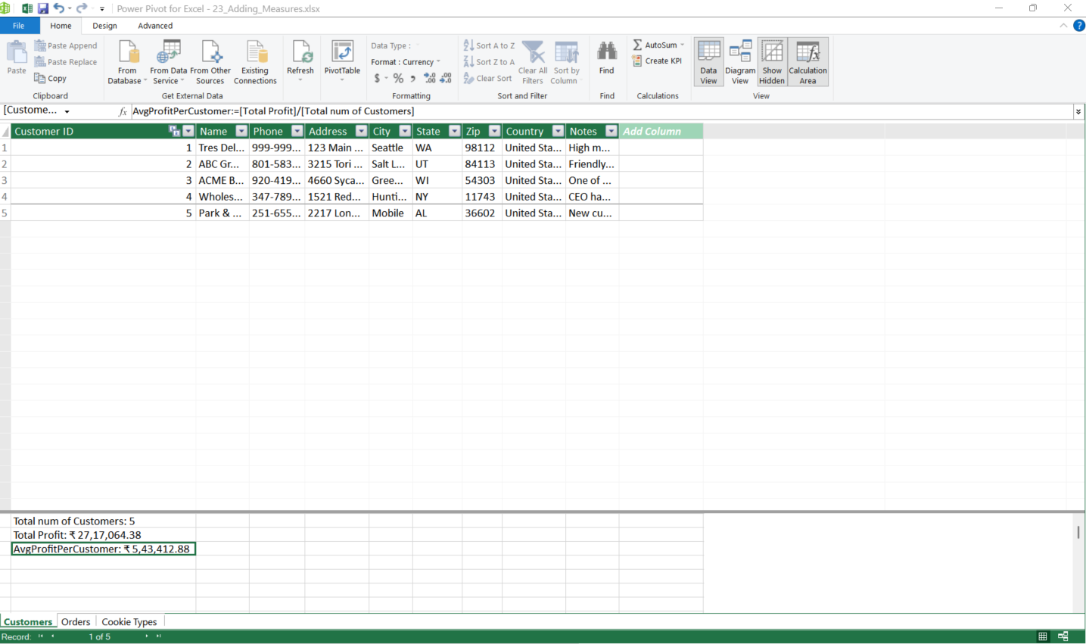

This is where measures will be shown!!!
You can make measures from measures ribbon
or directly make them there directly

