Sheet1
Threats | Impact | Likelihood | Risk | Mitigation | Cost | Recommendation
Cyberattack | High | Moderate | High | VPNs, Password Infrastructure, Cybersecurity | Low | Cyberattack
Fire | HIgh | Low | Low | Fire insulation, available extinguishers, A/C, sprinkler systems | Low | Earthquake
Burglary | High | Low | Low | Security Cameras, Locks, Gaurds | Moderate | Disease
Flooding | High | Low | Low | Elevated surfaces, Flood insurance, sandbags | Low | Extreme Heat
Hurricanes | High | Low | Low | Rain/Wind Gaurds, flood protection | Low | Burglary
Earthquakes | Moderate | High | High | Sturdy enviroments, Building shake-proof structure | Moderate | Pests
Tsunami | High | Low | Low | Elevated surfaces, Flood insurance, sandbags | Low | Mold
Terrorism | High | Low | Low | Close contact with security enforcement | Low | Fire
Disease | Moderate | Moderate | Moderate | Awareness, Disinfectant stations, Disease regulations | Low | Flooding
Extreme Heat | Moderate | High | Moderate | Water stations, Air conditioning, System maintainence | Moderate | Car Crash
Zombies | High | Low | Low | Barricades, Weapons | Low | Hurricane
Pests | Moderate | Moderate | Moderate | Pest Control contracters, traps, pesticide | Low | Terrorism
Mold | Moderate | Low | Moderate | Dehumidifiers, Mold removal, enviroment checkups | Moderate | Tsunami
Car Crash | Moderate | Low | Low | Barricades, Cones | Low | Zombies

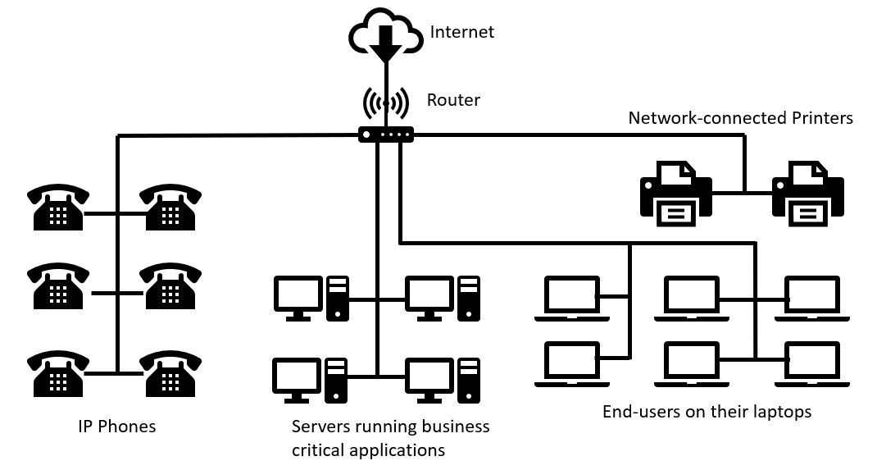

–Determine the Threats to your system. Be as thorough as possible
–Determine Impact of each Threat
–Determine the Likelihood of each Threat
–Determine Risk for Each Threat
–Determine Risk Mitigation
Determine Cost of Mitigation
Make recommendation on which Threats to Mitigate

