Luxury Proposal (17 Sections)
LUXURY INTERIOR DESIGN & TURNKEY FITOUT QUOTATION
DECOR8 INDIA |  |  | DECOR8 INDIA
#14, Sy NO 36/1 Vasanth Vallabhnagar, Vasanthapura
Uttarahalli Hobli, Bengaluru - 560061 |  |  | Affordable Luxury Interiors www.decor8india.com
+91 88841 31414 , +91 93805 23743
GSTIN: 29CHPPB0944C2ZD

QUOTATION FOR — MR. GOVINDA (Kolte Patil D1304) |  |  | Representative: Mr. Satish Bhat (CEO)
Quotation No: | D8202607102 |  | Quotation Date: |  | 06-AUG-2026
Contact No: | +91 93805 23743 / +91 88841 31414 |  | Project Location: |  | Kolte Patil D1304, Bengaluru
Project Type: | Complete 3BHK Turnkey Interior |  | Quotation Status: |  | Official Luxury Proposal

PROJECT SCOPE & CATEGORY DIRECTORY
# | Scope Category / Room | Key Materials & Design Scope |  | Section Sub-Total (₹)
01 | Modular Kitchen & Sink | AICA Acrylic + CenturyPly 710 BWP + Carysil Sink |  | ₹ 547,600
02 | Living Room | Vitrified Marble Wall + Fluted Rafters + 5-Seater Sofa |  | ₹ 377,550
03 | Dining Area | 6-Seater Marble Dining Table & Upholstered Chairs |  | ₹ 142,700
04 | Master Bedroom | Lacquered Glass Wardrobe + Queen Hydraulic Bed |  | ₹ 381,600
05 | Bedroom 02 | High Gloss Acrylic Wardrobe + King Hydraulic Bed |  | ₹ 313,988
06 | Bedroom 03 | High Gloss Acrylic Wardrobe + King Hydraulic Bed |  | ₹ 313,900
07-09 | Maid, Vanity & Utility | Carcass 710 BWP + KalingaStone + Jaquar + Storage |  | ₹ 145,975
10-11 | False Ceiling & Electrical | Gyproc False Ceiling + Havells LED + Chandelier |  | ₹ 390,120
12-14 | Plumbing, Painting & Cleaning | Asian Paints Royale + Jaquar Plumbing + Deep Clean |  | ₹ 188,700
15-17 | Design, Logistics & Management | 2D/3D Architecture + Site Oversight + Transport |  | ₹ 120,000
TOTAL ESTIMATED TURNKEY VALUE (INCL. 18% GST) |  |  |  | ₹ 3,448,117
* Please turn to individual pages ahead for full-scale visual elevations, itemized material specifications, and milestone schedules.
SECTION 01 OF 17
Modular Kitchen |  |  |  | ₹ 547,600
AICA High Gloss Acrylic • CenturyPly • Hettich

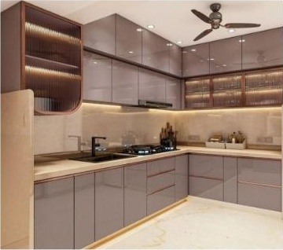
 |  |  | Kitchen Finish (Reference Image)
 |  |  | — AICA High Gloss Acrylic Shutters
 |  |  | — CenturyPly 710 BWP — Base Units
 |  |  | — CenturyPly 310 MR — Wall & Loft
 |  |  | — Hettich Hinges & Tandem Channels
 |  |  | — LED Under-Cabinet Lighting
 |  |  | — Factory Manufactured • CNC Cut

Item | Specification & Materials | Qty | Unit | Rate (₹) | Amount (₹)
Base Units | 72 Sq.ft × ₹2,300 — CenturyPly 710 BWP, Acrylic | 72 | Sq.ft | ₹ 2,300 | ₹ 165,600
Wall Units | 48 Sq.ft × ₹2,150 — CenturyPly 310 MR, Acrylic | 48 | Sq.ft | ₹ 2,150 | ₹ 103,200
Loft | 48 Sq.ft × ₹1,450 — CenturyPly 310 MR, Laminate | 48 | Sq.ft | ₹ 1,450 | ₹ 69,600
Kitchen Accessories | Hettich Cutlery + Pots & Pan + Baskets + Oil Pull-Out + Wicker | 1 | Set | ₹ 42,000 | ₹ 42,000
Quartz Countertop | 54 Sq.ft × ₹2,200 — KalingaStone Premium | 54 | Sq.ft | ₹ 2,200 | ₹ 118,800
Kitchen Units Sub-Total |  |  |  |  | ₹ 499,200

Kitchen Sink & Plumbing
Item | Specification & Materials | Qty | Unit | Rate (₹) | Amount (₹)
Carysil Premium Quartz Sink | Composite Quartz Single Bowl with Drainboard | 1 | No. | ₹ 18,500 | ₹ 18,500
Jaquar Pull-Out Mixer | Jaquar Chrome Finish Pull-Out Kitchen Faucet | 1 | No. | ₹ 12,500 | ₹ 12,500
Waste Coupling + Bottle Trap | Brass & Stainless Steel Heavy Duty Fittings | 2 | Nos | ₹ 1,750 | ₹ 3,500
Angle Valves + Flexible Hoses | Jaquar Certified Chrome Angle Valves & Braided Hoses | 4 | Nos | ₹ 725 | ₹ 2,900
CPVC/UPVC Pipe Materials | Ashirvad/Supreme Certified Plumbing Line & Couplers | 1 | L.S. | ₹ 3,500 | ₹ 3,500
Plumbing Consumables | Solvents, teflon tapes, fasteners, clamps & sealants | 1 | L.S. | ₹ 2,500 | ₹ 2,500
Kitchen Plumbing Labour | Installation, alignment, pressure & leakage testing | 1 | L.S. | ₹ 5,000 | ₹ 5,000
Sink & Plumbing Sub-Total |  |  |  |  | ₹ 48,400

SECTION 02 OF 17
Living Room |  |  |  | ₹ 377,550
TV Unit • Back Panelling • Feature Wall • Decorative Rafters • Sofa

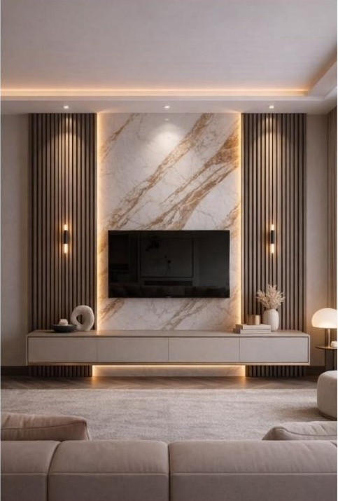
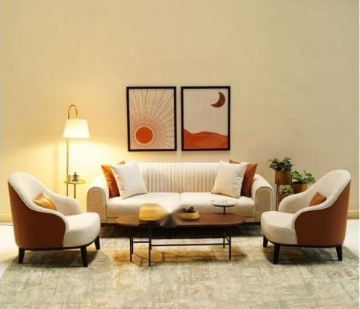

TV Wall Reference |  |  | Sofa Reference
— Marble Finish Feature Wall — Vitrified Tile |  |  | — 5 Seater — Solid Wood Frame
— Decorative Wooden Rafters flanking wall |  |  | — High Resilience (HR) Foam
— Floating TV Base Unit with LED cove |  |  | — Premium Fabric Upholstery
— Back Panelling — CenturyPly 710 BWP |  |  | — Colour: As per design selection
— Factory Manufactured & CNC Cut

Item | Specification & Materials | Qty | Unit | Rate (₹) | Amount (₹)
TV Unit Base Storage | 16 Sq.ft × ₹1,850 — CenturyPly 710 BWP | 16 | Sq.ft | ₹ 1,850 | ₹ 29,600
TV Back Panelling | 56 Sq.ft × ₹1,850 — CenturyPly 710 BWP | 56 | Sq.ft | ₹ 1,850 | ₹ 103,600
Marble Finish Feature Wall | 45 Sq.ft × ₹1,870 — Vitrified Marble Tile | 45 | Sq.ft | ₹ 1,870 | ₹ 84,150
Decorative Rafters | 54 Sq.ft × ₹1,300 — Engineered Wood | 54 | Sq.ft | ₹ 1,300 | ₹ 70,200
Premium Sofa | 5 Seater — Solid Wood Frame, HR Foam, Premium Fabric | 1 | Unit | ₹ 90,000 | ₹ 90,000
Living Room Sub-Total |  |  |  |  | ₹ 377,550

SECTION 03 OF 17
Dining Area |  |  |  | ₹ 142,700
6-Seater Marble Dining Table & Chairs

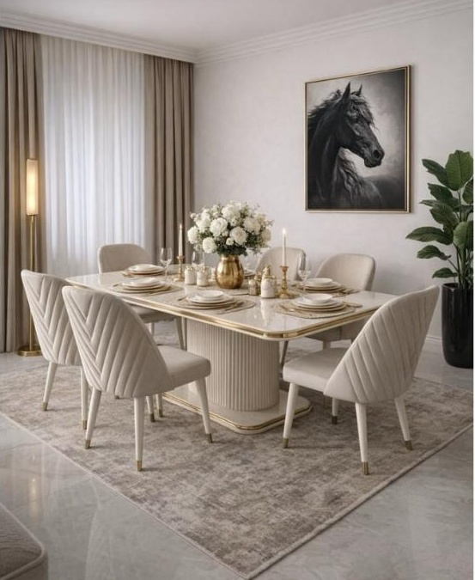
 |  |  | Dining Table Reference
 |  |  | — 6-Seater Marble-Top Dining Table
 |  |  | — Fluted Column Pedestal Base
 |  |  | — Gold Accent Edge Detail
 |  |  | — 6 Upholstered Dining Chairs included
 |  |  | — Premium Fabric — Cream Tone

Item | Specification & Materials | Qty | Unit | Rate (₹) | Amount (₹)
Dining Table Set | 6-Seater Marble-Top Dining Table + 6 Upholstered Chairs | 1 | Set | ₹ 142,700 | ₹ 142,700
Dining Area Sub-Total |  |  |  |  | ₹ 142,700

SECTION 04 OF 17
Master Bedroom |  |  |  | ₹ 381,600
Lacquered Glass Wardrobe • Queen Bed with Hydraulic Storage • Side Tables

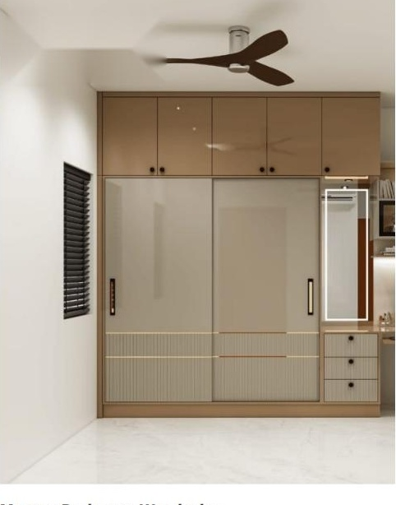
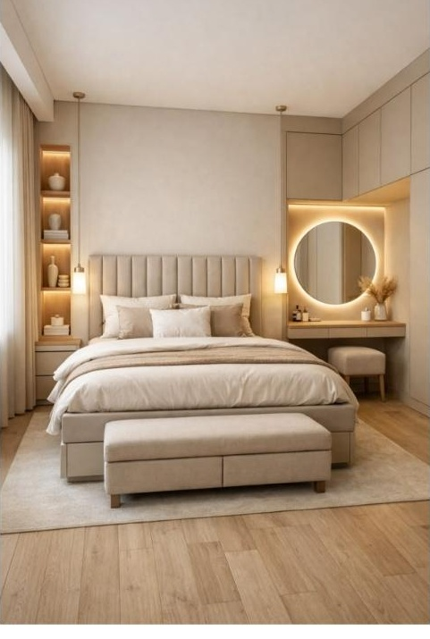

Master Bedroom Wardrobe |  |  | Bed Reference
— Premium Lacquered Glass Sliding Shutters |  |  | — Queen Size Bed — Hydraulic Storage
— CenturyPly 310 MR — 19 mm Carcass, 9 mm Back |  |  | — Premium Upholstered Headboard
— Hettich Premium Sliding Hardware & Soft-Close |  |  | — Two Bedside Tables with storage
— 4 Soft-Close Drawers • 2 Hanging Sections |  |  | — Soft-Close Hardware throughout
— 8 Adjustable Shelves • Loft Included |  |  | — Dressing Area with backlit round mirror
— CNC Machine Manufactured

Item | Specification & Materials | Qty | Unit | Rate (₹) | Amount (₹)
Wardrobe with Loft | 108 Sq.ft × ₹2,350 — Lacquered Glass Sliding Shutters | 108 | Sq.ft | ₹ 2,350 | ₹ 253,800
Queen Size Bed | Hydraulic Storage + Upholstered Headboard + 2 Side Tables | 1 | Unit | ₹ 127,800 | ₹ 127,800
Master Bedroom Sub-Total |  |  |  |  | ₹ 381,600

SECTION 05 OF 17
Bedroom 02 |  |  |  | ₹ 313,988
Acrylic Sliding Wardrobe • Loft • King Bed with Hydraulic Storage

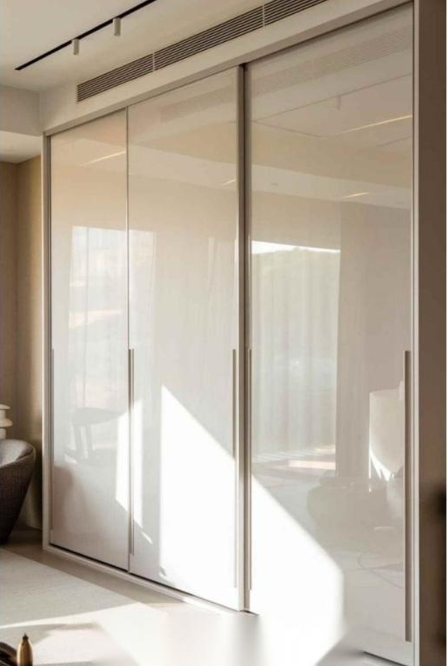
 |  |  | Bedroom 02 Wardrobe Reference
 |  |  | — High Gloss Acrylic Sliding Shutters
 |  |  | — CenturyPly 310 MR — 19mm Carcass
 |  |  | — Hettich Sliding Hardware
 |  |  | — 3 Soft-Close Drawers Included
 |  |  | — Hanging Section & Adjustable Shelves

Item | Specification & Materials | Qty | Unit | Rate (₹) | Amount (₹)
Wardrobe | 77 Sq.ft × ₹2,100 — Acrylic Sliding Shutters | 77 | Sq.ft | ₹ 2,100 | ₹ 161,700
Loft | 22 Sq.ft × ₹1,450 — CenturyPly 310 MR, Laminate | 22 | Sq.ft | ₹ 1,450 | ₹ 31,900
King Size Bed | Hydraulic Storage • Premium Headboard • Factory Finished | 1 | Unit | ₹ 120,388 | ₹ 120,388
Bedroom 02 Sub-Total |  |  |  |  | ₹ 313,988

SECTION 06 OF 17
Bedroom 03 |  |  |  | ₹ 313,900
Acrylic Sliding Wardrobe • Loft • King Bed with Hydraulic Storage

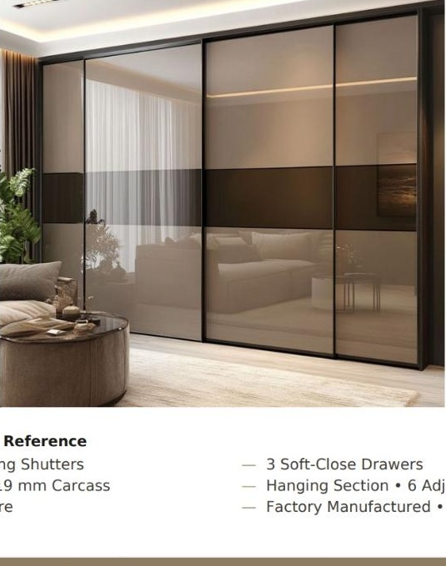
 |  |  | Bedroom 03 Wardrobe Reference
 |  |  | — High Gloss Acrylic Sliding Shutters
 |  |  | — CenturyPly 310 MR — 19 mm Carcass
 |  |  | — Hettich Sliding Hardware
 |  |  | — 3 Soft-Close Drawers Included
 |  |  | — Hanging Section & Adjustable Shelves
 |  |  | — Factory Manufactured • CNC Cut

Item | Specification & Materials | Qty | Unit | Rate (₹) | Amount (₹)
Wardrobe | 77 Sq.ft × ₹2,100 — Acrylic Sliding Shutters | 77 | Sq.ft | ₹ 2,100 | ₹ 161,700
Loft | 22 Sq.ft × ₹1,450 — CenturyPly 310 MR, Laminate | 22 | Sq.ft | ₹ 1,450 | ₹ 31,900
King Size Bed | Hydraulic Storage • Premium Headboard • Factory Finished | 1 | Unit | ₹ 120,300 | ₹ 120,300
Bedroom 03 Sub-Total |  |  |  |  | ₹ 313,900

SECTION 07 OF 17
Maid Room |  |  |  | ₹ 30,525
Single Bed with Hydraulic Storage

Item | Specification & Materials | Qty | Unit | Rate (₹) | Amount (₹)
Single Bed | CenturyPly 310 MR • Hydraulic Storage • Laminate Finish | 1 | Unit | ₹ 30,525 | ₹ 30,525
Maid Room Sub-Total |  |  |  |  | ₹ 30,525

SECTION 08 OF 17
Bathroom Vanity Units |  |  |  | ₹ 66,700
Countertops, Mirrors & Sanitary Mixers for 3 Bathrooms

✓ INCLUDED KalingaStone Quartz Top — Premium Quartz Countertop — 3 Bathrooms
✓ INCLUDED Premium Mirror — 3 Nos — Framed/Backlit per design
✓ INCLUDED Jaquar Basin Mixer — 3 Nos — Premium Collection
✓ INCLUDED Plumbing Fittings — Bottle Trap, Waste Coupling, Angle Valve, Hoses — 3 sets

Item | Specification & Materials | Qty | Unit | Rate (₹) | Amount (₹)
Vanity Carcass | 29 Sq.ft × ₹2,300 — CenturyPly 710 BWP 19mm Marine Grade | 29 | Sq.ft | ₹ 2,300 | ₹ 66,700
Bathroom Vanity Sub-Total |  |  |  |  | ₹ 66,700

SECTION 09 OF 17
Utility Storage |  |  |  | ₹ 48,750
Base + Wall + Loft Storage Unit

Item | Specification & Materials | Qty | Unit | Rate (₹) | Amount (₹)
Utility Storage Unit | 25 Sq.ft × ₹1,950 — Base + Wall + Loft • CenturyPly 710 BWP • Laminate | 25 | Sq.ft | ₹ 1,950 | ₹ 48,750
Utility Storage Sub-Total |  |  |  |  | ₹ 48,750

SECTION 10 OF 17
False Ceiling |  |  |  | ₹ 260,200
Gypsum False Ceiling, PVC System & Grid Ceilings

Item | Specification & Materials | Qty | Unit | Rate (₹) | Amount (₹)
Gypsum False Ceiling — All Areas | Saint-Gobain Gyproc 12mm • GI Channel • Cove + Profile + LED Provision | 1 | L.S. | ₹ 219,700 | ₹ 219,700
PVC Ceiling — Utility Area | Waterproof PVC Panel System with perimeter finish | 1 | L.S. | ₹ 20,000 | ₹ 20,000
Grid Ceiling — Service Area | Armstrong / Gyproc Grid System with moisture resistance | 1 | L.S. | ₹ 20,500 | ₹ 20,500
False Ceiling Sub-Total |  |  |  |  | ₹ 260,200

SECTION 11 OF 17
Electrical & Lighting |  |  |  | ₹ 129,920
Havells LED Lights, Strip Lights, Chandelier & Profile Lighting

Item | Specification & Materials | Qty | Unit | Rate (₹) | Amount (₹)
Electrical Labour | Complete wiring, conduits, modular switch fittings & testing | 1 | L.S. | ₹ 15,000 | ₹ 15,000
Havells 12W LED Panel Lights | 26 Nos × ₹650 — Warm white / natural white ceiling panel lights | 26 | Nos | ₹ 650 | ₹ 16,900
Havells COB Spot Lights | 12 Nos × ₹950 — Focused architectural spotlighting | 12 | Nos | ₹ 950 | ₹ 11,400
Havells LED Strip Lights (5m Roll) | 8 Rolls × ₹1,365 — 3000K warm cove accent strip lights | 8 | Rolls | ₹ 1,365 | ₹ 10,920
Havells LED Drivers | 8 Nos × ₹650 — Constant voltage dedicated driver units | 8 | Nos | ₹ 650 | ₹ 5,200
Decorative Pendant Light | 1 No. × ₹6,500 — Dining / Foyer designer accent light | 1 | No. | ₹ 6,500 | ₹ 6,500
Living Room Chandelier | 1 No. × ₹18,000 — Designer luxury living room centerpiece | 1 | No. | ₹ 18,000 | ₹ 18,000
Aluminium Profile Lights | 40 Rft × ₹650/Rft — Recessed slim profile with diffuser | 40 | Rft | ₹ 650 | ₹ 26,000
FRLS Wires & Modular Switches | Polycab/Finolex FRLS Wires, Anchor/Schneider modular switches | 1 | L.S. | ₹ 20,000 | ₹ 20,000
Electrical & Lighting Sub-Total |  |  |  |  | ₹ 129,920

SECTION 12 OF 17
Plumbing Labour |  |  |  | ₹ 12,000
Sanitaryware, Basin Mixers & Drainline Connections

Item | Specification & Materials | Qty | Unit | Rate (₹) | Amount (₹)
Plumbing Labour | Kitchen Sink + 3 Basin Mixers + Connections + Leakage Testing | 1 | L.S. | ₹ 12,000 | ₹ 12,000
Plumbing Sub-Total |  |  |  |  | ₹ 12,000

SECTION 13 OF 17
Painting |  |  |  | ₹ 161,700
Asian Paints Royale Luxury Emulsion with Full Surface Prep

Item | Specification & Materials | Qty | Unit | Rate (₹) | Amount (₹)
Interior Painting | 3,850 Sq.ft × ₹42 — 2 coats Wall Putty + 1 Primer + 2 coats Royale Luxury | 3850 | Sq.ft | ₹ 42 | ₹ 161,700
Painting Sub-Total |  |  |  |  | ₹ 161,700

SECTION 14 OF 17
Deep Cleaning |  |  |  | ₹ 15,000
Post-Installation Professional House Deep Cleaning

Item | Specification & Materials | Qty | Unit | Rate (₹) | Amount (₹)
Deep Cleaning | Post-installation professional deep clean, vacuuming & sanitization | 1 | Job | ₹ 15,000 | ₹ 15,000
Deep Cleaning Sub-Total |  |  |  |  | ₹ 15,000

SECTION 15 OF 17
Design Fees |  |  |  | ₹ 66,000
2D/3D Architecture, Working Drawings & Walkthrough Video

— 2D Layout Planning |  |  | — Plumbing Drawings
— 3D Design Visualization |  |  | — False Ceiling Drawings
— Working Drawings |  |  | — Walkthrough Video
— Electrical Drawings |  |  | — Material Moodboard & Palette

Item | Specification & Materials | Qty | Unit | Rate (₹) | Amount (₹)
Design Fees | 1,200 Sq.ft × ₹55/Sq.ft — Architectural & 3D Interior Design Package | 1200 | Sq.ft | ₹ 55 | ₹ 66,000
Design Fees Sub-Total |  |  |  |  | ₹ 66,000

SECTION 16 OF 17
Loading & Unloading |  |  |  | ₹ 12,000
Site Logistics & Material Transport Coordination

Item | Specification & Materials | Qty | Unit | Rate (₹) | Amount (₹)
Loading & Unloading | Site logistics — material handling, transport coordination, vertical shifting | 1 | Job | ₹ 12,000 | ₹ 12,000
Loading & Unloading Sub-Total |  |  |  |  | ₹ 12,000

SECTION 17 OF 17
Project Management |  |  |  | ₹ 42,000
Site Supervision, Quality Control & Project Handover

— Site Supervision |  |  | — Execution Management
— Vendor Coordination |  |  | — Final Snag Rectification
— Material Inspection |  |  | — Project Handover
— Quality Control |  |  | — Client Alignment Meetings

Item | Specification & Materials | Qty | Unit | Rate (₹) | Amount (₹)
Project Management | Site supervision & execution oversight, full project tenure | 1 | Job | ₹ 42,000 | ₹ 42,000
Project Management Sub-Total |  |  |  |  | ₹ 42,000

Grand Summary
Complete cost breakdown across all 17 sections
# | Section |  |  | Amount (₹)
01 | Modular Kitchen (Units) |  |  | ₹ 499,200
 | Kitchen Sink & Plumbing Materials |  |  | ₹ 48,400
02 | Living Room |  |  | ₹ 377,550
03 | Dining Area |  |  | ₹ 142,700
04 | Master Bedroom |  |  | ₹ 381,600
05 | Bedroom 02 |  |  | ₹ 313,988
06 | Bedroom 03 |  |  | ₹ 313,900
07 | Maid Room |  |  | ₹ 30,525
08 | Bathroom Vanity Units |  |  | ₹ 66,700
09 | Utility Storage |  |  | ₹ 48,750
10 | False Ceiling |  |  | ₹ 260,200
11 | Electrical & Lighting |  |  | ₹ 129,920
12 | Plumbing Labour |  |  | ₹ 12,000
13 | Painting |  |  | ₹ 161,700
14 | Deep Cleaning |  |  | ₹ 15,000
15 | Design Fees |  |  | ₹ 66,000
16 | Loading & Unloading |  |  | ₹ 12,000
17 | Project Management |  |  | ₹ 42,000
GRAND TOTAL |  |  |  | ₹ 2,922,133
* Computed total: ₹29,22,133. GST @18% extra. Final billing per site measurement.
CGST @ 9% |  |  |  | ₹ 262,992
SGST @ 9% |  |  |  | ₹ 262,992
TOTAL PROJECT COST (A+B+C) INCLUDING 18% GST |  |  |  | ₹ 3,448,117

Payment Schedule
Sl No | Payment Timelines & Milestones |  | Stage % | Milestone Amount (₹)
1 | At the time of project / order confirmation |  | 15% | ₹ 517,218
2 | At the time of starting the production / execution at factory |  | 50% | ₹ 1,724,059
3 | After completion of production / before dispatch to site for installation |  | 35% | ₹ 1,206,840
Total Milestone Payment Check |  |  | 100% | ₹ 3,448,117
Company Account Information
Please issue A/c Payee cheque in the name of "DECOR8 INDIA" or transfer online to:
Bank Name: | IDFC FIRST BANK |  | Account Name: |  | DECOR8 INDIA
Branch Name: | BTM Layout, Bengaluru |  | Account Number: |  | 10075641203
Account Type: | Current Account |  | IFSC Code: |  | IDFB0080182

* Terms & Conditions
* Price is valid for 30 days only after the 1st estimation is offered. Possibility of price revision may happen due to vendor supplier reasons.
* DECOR8 will cover warranty period upto 15 years for any wood work related products on manufacturing defects (Plywood bendness not included). DECOR8 will not cover warranty for intentional wear and tear or damages from customer side. All other products from different vendors like Hettich, KAFF, EBCO, Havells etc will be covered by respective vendors as per their norms and DECOR8 will support for the same.
* Payment terms as per payment slab should be followed from the time of booking by the client for smooth functioning of work. After any revised quote due to addition of products/changes, if price adds up, client needs to pay difference amount during that phase. Any reductions will be adjusted in final billing.
* Designs will not start until complete booking amount is credited to the company followed by payment slabs for production & installation as per progress.
* Any delay in terms of payment as per above payment schedule may cause delay in execution for which DECOR8 won't be responsible.
* Price may be revised if there is any official raw material price hike by supplier while project is still in designing stage. No revision for projects already under production.
* Once an order is confirmed and customer wants to cancel the order, NO amount will be refunded.
* No hidden charges for 3D designs (only 03 corrections/revisions allowed).
* Any corrections beyond 03 times, INR 3,000 per each rendering will be charged to the client.
* Once the designs are approved and execution has started, no changes will be accepted in terms of structure or design modifications.

Authorized Signatory For DECOR8 INDIA (Satish Bhat, CEO) |  |  | Client Acceptance Signature MR. GOVINDA (Kolte Patil D1304)

www.decor8india.com • Affordable Luxury Turnkey Interiors • Bengaluru

