Sheet1
S.No. | Sensor | Vendors | Cost(Ruppees) | No. of Pins | Output | Used To | Input | Diagram
1 | DHT22- Temperature & Humidity Sensor | KitsGuru, Xcluma, REES52, Generic | 279-500 | 4 Pins: (1)VCC (2)Data Output (3)NC (4)GND | Digital | Measure Humidity and Temperature of surrounding air | 3.3-6 V | 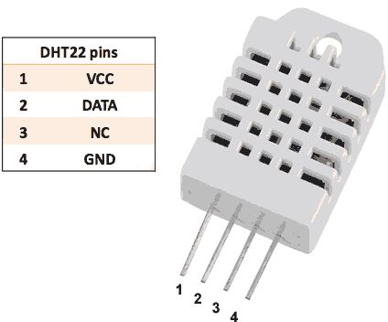
2 | Soil Moisture Sensor Module | REES52, Evana, BMES, Xcluma, Robodo Electronics | 180-200 | 4 Pins: (1)A0-Analog Output (2)D0-Discrete Output (3)VCC (4)GND | Analog/Discrete | Measure Moisture content of the soil | 3.3-5V | 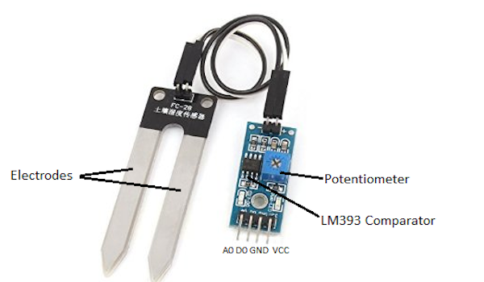
3 | LM35-Temperature Sensor | REES52, BMES, Generics, ePro Labs, Robo India | 140-180 | 3 Pins: (1)VCC (2)Analog Output (3)GND | Analog | Measure Temperature of the soil | 4-20V | 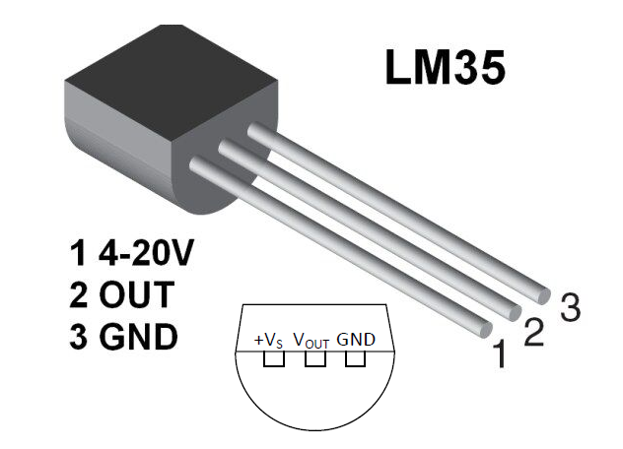
4 | DS18B20-Digital Temperature Sensor | REES52, Sunkee, Xcluma, Generic | 210-280 | 3 Pins: (1)GND (2)Data Output (3)VCC | Digital | Measure theTemperature of the soil | 3-5.5V | 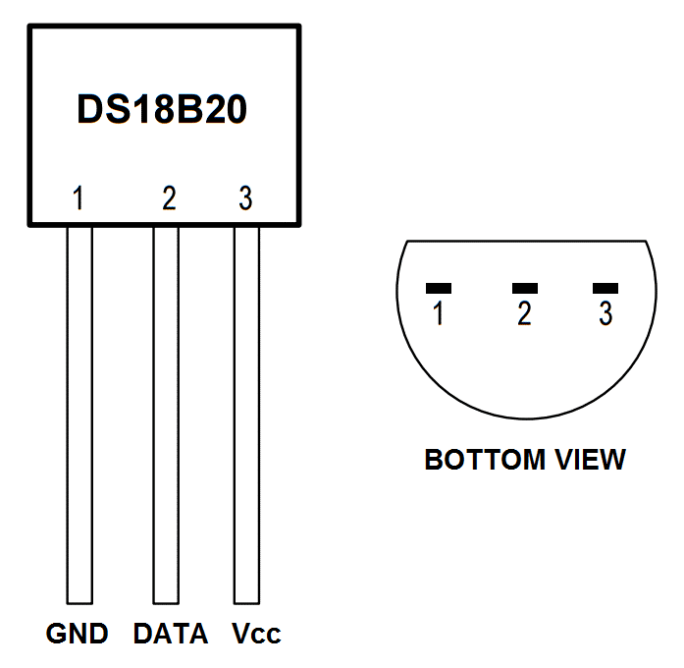
5 | pH Sensor with BNC (module) | Probots, REES52 | 2300-2500 | 6 Pins: (1)T0-Temperature Output (2)D0-Data Output (3)P0-pH value(Output) (4)GND (5)GND (6)VCC | Analog - pH Digital-Temperature | Measure the pH and temperature of water | 5V | 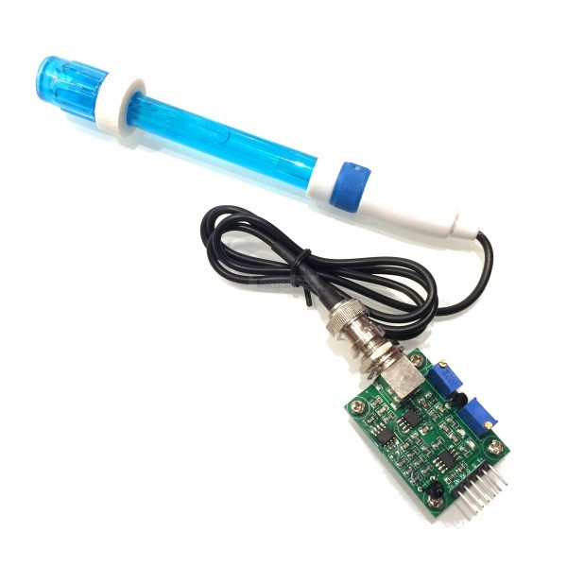
Analog to Digital Converter(ADC):
1 | MCP3008 | DNA Tech India, Microchip | 250 | 16 Pins: (1-8)CHO-CH7-Analog Inputs (9)DGND-Digital Ground (10)CS/SHDN-Chip Select (11)Din-Data IN (12)Dout-Data OUT (13)CLK-Clock (14)AGND-Analog Ground (15)VREF-Analog Reference Voltage (16)VDD-Power | Digital | Convert Analog signals to Digital output | 2.7-5V | 