Sheet1
Winding Frequency Response
 |  |  | Winding Impedance
Winding Resistance |  |  |  | |Z| | Theta
R1-2 | 1.14089 |  | Z1-2 | 31.4235 | 80.26
R1-3 | 1.16685 |  | Z1-3 | 25.7656 | 80.15
R2-3 | 1.13032 |  | Z2-3 | 33.352 | 80.32
Average | 1.14602 |  | Average | 30.18036667 | 80.24333333
Imbalance | 1.817594806 |  | Imbalance | 14.62794245 | 0.1163128817

Winding Inductance |  |  | Winding Capacitance
L1-2 | 48.6435 |  | C1-2-3 to GND |  | 12.382 nF
L1-3 | 39.9165
L2-3 | 51.6431
Average | 46.73436667
Imbalance | 14.58855047

 | 100 | 120 | 1k | 10k | 100k
L1-2 | 49.3408 | 48.6435 | 39.9915 | 20.5852 | 1.61898
L1-3 | 40.454 | 39.9165 | 34.4169 | 20.9913 | 1.41742
L2-3 | 52.3927 | 51.6431 | 41.8938 | 20.4562 | 1.30941

 | PI
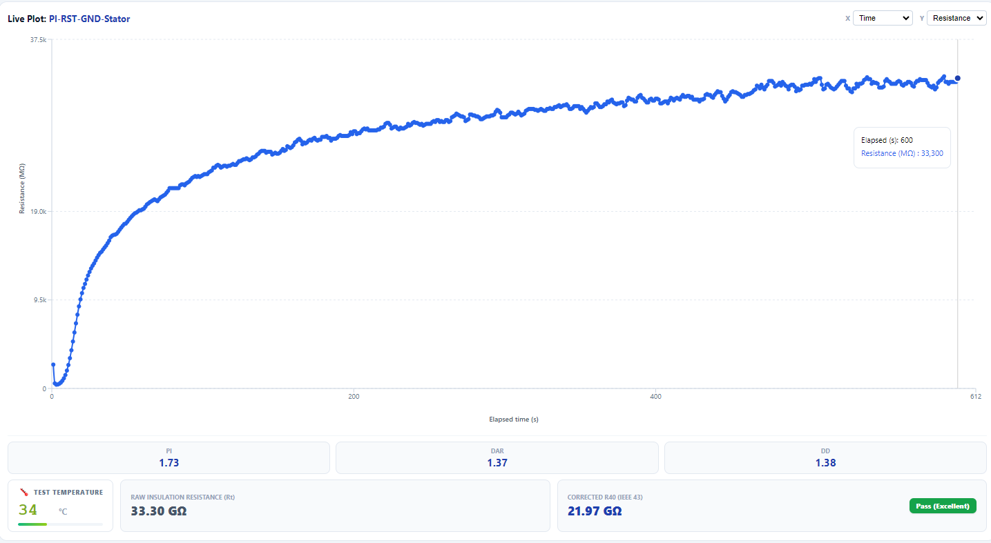
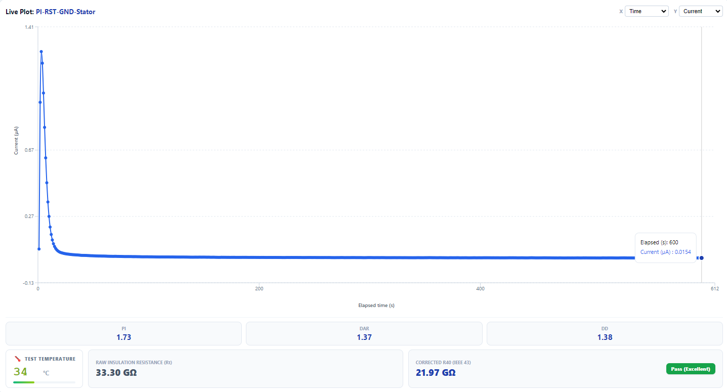

 | DAR
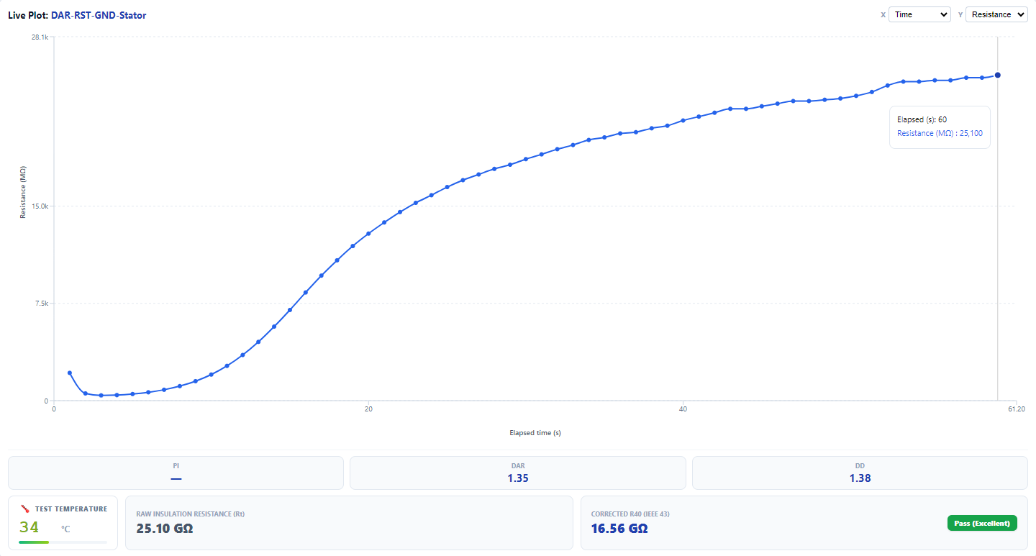
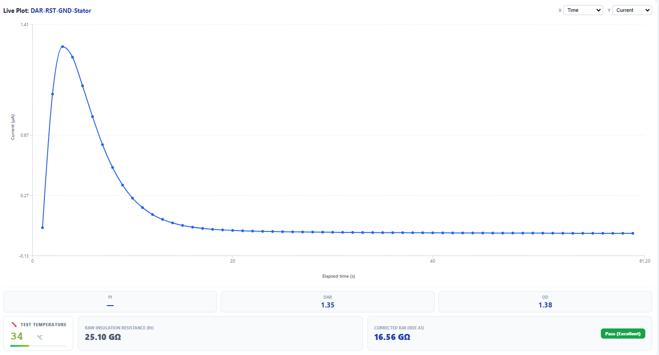

 | Step Voltage

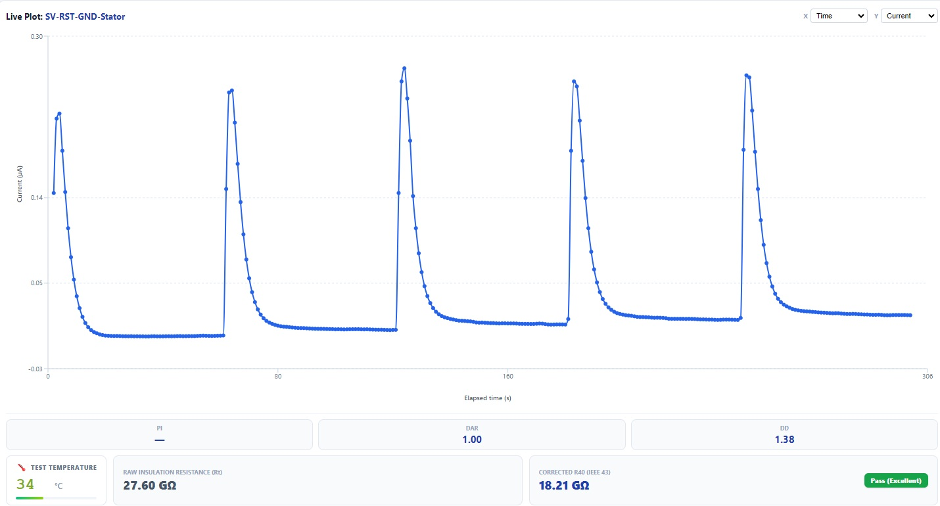
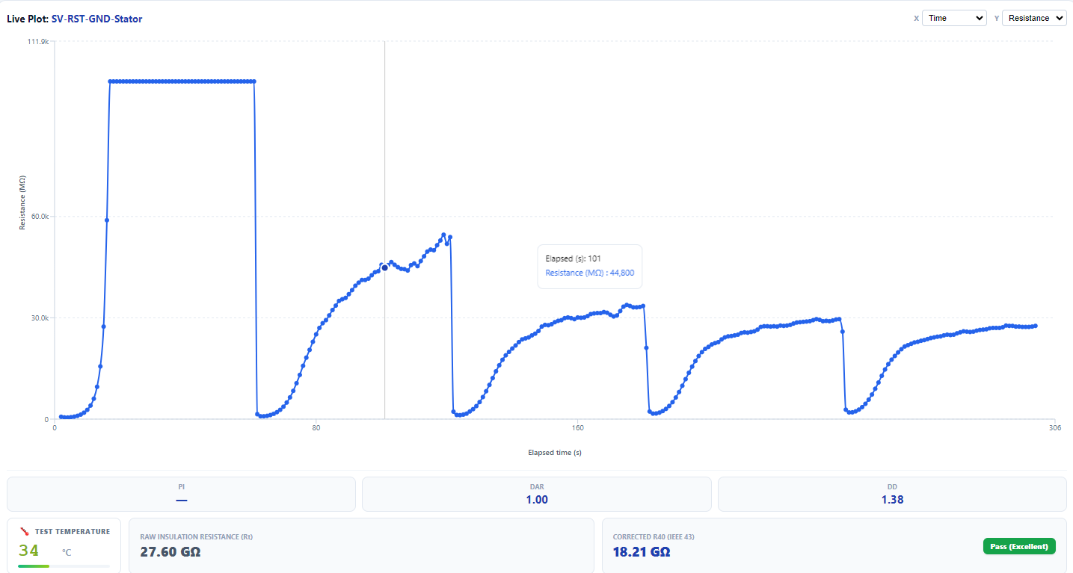

Insulation Response to Step Voltage

 | Sep Voltage settle current

Voltage | 100 | 200 | 300 | 400 | 500
Settled Current | 0.00191 | 0.00391 | 0.00924 | 0.0139 | 0.0185

 | This values are settled current at the end of each peak

