Dict Comp..
Basic Form:
What is Dictionary Comprehension?
 |  |  |  | {key: value for item in iterable}
A dictionary comprehension is a concise way to create dictionaries in Python.
It allows you to build dictionaries from iterables with conditions and transformations in a single line of code.

Why We Need It?
With a Condition:
Creates dictionaries quickly without using loops and dict.update(). |  |  |  | {key: value for item in iterable if condition}
Lets us transform key-value pairs efficiently.
Offers a cleaner, more readable approach for dictionary generation.

Characteristics of Dictionary Comprehension

Feature | Description | Why We Need It
Concise | One-liner syntax for dictionary creation | Saves time and improves readability
Transformative | Modify data during dictionary creation | Generate customized key-value pairs
Conditional | Filter which items are added as key-values | Flexible data selection
Dynamic keys | Keys can be derived from expressions | Automates dictionary creation

Creating Dictionaries with Comprehension

Method | Why We Need It | Example | Result
Basic | Create dict from range | {x: x**2 for x in range(4)} | {0:0, 1:1, 2:4, 3:9}
With condition | Filter key-value pairs | {x: x**2 for x in range(6) if x%2==0} | {0:0, 2:4, 4:16}
Transform keys | Apply operation on keys | {x.upper(): len(x) for x in ["apple","banana"]} | {'APPLE':5,'BANANA':6}
Swap dict | Reverse keys and values | {v: k for k,v in {"a":1,"b":2}.items()} | {1:"a",2:"b"}

Adding Conditions

Use Case | Example | Result
Store only even numbers | {x: x for x in range(5) if x%2==0} | {0:0,2:2,4:4}
Exclude specific keys | {k: v for k,v in {"a":1,"b":2,"c":3}.items() if k!="b"} | {'a':1,'c':3}
Filter values | {k: v for k,v in {"a":10,"b":5,"c":20}.items() if v>10} | {'c':20}

Nested Dictionary Comprehension

Operation | Why We Need It | Example | Result
Create matrix dict | Store 2D pairs in dict | {i:{j:i*j for j in range(3)} for i in range(3)} | {0:{0:0,1:0,2:0},1:{0:0,1:1,2:2},2:{0:0,1:2,2:4}}
Flatten dict | Extract data from nested dicts | {(i,j): i*j for i in range(2) for j in range(2)} | {(0,0):0,(0,1):0,(1,0):0,(1,1):1}

Advanced Examples

Operation | Description | Example | Result
Use if-else | Conditional assignment | {x: ("even" if x%2==0 else "odd") for x in range(5)} | {0:'even',1:'odd',2:'even',3:'odd',4:'even'}
With functions | Apply functions for values | {word: len(word) for word in ["python","AI","data"]} | {'python':6,'AI':2,'data':4}
Combine lists | Map two lists into dict | {k:v for k,v in zip(["a","b","c"],[1,2,3])} | {'a':1,'b':2,'c':3}

Real-Life Use Cases of Dictionary Comprehension

1. Count characters in a string → {ch: s.count(ch) for ch in set("banana")} → {'b':1,'a':3,'n':2}
2. Mapping items with conditions → {n: n*n for n in range(10) if n%2==0}
3. Swapping dictionary keys and values → {v: k for k,v in dict.items()}
4. Building lookup tables → {i: chr(65+i) for i in range(5)} → {0:'A',1:'B',2:'C',3:'D',4:'E'}
5. Data transformation JSON-like → {user["id"]: user["name"] for user in users}

..w...
while
What is a While Loop?
A while loop in Python is used to repeat a block of code as long as a condition remains true.
It continues looping until the specified condition evaluates to false.

Why We Need It?
To perform repetitive tasks with uncertain iteration counts.
Useful for waiting on a condition (like user input or sensor value).
Allows dynamic control over looping, stopping when a certain state is reached.

Example

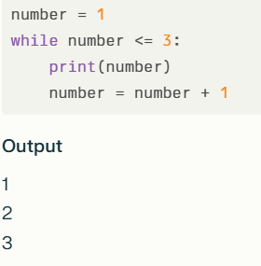

In this example, the loop prints numbers from 1 to 3. It runs as long as the condition number <= 3 is True.

while Loop Syntax
while condition: # body of while loop

The while loop evaluates condition, which is a boolean expression.
If the condition is True, the body of the loop is executed.
The condition is evaluated repeatedly after each iteration.
This continues until the condition becomes False.
When the condition is False, the loop terminates.

Tip: Update the variables used in the condition inside the loop to eventually make the condition False. Otherwise, the loop will run infinitely.

Example: User Input Loop

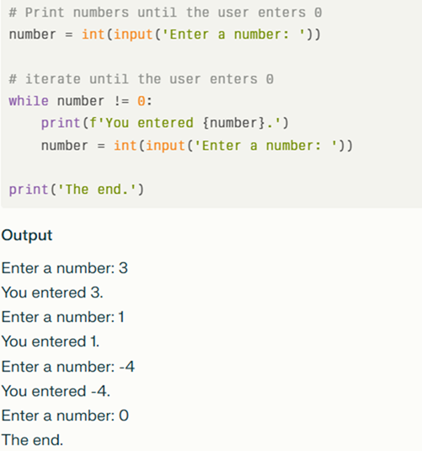

Explanation:
The loop runs until the user enters 0.
Each non-zero number entered is printed.
When 0 is entered, the loop ends.

Infinite while Loop
If the condition always evaluates to True, the loop runs infinitely.

Example:
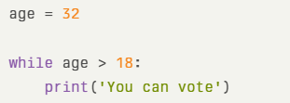

This will print "You can vote" endlessly unless stopped manually.

Using break in while Loop
You can terminate a while loop immediately using break.

Example:
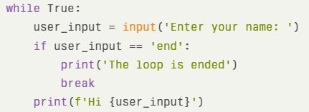

while Loop with else Clause
The else block runs once after the loop finishes normally (except if terminated by a break).

Example:
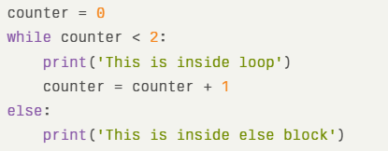

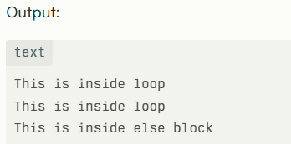

What are break and continue Statements in While Loops?
The break and continue statements are used to control the flow of loops in Python:

break: Immediately terminates the loop and exits it completely.
continue: Skips the rest of the code inside the current loop iteration and proceeds to the next iteration.

Why We Need Them?

break allows early exit from loops when a certain condition is met, saving unnecessary iterations.
continue lets us skip specific iterations, useful for ignoring certain cases without exiting the entire loop.
Both improve the efficiency and clarity of the looping logic.

Characteristics of break Statement

Feature | Description | Why We Need It
Terminates loop early | Stops the loop immediately | Avoid further unnecessary iterations
Used with conditionals | Usually inside if statements | Flexible and dynamic termination
Works in all loops | Applicable in both for and while | Broad usability

Example of break in while Loop
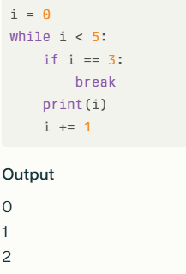

Explanation: The loop stops entirely when i equals 3; subsequent values are not printed.

Characteristics of continue Statement

Feature | Description | Why We Need It
Skips current iteration | Immediately moves to next iteration | Ignore unwanted cases without ending loop
Used with conditionals | Usually inside if statements | Dynamic skipping logic
Works in all loops | Applicable in both for and while | Broad usability

Example of continue in while Loop

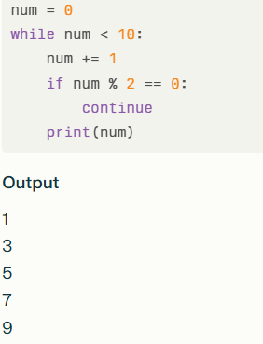

Explanation: The loop skips printing even numbers by jumping to the next iteration whenever num is even.

Real-Life Use Cases of break and continue in while Loops
break: Stop reading input when user enters a special command like 'exit' or 'stop'.
continue: Skip invalid user inputs during input validation without exiting the input loop.
break: Exit infinite loops based on a condition check.
continue: Skip processing certain items in a repetitive task without halting the whole process.

When to Use

Use while loops when the number of iterations is unknown or depends on a condition.
Use for loops when the iteration count is known.

Operators
1. Arithmetic Operators
 |  |  |  |  | An operation in Python is defined as an action performed using operators (like +, -, *, ==)
Why we need them? |  |  |  |  | on numbers, strings, or variables to produce a result.
They allow us to perform mathematical calculations in programs (like calculators, stats, finance apps).

Operator | Description | Why We Need It | Example | Result
+ | Addition | To add numbers, combine values. | 5 + 3 | 8
- | Subtraction | To find difference between values. | 6-4 | 2
* | Multiplication | To scale numbers, repeated addition. | 5 * 3 | 15
/ | Division | To split values into equal parts. | 5/2 | 2.5
// | Floor Division | To get only quotient (ignore remainder). Useful in loops, index positions. | 5 // 2 | 2
% | Modulus | To find remainder. Useful in odd/even check, cyclic patterns. | 5 % 2 | 1
** | Exponentiation | To calculate powers (math, science). | 2 ** 3 | 8

2. Comparison (Relational) Operators

Why we need them?
They allow us to compare values for decision making (if-else, loops, validation).

Operator | Description | Why We Need It | Example | Result
== | Equal to | To check if two values are same. | 5 == 5 | TRUE
!= | Not equal to | To ensure values differ. | 5 != 3 | TRUE
> | Greater than | To check for larger values. | 5 > 3 | TRUE
< | Less than | To check for smaller values. | 3 < 5 | TRUE
>= | Greater or equal | To include upper boundary. | marks >= 40 | TRUE
<= | Less or equal | To include lower boundary. | temp <= 0 | TRUE

3. Logical Operators

Why we need them?
They help us combine conditions in decision making.

Operator | Description | Why We Need It | Example | Result
and | True if both are true | To check multiple conditions together. | (age > 18 and marks > 40) | TRUE
or | True if at least one is true | To allow flexibility in conditions. | (city == "Delhi" or city == "Mumbai") | TRUE
not | Reverses result | To check the opposite of a condition. | not(age > 18) | FALSE

4. Assignment Operators

Why we need them?
They allow us to store and update values efficiently.

Operator | Description | Why We Need It | Example | Equivalent To
= | Assign value | To give data to a variable. | x = 5 | x = 5
+= | Add and assign | To increase value without writing full form. | x += 3 | x = x + 3
-= | Subtract and assign | To decrease value easily. | x -= 2 | x = x - 2
*= | Multiply and assign | To scale values quickly. | x *= 2 | x = x * 2
/= | Divide and assign | To reduce values step by step. | x /= 2 | x = x / 2
//= | Floor divide and assign | Useful in loops, indexing. | x //= 2 | x = x // 2
%= | Modulus and assign | For cyclic updates (round-robin tasks). | x %= 3 | x = x % 3
**= | Power and assign | For repeated multiplication. | x **= 2 | x = x ** 2

5. Membership Operators

Why we need them?
They let us check presence of items in sequences (lists, tuples, strings, sets).

Operator | Description | Why We Need It | Example | Result
in | Value exists | To search if an item is present. | "a" in "apple" | TRUE
not in | Value not exists | To check absence. | "b" not in "apple" | TRUE

6. Identity Operators
Why we need them?
They let us check if two variables point to the same object in memory (important for Python internals).

Operators in Python are the tools that let us calculate, compare, and control data, making our programs logical and meaningful.
Operator | Description | Why We Need It | Example | Result
is | Same object | To test object identity (not just value). | x is y | True/False
is not | Different objects | To ensure variables are distinct. | x is not y | True/False

Summary :
Comparison → make decisions.
Logical → combine conditions.
Assignment → store/update values.
Membership → check if item exists.
Identity → check if objects are same in memory.

List
list = [ ]

Method | What It Does | Code Example
append() | Adds an item at the end of the list | fruits.append("mango")
extend() | Adds elements from another list (or iterable)
insert() | Inserts item at a specific index | fruits.insert(1, "kiwi")
remove() | Removes the first matching item | fruits.remove("apple")
pop() | Removes and returns item at given index | fruits.pop(2)
clear() | Removes all items from the list | fruits.clear()
index() | Returns the index of the first match | fruits.index("banana")
count() | Counts how many times an item appears | fruits.count("apple")
sort() | Sorts the list in ascending order | numbers.sort()
reverse() | Reverses the list (does not sort) | numbers.reverse()
copy() | Returns a copy of the list | new_list = fruits.copy()

Tuple
tuple = ( )
What is Tuple?
 |  | empty tuple
Tuple is like a list, but it cannot be changed (immutable).
We use () (parentheses) to create tuples instead of [ ].

Why We Need It?

To store different data types together (int, str, float, etc.).
They are faster than lists because they don’t change.
Often used for fixed data like coordinates, dates, or database records.

Creating Tuples
You create a tuple by enclosing items in parentheses, separated by commas.

Empty Tuple:

 | my_tuple = ()
 | print(my_tuple)
 | Output: ()

Tuple with a single item: A trailing comma is required.

 | single_item = ("apple",)
 | print(single_item)
 | Output: ('apple',)

Tuple with multiple items:

 | fruits = ("apple", "banana", "cherry")
 | print(fruits)
 | Output: ('apple', 'banana', 'cherry')

Accessing Tuples
You can access individual items in a tuple using an index, which starts at 0.

Accessing by index:

 | my_tuple = ("a", "b", "c")
 | print(my_tuple[0])
 | Output: a

 | Negative indexing: You can also use negative indexes to access elements from the end of the tuple. -1 is the last item.

 | print(my_tuple[-1])
 | Output: c

Joining Tuples

You can combine two or more tuples using the + operator. This creates a new tuple.

Concatenation:

 | tuple1 = (1, 2, 3)
 | tuple2 = (4, 5, 6)
 | combined_tuple = tuple1 + tuple2
 | print(combined_tuple)
 | Output: (1, 2, 3, 4, 5, 6)

Replicating Tuples
The * operator can be used to repeat the items in a tuple a specified number of times. This creates a new tuple with the replicated elements.

 | my_tuple = ("python",)
 | replicated_tuple = my_tuple * 3
 | print(replicated_tuple)
 | Output:('python', 'python', 'python')

Tuple Slicing
Slicing allows you to get a sub-tuple from a larger one. The syntax is [start:end:step]. The slice includes the start index but excludes the end index.

 | numbers = (10, 20, 30, 40, 50)
 | subset = numbers[1:4]
 | print(subset)
 | Output: (20, 30, 40)

 | Slice from the beginning:

 | subset_start = numbers[:3]
 | print(subset_start)
 | Output: (10, 20, 30)

 | Slice to the end:

 | subset_end = numbers[2:]
 | print(subset_end)
 | Output: (30, 40, 50)

Write a Python program to create a tuple with different data types.
Write a Python program to create a tuple of numbers and print one item.
Write a Python program to convert a tuple to a string.

change the 4 item in this tuple.
my_tup = ("delhi","noida","haryana","punjab","up")
Output: ("delhi","noida","haryana","himachal","up")

Write a Python program to add an item to a tuple.

Use a tuple when you need to store a collection of items that should never change and must stay safe, fast, and reliable.

Dict
dict = {key:value}
 | 1. What is a Dictionary?

 | A dictionary is a collection of key–value pairs.
 | Keys are unique and immutable (string, number, tuple), values can be any type.
 | mydict = {"name": "John", "age": 25, "city": "Delhi"}

 | 2. Dictionary Characteristics

 | Feature | Description | Why We Need It
 | Ordered | Items keep the order of insertion | Predictable data handling
 | Changeable | Values can be updated | Store dynamic data
 | No duplicates | Keys must be unique | Prevents accidental overwriting
 | Heterogeneous | Values can be any type | Flexible for real-world data

 | 3. Accessing Dictionary Items

 | Operation | Description | Why We Need It | Example | Output
 | dict[key] | Get value by key | Fast lookup by key | person["name"] | "John"
 | dict.get(key) | Safe access (no error if key missing) | Prevents crashes | person.get("email") | None
 | keys() | Returns all keys | For iteration | person.keys() | ["name","age","city"]
 | values() | Returns all values | To work with stored data | person.values() | ["John",25,"Delhi"]
 | items() | Returns key-value pairs | For looping both | person.items() | [("name","John"),...]

 | 4. Updating Dictionary

 | Operation | Description | Why We Need It | Example
 | dict[key] = value | Add new or update existing | Modify data easily | person["age"] = 30
 | update({...}) | Update multiple items at once | Bulk update | person.update({"city":"Mumbai","age":26})

 | 5. Removing Items

 | Operation | Description | Why We Need It | Example
 | pop(key) | Removes specific key | Delete selectively | person.pop("age")
 | popitem() | Removes last inserted pair | Useful in stacks/LIFO | person.popitem()
hidden - for | del dict[key] | Deletes by key | Manual deletion | del person["city"]
 | clear() | Removes all items | Reset dictionary | person.clear()

 | 7. Nesting Dictionaries
 |  |  |  |  |  | Questions :
 | Why we need it? |  |  |  |  | Add a new key and value to the existing dictionary.
 | For storing complex structured data (like JSON). |  |  |  |  | Update the price of "banana" to 30.
 |  |  |  |  |  | Delete "orange" from the dictionary.
 | students = { |  |  |  |  | Check if "grapes" exists in the dictionary.
 | "s1": {"name": "Alice", "age": 20},
 | "s2": {"name": "Bob", "age": 22}}

 | print(students["s1"]["name"]) # Alice

A dictionary is like a real-life dictionary – words (keys) mapped to meanings (values).

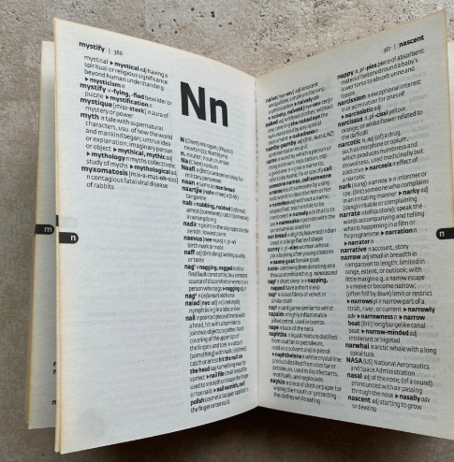

Method | What It Does | Why We Need It | Example
copy() | Returns a shallow copy | Avoid modifying original | d2 = d1.copy()
fromkeys(seq, val) | Creates new dict with keys from sequence | Fast initialization | dict.fromkeys(["a","b"],0) → {'a':0,'b':0}
setdefault(key, val) | Returns value; inserts key if missing | Prevents errors & sets default | d.setdefault("age", 18)
update({...}) | Updates dictionary | Merge/update data | d.update({"city":"Delhi"})

Set
set = { }
What is a Set?

A set is a collection of unique, unordered, and unindexed items.

Why we need it?
Sets are used when we want to store unique items, perform math-like set operations (union, intersection, etc.),efficiently.
and handle membership checks

2. Characteristics of Sets

Feature | Description | Why We Need It
Unordered | No defined order of elements | Fast access, optimized storage
Unique values | No duplicates allowed | Removes repeated items automatically
Mutable | We can add/remove items | Flexible storage
Heterogeneous | Can store different types | Flexible data handling

3. Creating Sets

Method | Why We Need It | Example | Result
Curly braces {} | Common way | {"apple","banana"} | {'apple','banana'}
set() constructor | Create from list/tuple | set([1,2,2,3]) | {1,2,3}
Empty set | Must use set() (not {}) | empty = set() | set()

4. Adding Items

Operation | Why We Need It | Example
add() | Add one element | myset.add("orange")
update(iterable) | Add multiple elements | myset.update(["mango","grapes"])

5. Removing Items

Operation | Why We Need It | Example
remove(x) | Removes specific item (error if missing) | myset.remove("banana")
discard(x) | Removes specific item (no error if missing) | myset.discard("pear")
pop() | Removes and returns a random item | myset.pop()
clear() | Remove all items | myset.clear()
del | Delete the entire set | del myset

6. Set Operations (Math-like)

👉 Why we need them? Sets are great for solving real-world problems like filtering duplicates, finding common elements, etc.

Operation | Description | Example | Result
union() / ` | Combines sets (all unique elements) | A.union(B) | {3,5,6,7,8}
intersection() / & | Common items only | A & B | {2,3}
difference() / - | Items in A but not in B | A - B | {1}
symmetric_difference() / ^ | Items not common in both | A ^ B | {1,4}
issubset() | Checks if A is subset of B | A.issubset(B) | True/False
issuperset() | Checks if A is superset of B | A.issuperset(B) | True/False
isdisjoint() | Checks if sets have no common elements | A.isdisjoint(B) | True/False

> Subset : checks if all elements of A are also in B.
> Superset : checks if A contains all elements of B.

7. Frozen Set
👉 Why we need it?
A frozen set is an immutable set (cannot change).
Useful as dictionary keys or when a set must stay fixed.

fset = frozenset(["apple", "banana", "cherry"])

8. Real-Life Use Cases of Sets
1. Removing duplicates → set([1,2,2,3]) → {1,2,3}
2. Membership tests → "apple" in fruits
3. Finding common users/items → intersection in two groups
4. Filtering → Get items not in another set
A set in Python is like a mathematical set: it stores unique items and allows powerful operations like union, intersection, and difference.
5. Fast operations → Sets are optimized for lookups & comparisons

If
if condition:
statement
elif condition:
statement
else:
statement
1. What is if – elif – else?
It’s Python’s way to make decisions.
Based on a condition (True/False), the program chooses which block of code to run.

Why we need it?
Without conditional statements, every program would run line by line without intelligence.
With if – elif – else, programs can react differently depending on the situation (like login check, grading system, traffic lights).
2. if Statement

Syntax | Description | Why We Need It | Example | Output
python if condition: # code | Runs block only if condition is True | To execute code selectively | x = 10 if x > 5: print("x is greater than 5") | x is greater than 5

3. if – else Statement

Syntax | Description | Why We Need It | Example | Output
python if condition: # code else: # code | Provides two possible paths | To handle both True and False situations | x = 3 if x > 5: print("Big") else: print("Small") | Small

4. if – elif – else Statement

Syntax | Description | Why We Need It | Example | Output
python if condition1: # code elif condition2: # code else: # code | Multiple decision paths | To check more than two conditions | marks = 75 if marks >= 90: print("A") elif marks >= 60: print("B") else: print("C") | B

5. Points to Remember
Rule | Why Important
Conditions must result in True/False | Ensures logical decisions
Only one block runs | Saves execution time
elif means “else if” | Adds more choices
else is optional | Use it only when needed

6. Real-Life Examples

1. Login check

2. Traffic light system
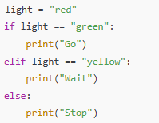

3. Grading system

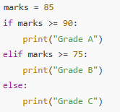

if – elif – else lets Python programs choose different actions depending on conditions, making them smart and dynamic.

range()
What is the range() Function?

The range() function in Python generates a sequence of numbers.
It is often used to iterate a specific number of times in loops, producing an immutable sequence of integers.
range(stop)
range(start, stop)
range(start, stop, step)
Why We Need It?

To control loop iterations easily without manually creating lists.
To generate numeric sequences efficiently with start, stop, and step control.
To avoid memory overhead by creating numbers on demand (lazy evaluation).

Characteristics of range()

negative step
Feature | Description | Why We Need It
Immutable sequence | Numbers generated on demand, not stored in memory | Memory efficient for large sequences
Supports slicing | Can be sliced like lists | Flexible subsequence access
Three parameters | Accepts start, stop, step | Gives precise control over generated values
Default behavior | Defaults start to 0, step to 1 | Simple iteration for common cases

range() Syntax
range(stop) range(start, stop) range(start, stop, step)

stop: Required. The sequence ends before this value (not included).
start: Optional. The sequence starts from this value (default is 0).
step: Optional. The difference between numbers (default is 1).

Examples of range() Types

Form | Example | Output
range(stop) | range(5) | 0, 1, 2, 3, 4
range(start, stop) | range(2, 6) | 2, 3, 4, 5
range(start, stop, step) | range(1, 10, 3) | 1, 4, 7
Negative step | range(5, 0, -1) | 5, 4, 3, 2, 1

Important Notes

The stop value is excluded from the sequence.
Step can be negative to generate descending sequences.
range() returns a range object, which is iterable and can be converted to a list using list(range(...)).

Real-Life Use Cases of range()

1. Repeating actions a fixed number of times in loops.
2. Generating indices to access elements by position in sequences.
3. Creating numeric sequences with custom start, stop, and step sizes.
4. Counting backwards using negative step values.

for
What is a For Loop?
for
A for loop in Python is used to iterate over a sequence (such as a list, tuple, string, dictionary, or range).
And execute a block of code repeatedly for each item in the sequence.

Why We Need It? |  | L = [1,2,3,4,5,5]

To automate repetitive tasks by processing items one by one.
To traverse through collections easily without manual indexing.
To apply the same operation to all elements in data structures.

🔹 2. Characteristics of For Loops

Feature | Description | Why We Need It
Iterative | Repeats code for each item in a sequence | Handles repetitive tasks
Works with any iterable | Can loop over lists, strings, tuples, dicts, sets | Flexible for different data types
Indentation based | Uses indentation to define the loop body | Keeps code readable
Loop variable | Holds the current item during each loop cycle | Easily access and manipulate elements

🔹 3. For Loop Syntax and Basic Usage

Syntax | Why We Need It | Example | Result
for item in sequence: | Basic iteration structure | for x in [1,2,3]: print(x) | Prints 1 2 3
Using range() | Loop over a sequence of numbers | for i in range(3): print(i) | Prints 0 1 2
Loop over string | Iterate characters | for ch in "abc": print(ch) | Prints 'a' 'b' 'c'

🔹 4. Looping Over Different Data Types

Data Type | Example | Output
List | for item in [10, 20]: print(item) | 10 20
Tuple | for item in (5,6): print(item) | 5 6
String | for ch in "hi": print(ch) | 'h' 'i'
Dictionary | for key in {'a':1,'b':2}: print(key) | 'a' 'b'
Dictionary (keys and values) | for k,v in d.items(): print(k,v) | Prints key-value pairs

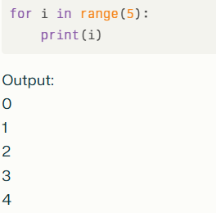

The loop runs 5 times, iterating from 0 to 4.

7. Real-Life Use Cases of For Loops
1. Processing items in a list or group (e.g., print, calculate).
2. Iterating over characters in text processing.
3. Accessing keys and values in dictionaries.
4. Repeating tasks specific times with range().
5. Combining nested loops for multidimensional data like matrices.

List Comp..
[expression for item in iterable]
[expression for item in iterable if condition]
What is List Comprehension?

A list comprehension is a concise way to create lists in Python.
It provides a shorter syntax for generating new lists from existing iterables (like lists, tuples, ranges, strings).

Why We Need It?

Makes code more readable and compact.
Eliminates the need for traditional for loops with append().
Easier to apply conditions and transformations directly while generating lists.

🔹 2. Characteristics of List Comprehension

Feature | Description | Why We Need It
Concise | One-liner syntax instead of multiple lines | Saves time and improves readability
Faster | Executed internally in C implementation | Optimized performance
Conditional | Can include if filters | Flexible filtering
Transformative | Apply an operation to items | Generate modified lists efficiently

🔹 3. Creating Lists with Comprehension

Method | Why We Need It | Example | Result
Basic syntax | Short form of for loop | [x for x in range(5)] | [0,1,2,3,4]
With condition | Filtering elements | [x for x in range(10) if x % 2 == 0] | [0,2,4,6,8]
With function | Apply transformation | [x**2 for x in range(5)] | [0,1,4,9,16]
From string | Break into characters | [ch for ch in "python"] | ['p','y','t','h','o','n']

🔹 4. Adding Conditions

Use Case | Example | Result
Even numbers only | [x for x in range(10) if x % 2 == 0] | [0,2,4,6,8]
Exclude specific items | [x for x in range(5) if x != 2] | [0,1,3,4]
String filtering | [word for word in ["apple","ant","ball"] if word.startswith("a")] | ['apple','ant']

Advanced Examples

Operation | Description | Example | Result
Using if-else | Conditional expression inside list comprehension | [x if x%2==0 else "odd" for x in range(5)] | [0,"odd",2,"odd",4]
With functions | Apply built-in functions | [len(word) for word in ["cat","python","AI"]] | [3,6,2]
Computations | Create calculated lists | [x*y for x in range(1,4) for y in range(1,4)] | [1,2,3,2,4,6,3,6,9]

Real-Life Use Cases of List Comprehension

1. Filtering data → [name for name in students if len(name) > 5]
2. Extracting digits/characters → [int(d) for d in "12345"] → [1,2,3,4,5]
3. Transforming values → [price*1.1 for price in prices]
4. Quick list creation → [i for i in range(100) if i%5==0]

 | # extract odd numbers from any list and store it new list using traditional for loop and list comp..
 | # small if less than 5 else large, using list comp..
 | # remove negative numbers using list comp..

def
What is a def Function?

A def function in Python is a way to define a reusable block of code that performs a specific task.
You give it a name, specify what information it needs (called parameters), and organize what it should do.
When you "call" the function by name, Python runs the code inside it.

Why We Need Functions?

To avoid repeating code by reusing logic
To make code easy to read and organize
To solve tasks and split big problems into smaller ones
To share or use code in more than one place

Characteristics of Functions

Feature | Description
Named | Functions get a meaningful name
Reusable | Call any number of times
Parameters | Can take information as input (optional)
Return values | Can give back data using return
Scoped variables | Variables inside the function are hidden

Creating Functions

Method | Example | What Happens
No parameter | def greet(): print("Hello") | Defines a simple greeting function
With parameters | def add(x, y): return x + y | Adds two numbers
Default parameters | def greet(name="Guest"): print(name) | Uses default value if not provided
Variable arguments | def myfunc(*args): print(args) | Accepts many values

Calling a Function

How to Call | Example | Result/Output
Normal call | greet() | Prints Hello
With arguments | add(2, 3) | Returns 5
Keyword args | greet(name="Ali") | Prints Ali
Returns value | result = add(4, 7) | Saves 11 in result

Returning Values

Operation | Example | Effect
With return | return value inside function | Gives result to calling code
No return | If no return, gives back None | The function finishes, but nothing is sent back

Positional Arguments

Definition:

You pass values in order when calling the function.
Python matches each value to the corresponding parameter, based on position.

Example 1: Greeting

First value ("Rahul") goes to name. and Second value ("Delhi") goes to city.

Example 2: Addition
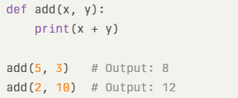

The first number is x, the second is y, and their sum is printed.

Example 3: Order Matters!

Switching the order gives unexpected output. Positional arguments depend on order!

Example 4: Too Few or Too Many Arguments
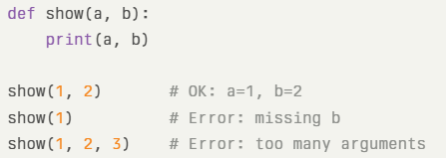

Give exactly as many values as parameters.

Keyword Arguments

Definition:

You assign values using parameter names (name=Ali) when calling a function.
The order doesn’t matter.
Makes code easy to read, understand, and avoids mix-ups.

Example 1: Greeting

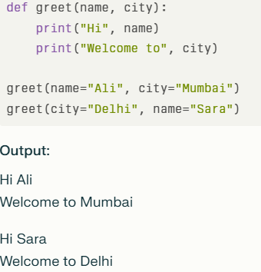

You can write the arguments in any order since each value is matched by its name.

Example 2: More Descriptive
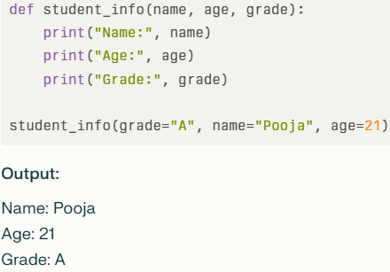

Example 3: Keyword Arguments Avoid Mistakes

Arguments are always matched by their names—no mix up!

Example 4: Mixing Positional and Keyword (Positional First)

First value ("Maya") is positional (must come BEFORE keyword arguments).
Rule: Positional arguments must always come first, then keyword arguments.

Summary:
Keyword arguments are super useful when your function has many parameters—no need to remember the order, just match the names and values. It keeps your code clear and safe from silly mistakes!

What are Default Arguments?

Default arguments are values given when defining a function for some parameters.
If you call the function without those arguments, their default values are used automatically.

Example 1: Greeting with Default
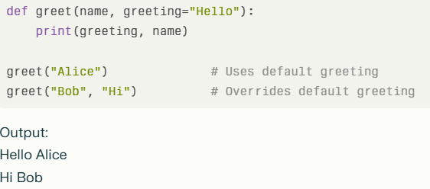

Key Points:

Default arguments must come after non-default arguments in function definition.
Makes functions more flexible and easier to use.
Avoids messy or repetitive code.

*args (Arbitrary Positional Arguments) |  |  | aa - bit - ray

Use *args when you want your function to accept any number of positional arguments.
Inside the function, these come as a tuple.
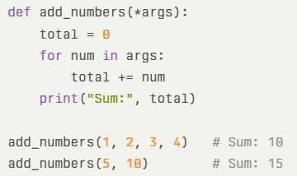

You can pass any count of numbers, and the function adds them all.

**kwargs (Arbitrary Keyword Arguments)

Use **kwargs when you want your function to take any number of named arguments.
Inside the function, these come as a dictionary of keys and values.

This function prints each key-value pair.
*args collects extra positional arguments as a tuple; **kwargs collects extra keyword arguments as a dictionary.

Real-Life Use Cases

1. Printing greetings: Simple message to user
2. Math tasks: Add, subtract, divide numbers
3. Processing lists: Find max, sort, filter values
4. Reusing code: Email sending, calculations, patterns
5. Organizing logic: Splitting big programs into steps

sort list using def
Write a function discount(price, percent) that calculates the final price after discount.
Write a function fine(days_late, rate_per_day=5) that calculates total fine.
Call it once with default fine and once by changing the fine rate.
Write a function distance(speed, time) that returns distance = speed × time.
Call it in 2 different ways: positional and keyword.

errors
Python Exceptions

An exception is an unexpected event that occurs during program execution. For example,

Python Logical Errors (Exceptions)

Errors that occur at runtime (after passing the syntax test) are called exceptions or logical errors. |  | gender | marital status
 |  | 0 | 1
For instance, they occur when we |  | 1 | 0
try to open a file(for reading) that does not exist (FileNotFoundError) |  | 0 | 0
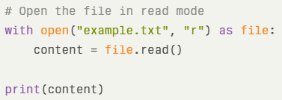
 |  | 1 | 1

try to divide a number by zero (ZeroDivisionError)

 | divide_by_zero = 7 / 0

try to import a module that does not exist (ImportError) and so on.

 | Import pandas

Whenever these types of runtime errors occur, Python creates an exception.

error ?
A problem in the code (like syntax errors) that prevents the program from running.

Exception
An exception in Python is a problem that happens while a program is running, which stops the normal flow.
It can be caught and handled so the program doesn’t crash unexpectedly.

Exception Handling

We use try...except to catch these errors so the program can keep running without stopping.

The try...except block is used to handle exceptions in Python. Here's the syntax of try...except block:

 | try: # code that may cause exception except: # code to run when exception occurs

When an exception occurs, it is caught by the except block. The except block cannot be used without the try block.

Example:

 | try: numerator = 10 denominator = 0 result = numerator/denominator print(result) except: print("Error: Denominator cannot be 0.")

If none of the statements in the try block generates an exception, the except block is skipped.

Catching Specific Exceptions in Python
For each try block, there can be zero or more except blocks.
Multiple except blocks allow us to handle each exception differently.

 | try: even_numbers = [2,4,6,8] print(even_numbers[5]) except ZeroDivisionError: print("Denominator cannot be 0.") except IndexError: print("Index Out of Bound.") # Output: Index Out of Bound

Python try with else clause
In some situations, we might want to run a certain block of code if the code block inside try runs without any errors.
For these cases, you can use the optional else keyword with the try statement.

try: num = int(input("Enter a number: ")) result = 10 / num except ZeroDivisionError: print("You cannot divide by zero!") except ValueError: print("That's not a valid number!") else: print("Division successful! Result is:", result)

Python try...finally
In Python, the finally block is always executed no matter whether there is an exception or not.
The finally block is optional. And, for each try block, there can be only one finally block.
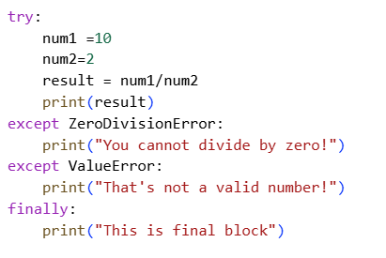

Write a function that takes a list and an index from the user and safely returns the element at that index,
handling index out of range and invalid index input.

