Overview
 | PC (JENKINS) | PC (USER ) | LOCAL NETWORK (K:) | WEB

JAVA JDK/JRE Installation
JENKINS Installation
GIT Installation
JAVA JDK/JRE Installation
ANSICON Installation
MAVEN Installation

GIT Installation
MAVEN Installation
GIT (Working Clone)
GIT (Master)
GIT (IT Backup?)

GIT (Read Only Clone)

Set Up / Reference Documentation

USERS
Maven Java Project
POM File
(Project Object Model - XML)
Feature Files
(Plain English: 'Gherkin')

Business Analyst/Users
Regex
Java code

Regex + Jjava
Step Definition Files (Java Methods)

Testers
Java
Step Def details
Page Objects
Workflows
Framewkork
Utilities
 |  |  |  |  | CUCUMBER

Cucumber.io etc (Cucumber / Gherkin versions)

Edit/debug code

Developers

MULTIPLE BUILD / TEST SETS
Test Execution

MS-Excel Test Run Control / Feature Analysis
Command Line
IDE's
MAVEN CENTRAL
IntelliJ Installation
MAVEN Repository

Eclipse Installation?

XPath
 |  |  |  | BROWSERSTACK

WEB BROWSER(S) No Installation

 |  |  |  | BROWSER VENDORS
WEB BROWSER(S) Installation
Browser Drivers Executables
Browser Vendor Websites
(Browser Drivers)

 |  |  |  | SELENIUM
Selenium Grid Nodes
Selenium Grid Hub
Selenium Grid Server
Executable
Selenium HQ (WebDriver/ Grid Server Versions)

Test Execution Reports

Objects And Classes
TEXT FILES | JAVA CLASSES
 |  | CFH PAGE OBJECTS
FEATURES | CFH STEP DEFINITIONS |  | TEST FRAMEWORK

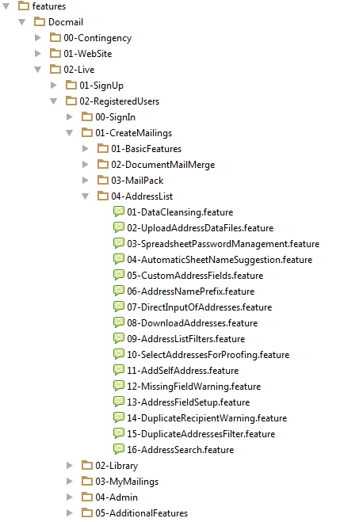
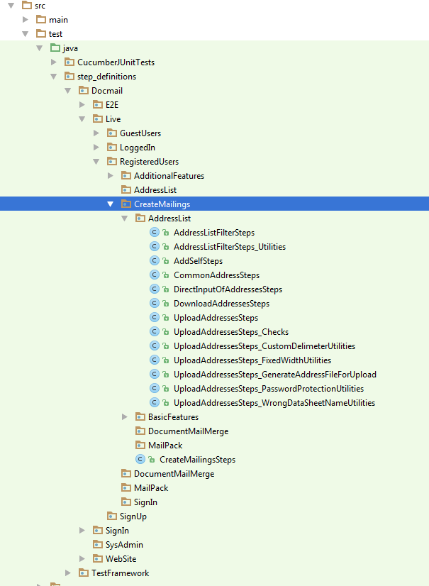
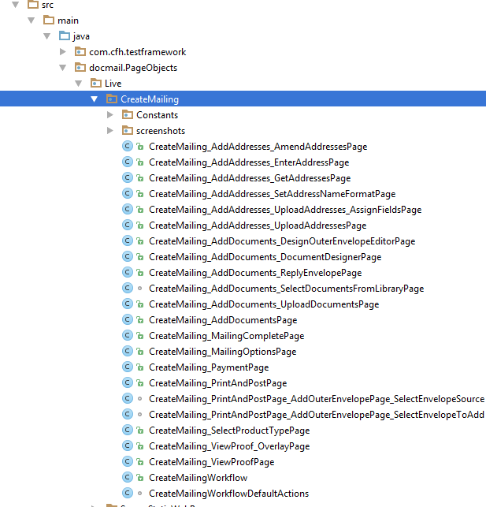
TEST FRAMEWORK
(static)

Link to objects/data between steps
USER

Step1
Step2
Step3
Step4
Step5
Workflow class
End

TEST RUNNER

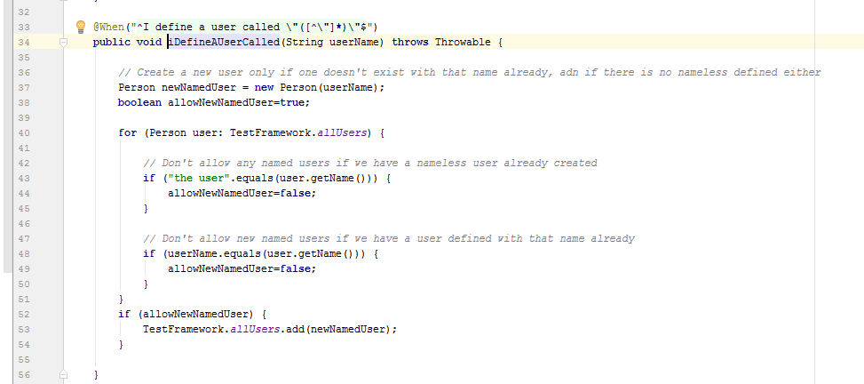
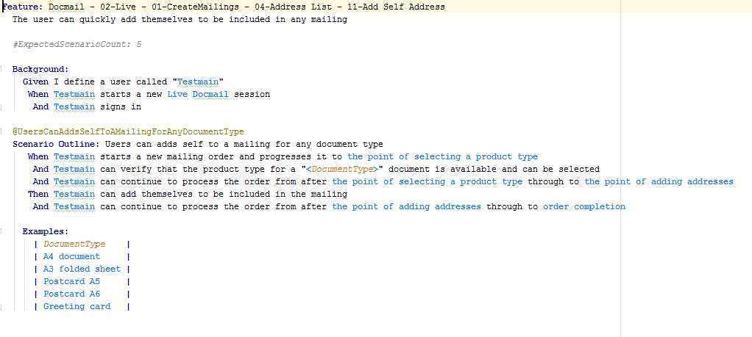

Regex

SESSION

BROWSER

Fluent Page Objects etc
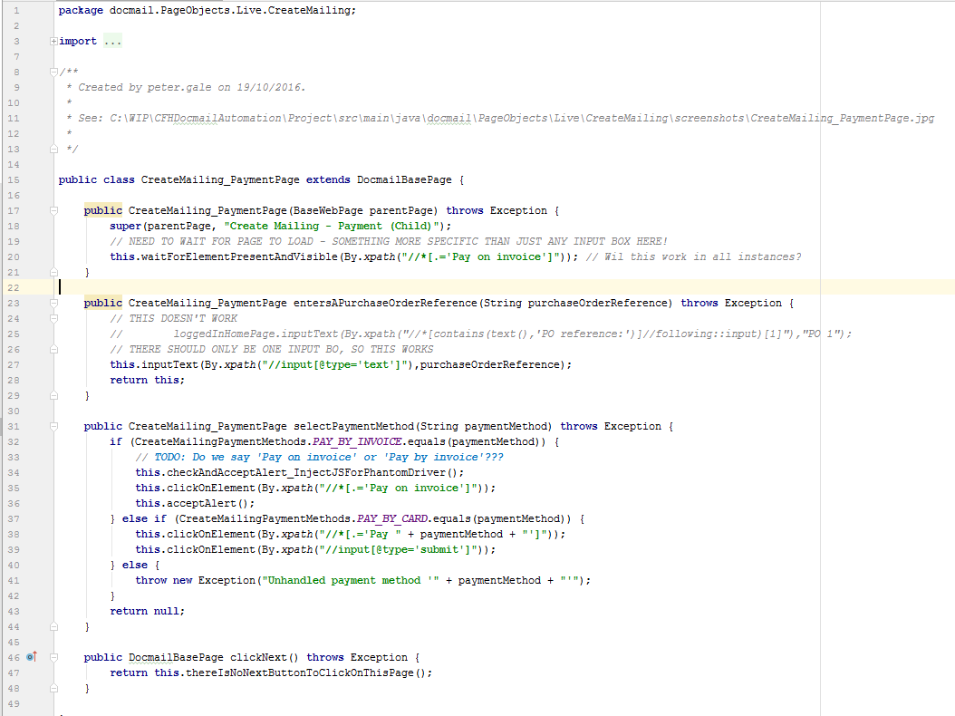

DOCMAIL PAGE OBJECTs (XPath)

DOCMAIL BASE WEB PAGE OBJECT (XPath)
BASE WEB PAGE OBJECT
(Wraps
Selenium)

