Calculations
Dent Analysis | Multiple Dents
CV log case | CV20-00032
Aircraft Program | A320
Engine Details | CFM56-5B
Lip Skin | Outer Lip Skin

Geometric Details of Multiple Dents
Spacing B/W Dents, (s) | 3.5 | in
Spacing between edge of dent to edge of fastener, s1 | 2 | in
Major Diameter (Ln) | 2 | in
Minor Diameter (Wn) | 1.5 | in
Dent Depth (dn) | 0.025 | in
Major Diameter (Lm) | 2.5 | in
Minor Diameter (Wm) | 1.5 | in
Dent Depth (dm) | 0.18 | in
Skin Thickness (t) | 0.072 | in
Panel Size | 18.0 | in

Geometric Details of Single Dent
Distance between edge of dent and edge of fastener hole, em | 0 | in
Major Diameter (L) | 0 | in
Minor Diameter (W) | 0 | in
Circumferential Dent Length |  | in
Dent Depth (d) | 0 | in
Skin Thickness (t) |  | in
Panel Size | 18.0 | in

Linear Analysis |  |  |  | AL2219-T62 Material Details
Allowable @ RT | Ftu or Fcu @ RT |  | PSI | Ultimate Tens-allowable | Ftu | 55000 | PSI
Thermal Reduction Factor | TRF |  |  | Tens-allowable at ultimate strain | Ftu_ult_strain | 59000 | PSI
Allowable @ Given temp. | (Ftu or Fcu) x TRF |  | PSI | Yield Tensile Allowable | Fty | 36000 | PSI
Final Allowable Stress | Fallow |  | PSI | Ultimate Strain-allowable | eu | 0.07 | in/in
$$\text{MAX}\text{(|}\text{σ}\text{MAX}\text{,}\text{Pr}\text{|,|}\text{σ}\text{min}\text{,}\text{Pr}\text{|) }$$
Principal Stress, (σMAX) |  |  | PSI | Yield Compressive Allowable | Fcy | 37000 | PSI
$$\text{σ}\text{MAX}\text{ ∗}\text{t}$$
Effective running load (Neff), pounds per inch |  |  | lbf/in | Ultimate Compressive Allowable, Ftu/Fty * Fcy | Fcu | 56528 | PSI
$$\frac{\text{N}\text{eff} \text{x} \text{d}}{2}$$
Dent Offset Moment, (Mdent) |  |  | lbf-in | Young's Modulous | E | 10800000 | PSI
$$\frac{\text{6} \text{x} Mdent}{t2}$$
Linear Bending Stress (σL), |  |  | PSI | Poisson's ratio | u | 0.33
$\frac{\text{F}\text{allow} \text{x} TRF}{\text{|}\text{σ}\text{L}\text{| }}$ - 1
Margin of Safety (MSL) |  |  |  | Temperature Reduction Factor of Ftu | TRF, Ftu | 0.40
 |  |  |  | Temperature Reduction Factor of Fcy | TRF, Fcy | 0.436
 |  |  |  | Temperature Reduction Factor of Fcu | TRF, Fcu | 0.40
Non - Linear Analysis |  |  |  | Loading Details
$$\text{σ}\text{max}\text{,}\text{Pr}$$
Allowable @ RT | Ftu or Fcu @ RT |  | PSI | DRT23000 - Max T/O, M=0.45, ALT=0.0FT, HOT DAY, A/I BURST DUCT in D-duct, 530°F |  | 7100 | PSI
$$\text{σ}\text{min}\text{,}\text{Pr}$$
Thermal Reduction Factor | TRF |  |  | DRT23000 - Max T/O, M=0.45, ALT=0.0FT, HOT DAY, A/I BURST DUCT in D-duct, 530°F |  | -6000 | PSI
Allowable @ Given temp. | (Ftu or Fcu) x TRF |  | PSI | Maximum Fatigue Stress, (σmax,fat) | σmax,fat | 6580 | PSI
Final Allowable Stress | Fallow |  | PSI | Minimum Fatigue Stress, (σmin,fat) | σmin,fat | -700 | PSI
$$\frac{max⁡(Ln, Wn)}{min⁡(Ln, Wn)}$$
Aspect Ratio, AR
$$\text{MAX}\text{(|}\text{σ}\text{MAX}\text{,}\text{Pr}\text{|,|}\text{σ}\text{min}\text{,}\text{Pr}\text{|) }$$
Principal Stress, (σMAX) |  |  | PSI | 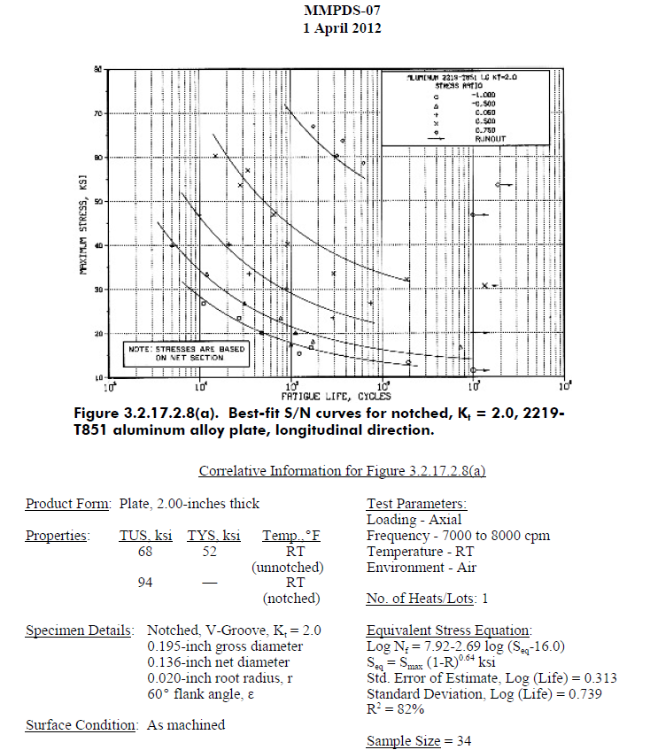
$$\text{σ}\text{MAX}\text{ ∗}\text{t}$$
Effective running load (Neff), pounds per inch |  |  | lbf/in
$$\frac{\text{N}\text{eff} \text{x} \text{d}}{2}$$
Dent Offset Moment, (Mdent) |  |  | lbf-in
$\frac{3 x Mdent}{t2}$, if AR >1.5
$\frac{3.6 x Mdent}{t2}$, if AR ≤1.5
Linear Bending Stress (σNL), |  |  | PSI
$\frac{\text{F}\text{allow} \text{x} TRF}{\text{|}\text{σ}\text{NL}\text{| }}$ - 1
Margin of Safety (MSNL)

Open Hole Analysis
Allowable @ RT | Ftu or Fcu @ RT |  | PSI
Thermal Reduction Factor | TRF
Allowable @ Given temp. | (Ftu or Fcu) x TRF |  | PSI
Final Allowable Stress | Fallow |  | PSI
$$\frac{em}{max⁡(Lm, Wm)}$$
em/D Ratio
$$\frac{5D}{4D}$$
Net Section Factor (NSF)
$$\text{MAX}\text{(|}\text{σ}\text{MAX}\text{,}\text{Pr}\text{|,|}\text{σ}\text{min}\text{,}\text{Pr}\text{|) }$$
Principal Stress, (σMAX) |  |  | PSI
1.25 x $σ$_{MAX} , if e_{m}/D ≥ 2
𝜎_{𝑀𝐴𝑋} + $\frac{1.8 x Mdent}{t2}$ , if 2 > e_{m}/D ≥ 0.5
open hole Equivalent Stress (σOH) |  |  | PSI
$\frac{\text{F}\text{allow} \text{x} TRF}{\text{|}\text{σ}\text{OH}\text{| }}$ - 1
Margin of Safety (MSOH)

Stability Analysis
Diameter | D |  | in
Depth | d |  | in
Edge distance to Diameter ratio | em/D
Dent Radius | r |  | in
E at given temperature | E |  | PSI
Thermal Reduction Factor @ Ec | Ec x TRF
Thermal Reduction Factor @ Fcy | Fcy x TRF
Poisson's ratio | u
Theta | θ |  | Degrees
Dent arc length | Dent arc length |  | in
Parameter | Z
Dent radius to thickness ratio | r/t
Shear buckling co-efficient | Ks
Compressive buckling co-efficient | Kc
Effective Buckling Co-Efficient | K = 0.8Kc + 0.2Ks
Cladding reduction factor | n
Plasticity reduction factor | ηp
Panel Size | Panel Size |  | in
Buckling size check
Minimum Principal Stress, (σmin,pr) | σmin,pr |  | PSI
$σmin.pr$ + 1.8M_{dent}/t² , if d>t AND e_{m}/D<2
$σmin.pr$ , Otherwise
Buckling Stress (σbuck) |  |  | PSI
Limit Buckling Stress, (σbuck,Limit) | σbuck,limit = σbuck / 1.5 |  | PSI
$$\frac{nηpKп2ECTRF}{12\left(1−µ2\right)}\left(\frac{t}{b}\right)2$$
Plate buckling allowable @ T (Fcrcs) |  |  | PSI
Material compr. Allowable, (Fcy) | Fcy |  | PSI
Material compr. Allowable @ T, (Fcy x TRF) | Fcy x TRF |  | PSI
$min⁡(Fcr c,s$, Fcy x TRF)
Minimum allowable considered, Fallow |  |  | PSI
$\frac{\text{F}\text{allow}}{\text{|}\text{σ}\text{buck}\text{| }}$ - 1
Margin of Safety, MSbuck

Fatigue Analysis
Diameter | D |  | in
Dent depth | d |  | in
Thermal Reduction Factor | TRF
Factor | Ftu,T854/Ftu,T62
Kt, Dent | Kt, Dent
Kt, MMPDS | Kt, MMPDS
Critical Loadcase
Maximum Fatigue Stress, (σmax,fat) | σmax,fat |  | KSI
Minimum Fatigue Stress, (σmin,fat) | σmin,fat |  | KSI
Equivalent Stress, (σeq) | σeq |  | KSI
Aircraft Life |  |  | FC
Scatter Factor | SF
Fatigue Life | Nf |  | FC
Repair type
Repair Life with SF, (Nf/SF) | Nf/SF |  | FC
Conclusion | The dent is good for 10 days if dent doesn’t have cracks.

Re-Positioning Analysis
Diameter | D |  | in
Depth | d |  | in
Thermal Reduction Factor @ Ec | Ec TRF
Thermal Reduction Factor | Temperature Reduction Factor of (Fcu or Ftu)
Edge Distance | em |  | in
Edge Distance to Diameter Ratio | em/ D |  | in
Dent radius | r |  | in
Optimized dent depth | dopt |  | in
$$\frac{max⁡(Ln, Wn)}{min⁡(Ln, Wn)}$$
Aspect Ratio
$$\text{σ}\text{MAX}\text{ ∗}\text{t}$$
Effective running load, pounds per inch (Neff) |  |  | lbf/in
$$\frac{\text{N}\text{eff} \text{x} \text{d}}{2}$$
Dent Offset Moment, Mdent |  |  | lbf-in
$$\text{MAX}\text{(|}\text{σ}\text{MAX}\text{,}\text{Pr}\text{|,|}\text{σ}\text{min}\text{,}\text{Pr}\text{|) }$$
Principal Stresses (σMAX.PR or σMIN.PR), psi |  |  | PSI
$\frac{3 x Mdent}{t2}$, if AR >1.5
$\frac{3.6 x Mdent}{t2}$, if AR ≤1.5
Non-Linear Bending Stress, (σNL) |  |  | PSI
$\frac{\text{F}\text{allow} \text{x} TRF}{\text{|}\text{σ}\text{NL}\text{| }}$ - 1
Margin of Safety, MSNL
is dopt >= deff
Shear buckling co-efficient | Ks
Compr. buckling co-efficient | Kc
Cladding reduction factor | n
Plasticity reduction factor | ηp
$σmin.pr$ + 1.8M_{dent}/t² , if d>t AND e_{m}/D<2
$σmin.pr$ , Otherwise
Buckling Stress, (σbuck) |  |  | PSI
Limit Buckling Stress, (σbuck,Limit) | σbuck,limit = σbuck / 1.5 |  | PSI
$$\frac{nηpKп2EC TRF}{12\left(1−µ2\right)}\left(\frac{t}{b}\right)2$$
Plate buckling allowable @ T, (Fcrcs) |  |  | PSI
Material compr. Allowable | Fcy |  | PSI
Material compr. Allowable @ T | Fcy x TRF |  | PSI
$\text{F}\text{allow}=min⁡(Fcr c,s$ , F_{cy} x TRF)
$\frac{\text{F}\text{allow}}{\text{|}\text{σ}\text{buck}\text{| }}$ - 1
Minimum allowable considered |  |  | PSI
Margin of Safety, MSbuck
Theta | θ |  | Degrees
Dent arc length | Dent arc length |  | in
Parameter | Z
Dent radius to thickness ratio | r/t
Shear buckling co-efficient | Ks_local
Compressive buckling co-efficient | Kc_
Effective Buckling Co-Efficient | K = 0.8Kc_ + 0.2Ks_local
$$\text{F}\text{tu}\text{ , }\text{if} \text{σ}\text{MAX}\text{=|}\text{σ}\text{MAX}\text{,}\text{Pr}\text{| }$$
$$\text{F}\text{cu}\text{ , }\text{if} \text{σ}\text{MAX}\text{=|}\text{σ}\text{min}\text{,}\text{Pr}\text{| }$$
Allowable considered, Fallow_local |  |  | PSI
$\frac{\text{F}\text{allow}\text{_}\text{local}}{\text{|}\text{σ}\text{buck}\text{| }}$ - 1
Margin of Safety, MSbuck_local

