deliverables
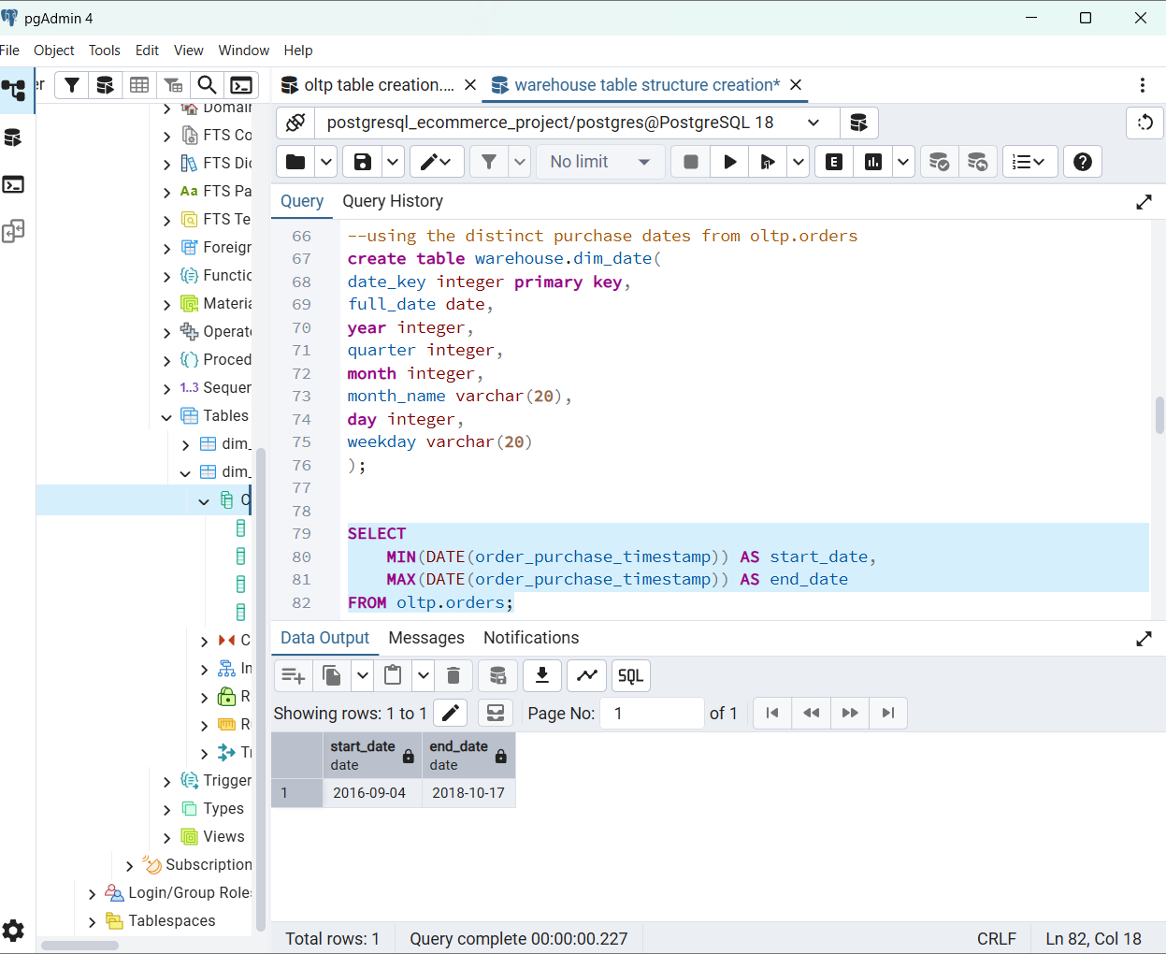
Table | Row Count | Candidate PK | Notes | staged Loaded count |  | Unique rows
customers | 99442 | customer_id | customer unique | 99441 |  | Each row unique
orders | 99442 | order_id | one order | 99441 |  | Each row unique
products | 32952 | product_id | product master | 32951 |  | Each row unique
sellers | 3096 | seller_id | seller master | 3095 |  | Each row unique
order_items | 112651 | order_id + order_item_id | composite key | 112650 | Not unique | 21
order_payments | 103887 | order_id + payment_sequential | composite key | 103886 | Not unique | 99440
order_reviews | 99225 | review_id + order_id | composite key | 99224 | Not unique | 98410
geolocation | 1000144 | none | investigate | 1000143
category_translation | 72 | product_category_name | lookup | 71

