Q1
Exploratory Data Analysis (EDA) & Visualization

Explain top 3 key analysis performed on the data as part of EDA & the interesting insights drawn from them. We encourage you to provide charts / plots that will depict your findings better. Weightage will be given on data visualization aspect as well.

Please provide your answers below :

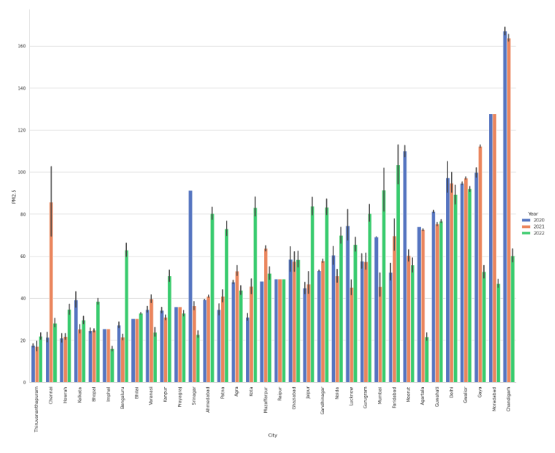

1. We are able to see from the left side plot that in most of the cities PM2.5 value is increased with time, such cities were Delhi, Ahemdabad, Gandhinagar, Gurugram, Patna. And in some cities the PM2.5 value stayed almost same such as Imphal, Bhilai, Chennai, Raipur. But In cities like Guwahti, Agartala, Srinagar, chandigarh the PM2.5 value decreased over years.
According to 2023 report: India's annual average PM2. 5 level in 2022 was 53.3 μg/m3, slightly lower than the 2021 average of 58.1. However, it was several times higher than the annual PM2. 5 concentrations of 5 μg/m3 limit under World Health Organisation (WHO) guidelines

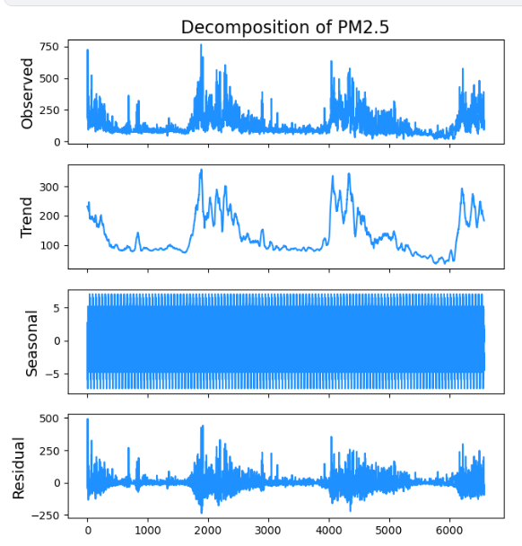

2. The Data clearly shows the seasonal tread being high from the months of December to march and gradually decreasing over the next months ----------------------

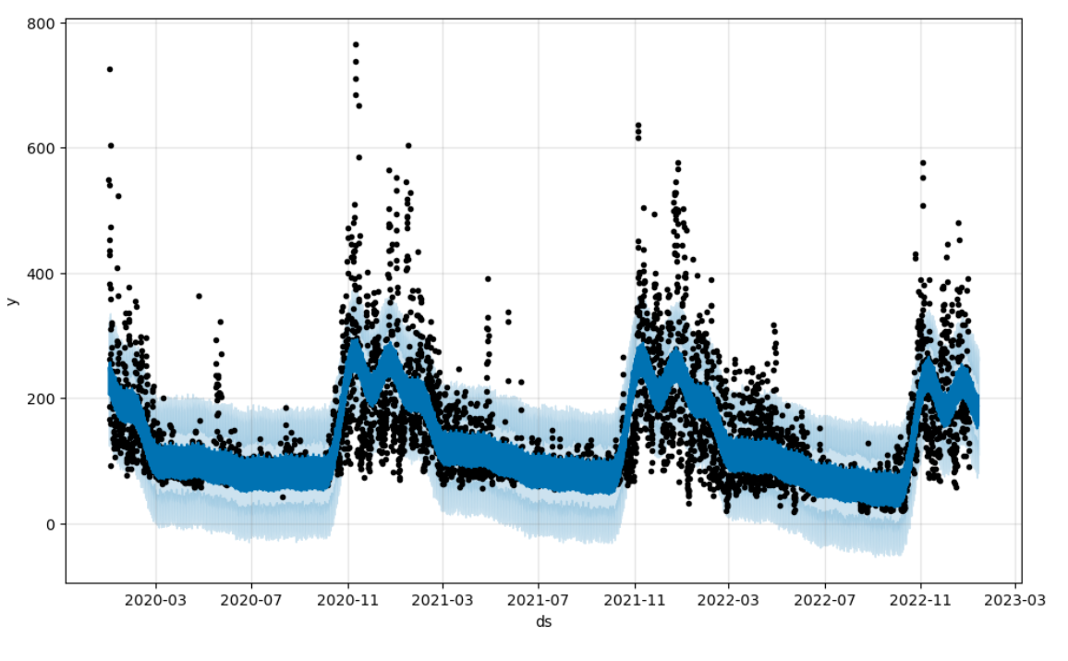

3 | We can observe that lockdown did not have a significant decrease in the PM2.5 value

3.We can observe that Lockdown did not have a significant decrease in the decompisition of PM2.5 value. This observation were made on the city Delhi as it is generally considered as Delhi does contain most polluted air, but similar results were obtained for other cities, with few exception overall.

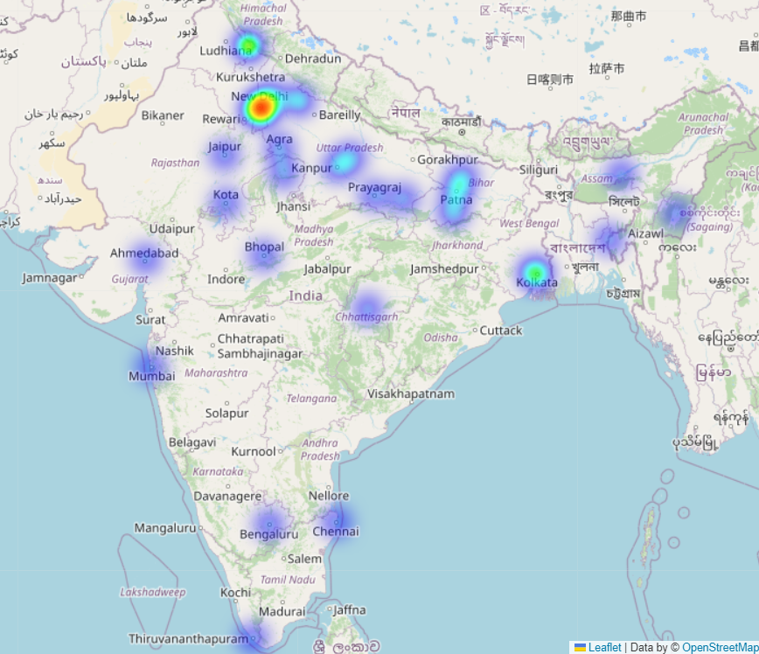

4.We can see high concentration of PM2.5 values in the northen part of india due to the Temperature inversions and stable wind conditions which are meteological phenomenon. Calm wind conditions prevent the disipation of pollutant emission, the temperature inversion layer tends to trap pollution, thereby increasing the obeserved pollutant concentrations.The measure cause of these high PM2.5 concentraion primarily due to Vehicular emission, industrial emission.

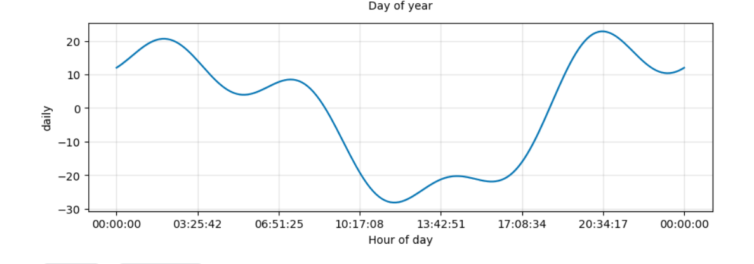

5 | Another interesting insight we found was that Pm2.5 values were lowest during working hours
 | (explain why you think so)

5.During the working hour of the day, the Planetary Boundary Layer is large and there is more space for these pollution particles to move around, causing the concentrations to get diluted but in early morning and at night as the temperature is less the atmosphere traps car emissions, CO2, and other pollutants in the house and down near the ground and the effect is much worse.

Q2
Data Treatments

Explain data treatements you have performed in model development process (e.g. Missing Value Imputation, Outlier Treatment etc.)

Please provide your answers below :

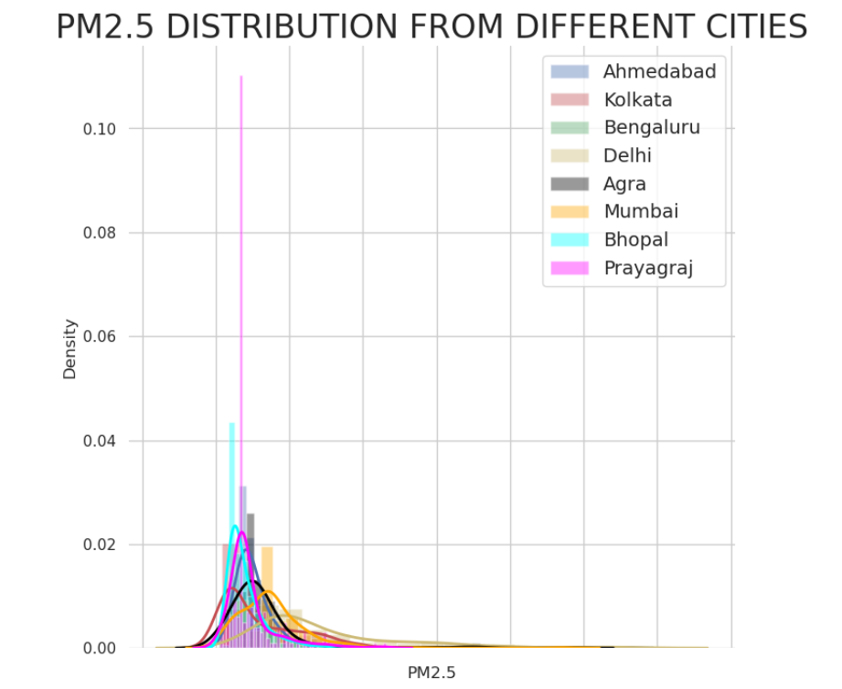


Data Treatment Methods:
<i>Missing Value Imputation: We chose to use simple linear interpolation instead of any other form of interpolation like cubic, bi-quadratic etc because it presented us with the best result.
We did not go forward with mean,median or mode imputation as we had sequential time series data and using such methods would not have been wise
<ii>Outlier Removal : Outliers were detected using data visualization, After finding the outlier in the specific city, We removed
removed it and replaced it with simple interpolation
<iii>Data Type manipulation: The date column was given as an object, that was converted into datetime
<iii>Trend removal: We did Augmented Dickey-Fuller (ADF) test to check whether the data was stationary or not
Fortunately the data turned out to be stationary, in the exceptional cases where such was not the case we
we did first order differencing
<iv>Normalization: For time series data we used an LSTM model as our final model, And hence we had to do
min max scaling on the PM2.5 values so we could use our LSTM model

Q3
Feature Engineering & Feature Selection

Explain the Feature Engineering & Feature Selection techniques used in the model development.

Please provide your answers below :

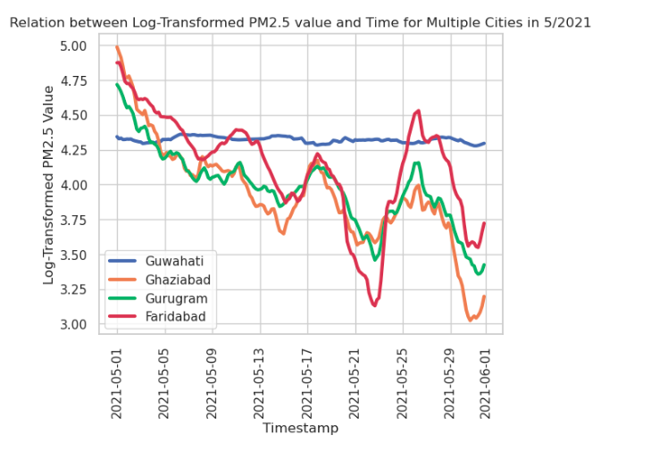


<i>Feature Selection: As during submission we only had the value of datetime and location with us, we decided to use a univariant time series model, Hence we only chose datetime as the feature and PM2.5 as the label, we divided the dataset into 34 datasets of each city
<ii>Feature Engineering: Prior to choosing an lstm model we tried multiple different model like ARIMA, Fbprophet, Thyme Boost etc. Hence we had to engineer the given datetime to suit the different models. For example for the XGBoost model we had to breakdown the datetime into day, week,month, hour, week of the month etc to train the model. We also applied log transformation and simple moving average method for bettervisualization of the dense dataset

Q4
Model Training Exercise

- Describe the process / techniques used for in-sample validation of your model . Provide in-sample model validation results. - Explain multiple modeling techniques explored to predict PM2.5 concentration. Give rationale behind selection of the final modeling methodology. - Briefly explain any model parameter configurations exercise performed during Model Development.

Please provide your answers below :
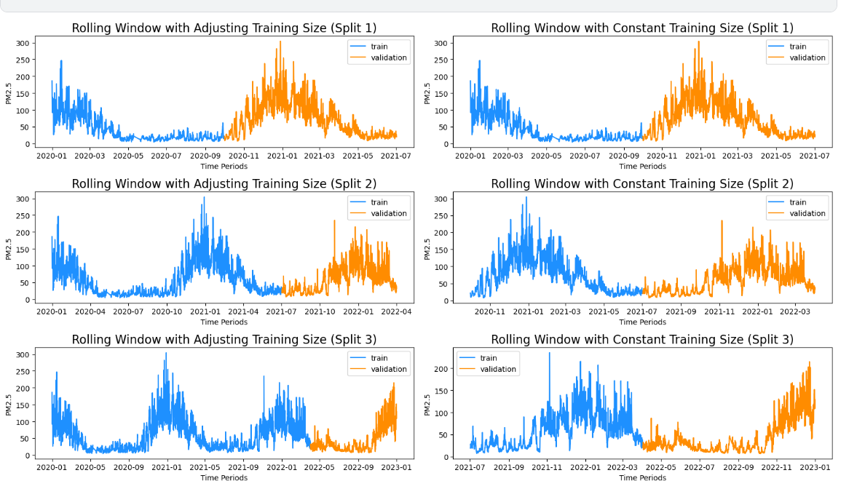

<A>We used a rolling window with adjusting training size for cross validation, as this was a sequential data we could not randomize it. So the code we wrote for cross validation was of that sort. First taking the first n sequence then predict the output of the next stamp, then append this to n sequence then predict for the next time stamp. We then cross validated it with the data of the particular time stamp.

 | We used a rolling window with adjusting training size for cross validation, as this was a sequential data we could not randomize it.
 | So the code we wrote for CV was of the sort. First take the first n sequence the predict the output of the next time stamp, then append this to the n sequence
 | then predict for the next time stamp. We then cross validated it with the data of that particular time stamp

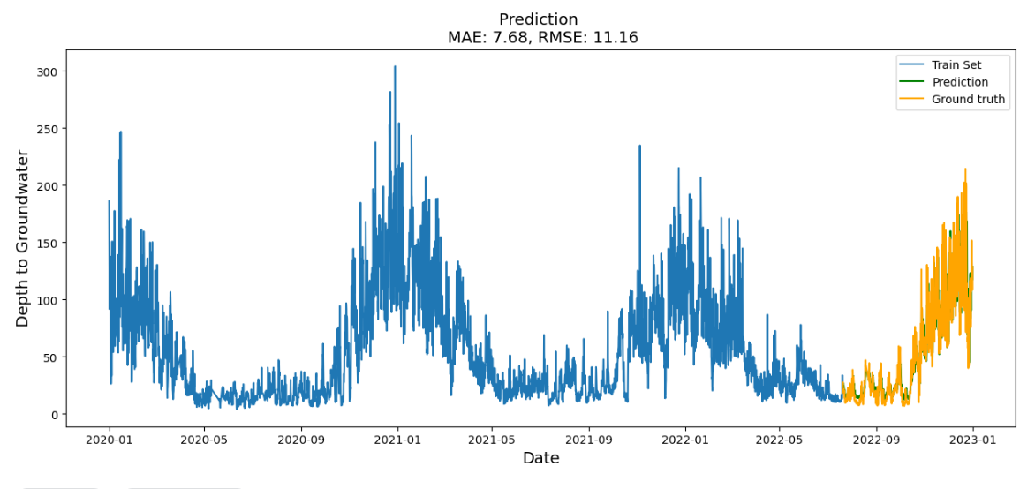

<B>Different models and their RMSE value:
1. FbProphet: <i>It is a decomposable time series model with three main components: trend, seasonality, and holidays. It allows for the inclusion of additional regressors, such as economic indicators or weather data, to improve forecasting accuracy. This also includes automatic outlier detection and data imputation features. <ii> RMSE: 334.2
2.ARIMA: <i>The ARIMA model is a popular time series forecasting model that is used to model stationary time series data. It involves three components: autoregression, moving average, and integration, and is specified by three parameters: p, d, and q. The model can be used to forecast future values of a time series by using the estimated parameters to generate predictions, and the accuracy of the forecasts can be evaluated using measures such as the mean squared error or the mean absolute error. <ii> RMSE: 99.2
3.PMDARIMA: <i>PMDARIMA is a Python library for automating ARIMA model selection and fitting. It uses a combination of grid search and stepwise model selection to find the best model parameters, and provides a simple interface for fitting and forecasting time series data. <ii> RMSE:45.6
4.Thyme Boost: <i> It uses Machine Learning techniques based on gradient descent boosting. It builds on the XGBoost library to handle time series data, incorporating lags and rolling window features. <ii> RMSE: 44.2
5.LSTM: <i> LSTM is a type of recurrent neural network that is widely used in time series analysis for forecasting future values of a time series. It is particularly effective for modeling time series data with long-term dependencies, such as trends and seasonality. By training on historical time series data, LSTMs can learn patterns and relationships that can be used to accurately predict future values of the series. <ii>RMSE:11.16

<C>Conclusion on model:
<i> We were going with an initial hypothesis that LSTM will provide the best result to us, and which was evident from the model experimentation
<ii> LSTM was also decided as the final model because it provided us with multiple parameters that we could type to our liking for example,
Choosing the time step : How many past data will the model take as an input to calculate the next value
Error : We gave it Mean absolute percentage error, as that is the evaluating criterion
Optimization: Adam was used as the optimizer because that proivded with the best result and the fastest
<iii> Models like PMDARIMA and Thyme Boost, Had an inbuilt automated hyperparameter trainer. Hence they took a long time for training because they kept changing the hyperparameters and keeping the ones that gave the best result.
For Models like LSTM or Xgboost, we manually did hyperparameter training. Like selection of time step and selection of n_features in the case of Xgboost

Q5
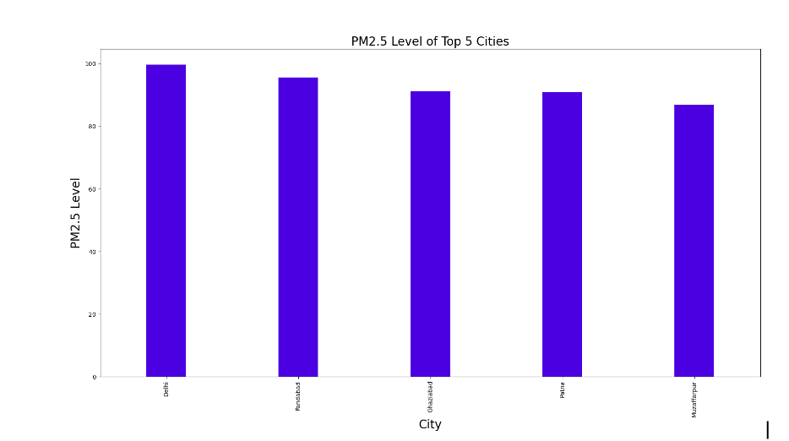
Model Findings

List the 5 most polluted Indian Cties & its top predictors wrt. highest PM2.5 prediction (on Submission Template). Any specific findings across cities or states?

Please provide your answers below :
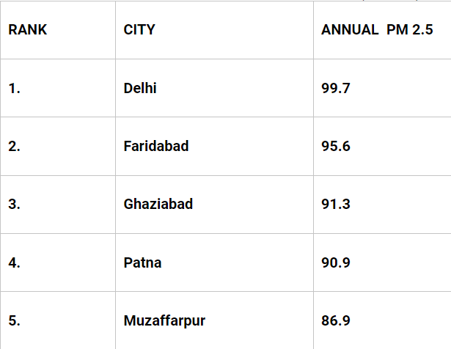

 | The top predictors for pollution were found out to be PM2.5 value, CO value and NO value

 | The northern states had the highest levels of pollution

