Notice
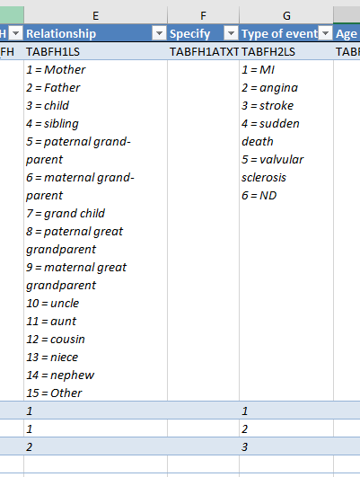
FH-Early Data Import
This file contains the whole variables of the FH_Early Database. Each sheet corresponds to a table of this database. Table composition: The header contains 2 lines. The first one is the label of each variable, the second one is the variable name in the database. Each variable is formatted according to the example at line 3. Important : - Only one file per centre, i.e. per country. - You can only insert lines. - If you can’t complete a field, please leave it empty. - Do not delete any column - The day of birth should not be recorded. Please always enter 1 for the day (e.g. if the patient was born on 15th February 2000, please enter: 2000-02-01). - For the Gene refseq tab: please enter 1 line per Variants identified (Gene refseq). If the patient has 3 variants => enter 3 lines. - For the Family cardiovascular events : please enter one line per member and per event. For example, if the mother has MI and angina and the father has a heart attack, you must enter three lines for this patient. See image below.

