Sheet9
Emissons intensity weighted average per year
 | Biofuel | Biogas | Brown Coal | Gas | Hydro | Landfill Gas | Solar | Wind | Sludge Biogas
2012-13 |  | 0.052104899173 | 1.2512638003 | 0.54781174185 | 4.2938760581E-05 | 0.056489820709 | 0.059577257087 | 0.007638658677
2013-14 |  | 0.047733999868 | 1.2403785661 | 0.55641819684 | 0.00010753178397 | 0.051978241666 | 0.058415726416 | 0.0071574102544
2014-15 | 1.26 | 0.05 | 1.2282279794 | 0.55662088022 | 9.8659913944E-05 | 0.056789846838 | 0.048680225011 | 0.00030054188811
2015-16 | 1.46 | 0.05 | 1.2481013893 | 0.5938032885 | 9.7668320114E-05 | 0.056770465577 | 0.046211082827 | 0.00022513961928
2016-17 | 1.52 | 0.05 | 1.2371153386 | 0.57598276226 | 0.0014507983807 | 0.056171539184 | 0.00021032002883 | 0.00026138135855
2017-18 | 1.36 | 0.05 | 1.2108653408 | 0.56756671719 | 0.00016448262737 | 0.056273096606 | 0 | 0.00053779359603
2018-19 | 1.27 |  | 1.1989485704 | 0.58141486471 | 9.8142501175E-05 | 0.052206792853 | 0.00089981390212 | 0.00060292862155 | 0.048399902284
 | Weighted average each year
Fuel type | 2012-13 | 2013-14 | 2014-15 | 2015-16 | 2016-17 | 2017-18 | 2018-19 | Average
Biofuel |  |  | 1.26 | 1.46 | 1.52 | 1.36 | 1.27 | 1.374
Biogas | 0.052104899173 | 0.047733999868 | 0.05 | 0.05 | 0.05 | 0.05 |  | 0.0500
Brown Coal | 1.2512638003 | 1.2403785661 | 1.2282279794 | 1.2481013893 | 1.2371153386 | 1.2108653408 | 1.1989485704 | 1.2307001407
Gas | 0.54781174185 | 0.55641819684 | 0.55662088022 | 0.5938032885 | 0.57598276226 | 0.56756671719 | 0.58141486471 | 0.57
Hydro | 4.2938760581E-05 | 0.00010753178397 | 9.8659913944E-05 | 9.7668320114E-05 | 0.0014507983807 | 0.00016448262737 | 9.8142501175E-05 | 0.0003
Landfill Gas | 0.056489820709 | 0.051978241666 | 0.056789846838 | 0.056770465577 | 0.056171539184 | 0.056273096606 | 0.052206792853 | 0.055
Solar | 0.059577257087 | 0.058415726416 | 0.048680225011 | 0.046211082827 | 0.00021032002883 | 0.00000000 | 0.00089981390212 | 0.031
Wind | 0.007638658677 | 0.0071574102544 | 0.00030054188811 | 0.00022513961928 | 0.00026138135855 | 0.00053779359603 | 0.00060292862155 | 0.0024
Sludge Biogas |  |  |  |  |  |  | 0.048399902284 | 0.048399902284

D | CO2EII | PUBLISHING | 1 | Ballarat Base Hospital Plant | BBASEHOS | BBASEH_3 | VIC1 | 0.957 | Diesel oil | NGA 2018

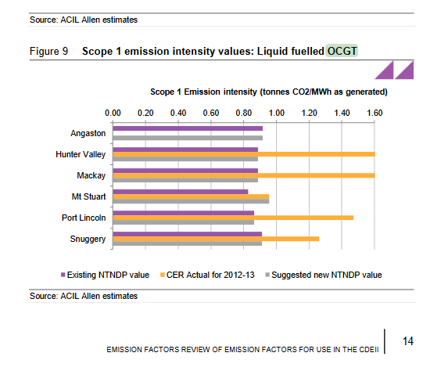
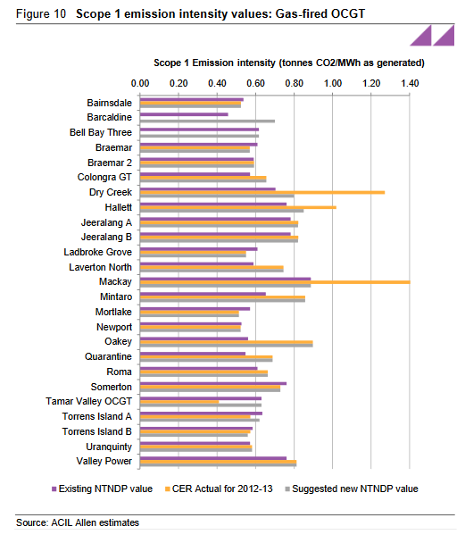

https://www.aemo.com.au/-/media/files/electricity/nem/planning_and_forecasting/ntndp/2014/data-sources/20140411_emissions_report_v2.pdf

