NRF24L01
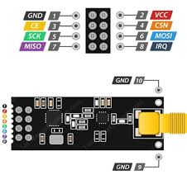
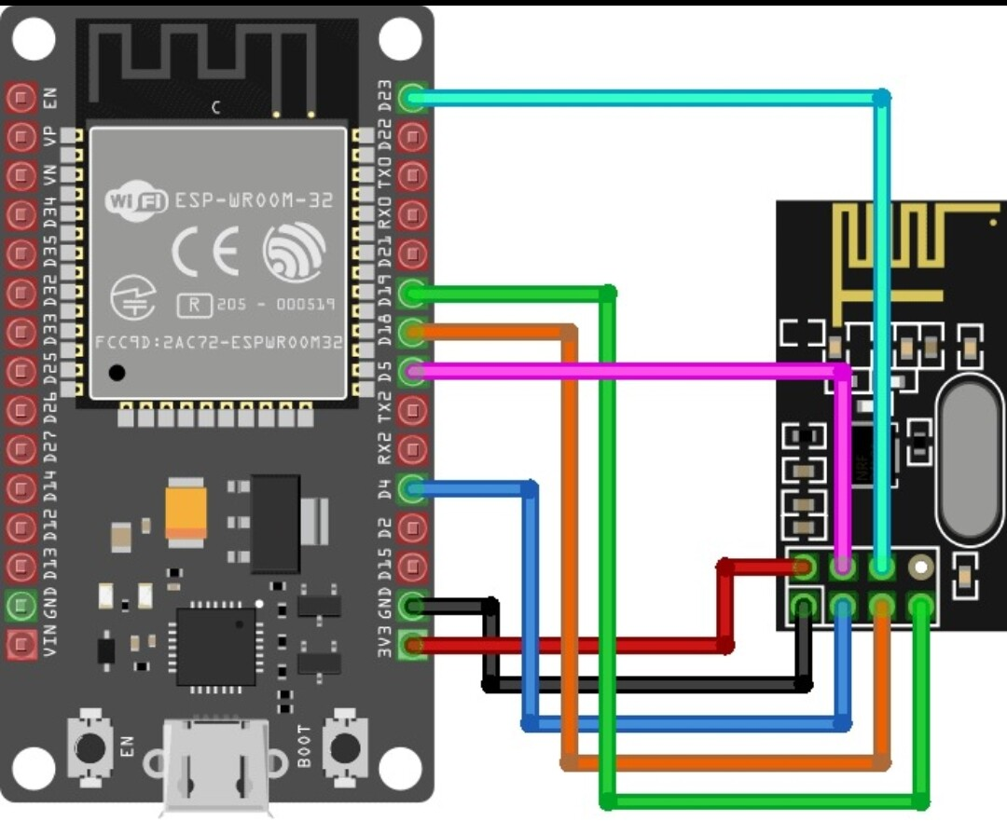

ESP32 38 PINS
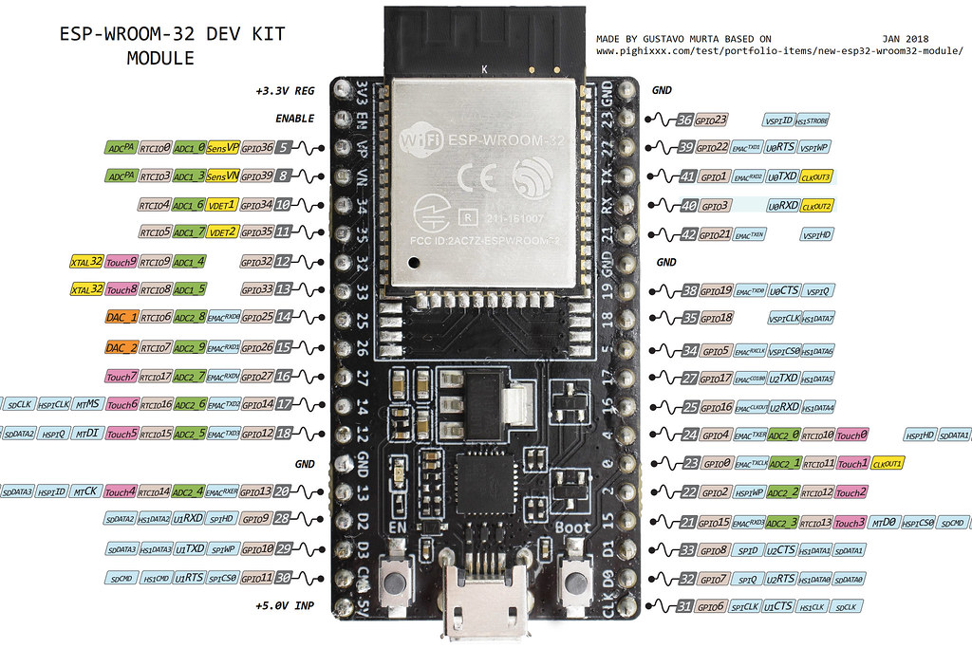

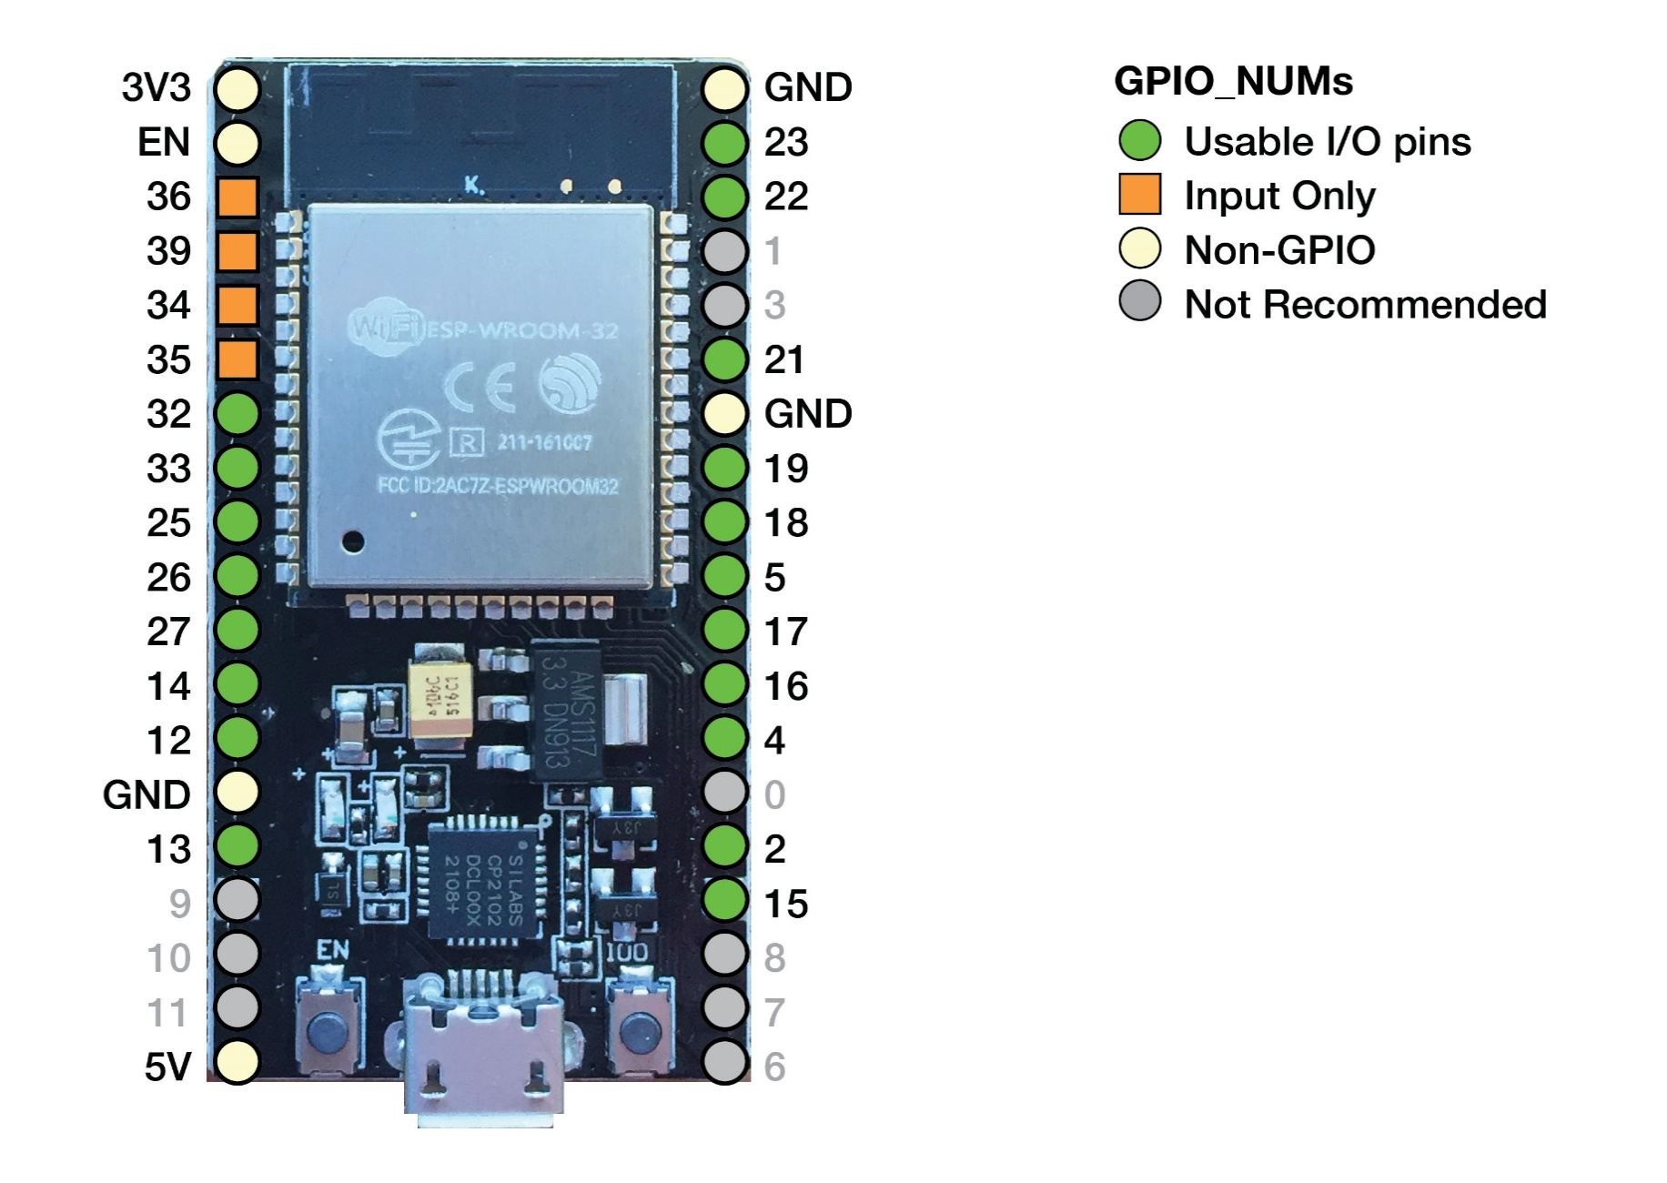

ICM 90248
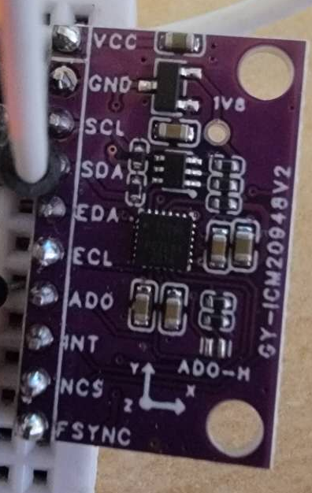
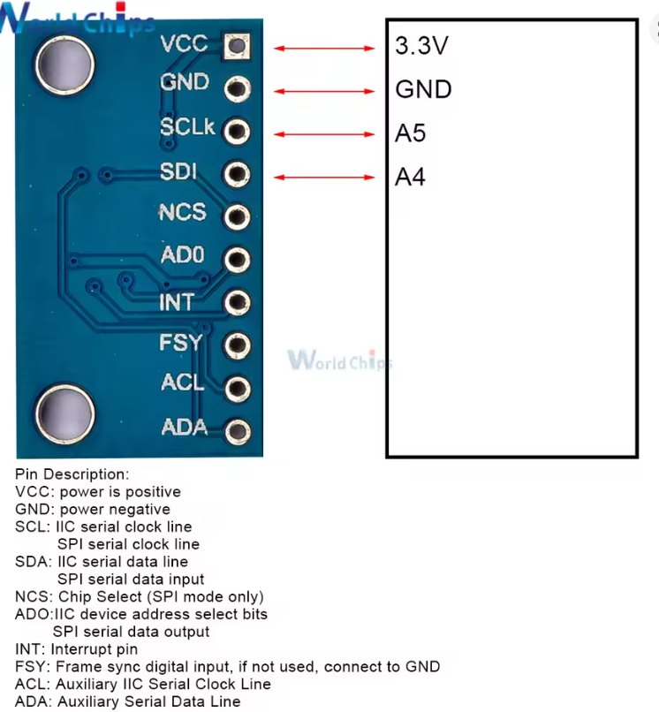

PIN | I2C | SPI
SCL | SCL | SCK
SDA | SDA | MOSI
NCS | n/a | CSN/SS
ADO | GND | MISO
INT | INT | INT
FSYNC | GND | GND

