Quotation
 JZPE POWER TRANSFORMER INC. Add: Longxi Industrial Zone ，JiangYan District,Taizhou City, CHINA Email:ryneyang@jiezougroup.com Phone:+86 19852273899(Whatsapp)

Buyer:
Attn:
Email:
Tel:
Add:
Quote Date: | 24-Mar-25
Valid: | Shipping costs are valid until 15 April.
QUOTATION
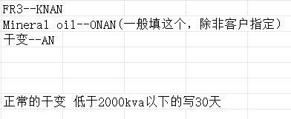

1 | Payment term: T/T 30% deposit, and 70% balance before delivery.
2 | Warranty: 2 years.
3 | Lead time: About 8 weeks after drawing confirmation. + Delivery time: 35-40 Days.
4 | Packing method: Solid Wood.
NO. | Description | Unit | QTY | Unit Price CAD/DDU | Total Amount | Remark | Packaging method pic
1 | Three phase pad mounted transformer ● Rated capacity:500KVA ● Primary voltage:27600Grdy/16000 ● Secondary voltage:600Y347V ● Winding material: Aluminum ● Type: Loop feed; dead front ● Frequency: 60Hz ● Tap changer:+2x2.5% ● Fluid: Mineral oil (PCB Free) ● Cooling method: ONAN ● Standard:CSA C227.4 Addition info: Bayonet & CL fusing 28kv load break inserts | pcs | 2 | $32,155.00 | $64,310.00 | 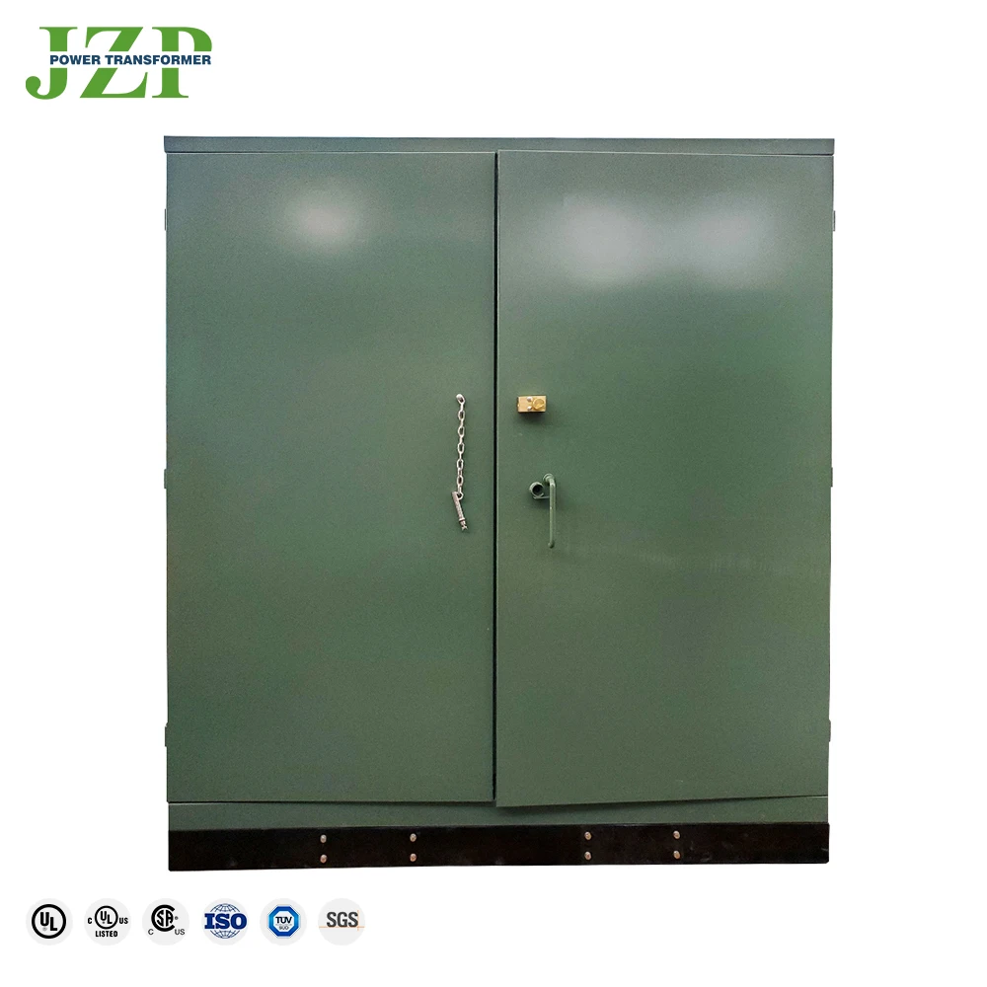 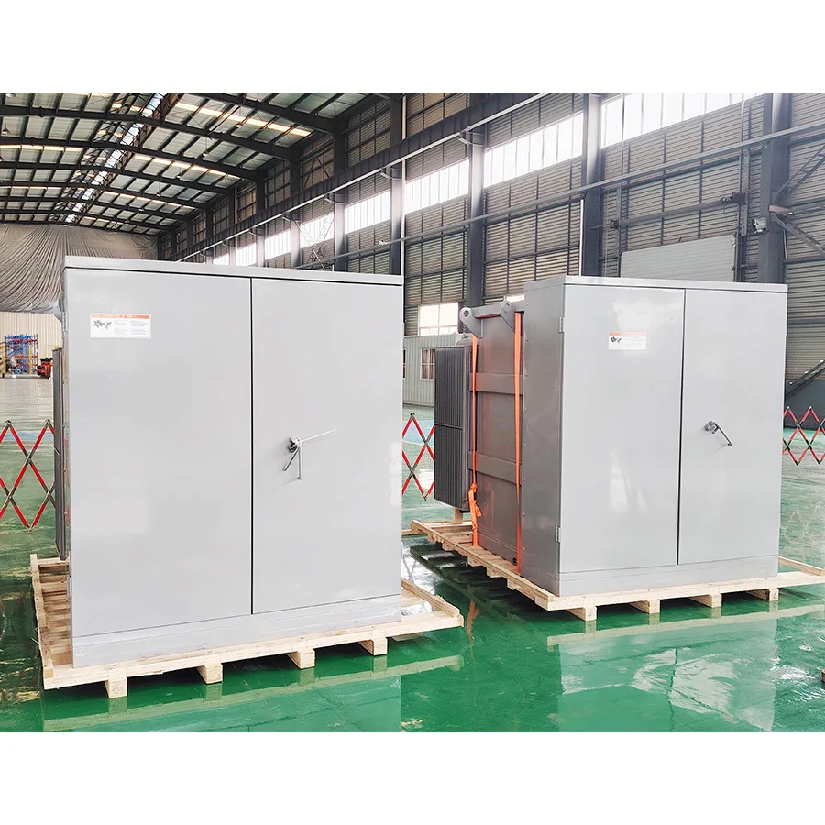 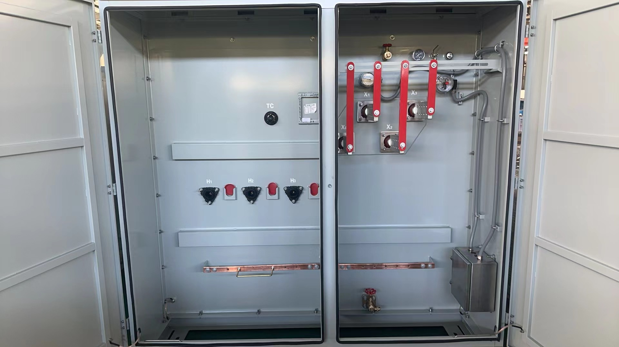 | 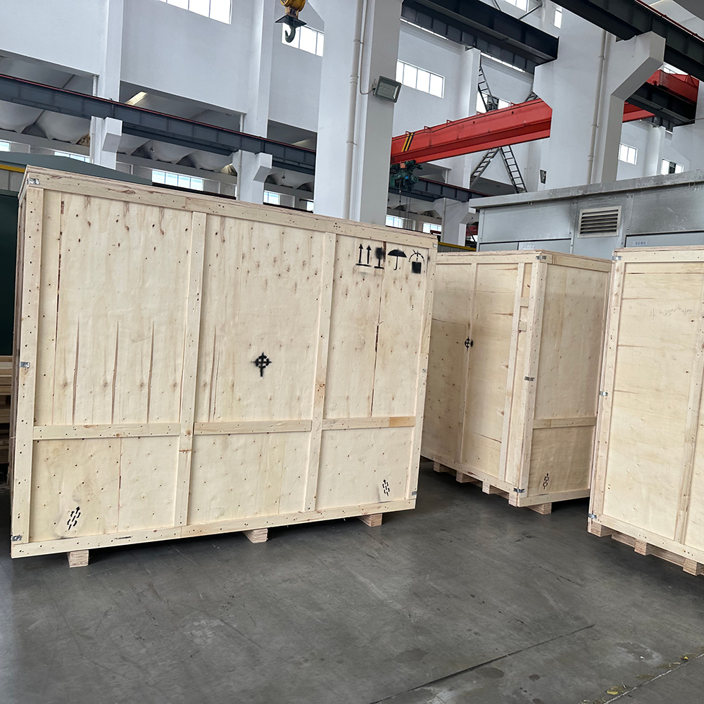 | 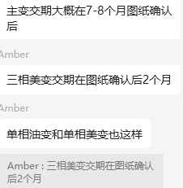
2 | Three phase pad mounted transformer ● Rated capacity:1500KVA ● Primary voltage:27600 Delta ● Secondary voltage: 4160Y/2400 V ● Winding material: Aluminum ● Type: Radial feed; dead front ● Frequency: 60Hz ● Tap changer:+2x2.5% ● Fluid: Mineral oil (PCB Free) ● Cooling method: ONAN ● Standard:CSA C227.4 Addition info: Bayonet & CL fusing 28kv load break inserts | pcs | 1 | $56,939.00 | $56,939.00
3 | Three phase pad mounted transformer ● Rated capacity:2000KVA ● Primary voltage:27600 Delta ● Secondary voltage: 4160Y/2400 V ● Winding material: Aluminum ● Type: Radial feed; dead front ● Frequency: 60Hz ● Tap changer:+2x2.5% ● Fluid: Mineral oil (PCB Free) ● Cooling method: ONAN ● Standard:CSA C227.4 Addition info: Bayonet & CL fusing 28kv load break inserts | pcs | 1 | $67,325.00 | $67,325.00
Total Amount |  |  |  |  | $188,574.00
JIEZOU'S Order System
1 | Deposit received, technical department will issue the outline drawings in 5-7 Days.(sometimes shorter)
2 | The production department begins production upon customer confirmation.(Weekly progress updates during production)
3 | Testing will commence once the transformer assembly is completed. -Factory Test Build To ANSI/IEEE/CSA/IEC STD ▪ Polarity,Phase Relation and Ratio Test ▪ No-load loss and no-load current test Test ▪ Applied -voltage Test ▪ Induced -voltage Test ▪ Load loss and impedance voltage Test ▪ Leak Test ▪ Operation tests of all devices
4 | Following successful testing, the shipping department begins packaging.(Usually wooden cases)
5 | Containerised and shipped to a designated location or port.
Additional Info

Sheet1
