Summary
Summary:
 | 1) Input data file: G:\Graham\20201115_NT1T10Glyco\20201115_GD_EnrGly_1115_C18_60C_run1.raw
 | 2) Protein database: D:\Graham\FAR_Mix.fasta
 | 3) Parameter file: G:\Graham\20201115_NT1T10Glyco\BP\StdEnr_BP_(5)\objs\params.prf
 | 4) Date/Time: November 22, 2020 11:16:18 AM CST
 | 5) RunTime: 4 minutes, 23 seconds; on 16 cores

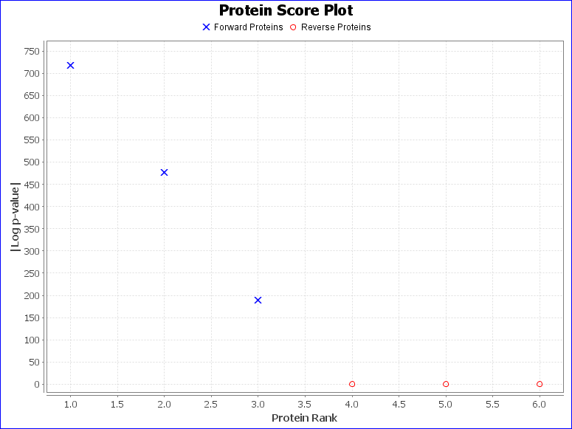
Summary Statistics:
 | 1) Reporting 3 forward and 3 reverse proteins
 | 2) 475 unique forward peptides
 | 3) 8075 spectra matched to forward peptides
 | 4) Estimated spectrum-level FDR on true proteins is 5.0%

Recorded protein search configuration:
Num | Rule | Value
0 | Protein database | D:\Graham\FAR_Mix.fasta
1 | Spectrum-level FDR | Auto cut
2 | Cleavage residues | RK
3 | Digest cutter | C-terminal cutter
4 | Peptide termini | Fully specific
5 | Maximum number of missed cleavages | 2
6 | Precursor tolerance | 25.0 ppm
7 | Fragment tolerance | frag:qtof_hcd 0.02 Da
8 | Fragment tolerance version | 2
9 | Charges applied to charge-unassigned spectra: | 1,2,3
10 | Precursor mass max | 10000.0
11 | N-glycan search | None
12 | O-glycan search | None
13 | Off by x isotopes | -2,-1,0,+1,+2
14 | Contaminants added | false
15 | Decoys added | true
16 | %Additional parameters:
17 | Disulfide Enable | false
18 | Trisulfide Enable | false
19 | DSS Crosslink Enable | false
20 | Custom Crosslink Enable | false
21 | Wildcard Enable | 0
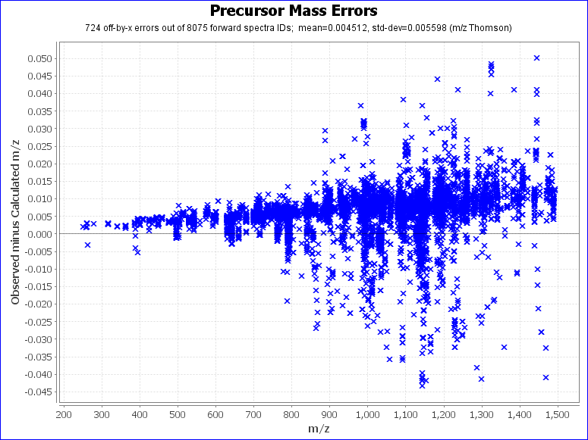
22 | Combyne cut off score | Auto
23 | Protein FDR cutoff | 1%
24 | Focused DB created | false
25 | Export mzIdentML | false
26 | Score version | 2
27 | precursor_assignment_flags | 2
28 | po_NumberMonosReturn | 2
29 | Lock mass list | None
30 | do_quick_rejects | 0
31 | %Modification searches:
32 | common_modifications_max | 4
33 | rare_modifications_max | 1
34 | %Fixed and variable modifications:
35 | Carbamidomethyl / +57.021464 @ C | fixed
36 | Oxidation / +15.994915 @ M | common1
37 | Acetyl / +42.010565 @ NTerm | common1
38 | % Custom modification text below
39 | %Glycan modifications:
40 | [file:///C:\Program Files\ProteinMetrics\PMI-Suite\Tools\Byonic\data\GlycanDatabases\N-glycan 73 bovine plasma.txt] @ NGlycan | rare1
41 | % Custom modification text below
42 | Show all N-glycopeptides | 0
43 | %Addition parameters:
44 | Product Version | PMI-Byonic-Com:v3.10.10
45 | Registered to | Junfeng Huang UW-Madison

