Figure 1
Figure 1: Annual change in households and population, 2001 to 2022
Back to contents
 | Population | Households
2002 | 0.04 | 0.77
2003 | 0.05 | 0.88
2004 | 0.31 | 0.92
2005 | 0.51 | 1.02
2006 | 0.45 | 0.92
2007 | 0.72 | 1.04
2008 | 0.64 | 0.82
2009 | 0.56 | 0.59
2010 | 0.58 | 0.56
2011 | 0.72 | 0.49
2012 | 0.26 | 0.43
2013 | 0.27 | 0.57
2014 | 0.37 | 0.65
2015 | 0.47 | 0.58
2016 | 0.59 | 0.67
2017 | 0.37 | 0.68
2018 | 0.25 | 0.59
2019 | 0.46 | 0.74
2020 | 0.05 | 0.48
2021 | 0.25 | 0.85
2022 | 0 | 0.83

Figure 2
Figure 2: Percentage change in the number of households and population by council area, June 2002 to 2022
Back to contents
 | Households % change |  |  |  | Population % change
Inverclyde | 4.26 | 4.26 | 0.98 | -8.40 | 0.98
Dundee City | 6.80 | 6.80 | 0.95 | 2.32 | 0.95
West Dunbartonshire | 6.95 | 6.95 | 0.92 | -5.64 | 0.92
South Ayrshire | 7.90 | 7.90 | 0.89 | 0.68 | 0.89
Argyll and Bute | 9.02 | 9.02 | 0.86 | -5.27 | 0.86
Glasgow City | 9.99 | 9.99 | 0.83 | 10.18 | 0.83
North Ayrshire | 10.04 | 10.04 | 0.80 | -1.23 | 0.80
Dumfries and Galloway | 10.58 | 10.58 | 0.77 | 0.76 | 0.77
East Dunbartonshire | 11.50 | 11.50 | 0.73 | 1.44 | 0.73
East Ayrshire | 11.81 | 11.81 | 0.70 | 1.75 | 0.70
Aberdeen City | 12.77 | 12.77 | 0.67 | 7.95 | 0.67
Stirling | 13.10 | 13.10 | 0.64 | 7.90 | 0.64
Fife | 13.59 | 13.59 | 0.61 | 6.84 | 0.61
North Lanarkshire | 14.70 | 14.70 | 0.58 | 5.85 | 0.58
Na h-Eileanan Siar | 15.36 | 15.36 | 0.55 | 1.10 | 0.55
East Renfrewshire | 15.37 | 15.37 | 0.52 | 7.39 | 0.52
Falkirk | 15.94 | 15.94 | 0.48 | 10.13 | 0.48
Scottish Borders | 15.99 | 15.99 | 0.45 | 7.90 | 0.45
Shetland Islands | 16.35 | 16.35 | 0.42 | 4.27 | 0.42
Clackmannanshire | 16.54 | 16.54 | 0.39 | 7.06 | 0.39
Renfrewshire | 16.55 | 16.55 | 0.36 | 4.43 | 0.36
Angus | 17.30 | 17.30 | 0.33 | 6.72 | 0.33
City of Edinburgh | 18.46 | 18.46 | 0.30 | 17.65 | 0.30
South Lanarkshire | 18.71 | 18.71 | 0.27 | 6.56 | 0.27
Perth and Kinross | 20.66 | 20.66 | 0.23 | 13.82 | 0.23
Moray | 21.23 | 21.23 | 0.20 | 9.94 | 0.20
Highland | 23.18 | 23.18 | 0.17 | 13.49 | 0.17
West Lothian | 24.00 | 24.00 | 0.14 | 15.72 | 0.14
Aberdeenshire | 24.44 | 24.44 | 0.11 | 14.80 | 0.11
Midlothian | 26.39 | 26.39 | 0.08 | 17.06 | 0.08
East Lothian | 27.44 | 27.44 | 0.05 | 20.34 | 0.05
Orkney Islands | 27.69 | 27.69 | 0.02 | 16.61 | 0.02

Figure 3
Figure 3: Average household size by council area, June 2002 to 2022
Mid-year population estimates were not avaialble at the time of publication. The 2021 values were used instead. The trend between 2021 and 2022 is shown as a dotted line in the chart.
Back to contents
 | Clackmannanshire | Dumfries and Galloway | Highland | Midlothian | Perth and Kinross | South Ayrshire | Dundee City | Inverclyde | Stirling | West Dunbartonshire | Scotland | Aberdeenshire
2001 | 2.29 | 2.28 | 2.29 | 2.43 | 2.24 | 2.26 | 2.13 | 2.26 | 2.36 | 2.27 | 2.27 | 2.47
2003 | 2.25 | 2.25 | 2.27 | 2.40 | 2.2 | 2.22 | 2.09 | 2.24 | 2.32 | 2.25 | 2.23 | 2.44
2004 | 2.25 | 2.24 | 2.27 | 2.40 | 2.18 | 2.21 | 2.07 | 2.21 | 2.3 | 2.24 | 2.22 | 2.42
2005 | 2.24 | 2.23 | 2.26 | 2.38 | 2.17 | 2.2 | 2.08 | 2.2 | 2.3 | 2.21 | 2.21 | 2.41
2006 | 2.22 | 2.22 | 2.26 | 2.37 | 2.16 | 2.2 | 2.08 | 2.18 | 2.3 | 2.19 | 2.20 | 2.41
2007 | 2.23 | 2.22 | 2.25 | 2.37 | 2.17 | 2.19 | 2.05 | 2.18 | 2.3 | 2.18 | 2.19 | 2.41
2008 | 2.23 | 2.21 | 2.24 | 2.38 | 2.16 | 2.18 | 2.04 | 2.17 | 2.28 | 2.16 | 2.18 | 2.40
2009 | 2.21 | 2.2 | 2.24 | 2.36 | 2.17 | 2.18 | 2.03 | 2.16 | 2.27 | 2.16 | 2.18 | 2.40
2010 | 2.21 | 2.2 | 2.24 | 2.34 | 2.18 | 2.17 | 2.04 | 2.15 | 2.28 | 2.14 | 2.18 | 2.39
2011 | 2.22 | 2.2 | 2.24 | 2.35 | 2.19 | 2.17 | 2.05 | 2.14 | 2.28 | 2.14 | 2.19 | 2.39
2012 | 2.2 | 2.18 | 2.22 | 2.34 | 2.2 | 2.16 | 2.06 | 2.13 | 2.29 | 2.13 | 2.18 | 2.39
2013 | 2.19 | 2.16 | 2.19 | 2.33 | 2.18 | 2.16 | 2.06 | 2.12 | 2.28 | 2.12 | 2.18 | 2.38
2014 | 2.16 | 2.15 | 2.17 | 2.33 | 2.19 | 2.14 | 2.05 | 2.1 | 2.27 | 2.1 | 2.17 | 2.38
2015 | 2.16 | 2.14 | 2.16 | 2.33 | 2.18 | 2.14 | 2.06 | 2.09 | 2.28 | 2.09 | 2.17 | 2.37
2016 | 2.15 | 2.13 | 2.15 | 2.32 | 2.18 | 2.14 | 2.05 | 2.07 | 2.29 | 2.09 | 2.17 | 2.35
2017 | 2.14 | 2.12 | 2.14 | 2.31 | 2.17 | 2.13 | 2.05 | 2.06 | 2.28 | 2.08 | 2.16 | 2.34
2018 | 2.13 | 2.11 | 2.13 | 2.31 | 2.15 | 2.12 | 2.04 | 2.05 | 2.28 | 2.06 | 2.15 | 2.33
2019 | 2.12 | 2.11 | 2.12 | 2.30 | 2.13 | 2.11 | 2.04 | 2.04 | 2.26 | 2.05 | 2.15 | 2.31
2020 | 2.09 | 2.09 | 2.10 | 2.29 | 2.12 | 2.1 | 2.03 | 2.02 | 2.24 | 2.03 | 2.14 | 2.29
2021 | 2.1 | 2.09 | 2.11 | 2.29 | 2.12 | 2.1 | 2 | 1.99 | 2.21 | 2.01 | 2.13 | 2.28
2022 | 2.09 | 2.07 | 2.10 | 2.25 | 2.1 | 2.1 | 1.99 | 1.98 | 2.19 | 2 | 2.11 | 2.26

Figure 4
Figure 4: Long-term empty, dwellings with unoccupied exemptions and second homes in Scotland, 2012 to 2022
Back to contents
 | Long-term empty | With 'unoccupied exemptions' | Second homes
2012 | 28 | 45 | 38
2013 | 28 | 44 | 35
2014 | 34 | 42 | 29
2015 | 36 | 43 | 27
2016 | 36 | 43 | 26
2017 | 37 | 42 | 26
2018 | 39 | 44 | 25
2019 | 41 | 44 | 25
2020 | 47 | 43 | 25
2021 | 44 | 45 | 24
2022 | 45 | 46 | 24

Figure 5
Figure 5: New build completions (October, 2002 to 2022) and annual increase in number of dwellings (September, 2002 to 2022)
Back to contents
 | Increase in dwellings | New build completions
2002 | 17,682 | 23,089
2003 | 17,852 | 23,142
2004 | 20,739 | 25,048
2005 | 19,867 | 25,710
2006 | 19,289 | 24,715
2007 | 24,525 | 25,271
2008 | 20,287 | 23,680
2009 | 15,274 | 18,279
2010 | 12,339 | 17,073
2011 | 12,353 | 15,725
2012 | 14,193 | 15,360
2013 | 11,828 | 14,790
2014 | 13,691 | 15,553
2015 | 17,021 | 16,988
2016 | 18,085 | 16,727
2017 | 19,364 | 17,969
2018 | 20,154 | 18,779
2019 | 21,686 | 22,019
2020 | 16,854 | 16,265
2021 | 21,268 | 20,882
2022 | 24,386 | 22,905

Figure 6
Figure 6: Proportion of dwellings which are vacant, long-term empty or second homes by council area, 2022
Back to contents
Vacant dwellings %
 | Vacant dwellings (%)
Na h-Eileanan Siar | 7.7
Shetland Islands | 6.8
Aberdeen City | 6.6
Orkney Islands | 5.5
Inverclyde | 5
Angus | 4.6
Scottish Borders | 4.5
Highland | 4.3
Argyll and Bute | 4.2
Aberdeenshire | 4.2
City of Edinburgh | 3.8
Dundee City | 3.7
Dumfries and Galloway | 3.7
Moray | 3.7
South Ayrshire | 3.6
Perth and Kinross | 3.6
North Ayrshire | 3.5
Scotland | 3.4
Fife | 3.2
Stirling | 3.1
West Dunbartonshire | 3
North Lanarkshire | 2.9
Renfrewshire | 2.9
Clackmannanshire | 2.8
Falkirk | 2.6
South Lanarkshire | 2.5
East Ayrshire | 2.4
Glasgow City | 2.2
East Lothian | 2.1
West Lothian | 1.9
Midlothian | 1.7
East Dunbartonshire | 1.6
East Renfrewshire | 1.2
Long-term empty %
 | Long-term empty dwellings (%)
Shetland Islands | 4.8
Aberdeen City | 4.7
Na h-Eileanan Siar | 4.2
City of Edinburgh | 2.6
Highland | 2.6
Scottish Borders | 2.4
Argyll and Bute | 2.4
Angus | 2.2
Aberdeenshire | 2.1
Dumfries and Galloway | 1.9
Moray | 1.8
Orkney Islands | 1.8
Scotland | 1.7
Perth and Kinross | 1.7
Dundee City | 1.5
Inverclyde | 1.5
West Dunbartonshire | 1.3
North Ayrshire | 1.3
Fife | 1.3
South Ayrshire | 1.3
Stirling | 1.3
North Lanarkshire | 1.2
Clackmannanshire | 1
Falkirk | 1
South Lanarkshire | 1
Glasgow City | 0.9
East Ayrshire | 0.9
Renfrewshire | 0.9
East Lothian | 0.9
Midlothian | 0.8
West Lothian | 0.6
East Dunbartonshire | 0.5
East Renfrewshire | 0.4
Second homes %
 | Second homes (%)
Argyll and Bute | 6.2
Na h-Eileanan Siar | 5.9
Orkney Islands | 4.8
Highland | 3
North Ayrshire | 2.2
Dumfries and Galloway | 1.8
Scottish Borders | 1.7
Moray | 1.7
Perth and Kinross | 1.6
Shetland Islands | 1.5
Fife | 1.3
Aberdeenshire | 1
Scotland | 0.9
South Ayrshire | 0.9
East Lothian | 0.9
Stirling | 0.8
Dundee City | 0.7
Angus | 0.7
Aberdeen City | 0.6
City of Edinburgh | 0.6
Clackmannanshire | 0.3
Inverclyde | 0.3
Glasgow City | 0.2
West Dunbartonshire | 0.2
East Ayrshire | 0.2
Renfrewshire | 0.2
Falkirk | 0.1
South Lanarkshire | 0.1
West Lothian | 0.1
Midlothian | 0.1
East Dunbartonshire | 0.1
East Renfrewshire | 0.1
North Lanarkshire | 0
Second homes %
 | 1

Figure 6 data
Figure 6 data: Proportion of dwellings which are vacant, long-term empty or second homes by council area, 2022
This worksheet contains three tables separated by one blank column.
Back to contents
Council | Vacant dwellings (%) | Council | Long-term empty dwellings (%) | Council | Second homes (%)
Na h-Eileanan Siar | 7.7 | Shetland Islands | 4.8 | Argyll and Bute | 6.2
Shetland Islands | 6.8 | Aberdeen City | 4.7 | Na h-Eileanan Siar | 5.9
Aberdeen City | 6.6 | Na h-Eileanan Siar | 4.2 | Orkney Islands | 4.8
Orkney Islands | 5.5 | City of Edinburgh | 2.6 | Highland | 3
Inverclyde | 5 | Highland | 2.6 | North Ayrshire | 2.2
Angus | 4.6 | Scottish Borders | 2.4 | Dumfries and Galloway | 1.8
Scottish Borders | 4.5 | Argyll and Bute | 2.4 | Scottish Borders | 1.7
Highland | 4.3 | Angus | 2.2 | Moray | 1.7
Argyll and Bute | 4.2 | Aberdeenshire | 2.1 | Perth and Kinross | 1.6
Aberdeenshire | 4.2 | Dumfries and Galloway | 1.9 | Shetland Islands | 1.5
City of Edinburgh | 3.8 | Moray | 1.8 | Fife | 1.3
Dundee City | 3.7 | Orkney Islands | 1.8 | Aberdeenshire | 1
Dumfries and Galloway | 3.7 | Scotland | 1.7 | Scotland | 0.9
Moray | 3.7 | Perth and Kinross | 1.7 | South Ayrshire | 0.9
South Ayrshire | 3.6 | Dundee City | 1.5 | East Lothian | 0.9
Perth and Kinross | 3.6 | Inverclyde | 1.5 | Stirling | 0.8
North Ayrshire | 3.5 | West Dunbartonshire | 1.3 | Dundee City | 0.7
Scotland | 3.4 | North Ayrshire | 1.3 | Angus | 0.7
Fife | 3.2 | Fife | 1.3 | Aberdeen City | 0.6
Stirling | 3.1 | South Ayrshire | 1.3 | City of Edinburgh | 0.6
West Dunbartonshire | 3 | Stirling | 1.3 | Clackmannanshire | 0.3
North Lanarkshire | 2.9 | North Lanarkshire | 1.2 | Inverclyde | 0.3
Renfrewshire | 2.9 | Clackmannanshire | 1 | Glasgow City | 0.2
Clackmannanshire | 2.8 | Falkirk | 1 | West Dunbartonshire | 0.2
Falkirk | 2.6 | South Lanarkshire | 1 | East Ayrshire | 0.2
South Lanarkshire | 2.5 | Glasgow City | 0.9 | Renfrewshire | 0.2
East Ayrshire | 2.4 | East Ayrshire | 0.9 | Falkirk | 0.1
Glasgow City | 2.2 | Renfrewshire | 0.9 | South Lanarkshire | 0.1
East Lothian | 2.1 | East Lothian | 0.9 | West Lothian | 0.1
West Lothian | 1.9 | Midlothian | 0.8 | Midlothian | 0.1
Midlothian | 1.7 | West Lothian | 0.6 | East Dunbartonshire | 0.1
East Dunbartonshire | 1.6 | East Dunbartonshire | 0.5 | East Renfrewshire | 0.1
East Renfrewshire | 1.2 | East Renfrewshire | 0.4 | North Lanarkshire | 0

Second homes %

Figure 8
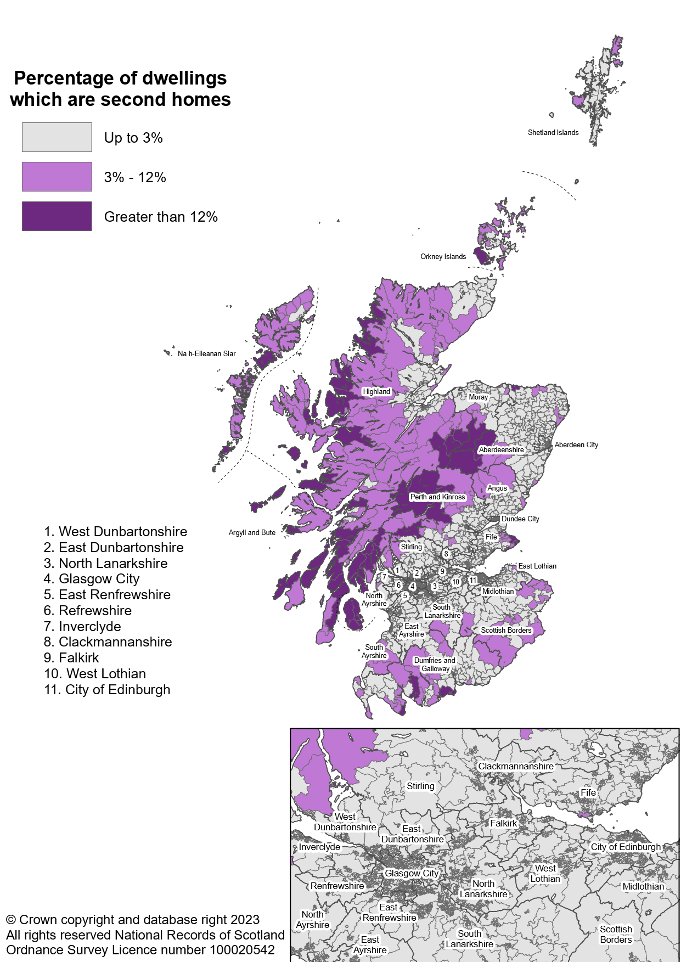
Figure 8: Percentage of dwellings which are second homes in each data zone, September 2022
Back to contents

Figure 9
Figure 9: Percentage change in the number of households (= occupied dwelllings) by 6-fold Urban Rural Classification, 2014 to 2022
Back to contents
 | Large Urban Areas | Other Urban Areas | Accessible Small Towns | Remote Small Towns | Accessible Rural | Remote Rural
2015 | 0.6 | 0.6 | 0.6 | 0.5 | 1.1 | 0.5
2016 | 1.5 | 1.1 | 1.2 | 0.7 | 2.5 | 1.0
2017 | 2.3 | 1.8 | 1.8 | 1.1 | 3.9 | 1.7
2018 | 3.3 | 2.1 | 2.2 | 1.2 | 5.2 | 2.0
2019 | 4.2 | 2.7 | 3.0 | 1.5 | 7.2 | 2.5
2020 | 4.6 | 3.1 | 3.4 | 1.3 | 8.4 | 2.7
2021 | 5.4 | 3.9 | 4.3 | 2.1 | 10.6 | 3.9
2022 | 6.4 | 4.5 | 5.0 | 2.2 | 12.6 | 4.6

Figure 10
Figure 10: Proportion of long-term empty dwellings, dwellings with unoccupied exemptions and second homes in Scotland by SIMD decile, 2022
Back to contents
 | Long-term empty dwellings (%) | Unoccupied dwellings exempt from paying Council Tax (%) | Second homes (%)
1 = most deprived | 1.6 | 2.7 | 0.2
2 | 1.7 | 2.1 | 0.3
3 | 1.7 | 1.7 | 0.3
4 | 1.8 | 1.8 | 0.7
5 | 1.9 | 1.7 | 1.6
6 | 2.1 | 1.7 | 1.8
7 | 1.8 | 1.5 | 1.6
8 | 1.3 | 1.4 | 0.9
9 | 1.2 | 1.2 | 0.7
10 = least deprived | 1.5 | 1.1 | 0.8

Figure 11
Figure 11: Proportion of dwellings in bands A to C, with a single adult discount and number of dwellings per hectare in the most deprived and least deprived SIMD decile, 2022
Back to contents
 | 1 = most deprived SIMD decile | 10 = least deprived SIMD decile
In bands A to C (%) | 58.9 | 12.1
With a 'single adult' Council Tax discount (%) | 52.2 | 28.7
Dwellings per hectare | 19.39 | 7.38

