Read me
The Tester | Version E1.10.3
The Test Case Generator (Tester) supports the testing of the tax calculation, resulting from the successful capture of
a 2017-18 Main Tax Return (MTR), and can be used in 3 ways.

1. As a stand-alone tax calculator.
Select the sheets on 'Add pages' that correspond to questions on the Return.
The sheets for the core Return (INC(1), INC(2) and REL) are always visible, others appear when selected.
Enter, the sub-set of Return data required by the tax calculation and
press the 'Calculate Now' button on 'Add pages' to reveal the outputs (see below).
Note: The ‘Reset calculation’ button on the 'Add pages' sheet should used between tests to avoid residual entries
corrupting the expected results.

2. As a test case generator.
The Tester can auto-populate the input sheets from a number of pre-fabricated test components (see below).
These components can be selected on the 'Selector' and 'More Select' sheets, and the 'Test this case' button will
generate outputs (see below) based on the selection.
The 'Clear selection' button will remove all data from the 'Selector' and 'More Select' sheets, and resets
input sheets and calculation.

3. As a database of business specified test cases (see below). These are pre-defined full test cases.
Each case is numbered and can be selected by inputting the case number in the box
marked ‘Select test case number to be replayed’ on the 'Test Case index' sheet.
The selected test case can be activated by pressing 'Replay selected case' button on the 'Test Case index' sheet.
This auto-populates the input sheets from the test components that make up the test case, and generates outputs
(see below) based on the selection.

The 'Test case' sheet
When the TCG is used in modes 2 or 3 it will pull together all the data needed for a full Tax Return.
The data appear on the 'Test case' sheet (to the right of the 'Add pages' sheet).
It is important to note that there are differences between the test case and the components used to create it.
Most of the data is supplied by the test components, but some are modified, either to add boxes that are dependant
on other components/data selected, or remove inconstistancies in the selection.
(See 'Adjustments made to produce more realistic cases' for more detail.)

About test components
The Tester is based on a number of pre-fabricated components.
Each component relates to a question or part question on the Main Tax Return.
There are a number of instances of each component, giving a variety of valid MTR entries.

Component | Description | Instances | Worksheet
INC-A | Income boxes INC1 to INC6 (Interest and Dividends) | 15 | C0
INC-B | Income boxes INC7 to INC14 (UK pensions etc. received) | 11 | C0
INC-C | Income boxes INC15 to INC19 (Other UK income) | 6 | C0
REL-A | Tax reliefs boxes REL1 to REL4 (Pension contributions) | 7 | C0
REL-B | Tax reliefs boxes REL5 to REL10 (Charitable giving) | 8 | C0
REL-C | Tax reliefs boxes REL11 to REL14 (Blind Person's Allowance) | 2 | C0
SLR | Student Loans | 6 | C0
CBC | Child Benefit payments | 4 | C0
MAT | Marriage Allowance Transfer | 4 | C0
AOI-A | Additional Information boxes AOI1 to AOI3 (Interest from UK securities) | 3 | C1
AOI-B | Additional Information boxes AOI4 to AOI11 (Life insurance gains) | 9 | C1
AOI-C | Additional Information boxes AOI12 to AOI15 (Stock dividends etc.) | 5 | C1
ASE-A | Additional Information boxes ASE1 to ASE2 (Share schemes) | 3 | C1
ASE-B | Additional Information boxes ASE3 to ASE10 (Lump sum payments) | 3 | C1
ASE-C | Additional Information boxes ASE11 to ASE15 (Other deductions) | 4 | C1
AOR | Additional Information boxes AOR1 to AOR10 (Other tax reliefs) | 10 | C1
MCA | Additional Information boxes MCA1 to MCA11 (Married Couple's Allowance) | 9 | C1
AIL | Additional Information boxes AIL1 to AIL19 (Other Information) | 11 | C1
EMP | Employment | 11 | C2
MOR | Ministers of religion | 6 | C2
SSE | Short self-employment (excluding class 4 NIC) | 8 | C3
FSE | Full self-employment (excluding class 4 NIC) | 9 | C3
LUN | Lloyd's underwriters (excluding class 4 NIC) | 7 | C3
SPS | Short partnership income (excluding class 4 NIC) | 6 | C4
FPS | Full partnership income (excluding class 4 NIC) | 8 | C4
PRO | Income from property | 10 | C5
FOR | Foreign income (excluding Foreign Tax Credit Relief - box FOR2) | 8 | C6
TRU | Trust income | 4 | C7
CGT | Capital gains | 9 | C8
NRD | Residence, Remittance Basis etc. | 10 | C9
CAL | Tax calculation summary | 18 | C8C9C10
NI2 | Class 2 NIC | 2 | C8C9C10
NI1 | Class 1 NIC | 2 | C8C9C10

Instances of different components can be selected together to produce complete test cases.
In addition to selecting different components, multiple instances of some components can be selected.
(Up to 2 employments, 2 self-employments (1 short & 1 full) and 2 partnerships (1 short & 1 full) .)
Some questions on the core Tax Return and Additional Information pages would require a large number
of components, so have been split (into A, B & C ranges). These can be selected individually or together.
[Whilst all the combinations of components that can be selected will be ‘valid’ in terms of the system, not all will
be ‘realistic’. The generator makes some adjustments to make the case more realistic, but they aren’t
comprehensive.]
The components can be viewed at any time using the ‘Show/Hide Components’ button on the ‘Test’
and ‘More test’ worksheets.

The business specified test cases
Version E1.10.3 of the 2017-18 test case generator has a built in database of 221 test cases.
Details of these can be found on the ‘Test Case index’ worksheet.
Each case is numbered and can be selected by inputting the case number in the box marked
Select test case number to be replayed’. [N.B. After the case number is entered press the 'Enter' key.]
The selected test case can be activated by pressing 'Replay selected case' button on the 'Test case index' sheet.
This auto-populates the input sheets from the test components that make up the test case, and generates outputs
(see below) based on the selection.
Test cases 1 to 25 use identical data to STR test cases 1 to 25, and should produce identical results.

Recording new test cases
New test cases can be quickly added to the existing business test cases.
All new cases will comply with the business validation rules, but may not 'realistic' examples of actual MTRs.
To create a new test case:
 | 1. Select the required components on the 'Selector' and 'More Select' sheets
 | 2. Select any required ‘case variable data’ (e.g. date of birth - see note a).
 | 3. Press the ‘Test this case’ button.
 | 4. Press the 'Record this case' button on the 'Selector' and 'More Select' sheets

The summary of test components and case specific data needed to re-run this case will be stored in the next
vacant row on the Test Case index' sheet. Once the case is stored it can be 'replayed' as any other test
case.
Note a: The test case generator does not have true date processing capability. There are 5 pre-set dates of birth
and these are the only dates the spreadsheet will recognise.

Amending test cases
Test case data will remain in the input sheets until the ‘Reset calculation’ button on the ‘Add pages’ sheet is
pressed. That data can be amended, by going to the input sheet and over-typing the box entries.
The 'Calculate Now' button on the 'Add pages' sheet will cause certain outputs to be regenerated using the
amended figures.
Note: Where components are being used, amending the input sheets will not change the figures on the
component. The 'test case' sheet is generated from components and will not show the amended figures.
If the test case is recorded the original figures (not amendments) will be stored.
'Test this case' will remove the amendments and restore the original figures.

Outputs from the Tester
Whatever mode the Tester is used in, the following worksheets are always produced:

SA302 - This is the tax calculation formatted in the style of pages 3/4 of form SA302

Liability - SA110 boxes CAL1 to CAL8

CRC - Shows the tax calculation data required by other processes/systems:
 | Create Return Charge - the interface to TLI
 | Student loan income - data required by the Student Loan system.

Additionally, when components are used, the following worksheets appear:

Test case - This combines all the data from the selected components into a complete 'MTR'.

SA302_interface - The tax calculation data required by Issue Revenue Calculation.

The identities of components used appear on all outputs.
All output sheets appear between the 'Add pages' and 'INC(1)' worksheets.

Adjustments made to produce more realistic cases
1. On the ‘More select’ worksheet there is a tick box to indicate the taxpayer is exempt from paying Class 4 NIC.
This will be set to 'Y' automatically if the taxpayer is aged over 65 or is non-resident.
It will be ignored if no component SSE, FSE, LUN, SPS or FPS is selected.
2. The value for box FOR2 (Foreign Tax Credit Relief) is not stored in the FOR component. It is calculated for each
test case that uses this component.
3. Coded underpayment will be ignored if the is no PAYE source (EMP or MOR) selected.

Problem & query reporting
If you have a problem or query you want to refer to HMRC CDIO please quote the
case number (if it involves a business supplied test case) or the components used.

Accessing & Navigating SEES – SA Tax Calculator

Select the 'Additional Information' and 'Additional Pages' from the Return that are required.
Note that the National Insurance page does not equate to a Return page but should be completed
where Class 2 is payable or Class 1 paid affects Class 4 due
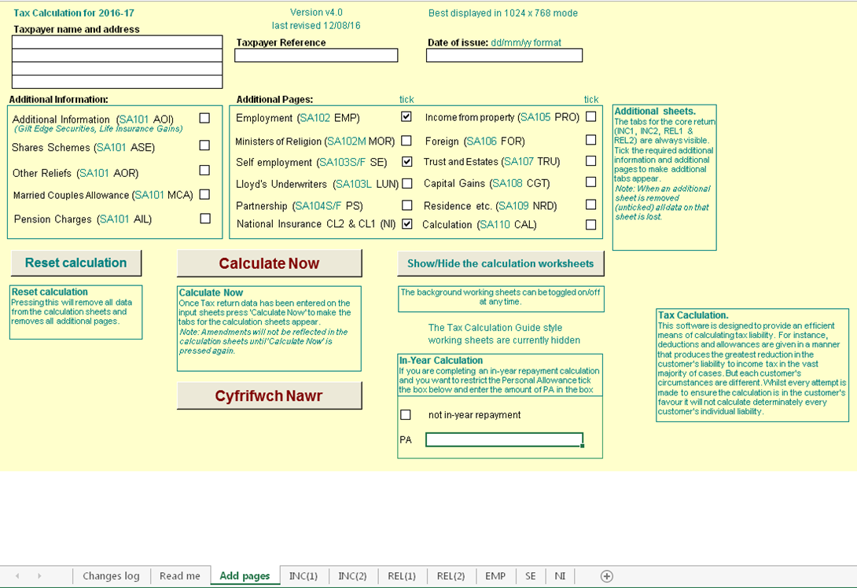
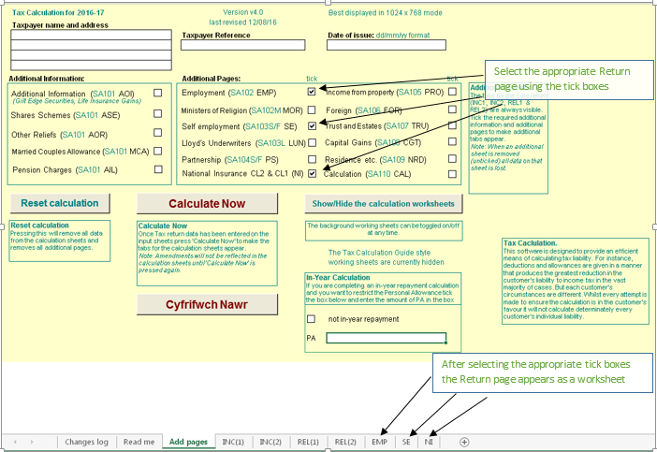

Insert the Return entries as shown below
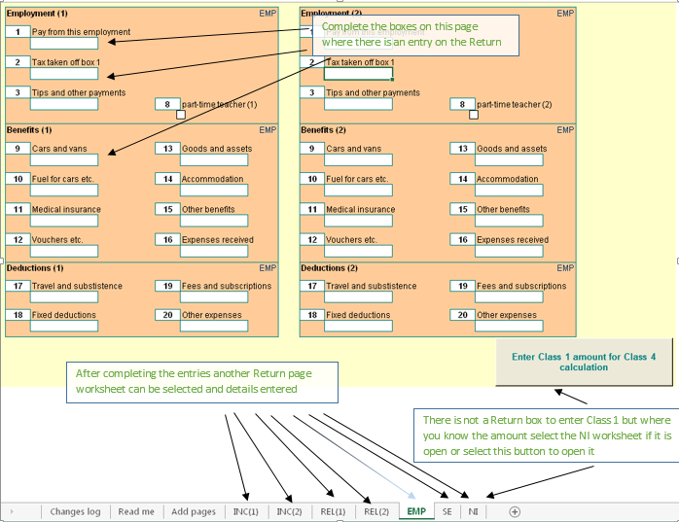

Complete all the Return pages and select 'Add pages'
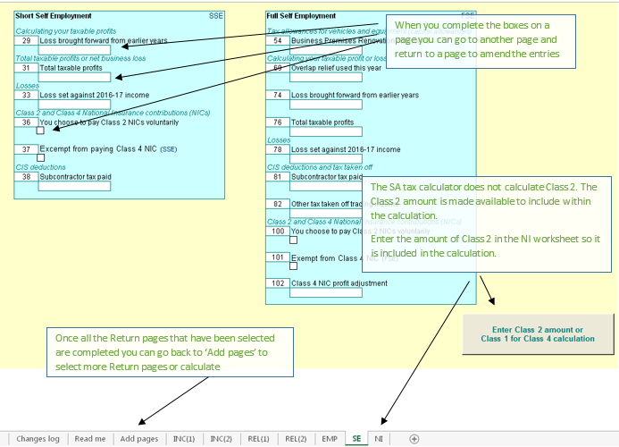

NI
The Class 2 Reg 21 calculation reduces Class 2 with reference to Class 1 Earnings. There are two new boxes within the 'NI' screen to help calculate the reduced amount when requested from a customer.

The deferment of Class 4 NIC has been removed from 2015-2016 onwards. There are two new boxes within the 'NI' screen in relation to Class 1 Earnings for the Reg100 Clas 4 calculation.

Class 2
Where a person is liable to pay Class 2 National Insurance contributions (NICs), Class 2 NICs are due for each contribution week or part of a week that a person was self-employed.
So, where a person was self-employed and liable to pay Class 2 NICs for part or all of one day in a week, liability arises for one week’s NICs due at the weekly flat rate.
A ‘contribution week’ is defined as a period of seven days beginning with midnight between Saturday and Sunday. The first day of the contribution week is Sunday and Saturday is the last.
The first week of the contribution year starts on the first Sunday after 5 April. Some contribution years will include 53 contribution weeks.

Class 4
Class 4 NI payable with income from employment and self-employment
Annual maximum of Class 4 contributions due under section 15 of the Act
100.—(1) Where for any year there are payable by or in respect of an earner Class 4 contributions under section 15 of the Act and also primary Class1 or Class2 contributions or both primary Class 1 or Class 2 contributions,
the liability of that earner for such Class 4 contributions for that year shall (without prejudice to his liability in the ﬁrst instance for the full amount payable apart from this regulation) not exceed such amount as, when added to
the amount of such other of those contributions as are ultimately payable by or in respect of him for that year, equals in value the sum of the amount which, but for the provisions of this regulation, would be payable by that earner
on proﬁts or gains equal to the higher of the two money sums speciﬁed in section 15(3) of the Act and, subject to the provisions of section 12 of the Act and regulations 63 to 65, 53 times the amount of a Class2 contribution payable for that year.
2) For the purpose only of determining the extent of an earner’s liability for Class 4 contributions under paragraph (1), the amount of any primary Class 1 contributions paid at less than the primary percentage speciﬁed in section 8(2) of the Act
shall be treated as equal to the amount of any primary Class 1 contributions payable at that percentage on the same amount of earnings.
So that a person with earnings from both an employment and self-employment does not pay considerably more NI than a person who has a similar level of earnings but from only one employment, the Class 4 NI payable is sometimes restricted.
The objective is to limit the self-employed profits charged at the main 9% rate to the employee-only equivalent, but still leave higher earnings charged at the uncapped 2% rate.

Class 1 Earnings

The two boxes in question are to be filled in if the customer has employment and is also self-employed. They are to be filled in as follows:

EMPCL1 and/or EMP PT. Earnings from PT to UAP - These are earnings that appear in the column from PT to UAP on the P60 (this was Column 1c up to 2015-16).
MORCL1 and/or MOR PT. Earnings from UAP to UEL - These are earnings that appear in the column from UAP to UEL on the P60 (this was Column 1d up to 2015-16).

From 2016-17 the P11ws and P60 was changed so that the columns for 1c and 1d are combined into one column that has earnings from PT to UEL.
However, it appears that not all forms and sytems have been changed and we are still seeing P60 s with col1c and col 1d.

On NPS > Employment > P14 Summary take the figures from column 1c and 1d
Enter the amounts in the EMPCL1/EMP PT and/or MORCL1/MOR PT boxes.

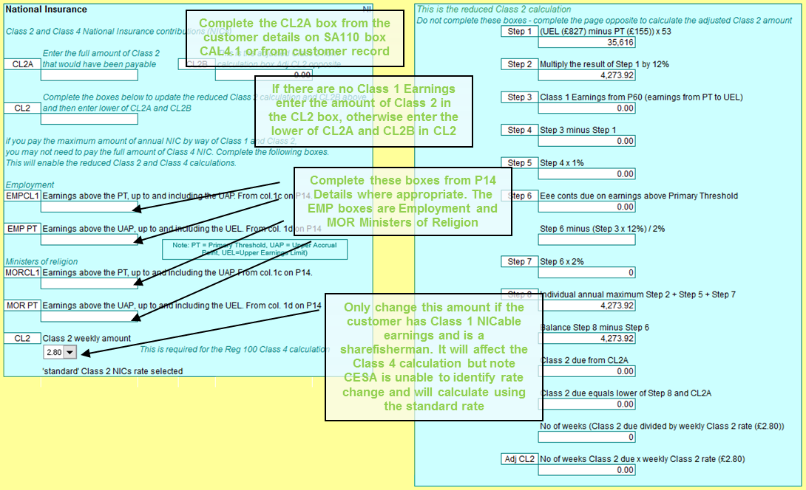

Select the 'Calculate Now' button to reveal the SA302 tax calculation
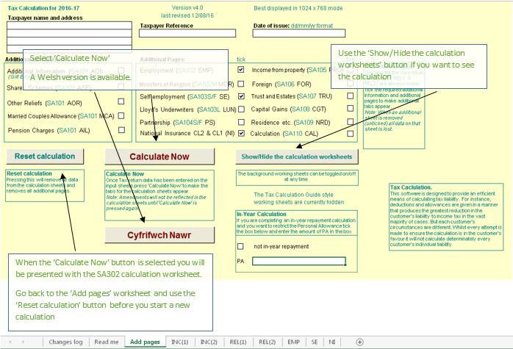

The SA302 Calculation – here you can see what the customers SA302 looks like based on the entries you have made
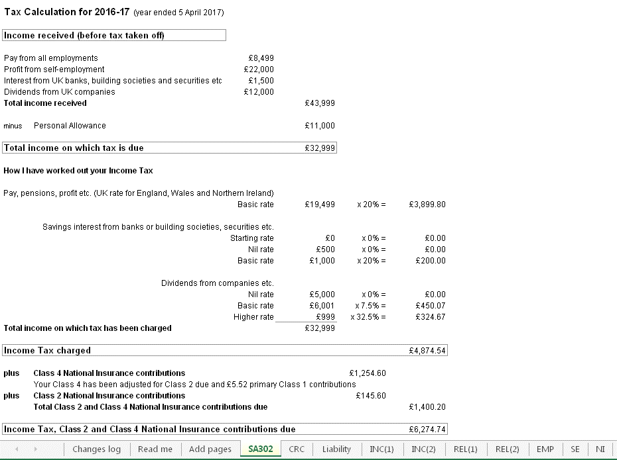

On the 'Add pages' worksheet select the Reset calculation button to clear all entries and close pages before
entering the details for another case

Things to note
Marriage Allowance Transfer
If the Transferor makes a claim on the return and not digitally, a relationship will be created on TBS, but it will not
trigger a digital claim. The fact that they are a Recipient will be stored in the background and when the Recipient
files their SA Return the credit will be given. But where the Recipient's Return cannot be captured or it's an in-year
Return to date of death and the operator needs to do a SEEs calc before adding figures onto SA using CRC then
the MAT_OUT and MAT_IN buttons can be used to replicate the digital claim
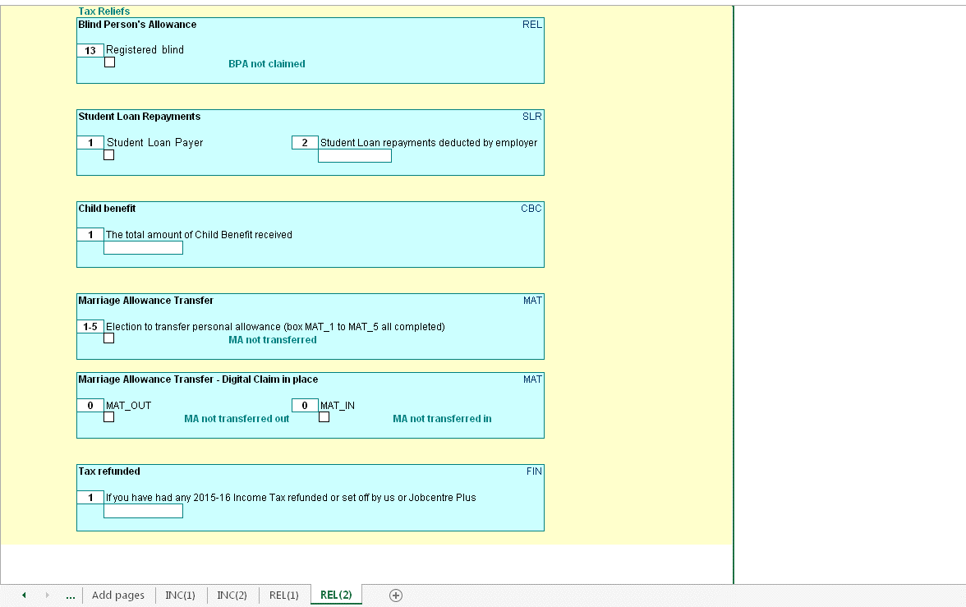

FTCR - see the guidance at
http://bg.inrev.gov.uk/tax/actionguides/40100/tax40072_main.htm
http://bg.inrev.gov.uk/tax/helpcards/tax50104.pdf

Non-resident calculation
Section 811 applies to taxpayers who are non-resident for the whole tax year. Certain sources of income (mostly investment income*) are ‘disregarded’. That is no more tax can be charged than has been deducted at source.
The disregarded income is removed from the tax calculation and only the tax deducted at source added to the liability computed on the non-disregarded income.
UK allowances are not given in the section 811 calculation, even if the taxpayer is entitled to claim them. The taxpayer can still claim tax deductions in the section 811 calculation. (Note: Maintenance and alimony payments are a deduction, not an allowance, so any relief claimed is still given in the section 811 calculation.)
As the use of section 811 is optional, two calculations are performed: 1) the ‘standard’ tax calculation including all income and any UK allowances due, 2) the section 811 calculation.
The results of the two calculations are compared and the calculation that produces the better result for the taxpayer is retained.

Income Tax Relief - Losses
The SA tax calculator follows the steps in s23 ITA 2007. Step 1 is to identify total income. Reliefs are deductible at step 2. HMRC introduced the term "limit on income tax reliefs" for step 2 deductions. This includes trade and property losses but there are other reliefs and deductions.
From 2015-16 changes were made to:
- calculate the limit on relief with the correct adjusted total income x 25% where more than £50,000.
- update the SA302 so it included the reliefs, including losses, in the 'income received' section and include them as "Income tax relief" in the 'minus' section below that. "Income tax relief" replaced both "Loan interest payments" and "Losses".
The change to ensure adjusted total income is calculated correctly presents the total income received for the year before losses brought forward from an earlier year and before losses ocurring in the year for other income. The SA302 adds back the brought forward losses to show the total profit for the year and then deducts them as income tax relief.
See Limit on Income Tax reliefs: HS204 Self Assessment helpsheet
https://www.gov.uk/government/publications/limit-on-income-tax-reliefs-hs204-self-assessment-helpsheet

Savings Income

From 06 April 2016 the Personal Savings Allowance (PSA) introduces a new 0% band for Income Tax on income from savings interest.

This will apply up to a maximum of

£1000 for basic rate customers (20%)
£500 for higher rate customers (40%)

- The PSA will not apply to savings income received by additional rate customers (45%).
- Income that is within an individual's savings allowance will still count towards their basic or higher rate limits.
- Higher/Additional rate income is income on which tax is charged, or would be but for the dividend nil rate.
- PSA is in addition to the starter savings rate which allows low income earners to receive up to £5,000 tax free savings interest.
- Interest from Individual Savings Accounts (ISAs) is already tax-free so this will not count towards the Personal Savings Allowance.
- PSA is not affected by the Scottish Rate of Income Tax and will be applied at the same rate for all taxpayers across the UK.
- PSA is affected by the £100 rule for children's savings and investments. If a parent's gift to a child exceeds this amount in any tax year it counts toward the parent's income for tax purposes.

Dividends

From April 2016 the Dividend Tax Credit will be abolished and a new £5,000 tax free allowance for dividend income will be introduced. This allowance will not reduce total income for tax purposes and will only apply to dividend income.
The new rates of tax on dividend income above the allowance will be:

7.5% for basic rate customers
32.5% for higher rate customers
38.1% for additional rate customers

- An allowance will be introduced so that everyone can receive up to £5,000 of dividend income, on top of any dividends received on shares held in an ISA. If a customer earns less than £5,000 of dividend they will not pay any tax.
- Dividend tax is in addition to and outside of ISA allowances.
- Dividend tax is not affected by the Scottish Rate of Income Tax and will be applied at the same rate for all taxpayers across the UK.
- No tax will be deducted at source; it will be paid through self-assessment.

Marriage Allowance Transfer
The Dividend Allowance nil rate is omitted when establishing the tax rate on income; the Personal Savings Allowance nil rate is applied when establishing the tax rate on income

Age related allowances

2016/17 - The age allowance ceases to exist.
The government froze age-related personal allowances in April 2013.In the 2015/16 tax year this was restricted to individuals born before 6 April 1938.
Individuals born on or after this date were entitled to the basic Personal Allowance instead. However, due to increases in the basic Personal Allowance, this is now the same for everyone, irrespective of when they were born.

Student Loan changes

From 6 April 2016 there will be 2 Student Loan thresholds known as Plan 1 and Plan 2. Previously there was only 1. Each plan will have a different threshold and employers will need to deduct student loan repayments using the appropriate plan type.

2017-18

Plan 1
The threshold will be £17,775 for employees who are :
· Scottish and Northern Irish students
· English and Welsh students who started their course before 1 September 2012

Plan 2
The threshold will be £21,000 for employees who are:
· English and Welsh students who started their course on or after 1 September 2012

Capital Gains tax
Each year, individuals have an annual exemption amount that allows them to receive some gains tax-free. Above this, you pay capital gains tax on all gains.

 | Capital gains tax in 2017/18
 | Annual exemption amount | £11,300 for individuals
 | Standard capital gains tax rate | 18% on residential property, 10% on other assets
 | Higher capital gains tax rate | 28% on residential property, 20% on other assets

Further Scottish Income Tax Powers
Who is a Scottish resident?
The Scottish rate is charged on the non-savings income of Scottish residents.
A Scottish taxpayer must first be a UK resident. A non-resident can never be a Scottish taxpayer. If someone has earnings subject to UK income tax, it will be at the UK rates.

Every member of the Scottish Parliament, every MP who represents a Scottish constituency and every MEP who represents Scotland is automatically taxed as a Scottish taxpayer, regardless of where they live.

Subject to the rule for politicians, a Scottish person not living in Scotland will not pay the Scottish rates. Liability is determined by residence and not nationality.

Having established UK residence, the next determinant is whether the taxpayer’s sole or main residence is in Scotland. If it is, they are a Scottish taxpayer.

Those who pay Scottish income tax
The UK basic, higher and additional rates, paid by Scottish taxpayers are reduced by 10% (10p in the pound).
The Scottish rate is then set annually by the Scottish Parliament at any value from 0% upwards in half pence units.
Scottish income tax applies to non-savings and non-dividend income
The personal allowance and thresholds and taxes on savings and dividends remain a UK ‘reserved’ matter
Capital Gains Tax (CGT) has not been devolved (nor NIC, IHT or corporation tax)

 | Scottish income tax rates 2017-18 | Scottish income tax bands 2017-18 |  | UK rate paid in Scotland | Scottish rate | Total rate for Scottish taxpayers
 | Scottish basic rate - 20% | £11,501 - £43,000 (£31,500) |  | 10% | 10% | 20%
 | Scottish higher rate - 40% | £43,001 - £150,000 |  | 30% | 10% | 40%
 | Scottish addittional rate - 45% | £150,001 and above |  | 35% | 10% | 45%

Election to reduce the personal allowance or entitlement to receive a tax reduction (Marriage Allowance transfer)
Calculate if, after the personal allowance is reduced or tax reduction received, you are liable to tax at a rate other than the
basic rate, the Scottish basic rate, the dividend nil rate, the savings nil rate, the dividend ordinary rate or the starting rate for savings

Personal savings allowance
HR Case
s12B (8) (b) ITA 2007 - each of the following is “higher-rate income”—
(i) income on which income tax is charged at the higher rate or dividend upper rate,
(ii) income on which income tax would be charged at the higher rate but for section 12A (income charged at savings nil rate),
(iii) income on which income tax would be charged at the dividend upper rate but for section 13A (income charged at dividend nil rate), and
(iv) income of an individual who is a Scottish taxpayer or Welsh taxpayer which would, if the individual were not a Scottish taxpayer or Welsh taxpayer (as the case may be), be income on which income tax is charged at the higher rate.”

AHR Case
s12B (8) (a) ITA 2007 - each of the following is “additional-rate income”—
(i) income on which income tax is charged at the additional rate or dividend additional rate,
(ii) income on which income tax would be charged at the dividend additional rate but for section 13A (income charged at dividend nil rate), and
(iii) income of an individual who is a Scottish taxpayer or Welsh taxpayer which would, if the individual were not a Scottish taxpayer or Welsh taxpayer (as the case may be), be income on which income tax is charged at the additional rate

Test Case index
Enter the test case number (in the box on the left), tab out of the box, then press 'Replay selected case'.
This will generate the test case and the results expected from processing this case through the SA tax calculation.
Note: Any data already present in the input sheets will be deleted automatically prior to loading the selected data.
 |  | There are 221 stored test cases

 |  | 203
 |  |  |  |  |  | Used for
 | Test reason |  | Components used | Calc figure | Prev Year | HMRC Portal | Comments
1 | Scottish customer with employment up to rUK basic rate band paying pension payments with RAR to extend Scottish basic rate band to equivelant of rUK ( STR 1) |  | Components: YPD=2, INC-A=15, REL-A=8, FIN=1, Emp-A=12, DoB =not present | 0.00 | N/A | YES | 2017-18: test case changed
2 | Basic rate and savings. (STR 2) |  | Components: YPD=1, INC-A=10, FIN=1, Emp-A=7, PRO=1, CAL=4, DoB =17/11/1978 | 5,606.40 | 5,706.40 | YES
3 | Higher rate non-savings,higher rate savings,higher rate dividends RAR + Digital claim to Marriage Allowance Transfer (MAT) in place where customer is recipient but disallowed as not BR (STR 3) |  | Components: YPD=1, INC-A=1, REL-A=1, MAT=4, FIN=1, Emp-A=7, FSE=5, NI2=10, NI1=7, CAL=4, DoB =17/11/1978 | 11,487.04 | 11,834.49 | YES
4 | Savings and Dividends where more beneficial to have PA against Dividends before Savings (STR 4) |  | Components: YPD=1, INC-A=17, INC-B=12, DoB =17/11/1978 | 0.00 | N/A | YES | 2017-18: test case changed
5 | Basic Rate, Class 4 NIC + Class 2 + Digital claim to Marriage Allowance Transfer (MAT) in place where customer is recipient + Scottish taxpayer status (STR 5) |  | Components: YPD=2, INC-A=10, REL-A=1, MAT=4, FIN=1, FSE=5, NI2=10, DoB =17/11/1978 | 721.49 | 838.90 | YES
6 | Higher rate, NIC exempted (as over65) + Scottish taxpayer status (STR 6) |  | Components: YPD=2, INC-A=10, INC-B=1, FIN=1, FSE=10, NI2=10, DoB =03/01/1955, NIC exempt | 7,310.80 | N/A | YES | 2017-18: test case changed
7 | Lower income spouse claiming MCA, in year marriage( STR 7) |  | Components: YPD=1, REL-A=1, FIN=1, MCA=7, Emp-A=7, CAL=4, DoB =05/03/1943, NIC exempt | 3,893.50 | 3,996.20 | YES
8 | (DOB spouse post 1935) MCA in year marriage (STR 8) |  | Components: YPD=1, INC-B=1, FIN=1, MCA=2, FSE=5, NI2=10, DoB =03/06/1934, NIC exempt | 1,003.80 | 1,112.10 | YES
9 | Additional tax due on gift aid (STR 9) |  | Components: YPD=1, INC-A=4, INC-C=1, REL-B=1, FIN=1, SSE=2, PRO=1, DoB =17/11/1978 | 208.75 | N/A | YES | 2017-18: test case changed
10 | HR with Gift Aid. Beneficial ordering of reliefs and allowances - PA set against pension even though dividends at div HR. (STR 10) |  | Components: YPD=1, INC-A=18, INC-B=13, REL-B=1, FIN=1, DoB =17/11/1978 | 4,092.60 | N/A | YES | 2017-18: test case changed
11 | HRS with Gift Aid & RAR. Tests order of allowances and deductions. ( STR 11) |  | Components: YPD=1, INC-A=1, INC-B=1, REL-A=9, REL-B=1, FIN=1, Emp-A=7, PRO=1, CAL=4, DoB =03/06/1934, NIC exempt | 8,794.15 | N/A | YES | 2017-18: test case changed
12 | Tax already refunded + Income from savings at starting rate. Tests order of allowances and deductions. ( STR 12) |  | Components: YPD=1, INC-A=19, INC-B=9, INC-C=6, FIN=1, DoB =03/06/1934 | 5,019.97 | N/A | YES | 2017-18: test case changed
13 | Kitchen sink with in year MCA to wife (STR 13) |  | Components: YPD=1, INC-A=10, INC-B=1, INC-C=1, REL-A=1, REL-B=1, FIN=1, MCA=7, Emp-A=7, FSE=5, NI2=10, PRO=1, CAL=4, DoB =03/06/1934, FIN1 =£617, NIC exempt | 11,871.50 | 12,374.20 | YES
14 | Student Loan SL repayments needed - Employment income & Dividends (STR 14) |  | Components: YPD=1, INC-A=11, SLR=7, FIN=1, Emp-A=7, CAL=4, DoB =not present | 6,330.05 | 6,930.05 | YES
15 | Student Loan SL repayment case Plan 01, inv over £2000 ( STR 15) |  | Components: YPD=1, INC-A=1, REL-A=1, SLR=12, FIN=1, FSE=5, NI2=10, DoB =not present | 2,579.74 | 2,713.15 | YES
16 | Property, BPR & Scottish. (STR 16) |  | Components: YPD=2, INC-A=1, INC-B=1, REL-C=1, FIN=1, PRO=11, DoB =17/11/1978 | 14,738.75 | N/A | YES | 2017-18: test case changed
17 | Student Loan SL repayment with PAYE SL deductions. Tests order of allowances and deductions. (STR 17) |  | Components: YPD=1, INC-A=1, REL-A=2, SLR=13, FIN=1, Emp-A=7, PRO=1, CAL=4, DoB =not present | 10,122.15 | 10,472.15 | YES
18 | Employment with Small Debt coded and PAYE tax to cover (STR 18) |  | Components: YPD=1, FIN=1, Emp-A=10, CAL=6, DoB =not present | -34.00 | 66.00 | YES
19 | No PAYE tax paid but Small Debt coded (STR 19) |  | Components: YPD=1, INC-A=23, INC-B=1, FIN=1, Emp-A=8, DoB =17/11/1978 | 7,269.00 | N/A | YES | 2017-18: test case changed
20 | Employment with tax paid on interest. Investment income benefiting from Savings Starting Rate requiring beneficial ordering of reliefs and allowances. (STR 20) |  | Components: YPD=1, INC-A=20, FIN=1, Emp-A=13, DoB =17/11/1978 | 8,845.59 | N/A | YES | 2017-18: test case changed
21 | No PAYE tax paid but tax paid on interest (STR 21) |  | Components: YPD=1, INC-A=21, FIN=1, Emp-A=14, DoB =17/11/1978 | 10,064.35 | N/A | YES | 2017-18: test case changed
22 | Basic rate, non savings/savings income |  | Components: YPD=1, INC-A=4, FIN=1, SSE=4, NI2=4, DoB =17/11/1978 | 4,713.74 | 4,820.50 | YES
23 | Higher Rate (HR) Divs + Marriage Allowance Transfer (MAT) Digital Claim (out) but no claim on Return (not allowed as HR) (STR 23) |  | Components: YPD=1, INC-A=1, MAT=3, FIN=1, Emp-A=7, PRO=1, CAL=4, DoB =not present | 7604.15 | 7954.15 | YES
24 | Blind Person Allowance BPA, taxable bank interest (STR 24) |  | Components: YPD=1, INC-A=22, INC-B=14, INC-C=1, REL-C=1, FIN=1, DoB =not present | -1558.4 | N/A | YES | 2017-18: test case changed
25 | Multiple sources. (STR 25) |  | Components: YPD=1, INC-A=1, INC-B=1, INC-C=1, FIN=1, Emp-A=8, SSE=5, FSE=5, NI2=10, NI1=8, PRO=1, DoB =not present | 7205.59 | 7563 | YES
26 | State pension Lump sum (basic rate), Minister of Religion, CGT. Balance of Basic rate to CGT |  | Components: YPD=1, INC-B=5, FIN=1, MOR=3, CGT=4, DoB =not present | 805.80 | 925.80 | NO
27 | State pension Lump sum (higher rate), Lloyds Underwriters and Self Employment , Enterprise Investment Scheme relief EISR, & Social Investment Tax Relief SITR |  | Components: YPD=1, INC-B=8, FIN=1, AOR=2, FSE=1, LUN=1, NI2=1, DoB =05/03/1943, NIC exempt | 6,171.80 | 6,671.80 | NO
28 | Higher rate HR, Additional Higher rate AHR, CGT, & Scottish |  | Components: YPD=2, INC-A=8, FIN=1, ASE-A=1, Emp-A=1, CGT=4, DoB =17/11/1978 | 319,994.28 | N/A | YES | 2017-18: test case changed to Scottish
29 | Corresponding Deficiency Relief CDR reduces dividends only |  | Components: YPD=1, INC-A=8, REL-A=7, FIN=1, AOI-B=6, FSE=2, NI2=4, DoB =17/11/1978 | 343,962.81 | 344,129.57 | YES
30 | Corresponding Deficiency Relief CDR reduces dividends and savings |  | Components: YPD=1, INC-A=1, INC-B=4, FIN=1, AOI-B=6, FPS=1, DoB =03/01/1955 | 21,491.99 | 21,861.35 | YES
31 | Corresponding Deficiency Relief CDR reduces dividends, no HR liability on non-savings income |  | Components: YPD=1, INC-A=8, INC-B=4, FIN=1, AOI-B=6, DoB =03/01/1955 | 305,189.09 | 305,564.09 | YES
32 | Customer has not paid enough tax to ‘cover’ / 'frank' the Gift Aid tax repaid to the charity and has MAT as recipient; Scotish |  | Components: YPD=2, INC-A=5, INC-B=2, REL-B=2, MAT=4, FIN=1, AOI-C=3, SSE=2, CGT=13, DoB =17/11/1978 | 67.80 | N/A | YES | 2017-18: test case changed to Scottish
33 | Student Loan repayment SL, Employment, Lump Sum and Foreign divs; FOR Relief for Finance Costs (Landlord Loan Interest Relief) |  | Components: YPD=1, SLR=1, FIN=1, ASE-B=1, Emp-A=1, FOR=1, DoB =17/11/1978 | 8,126.80 | N/A | YES | 2017-18: test case changed
34 | VCT/Alimony claim |  | Components: YPD=1, INC-A=5, FIN=1, AOR=1, Emp-A=1, FOR=2, TRU=3, DoB =03/01/1955 | -5,658.58 | -5,258.58 | YES
35 | Chargeable Event Gains CEG with Top Slicing Relief TSR due |  | Components: YPD=1, INC-A=5, INC-B=4, FIN=1, AOI-B=3, PRO=4, DoB =not present | -66.32 | -112.92 | NO
36 | Chargeable Event Gains CEG, Top Slicing Relief TSR, Additional rate |  | Components: YPD=1, INC-A=3, INC-C=2, REL-A=4, SLR=4, FIN=1, AOI-B=8, Emp-A=5, Emp-B=4, DoB =not present | 52,302.00 | 52,402.00 | YES
37 | Losses from SSE set against other income + Marriage Allowance Transfer transferred (MAT_OUT) |  | Components: YPD=1, INC-A=1, MAT=1, FIN=1, Emp-A=13, SSE=3, NI2=6, DoB =not present, NIC2 voluntary | 142.50 | N/A | YES | 2017-18: test case changed
38 | Income over £100,000 no PA but Blind Person Relief BPR due; CGT |  | Components: YPD=1, INC-A=1, REL-C=1, FIN=1, Emp-A=6, CGT=2, DoB =03/01/1955 | 26,931.95 | 27,183.95 | YES
39 | Student Loan repayment SL (Plan 01), self employment source with losses set against other income. CIS deductions, |  | Components: YPD=1, SLR=12, FIN=1, SSE=1, FSE=4, NI2=4, TRU=2, DoB =not present | 1,851.27 | 2,243.03 | NO
40 | UK and Foreign Chargeable Event GainsCEG, Top Slicing Relief TSR due; Notional tax; Basic MCA , 50% to partner, Relief for Finance Costs (Landlord Loan Interest Relief) |  | Components: YPD=1, FIN=1, AOI-B=5, MCA=6, PRO=3, FOR=3, DoB =03/06/1934, NIC exempt | 3,889.00 | N/A | YES | 2017-18: test case changed
41 | Non-UK Resident, 'normal' s23 calculation more beneficial (s811) |  | Components: YPD=1, INC-A=4, INC-B=1, FIN=1, NRD=1, DoB =05/03/1943, NIC exempt | -91.25 | -91.25 | NO
42 | Non-UK Resident, non resident calculation more beneficial (s811 disregarded income) |  | Components: YPD=1, INC-A=13, INC-B=1, FIN=1, PRO=3, NRD=1, DoB =17/11/1978, NIC exempt | 5,217.00 | 5,855.20 | NO
43 | Non-UK Resident, non resident calculation more beneficial (s811 disregarded income); MAT_IN but removed from calculation; Relief for Finance Costs (Landlord Loan Interest Relief) |  | Components: YPD=1, INC-A=13, INC-B=1, MAT=4, FIN=1, PRO=3, NRD=1, DoB =17/11/1978, NIC exempt | 5,217.00 | N/A | NO | 2017-18: test case changed
44 | Multiple employment and share scheme. Box Fin1, CAL7/8 completed, Income over £100,000 PA reduced to Nil, Enterprise Investment Scheme relief EIS, & Social Investment Tax Relief SITR |  | Components: YPD=1, FIN=1, ASE-A=3, AOR=2, Emp-A=2, Emp-B=6, CAL=2, DoB =not present, FIN1 =£671 | 16,949.00 | 17,049.00 | YES
45 | Employment, Foreign and Partnership income. Losses from FPS20 set against other income; balance BR to CGT; FPS Relief for Finance Costs (Landlord Loan Interest Relief) |  | Components: YPD=1, FIN=1, Emp-A=3, Emp-B=8, FPS=2, NI2=4, FOR=2, CGT=2, DoB =not present, NIC2 voluntary | 7,755.80 | N/A | YES | 2017-18: test case changed
46 | RAR, Annuities, trade union death benefit, widows and orphan relief. Foreign divs. Trust income. FOR Relief for Finance Costs (Landlord Loan Interest Relief) |  | Components: YPD=1, REL-A=7, FIN=1, AOR=5, SPS=2, FPS=1, NI2=8, FOR=1, TRU=6, DoB =not present | 32,952.00 | N/A | NO | 2017-18: test case changed
47 | Kitchen sink, multiple sources, PA reduced to Nil,Losses, RAR, TRU & FOR Relief for Finance Costs (Landlord Loan Interest Relief) |  | Components: YPD=1, INC-A=4, INC-B=2, INC-C=3, REL-A=4, REL-B=2, FIN=1, AOI-A=2, AOI-B=2, AOI-C=4, ASE-A=1, ASE-B=3, ASE-C=2, AOR=6, MCA=2, Emp-A=5, Emp-B=9, SSE=3, SPS=2, NI2=8, PRO=1, FOR=1, TRU=7, CGT=3, DoB =03/01/1955, FIN1 =£671 | 99,080.90 | N/A | NO | 2017-18: test case changed
48 | Basic rate, non savings/savings income |  | Components: YPD=1, INC-A=3, FIN=1, SSE=4, NI2=4, DoB =17/11/1978 | 3,676.89 | 3,783.65 | YES
49 | Higher rate, non savings, Property class 4 nic |  | Components: YPD=1, FIN=1, Emp-A=2, Emp-B=5, FSE=1, NI2=4, PRO=1, DoB =17/11/1978 | 29,261.62 | 29,428.38 | YES
50 | Non savings, not HRS because of gift aid |  | Components: YPD=1, INC-C=2, REL-B=1, FIN=1, Emp-A=1, PRO=1, DoB =17/11/1978 | 720.00 | 720.00 | YES
51 | Basic rate, non savings BPA, AA not due |  | Components: YPD=1, INC-B=1, REL-C=1, FIN=1, Emp-A=5, FSE=5, NI2=10, DoB =22/02/1936, NIC exempt | 3,567.00 | 3,573.00 | YES
52 | Basic rate Savings, MCA in year marriage. |  | Components: YPD=1, INC-A=10, INC-B=1, FIN=1, MCA=2, FSE=7, NI2=4, PRO=1, DoB =22/02/1936, NIC exempt | 2,226.00 | 1,634.30 | YES
53 | Higher rate, Class 4 NIC, Reduced PA income over £100,000; FOR Relief for Finance Costs (Landlord Loan Interest Relief) |  | Components: YPD=1, FIN=1, FSE=2, NI2=4, FOR=1, DoB =17/11/1978 | 35,757.90 | N/A | YES | 2017-18: test case changed
54 | Lower Savings rate, basic rate savings, basic rate divs |  | Components: YPD=1, INC-A=5, INC-B=1, INC-C=1, FIN=1, DoB =05/03/1943, NIC exempt | -300.00 | -300.00 | YES
55 | Higher rate, savings/dividends, CEG TSR not due |  | Components: YPD=1, INC-A=5, REL-B=2, FIN=1, AOI-B=2, TRU=2, DoB =17/11/1978 | -4,015.65 | -3,711.80 | NO
56 | Higher rate,CEG top slicing relief due, State pension lump sum. |  | Components: YPD=1, INC-A=3, INC-B=5, FIN=1, AOI-B=1, Emp-A=2, DoB =22/02/1936, NIC exempt | 2,311.50 | 5,618.30 | YES
57 | Basic rate, H_MCA and gift aid |  | Components: YPD=1, INC-A=6, INC-B=4, REL-B=4, FIN=1, MCA=2, DoB =05/03/1943, NIC exempt | -2,834.79 | -2,834.79 | YES
58 | BRP claim, FIN1 entry, PA reduced to Nil, AHR, Deficiency relief, EIS, relief for qual distn |  | Components: YPD=1, INC-A=8, REL-C=1, FIN=1, AOI-B=6, AOR=9, Emp-A=1, DoB =05/03/1943, FIN1 =£617 | 294,545.61 | 294,759.29 | YES
59 | Gift aid, CGT chargeable at more than one CGT rate |  | Components: YPD=1, INC-B=1, INC-C=1, REL-B=1, FIN=1, FSE=5, NI2=10, CGT=3, DoB =05/03/1943, NIC exempt | 3,648.00 | 3,768.00 | YES
60 | Lower savings rate |  | Components: YPD=1, INC-A=10, INC-B=1, INC-C=1, FIN=1, DoB =03/06/1934, NIC exempt | -300.00 | -300.00 | YES
61 | Savings and Dividends, and Gift Aid |  | Components: YPD=1, INC-A=1, INC-B=1, INC-C=2, REL-B=2, FIN=1, DoB =03/01/1955, NIC exempt | -478.75 | -378.75 | YES
62 | Savings and Dividends |  | Components: YPD=1, INC-A=7, INC-B=1, INC-C=1, FIN=1, AOI-C=2, Emp-A=3, DoB =03/06/1934, NIC exempt | 1,170.60 | 1,370.60 | YES
63 | Liable at 10% , balance BR band to capital Gains |  | Components: YPD=1, INC-A=11, FIN=1, PRO=1, CGT=5, DoB =22/02/1936, NIC exempt | 12,875.00 | 13,141.25 | YES
64 | Savings, Dividends & CGT |  | Components: YPD=1, INC-A=1, INC-B=1, INC-C=1, REL-B=1, FIN=1, AOI-A=1, CGT=1, DoB =05/03/1943, NIC exempt | 3,296.35 | 3,573.85 | YES
65 | Savings, full MCA >75 |  | Components: YPD=1, INC-A=10, INC-B=1, FIN=1, MCA=1, SSE=2, NI2=5, PRO=1, DoB =03/06/1934, NIC exempt | 0.00 | 0.00 | YES
66 | Full MCA over 75 , BR band to CGT |  | Components: YPD=1, INC-A=4, FIN=1, MCA=1, CGT=3, DoB =03/06/1934, NIC exempt | 1,778.75 | 1,798.75 | YES
67 | Reduced MCA >75 |  | Components: YPD=1, INC-A=1, INC-B=1, INC-C=1, FIN=1, MCA=1, PRO=5, DoB =03/06/1934, NIC exempt | -67.15 | 154.25 | YES
68 | Savings and Dividends |  | Components: YPD=1, INC-A=1, INC-B=9, REL-B=1, FIN=1, MCA=1, DoB =03/06/1934, NIC exempt | 600.00 | 600.00 | YES
69 | Basic rate, and CGT including entreprenueral gains |  | Components: YPD=1, INC-B=4, FIN=1, CGT=3, DoB =05/03/1943, NIC exempt | -78.79 | 41.21 | YES
70 | MCA & Savings rate |  | Components: YPD=1, INC-A=5, INC-B=1, FIN=1, MCA=2, DoB =05/03/1943, NIC exempt | 0.00 | 0.00 | YES
71 | Higher rate, part year basic MCA claimed as spouse >75. NIC deferred |  | Components: YPD=1, FIN=1, MCA=2, FSE=1, NI2=4, DoB =17/11/1978 | 12,363.12 | 12,733.58 | YES
72 | Basic rate, Loan interest and CITR claimed. |  | Components: YPD=1, REL-A=2, FIN=1, AOI-B=3, AOR=4, PRO=3, TRU=3, DoB =17/11/1978 | 774.67 | 945.67 | NO
73 | Basic rate, carry back gift aid, CGT.Basic rate band excess to CG , MCA | , | Components: YPD=1, INC-B=2, REL-B=3, FIN=1, MCA=1, Emp-A=3, PRO=1, CGT=1, DoB =03/06/1934, NIC exempt | 2,952.30 | 3,301.30 | YES
74 | Higher rate, Multiple employments, PPR |  | Components: YPD=1, REL-A=6, FIN=1, Emp-A=4, Emp-B=5, DoB =03/01/1955 | 6,482.40 | 6,782.40 | YES
75 | HR, AHR , S/E, RAR, Dob pre 1935, in year MCA |  | Components: YPD=1, INC-A=8, INC-B=1, REL-A=1, FIN=1, MCA=2, Emp-A=1, FSE=1, NI2=4, DoB =03/06/1934, NIC exempt | 339,506.12 | 339,709.82 | YES
76 | Incapacity Benefit, Gift aid due but no tax, BPA allowance. |  | Components: YPD=1, INC-A=2, INC-B=6, REL-B=1, REL-C=1, FIN=1, DoB =17/11/1978 | 101.35 | 101.35 | YES
77 | Kitchen sink with MCA minimum amount, in year marriage |  | Components: YPD=1, INC-A=11, INC-B=1, INC-C=1, REL-A=1, REL-B=1, FIN=1, MCA=1, Emp-A=1, FSE=5, NI2=10, PRO=1, DoB =03/06/1934, FIN1 =£617, NIC exempt | 8,659.55 | 9,063.55 | YES
78 | Tax from Property Income, community investment relief, pension lump sum |  | Components: YPD=1, INC-A=5, INC-B=8, REL-B=2, FIN=1, AOI-A=2, AOR=4, MOR=4, SSE=5, SPS=1, NI2=1, PRO=5, CAL=3, DoB =05/03/1943, NIC exempt | 13,650.49 | 14,247.89 | NO
79 | Divs from foreign companies, Remittance basis charge for Non Dom & TSR = 0 (previously incorrectly £0.02) |  | Components: YPD=1, INC-A=4, FIN=1, AOI-B=3, FOR=4, NRD=3, DoB =not present | 67,648.93 | 67,928.93 | NO
80 | Overpaid, amount in FIN 1 results in underpaid amount on SA302 |  | Components: YPD=1, INC-A=2, INC-B=2, FIN=1, DoB =05/03/1943, FIN1 =£865, NIC exempt | -704.45 | -704.45 | YES
81 | Gifts of property to charity, income over £100,000 full PA due to PPR |  | Components: YPD=1, INC-A=5, REL-A=4, REL-B=5, FIN=1, FSE=2, NI2=4, DoB =not present | 21,659.02 | 22,025.78 | YES
82 | Pension lump sum and gift aid relief backdated (REL8) |  | Components: YPD=1, INC-B=8, INC-C=6, REL-A=3, REL-B=6, FIN=1, DoB =not present | 758.97 | 1,238.97 | YES
83 | Pension taxable short service refund, stock dividends |  | Components: YPD=1, REL-A=5, FIN=1, AOI-C=5, AIL=5, Emp-A=5, Emp-B=3, DoB =not present | 1,287.20 | 1,287.20 | YES
84 | Losses set off against other income + no digital claim to Marriage Allowance Transfer (MAT) but MAT claimed on Return |  | Components: YPD=1, MAT=1, FIN=1, Emp-A=5, SSE=3, NI2=6, DoB =17/11/1978, NIC2 voluntary | -1,377.50 | -1,480.00 | YES
85 | S/E, state pension lump sum, SSE29 |  | Components: YPD=1, INC-B=8, INC-C=6, FIN=1, SSE=2, NI2=5, DoB =05/03/1943, NIC exempt | 3,014.57 | 3,494.57 | YES
86 | Seafarers deduction ASE11 |  | Components: YPD=1, FIN=1, ASE-C=1, AIL=12, Emp-A=8, PRO=5, DoB =17/11/1978 | -554.80 | -357.40 | YES
87 | Property with loss from FL to c/f to lettings inc (PRO17), Dividends chargeable at Adiv_rate, Deficiency relief on both savings and dividends, & Scottish |  | Components: YPD=2, INC-A=8, REL-A=7, REL-B=4, FIN=1, AOI-B=7, AOR=5, FSE=2, NI2=4, PRO=7, DoB =17/11/1978 | 356,260.49 | N/A | YES | 2017-18: test case changed to Scottish.
88 | Property with loss from FL to c/f to lettings inc (PRO17), Dividends chargeable at Adiv_rate, Deficiency relief on both savings and dividends. |  | Components: YPD=1, INC-A=8, REL-A=7, REL-B=4, FIN=1, AOI-B=7, AOR=5, FSE=2, NI2=4, PRO=7, DoB =17/11/1978 | 355,648.49 | N/A | YES | New test case 2017-18. Subsequent test cases moved down so 88 now at 89 etc. Changed to rUK in v1.8.0 because tc88 was exactly the same as tc87. One test case was to be Scottish and one rUK
89 | MOR and various other schedules and boxes, AHR, TSR and CGT |  | Components: YPD=1, INC-A=4, INC-C=4, REL-A=4, REL-B=2, FIN=1, AOI-B=8, AOI-C=3, MOR=2, PRO=2, FOR=2, CGT=1, CAL=1, DoB =17/11/1978, FIN1 =£289 | 38,514.70 | 38,754.70 | NO
90 | Cash basis adjustment FSE70 and Class 4 NIC adjustment FSE101 |  | Components: YPD=1, REL-A=4, FIN=1, AOI-A=3, AOI-C=5, FSE=6, NI2=4, DoB =17/11/1978 | 56,866.08 | 57,032.84 | YES
91 | PRO42 Loss against other income, HR, AHR and AHdiv |  | Components: YPD=1, INC-B=2, REL-A=4, REL-B=3, FIN=1, AOI-A=3, AOI-C=3, ASE-C=2, AOR=6, Emp-A=2, FSE=6, NI2=4, NI1=2, PRO=6, DoB =03/01/1955 | 64,655.90 | 64,703.21 | YES
92 | Basis adjustment SPS9, tax deducted partnerships SPS27 and SPS29. CAL7 and FIN1 |  | Components: YPD=1, INC-C=5, REL-A=2, REL-B=6, FIN=1, AOI-A=2, AOR=7, SPS=4, NI2=4, DoB =17/11/1978, FIN1 =£650.29 | 17,175.91 | 17,542.67 | YES
93 | Loss short partnership SPS20 CIS tax deducted SPS28, state pension lump sum + Voluntary Class 2 |  | Components: YPD=1, INC-B=8, INC-C=4, FIN=1, AOI-A=1, AOI-B=3, SPS=5, NI2=4, DoB =03/01/1955, NIC2 voluntary | 1,125.08 | 1,422.48 | YES
94 | Losses from property on partnerships offset against other income FPS37 and FPS41 |  | Components: YPD=1, INC-A=6, REL-A=7, REL-B=5, REL-C=1, FIN=1, AOI-B=7, FPS=3, NI2=9, DoB =17/11/1978 | 11,402.86 | 11,376.82 | YES
95 | Various FPS boxes with NIC deferred FPS24. HR and AHR; FPS Relief for Finance Costs (Landlord Loan Interest Relief) |  | Components: YPD=1, INC-A=11, REL-B=2, FIN=1, FPS=4, NI2=6, PRO=3, DoB =17/11/1978 | 91,586.87 | 91,943.73 | YES
96 | Various FPS with CGT and Property, Higher and Additional Rates , no bal BR against gains; FPS Relief for Finance Costs (Landlord Loan Interest Relief) |  | Components: YPD=1, INC-A=11, REL-B=3, FIN=1, AOI-B=2, AOI-C=4, AOR=6, FPS=4, NI2=6, PRO=3, CGT=3, DoB =17/11/1978 | 97,232.95 | 97,629.81 | YES
97 | Multiple Emp with SL, one RTL eligible income , CAL7 max |  | Components: YPD=1, INC-A=7, SLR=5, FIN=1, Emp-A=3, Emp-B=5, CAL=2, DoB =17/11/1978 | 3,530.60 | 3,530.60 | YES
98 | FSE with NIC deferred and NIC adjustment. Income over £150,000 no AHR due to gift aid.CGT at both 10 and 28%. VCT, EIS & SEIS |  | Components: YPD=1, REL-B=7, FIN=1, AOI-B=4, AOR=3, FSE=6, NI2=4, PRO=5, CGT=2, DoB =not present | 51,816.68 | 52,120.84 | YES
99 | TSR due, gift aid |  | Components: YPD=1, REL-B=2, FIN=1, AOI-B=5, Emp-A=3, SSE=4, SPS=1, NI2=4, DoB =03/01/1955 | 7,616.04 | 7,622.80 | YES
100 | TSR , PRO22 |  | Components: YPD=1, INC-A=3, INC-B=4, FIN=1, AOI-B=3, Emp-A=5, PRO=4, DoB =03/01/1955 | 1,356.91 | 1,310.31 | YES
101 | TSR with lump sum |  | Components: YPD=1, INC-A=2, FIN=1, AOI-B=2, ASE-B=3, Emp-A=1, DoB =17/11/1978 | 3,148.55 | 2,899.35 | YES
102 | CGT, CEG and PPR |  | Components: YPD=1, INC-A=1, REL-A=2, FIN=1, AOI-B=4, SPS=3, NI2=4, CGT=2, DoB =17/11/1978 | 9,834.09 | 9,980.85 | YES
103 | Trust income with notional tax and property income under £100,000. LAA due. |  | Components: YPD=1, INC-B=2, FIN=1, AOI-A=2, AOI-C=3, AOR=4, FPS=9, PRO=4, TRU=1, DoB =05/03/1943, NIC exempt | -3,888.67 | -3,888.67 | NO
104 | Various income types with losses, Community investment relief, and foreign divs |  | Components: YPD=1, INC-B=2, FIN=1, AOI-C=3, AOR=4, Emp-A=8, PRO=6, FOR=2, DoB =05/03/1943, NIC exempt | -876.20 | -840.00 | YES
105 | SL with Trust, CGT, FSE and FPS schedules, Income over £100000 with losses. VCT and EIS |  | Components: YPD=1, REL-A=3, REL-B=2, SLR=13, FIN=1, AOR=3, FSE=6, FPS=3, NI2=9, TRU=3, CGT=4, DoB =17/11/1978 | 110,250.32 | 110,458.28 | NO
106 | MOR, Employments and Trusts, HR |  | Components: YPD=1, FIN=1, Emp-A=2, MOR=1, TRU=2, CAL=5, DoB =03/01/1955 | 3,995.03 | 4,295.03 | NO
107 | Lump sums with multiple employment and CAL7/8, PA reduced to Nil |  | Components: YPD=1, INC-A=3, FIN=1, ASE-B=2, Emp-A=6, Emp-B=5, PRO=6, CAL=5, DoB =not present | 24,600.90 | 24,700.90 | YES
108 | Various schedules, PA reduced to Nil, gifts to charity, savings and interest, CGT, & TRU |  | Components: YPD=1, INC-A=4, INC-C=4, REL-B=5, FIN=1, SPS=1, FPS=3, NI2=9, PRO=5, FOR=4, TRU=5, CGT=4, DoB =17/11/1978 | 42,496.71 | 42,982.07 | NO
109 | Share Schemes and SSE (SSE22 and SSE23) |  | Components: YPD=1, FIN=1, ASE-A=3, SSE=4, NI2=4, DoB =17/11/1978 | 4,061.19 | 4,167.95 | YES
110 | Income losses set against CGT (CGT14) |  | Components: YPD=1, INC-B=3, FIN=1, SSE=3, FSE=4, NI2=4, CGT=5, DoB =17/11/1978 | 12,390.00 | 12,580.00 | YES
111 | LUN (LUN20), Lump Sums and Employment income |  | Components: YPD=1, INC-A=2, FIN=1, ASE-B=2, Emp-A=4, LUN=1, NI2=4, DoB =not present, NIC2 voluntary | -227.65 | 169.75 | NO
112 | Lloyds AHR |  | Components: YPD=1, INC-A=3, FIN=1, LUN=6, NI2=4, TRU=4, DoB =03/01/1955 | 25,913.77 | 26,965.55 | NO
113 | Foreign Tax on Estates, income from Property, AHR and Ahdiv rates PA reduced to Nil |  | Components: YPD=1, INC-A=2, FIN=1, PRO=3, TRU=4, DoB =17/11/1978 | 22,699.83 | 23,099.83 | NO
114 | BPA and MCA not due as taxpayer is Non resident |  | Components: YPD=1, INC-A=2, REL-C=1, FIN=1, MCA=1, NRD=3, DoB =03/06/1934, NIC exempt | 59,919.75 | 59,919.75 | NO
115 | Remitted Basis - income less than £2000 tick box |  | Components: YPD=1, INC-A=11, FIN=1, Emp-A=6, FOR=6, NRD=5, DoB =not present | 21,392.35 | 21,592.35 | NO
116 | SL box EMP8 entry, eligible income below £15795 |  | Components: YPD=1, INC-A=3, SLR=3, FIN=1, Emp-A=3, SPS=1, NI2=6, DoB =17/11/1978 | 1,284.60 | 1,507.10 | YES
117 | Student Loans with shares income |  | Components: YPD=1, INC-B=7, SLR=2, FIN=1, ASE-A=2, Emp-A=2, DoB =not present | 11,664.40 | 12,064.40 | YES
118 | MCA claimed husband, losses and pension lump sum |  | Components: YPD=1, INC-A=4, INC-B=5, FIN=1, MCA=3, AIL=7, PRO=6, DoB =03/01/1955 | -3,611.25 | -3,611.25 | YES
119 | MCA ( half basic to wife ) and SSE schedule |  | Components: YPD=1, INC-A=7, FIN=1, MCA=4, SSE=2, NI2=5, DoB =03/06/1934, NIC exempt | 0.00 | 0.00 | YES
120 | MCA husband in year marriage with Dividend Income |  | Components: YPD=1, INC-A=4, FIN=1, AOI-C=1, MCA=2, DoB =05/03/1943, NIC exempt | -91.25 | -91.25 | YES
121 | MCA with shares income, all basic MCA to wife |  | Components: YPD=1, INC-B=1, INC-C=2, FIN=1, ASE-A=2, MCA=5, DoB =03/06/1934 | -1,123.50 | -1,018.50 | YES
122 | Test for MOR20 |  | Components: YPD=1, INC-B=2, FIN=1, MOR=4, DoB =not present | -624.20 | -546.00 | NO
123 | Test for MOR35 - positive result |  | Components: YPD=1, INC-A=2, REL-B=3, FIN=1, MOR=1, DoB =03/01/1955 | -102.65 | -69.85 | NO
124 | Test for MOR35 , Ahdiv_rate |  | Components: YPD=1, INC-A=8, INC-C=3, FIN=1, MOR=2, DoB =not present | 314,235.24 | 314,435.24 | NO
125 | Test for SSE20 ,Balance Basic rate to Gains fro 23/6 |  | Components: YPD=1, FIN=1, Emp-A=1, SSE=6, NI2=1, CGT=5, DoB =17/11/1978, NIC exempt | 15,765.40 | 16,005.40 | YES
126 | Test for SSE21, losses and reduced PA |  | Components: YPD=1, INC-C=4, FIN=1, Emp-A=1, Emp-B=4, SSE=7, NI2=4, CGT=10, DoB =not present, NIC2 voluntary | 13,177.80 | 13,515.20 | YES
127 | Test for FSE56, FSE60 & FSE62 |  | Components: YPD=1, INC-A=7, FIN=1, FSE=7, NI2=4, DoB =not present | 1,404.31 | 367.27 | YES
128 | Test for FSE47, FSE64 and FSE76 - losses , gains from 23/6 no surplus basic rate all charged 28% + Voluntary Class 2 |  | Components: YPD=1, FIN=1, Emp-A=4, FSE=8, NI2=4, CGT=5, DoB =17/11/1978, NIC2 voluntary | 19,228.20 | 19,665.60 | YES
129 | Test for FPS39 zero entry + Class 1 NIC contributions reducing Class 4 NIC due |  | Components: YPD=1, INC-A=4, FIN=1, Emp-A=4, FPS=5, NI2=4, CGT=7, DoB =not present | 11,385.69 | 11,792.45 | YES
130 | Test for FPS39 zero entry, AHR |  | Components: YPD=1, FIN=1, Emp-A=6, FSE=3, FPS=6, NI2=7, DoB =05/03/1943, NIC exempt | 39,573.80 | 39,773.80 | YES
131 | Test for PRO38 |  | Components: YPD=1, FIN=1, AOI-B=3, Emp-A=3, PRO=8, DoB =03/01/1955 | 1,610.00 | 1,710.00 | YES
132 | SL investment income >2000, SL repayments via empt |  | Components: YPD=1, INC-A=5, SLR=3, FIN=1, Emp-A=3, DoB =17/11/1978 | 199.00 | 224.00 | YES
133 | SL case inv income under £2000 ) |  | Components: YPD=1, INC-B=10, INC-C=6, SLR=2, FIN=1, Emp-A=2, DoB =not present | 264.97 | 264.97 | YES
134 | Higher rate taxpayer Test for AIL8 charge higher rate taxpayer |  | Components: YPD=1, FIN=1, AIL=8, FSE=2, NI2=4, DoB =not present | 35,004.70 | 35,371.46 | YES
135 | Basic Rate Taxpayer Test for AIL8 charge |  | Components: YPD=1, FIN=1, AIL=8, SSE=6, NI2=4, PRO=3, DoB =not present, NIC2 voluntary | 3,982.20 | 4,579.60 | YES
136 | Test for AIL11.1 & AIL11.2 Overseas pension charge; Relief for Finance Costs (Landlord Loan Interest Relief) |  | Components: YPD=1, FIN=1, AIL=9, Emp-A=11, FOR=4, DoB =not present | 209,034.46 | N/A | YES | 2017-18: test case changed
137 | Test for AIL5,6 and 7 |  | Components: YPD=1, FIN=1, AIL=1, Emp-A=6, DoB =not present | 47,199.70 | 47,599.70 | YES
138 | Lower Rate taxpayer with Lloyds Income |  | Components: YPD=1, INC-A=3, FIN=1, LUN=3, NI2=5, DoB =not present | -213.15 | -215.70 | NO
139 | Lloyds class 4 NIC , gains with balance of BR band |  | Components: YPD=1, FIN=1, LUN=6, NI2=4, CGT=5, DoB =not present | 19,292.14 | 20,290.02 | NO
140 | Lloyds aged over 65 Nic exempt |  | Components: YPD=1, FIN=1, LUN=6, NI2=1, DoB =05/03/1943, NIC exempt | 2,805.32 | 3,437.50 | NO
141 | Lloyds higher rate taxpayer with TSR |  | Components: YPD=1, INC-B=9, FIN=1, AOI-B=2, LUN=6, NI2=1, DoB =05/03/1943, NIC exempt | 4,315.72 | 6,203.10 | NO
142 | Lloyds losses set off against income from property + Voluntary Class 2 |  | Components: YPD=1, FIN=1, LUN=1, NI2=4, PRO=7, DoB =17/11/1978, NIC2 voluntary | 2,692.20 | 1,529.60 | NO
143 | Lloyds income with pension savings and capital gains, balance BR to gains |  | Components: YPD=1, FIN=1, AIL=9, LUN=4, NI2=1, CGT=1, DoB =05/03/1943, NIC exempt | 4,585.00 | 4,605.00 | NO
144 | Lloyds with Trust income and SL repayments |  | Components: YPD=1, SLR=12, FIN=1, LUN=3, NI2=5, TRU=2, DoB =not present | -4,199.62 | -4,224.57 | NO
145 | Lloyds with Foreign Income. LUN with dividend tax credit for period in 2015-16. |  | Components: YPD=1, FIN=1, LUN=6, NI2=4, FOR=5, DoB =not present | 4,906.94 | 5,602.22 | NO
146 | Lloyds with Self Employment Income max NIC charged, CGT |  | Components: YPD=1, FIN=1, FSE=2, LUN=4, NI2=4, CGT=4, DoB =not present | 37,854.67 | 38,357.50 | NO
147 | Lloyds with PAYE income |  | Components: YPD=1, FIN=1, Emp-A=5, LUN=4, NI2=4, DoB =03/01/1955 | 1,285.05 | 1,346.60 | NO
148 | Lloyds with Lump Sum , PPR and Partnership Income, PA reduced to Nil |  | Components: YPD=1, INC-A=5, INC-C=4, REL-A=2, FIN=1, ASE-B=3, LUN=6, FPS=3, NI2=9, DoB =17/11/1978 | 52,393.09 | 53,012.25 | NO
149 | Ministor of Religion. In yr marriage |  | Components: YPD=1, INC-B=9, FIN=1, MCA=2, MOR=2, DoB =03/01/1955 | 2,469.30 | 2,478.50 | YES
150 | Income under £100,000 full PA |  | Components: YPD=1, INC-A=9, INC-C=1, FIN=1, Emp-A=9, DoB =not present | 10,900.00 | 11,300.00 | YES
151 | Income over £100,000 reduced PA |  | Components: YPD=1, INC-A=9, INC-C=1, FIN=1, Emp-A=9, SPS=2, NI2=8, DoB =not present, NIC2 voluntary | 11,511.65 | 11,910.40 | YES
152 | full basic rate to Capital Gain & Voluntary Class 2 |  | Components: YPD=1, INC-A=2, FIN=1, SSE=2, NI2=5, CGT=5, DoB =not present, NIC2 voluntary | 12,455.10 | 12,642.55 | YES
153 | gains no basic rate available |  | Components: YPD=1, INC-A=2, INC-C=3, FIN=1, FSE=1, SPS=2, NI2=8, PRO=1, CGT=5, DoB =not present | 30,834.86 | 31,242.97 | YES
154 | Ent Gains plus other gains. AEA, loss and balance BR band to other gains |  | Components: YPD=1, INC-A=2, FIN=1, SSE=2, NI2=5, CGT=3, DoB =not present, NIC2 voluntary | 1,935.10 | 1,952.55 | YES
155 | ENT Gains plus other gains. No balance BR band |  | Components: YPD=1, INC-A=2, FIN=1, SSE=2, FSE=6, NI2=5, CGT=3, DoB =not present | 63,016.09 | 63,222.90 | YES
156 | BR band to ER gains and balance other gains |  | Components: YPD=1, FIN=1, SPS=2, NI2=8, CGT=2, DoB =not present, NIC2 voluntary | 4,461.25 | 4,650.00 | YES
157 | Test case 157 with extension to BR band less Capital Gains Tax (CGT) due + Class 4 and Class 2 Exempt (age 79) |  | Components: YPD=1, REL-B=3, FIN=1, SPS=2, NI2=8, CGT=2, DoB =22/02/1936, NIC exempt | 4,308.70 | 4,498.70 | YES
158 | CGT as test case 157 but no balance BR band; FPS Relief for Finance Costs (Landlord Loan Interest Relief) |  | Components: YPD=1, FIN=1, FPS=4, NI2=6, CGT=2, DoB =not present | 83,069.06 | 83,365.92 | YES
159 | CGT and CEG. With slice gain BR band available to gain therefore charged at 18% |  | Components: YPD=1, INC-C=4, FIN=1, AOI-B=9, CGT=4, DoB =not present | 166.00 | 186.00 | YES
160 | CGT and CEG. With slice gain some BR band available, gain charged at 18 and 28% |  | Components: YPD=1, FIN=1, AOI-B=9, Emp-A=3, CGT=4, DoB =not present | 1,170.00 | 1,287.50 | YES
161 | CGT with Deficiency Relief |  | Components: YPD=1, FIN=1, AOI-B=7, Emp-A=4, CGT=5, DoB =not present | 13,610.00 | 13,850.00 | YES
162 | CGT with Deficiency Relief. Scottish customer. |  | Components: YPD=2, FIN=1, AOI-B=7, Emp-A=4, CGT=5, DoB =not present | 13,610.00 | N/A | YES | New test case 2017-18. Subsequent test cases moved down so 88 now at 89 etc.
163 | Test Case 158 without deficiency increase in CGT |  | Components: YPD=1, FIN=1, Emp-A=4, CGT=5, DoB =not present | 19,080.00 | 19,520.00 | YES
164 | test for AIL 14 |  | Components: YPD=1, INC-A=2, FIN=1, AIL=5, Emp-A=1, DoB =not present | 222.95 | 222.95 | YES
165 | Chargeable event and lump sum |  | Components: YPD=1, FIN=1, AOI-B=8, ASE-B=3, DoB =not present | 13,500.00 | 13,100.00 | YES
166 | Chargeable event gain at 0% |  | Components: YPD=1, INC-B=2, FIN=1, AOI-B=2, DoB =not present | -624.20 | 0.00 | YES
167 | Non Resident with AOI12 |  | Components: YPD=1, INC-A=2, INC-B=1, FIN=1, AOI-C=2, PRO=3, NRD=1, DoB =not present, NIC exempt | 4,272.35 | 4,481.95 | NO
168 | Non resident with AOI13 |  | Components: YPD=1, INC-A=2, INC-B=1, FIN=1, AOI-C=1, PRO=3, NRD=1, DoB =not present, NIC exempt | 4,272.35 | 4,481.95 | NO
169 | Non resident with FPS69 |  | Components: YPD=1, INC-A=2, INC-B=1, FIN=1, FPS=1, NI2=4, PRO=2, NRD=1, DoB =05/03/1943, NIC exempt | 20,605.75 | 21,115.35 | NO
170 | Test for TRU18 |  | Components: YPD=1, INC-A=2, FIN=1, Emp-A=5, TRU=1, DoB =not present | -1,753.69 | -1,753.69 | NO
171 | AIL14 over £20,000 |  | Components: YPD=1, INC-A=14, FIN=1, AIL=4, PRO=7, DoB =17/11/1978 | 74,574.60 | 77,154.30 | YES
172 | MCA 1, all to higher income partner |  | Components: YPD=1, INC-A=10, INC-B=9, INC-C=2, FIN=1, MCA=1, DoB =03/06/1934 | -1,288.10 | -1,099.90 | YES
173 | MCA1, half basic to partner |  | Components: YPD=1, INC-A=10, INC-B=9, INC-C=2, FIN=1, MCA=4, DoB =03/06/1934 | -1,125.10 | -938.90 | YES
174 | MCA, all basic to partner |  | Components: YPD=1, INC-A=10, INC-B=9, INC-C=2, FIN=1, MCA=5, DoB =03/06/1934 | -962.10 | -777.90 | YES
175 | MCA claim lower income partner |  | Components: YPD=1, INC-A=10, INC-B=9, INC-C=2, FIN=1, MCA=7, DoB =03/06/1934 | -660.90 | -479.00 | YES
176 | SL, investments <2000, 2 employments and CAL7 and CAL 8 entries. |  | Components: YPD=1, INC-A=9, SLR=1, FIN=1, Emp-A=1, Emp-B=2, CAL=5, DoB =17/11/1978 | 8,486.80 | 8,786.80 | YES
177 | Student loan (SL) EMP8 entry, PT Teacher earnings & other earnings > SL limit but PT teacher earnings on own < SL limit |  | Components: YPD=1, SLR=5, FIN=1, Emp-A=5, Emp-B=3, DoB =17/11/1978 | 2,319.00 | 2,319.00 | YES
178 | Income from both EEA and UK lettings |  | Components: YPD=1, INC-A=1, INC-B=1, FIN=1, AOI-B=1, PRO=8, DoB =05/03/1943 | 4,663.25 | 4,863.25 | YES
179 | Income from EEA and UK lettings with Income from land and property abroad; FOR Relief for Finance Costs (Landlord Loan Interest Relief) |  | Components: YPD=1, FIN=1, Emp-A=6, PRO=8, FOR=1, DoB =not present | 25,387.00 | N/A | YES
180 | SL, Property and Trust income, CEG. Income over £100,000 reduced PA |  | Components: YPD=1, INC-A=5, SLR=12, FIN=1, AOI-B=2, PRO=7, TRU=2, DoB =17/11/1978 | 17,257.70 | 14,496.70 | NO
181 | Lifetime allowance charge (lump sum amount) |  | Components: YPD=1, INC-A=7, INC-B=4, FIN=1, AOI-C=2, AIL=6, DoB =03/01/1955 | -1,162.19 | -1,008.19 | YES
182 | Lifetime allowance charge -further tax due (lump sum and pension amounts) |  | Components: YPD=1, INC-B=7, FIN=1, AIL=1, SSE=2, NI2=5, DoB =05/03/1943, NIC exempt | 30,878.50 | 31,378.50 | YES
183 | Annual allowance charge and unauthorised payment charge (@40% and 55%) income over £100000 reduced PA |  | Components: YPD=1, INC-A=2, INC-C=2, FIN=1, AOI-B=4, AOI-C=4, AIL=2, FSE=3, NI2=7, PRO=7, DoB =05/03/1943, NIC exempt | 183,164.80 | 180,106.00 | YES
184 | Employment with Small Debt coded but not enough PAYE tax to cover |  | Components: YPD=1, FIN=1, Emp-A=5, CGT=11, CAL=4, DoB =17/11/1978 | 6,335.50 | 6,691.50 | YES
185 | SEED EIS |  | Components: YPD=1, INC-C=5, REL-A=2, REL-B=6, FIN=1, AOI-A=2, AOR=8, SPS=4, NI2=4, DoB =17/11/1978 | 17,907.91 | 18,274.67 | YES
186 | SEED EIS and EIS |  | Components: YPD=1, INC-C=5, REL-A=2, REL-B=6, FIN=1, AOI-A=2, AOR=9, SPS=4, NI2=4, DoB =17/11/1978 | 14,907.91 | 15,274.67 | YES
187 | CBC test. ANI <50,000 |  | Components: YPD=1, INC-A=3, CBC=1, FIN=1, SSE=4, NI2=4, DoB =17/11/1978 | 3676.89 | 3783.65 | YES
188 | CBC test. ANI >60,000 |  | Components: YPD=1, INC-A=3, CBC=1, FIN=1, Emp-A=1, SSE=1, NI2=4, DoB =17/11/1978 | 15094.14 | 15360.9 | YES
189 | CBC Test. ANI between 50,000 and 60,000 |  | Components: YPD=1, INC-A=1, CBC=1, FIN=1, Emp-A=10, DoB =17/11/1978 | 3,885.10 | 4,235.10 | YES
190 | CBC test. ANI >60,000 reduced by Gift Aid |  | Components: YPD=1, REL-B=7, CBC=1, FIN=1, Emp-A=5, SSE=1, NI2=4, DoB =17/11/1978 | 4,724.44 | 4,991.20 | YES
191 | CBC test. ANI >50,000 reduced by PPR |  | Components: YPD=1, INC-A=1, REL-A=6, CBC=3, FIN=1, Emp-A=10, DoB =17/11/1978 | 437.85 | 537.85 | YES
192 | Unauthorised payments charge (@40%) Dividends charged at Hdiv_rate and AHdiv_rate , income over £100000 no PA, VCT relief maintenance payments |  | Components: YPD=1, INC-A=8, INC-C=5, REL-B=4, FIN=1, AOR=1, AIL=3, Emp-A=4, DoB =03/01/1955 | 317,882.37 | 318,082.37 | YES
193 | Overseas short service refund charge (@20% and 40%) and overseas Lump sum death benefit , state pension lump sum |  | Components: YPD=1, INC-A=7, INC-B=5, REL-C=1, FIN=1, AOI-A=3, AIL=4, DoB =03/01/1955 | -3,712.00 | 1,440.50 | YES
194 | Overseas short refund charge @20% , CG adjustment CGT8 |  | Components: YPD=1, INC-A=1, INC-B=1, FIN=1, AOI-B=5, AOI-C=2, AIL=5, CGT=8, DoB =03/01/1955 | 4,436.10 | 4,293.60 | YES
195 | State pension Lump sum (not liable) |  | Components: YPD=1, INC-B=5, INC-C=4, FIN=1, DoB =05/03/1943, NIC exempt | -4,524.00 | -4,524.00 | YES
196 | Multiple sources with CBC charge |  | Components: YPD=1, INC-A=1, INC-C=2, CBC=1, FIN=1, AOI-B=1, AOI-C=2, Emp-A=1, Emp-B=3, SSE=4, FPS=1, NI2=4, NI1=1, PRO=7, TRU=2, DoB =not present | 77,850.41 | 75,062.72 | NO
197 | Capped loan & losses with payroll giving |  | Components: YPD=1, FIN=1, AOR=4, AIL=10, Emp-A=6, Emp-B=9, FSE=9, NI2=6, PRO=5, DoB =not present, NIC2 voluntary | 15,378.50 | 10,596.80 | YES
198 | Capped PTR losses with BPRA + Voluntary Class 2 |  | Components: YPD=1, INC-A=12, REL-A=2, REL-B=1, FIN=1, FPS=7, NI2=4, DoB =not present, NIC2 voluntary | 6,505.40 | 6,202.80 | YES
199 | Capped PTR losses with pension savings charges and royalty payments |  | Components: YPD=1, INC-A=4, FIN=1, ASE-C=3, AIL=8, Emp-A=6, SPS=6, NI2=4, DoB =not present, NIC2 voluntary | -167.45 | 229.95 | YES
200 | RBC charge with pension charge and capped PTR losses |  | Components: YPD=1, FIN=1, AIL=8, Emp-A=4, SPS=6, NI2=4, NRD=3, DoB =not present, NIC2 voluntary | 51,448.20 | 54,405.60 | NO
201 | Multiple source losses with total exceeding £50k |  | Components: YPD=1, FIN=1, Emp-A=9, SSE=3, FSE=4, SPS=5, NI2=1, PRO=6, CGT=6, DoB =not present | 9,055.00 | 9,511.00 | YES
202 | Restricted loan interest and BPR surplus |  | Components: YPD=1, FIN=1, AOR=10, FSE=6, NI2=4, CAL=7, DoB =not present | 32,259.48 | 32,638.24 | YES
203 | Non-resident calculation with Gift Aid payments and Dividends calc at 10% |  | Components: YPD=1, INC-A=2, INC-B=11, REL-B=2, FIN=1, PRO=9, NRD=6, DoB =not present, NIC exempt | 0.00 | 240.80 | NO
204 | Partnership Losses. Uncapped BPRA of £170,000 and capped £20,000 allowed |  | Components: YPD=1, FIN=1, FPS=8, NI2=4, DoB =not present | 163,538.44 | 133,330.20 | YES
205 | Total taxable income where not resident in the UK, ‘Annual Allowance Charge’ & income potentially excluded from tax calc under s128 FA 1995 for Annual Allowance Charge |  | Components: YPD=1, INC-A=12, FIN=1, ASE-C=4, AIL=11, Emp-A=11, PRO=1, NRD=6, DoB =not present, NIC exempt | 38,522.40 | 38,822.40 | NO
206 | Total taxable income where not resident in the UK, ‘Annual Allowance Charge’ & income potentially excluded from tax calc under s128 FA 1995 for Annual Allowance Charge & for Capital Gains |  | Components: YPD=1, INC-A=12, FIN=1, ASE-C=4, AIL=11, Emp-A=11, PRO=1, CGT=5, NRD=6, DoB =not present, NIC exempt | 53,076.50 | 53,566.50 | NO
207 | Resident with multiple FTCR items claimed |  | Components: YPD=1, INC-A=2, REL-B=4, FIN=1, Emp-A=11, FOR=7, DoB =not present | 65,345.95 | 65,645.95 | YES
208 | RBC and large Gift Aid donation |  | Components: YPD=1, REL-B=8, CBC=1, FIN=1, Emp-A=1, CGT=8, NRD=3, DoB =not present | 67,100.00 | 67,000.00 | NO
209 | Test for NRD36 POA Adjustment (changed from NRD35 for 2015-16) |  | Components: YPD=1, INC-B=7, FIN=1, FOR=8, CGT=9, NRD=4, DoB =03/01/1955 | 50,624.20 | 20,924.20 | NO
210 | TEST CASE 206 but with Remittance Basis Charge for 7 of 9 years |  | Components: YPD=1, INC-B=7, FIN=1, FOR=8, CGT=9, NRD=8, DoB =03/01/1955 | 50,624.20 | 50,924.20 | NO | The calc figure should be test case 209 + Remittance Basis Charge RBC for 7 of 9 years
211 | TEST CASE 206 but with Remittance Basis Charge for 12 of 14 years |  | Components: YPD=1, INC-B=7, FIN=1, FOR=8, CGT=9, NRD=9, DoB =03/01/1955 | 80,624.20 | 80,924.20 | NO | The calc figure should be test case 209 + Remittance Basis Charge RBC for 12 of 14 years
212 | TEST CASE 206 but now with no Remittance Basis Charge for 17 of 20 years following FB2 of 2017-18 |  | Components: YPD=1, INC-B=7, FIN=1, FOR=8, CGT=9, NRD=10, DoB =03/01/1955 | 20,624.00 | 110,924.20 | NO | Update to component sheet in v1.7.1 changed NRD28 from "Y" to "N" - it was failing new validation rules for Finance Bill 2 changes. Further update in v1.8.0 because previous change meant NRD1 converted from "N" to "Y". Changed NRD1 to "N". No further changes
213 | Remittance Basis - Age under 18 tick box. Test for NRD33 working |  | Components: YPD=1, INC-A=15, FIN=1, AOI-A=4, AOR=11, NRD=7, DoB =02/05/2003 | 0.00 | 0.00 | NO
...

More Select
 | Select the components from the additional pages to test

Employment
Employment 1 | Employment 2 | Ministers
EMP-A | EMP-B | of Religion
(EMP1 to EMP20) | (EMP1 to EMP20) | (MOR1 to MOR39)

Self Employment
Short Self Employment | Full Self Employment | Lloyds Underwriter | Components are currently hidden
(SSE1 to SSE38) | (FSE1 to FSE103)
Class 4 NIC Exempt
Class 2 Voluntary NIC
Short Partnership | Full Partnership
(SPS1 to SPS32) | (FPS1 to FPS80)

Income from Property | Foreign income | Trust income
(PRO1 to PRO44) | (FOR1 to FOR46) | (TRU1 to TRU26)

Capital Gains | Residence etc. | Tax calculation summary
(CGT1 to CGT54) | (NRD1 to NRD40) | (CAL7 to CAL17)

 | Class 2 NIC | Class 1 NIC

Add pages
 | Tax Calculation for 2017-18 | Version E1.10.3 |  | Best displayed in 1024 x 768 mode
 | Taxpayer name and address | last revised 12/12/17
 |  | Unique Taxpayer Reference (UTR) |  | Date of issue: dd/mm/yy format

Additional sheets.
The tabs for the core return (INC1, INC2, REL1 & REL2) are always visible. Tick the required additional information and additional pages to make additional tabs appear.
Note: When an additional sheet is removed (unticked) all data on that sheet is lost.
Additional Information: |  | Additional Pages: | tick |  | tick
Additional Information (SA101 AOI)
Employment (SA102 EMP)
Income from property (SA105 PRO)
Ministers of Religion (SA102M MOR)
Foreign (SA106 FOR)
 | (Gilt Edge Securities, Life Insurance Gains)
Shares Schemes (SA101 ASE)
Self employment (SA103S/F SE)
Trust and Estates (SA107 TRU)
Other Reliefs (SA101 AOR)
Lloyd's Underwriters (SA103L LUN)
Capital Gains (SA108 CGT)
Married Couples Allowance (SA101 MCA)
Partnership (SA104S/F PS)
Residence etc. (SA109 NRD)
Pension Charges (SA101 AIL)
National Insurance CL2 & CL1 (NI)
Calculation (SA110 CAL)

The background working sheets can be toggled on/off at any time.

Reset calculation
Pressing this will remove all data from the calculation sheets and removes all additional pages.
Tax Calculation.
This software is designed to provide an efficient means of calculating tax liability. For instance, deductions and allowances are given in a manner that produces the greatest reduction in the customer’s liability to income tax in the vast majority of cases. But each customer’s circumstances are different. Whilst every attempt is made to ensure the calculation is in the customer's favour it will not calculate determinately every customer’s individual liability.
 |  |  |  | The Tax Calculation Guide style
 |  |  |  | working sheets are currently hidden
In-Year Calculation
If you are completing an in-year repayment calculation and you want to restrict the Personal Allowance tick the box below and enter the amount of PA in the box

Calculate Now
Once Tax return data has been entered on the input sheets press 'Calculate Now' to make the tabs for the calculation sheets appear.
Note: Amendments will not be reflected in the calculation sheets until 'Calculate Now' is pressed again.

 |  |  | PA

REL(2)
Tax Reliefs
Blind Person's Allowance |  |  |  |  | REL
Registered blind
13
 |  | BPA not claimed

Student Loan Repayments |  |  |  |  | SLR
Student Loan Payer
1 |  |  | 2 | Student Loan repayments deducted by employer
...
PT | Student Loan Plan type

Child benefit |  |  |  |  | CBC

1 | The total amount of Child Benefit received
...

