Bulbs
Microscope | Bulb Type | Brand | Model | Cat# | Lifespan (h)
Zeiss Disecting Microscope | Incandescent bulb | Wotan Germany | 6V 50W | 39-01-86 (Item code: 86Z)
Disecting Scope in culture room (Olympus BH-2) | Halogen Display/optic Lamp | OSRAM | 6V 10W Base-G4 | 64225 | 100
 | Halogen Bellaphot | OSRAM | 6V 20W Base-G4 | HLX 64250 FHE/ESB | 100
Mini-microscope close to cryostate | Incandescent Projector Lamp | USHIO | 120V 30W | BLC | 50
Fluorescence Microscope Olympus BX51 (older one in wheel cart) | 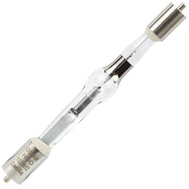 Mercury Short ARC HBO | OSRAM | 23V 100W | HBO103W/2-OS | 300
Fluorescence Microscope Olympus BX51 (Helen) | 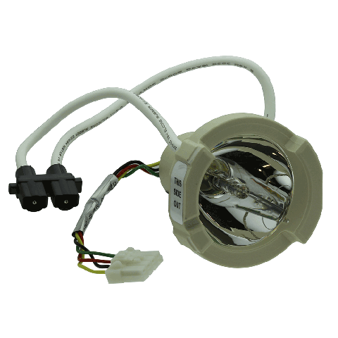 X-Cite 120 Lamp | Lumen Dynamics | 120W | 012-63000 | 2000
 | Incandescent Bulb Clear | General Electric | 120V 15W | 15S11/13 | 750
 | Tubular Light Bulb | EIKO | 130V 25W 25T8N | 43030 | 1500
 | Halogen Display/optic Lamp | OSRAM | 21V 150W Base-GX5.3 | EKE OSRAM (formely 93638 EKE) from ThomasScientific | 200
 | Halogen Photo/optic Lamp | OSRAM | 21.5V 150W Base-GX7.9 | 93639
 | Microprojection Bey / CC6 Filament | General Electric | 120V 5A G16 1/2 | CG-166-G | 100

