Sheet
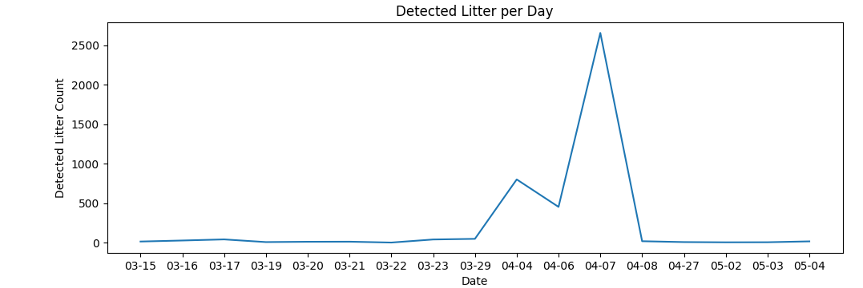
From Date | 03-15-2024 | Detected Litter per Day
To Date | 05-05-2024 | 03-15 | 15
 |  | 03-16 | 28
Total Detected Litter |  | 03-17 | 42
4180 |  | 03-19 | 8
Average Daily Detected Litter |  | 03-20 | 12
81.960784314 |  | 03-21 | 13
Total Recyclable Litter (%) |  | 03-22 | 2
88.35% |  | 03-23 | 41
Total Non-Recyclable Litter (%) |  | 03-29 | 49
11.65% |  | 04-04 | 802
 |  | 04-06 | 454
Recyclable Litter | Non-Recyclable Litter | 04-07 | 2659
Cardboard - 584 | Face mask - 73 | 04-08 | 19
Drink carton - 296 | Rags - 190 | 04-27 | 8
Glass bottle - 77 | Styrofoam - 224 | 05-02 | 5
Metal can - 193 |  | 05-03 | 6
Paper bag - 535 |  | 05-04 | 17
Paper container - 223
Paper cup - 378
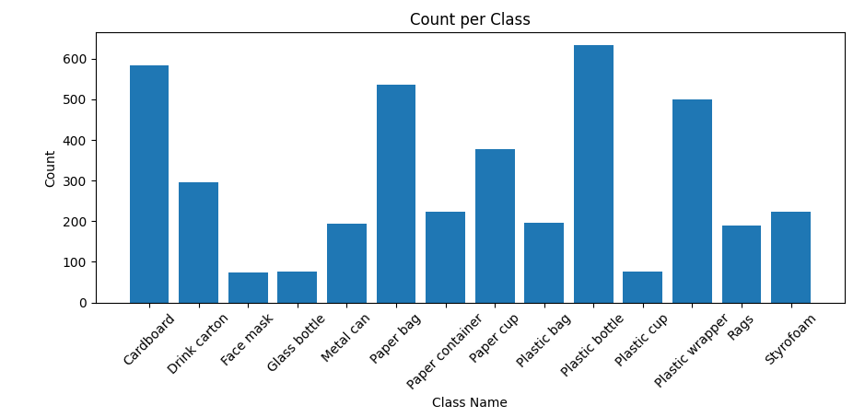
Plastic bag - 197 |  | Count per Class
Plastic bottle - 633 |  | Cardboard | 584
Plastic cup - 77 |  | Drink carton | 296
Plastic wrapper - 500 |  | Face mask | 73
 |  | Glass bottle | 77
 |  | Metal can | 193
 |  | Paper bag | 535
 |  | Paper container | 223
 |  | Paper cup | 378
 |  | Plastic bag | 197
 |  | Plastic bottle | 633
 |  | Plastic cup | 77
 |  | Plastic wrapper | 500
 |  | Rags | 190
 |  | Styrofoam | 224

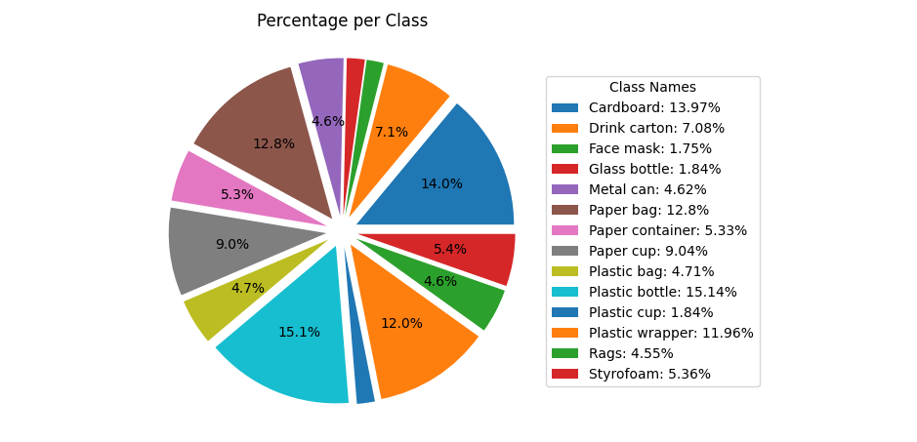
 |  | Percentage per Class
 |  | Cardboard | 13.97%
 |  | Drink carton | 7.08%
 |  | Face mask | 1.75%
 |  | Glass bottle | 1.84%
 |  | Metal can | 4.62%
 |  | Paper bag | 12.8%
 |  | Paper container | 5.33%
 |  | Paper cup | 9.04%
 |  | Plastic bag | 4.71%
 |  | Plastic bottle | 15.14%
 |  | Plastic cup | 1.84%
 |  | Plastic wrapper | 11.96%
 |  | Rags | 4.55%
 |  | Styrofoam | 5.36%

