Segmentation Tree
Index!A1
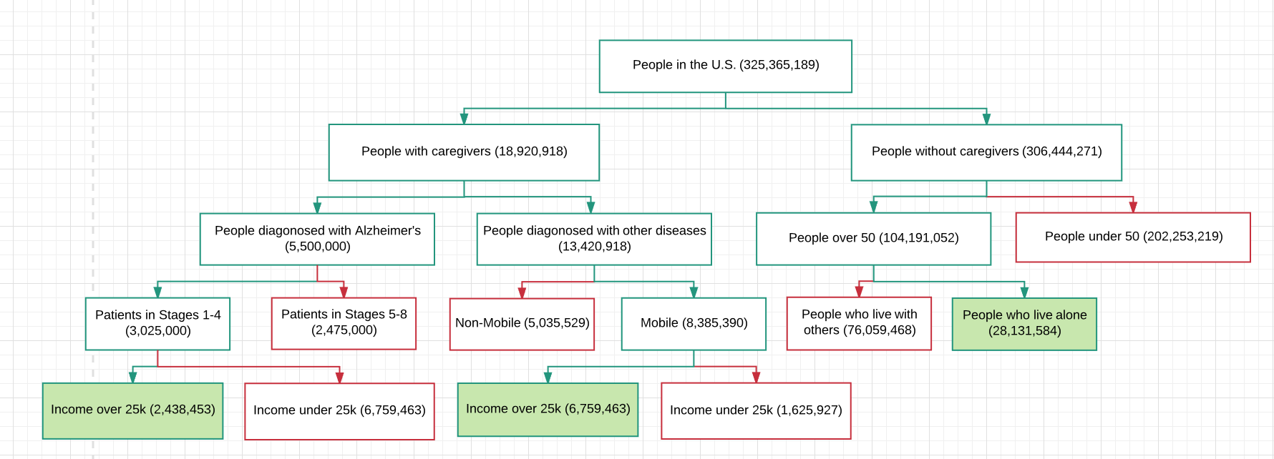

 | Carebears 1 | 2,438,453 | Carebears 2 | 6,759,463 | Lone Wolves | 28,131,584

 |  |  | Total Market: | 37,329,500.00

FE Income Statement
Fixed and Variable Expenses % of Sales
Index!A1 | RemBand Corp. Income Statement as of November 21, 2017
(In US Dollars) | Start-up | Year 1 | Year 2 | Year 3 | Year 4 | Year 5
Revenue | $- | 4,340,202 | 5,723,724 | 9,893,506 | 14,459,599 | 17,329,702
Subscription Revenue | $- | 4,092,720 | 5,473,380 | 9,696,360 | 14,745,420 | 17,823,480
Variable Costs | $- | 1,019,905 | 1,390,915 | 2,309,990 | 3,590,010 | 4,612,603
Manufacturing Overhead | $- | 201,062 | 339,225 | 415,463 | 559,869 | 607,004
Subscription Costs | $- | 5,721,623 | 7,651,785 | 13,555,511 | 20,614,097 | 24,917,225
Total Cost of Goods Sold | $- | 6,942,589 | 9,381,925 | 16,280,963 | 24,763,976 | 30,136,831
Gross Profit | $- | 1,490,334 | 1,815,180 | 3,308,902 | 4,441,042 | 5,016,351
One-time Start Up Expenses | $286,777 | - | - | - | - | -
Administrative Overhead | $- | 533,060 | 549,052 | 907,534 | 1,080,299 | 1,184,708
Marketing Expenses Excluding Sales Force | $- | 167,600 | 125,583 | 244,647 | 249,430 | 249,589
Sales Force Expense | $- | - | - | 100,000 | 103,000 | 106,090
Maufacturer's Sales Reps Commission Expense | $- | 31,195 | 68,590 | - | - | -
IS Expenses | $- | 210,522 | 250,782 | 300,025 | 445,711 | 465,191
Depreciation on original PP&E | $- | 15,796 | 15,796 | 15,796 | 15,796 | 15,796
Depreciation on new PP&E | $- | - | - | 1,828 | 1,828 | 1,828
Amortization on Intangible Assets | $- | 24,000 | 24,000 | 24,000 | 24,000 | 24,000

Earnings Before Tax | $(286,777) | 508,161 | 781,377 | 1,715,073 | 2,520,979 | 2,969,149
Taxes | $- | 177,856 | 273,482 | 600,276 | 882,343 | 1,039,202
Net income before CSR | $(286,777) | 330,304 | 507,895 | 1,114,798 | 1,638,636 | 1,929,947
CSR Initiative | $- | 9,909 | 15,237 | 33,444 | 49,159 | 57,898
Net Income | $(286,777) | 320,395 | 492,658 | 1,081,354 | 1,589,477 | 1,872,049 | Year | 1 | 2 | 3 | 4 | 5
 |  |  |  |  |  |  | Revenue | $8,432,922 | 11,197,104 | 19,589,866 | 29,205,019 | 35,153,182
Statement of Retained Earnings |  |  |  |  |  |  | Net Income | $(286,777) | 320,395 | 492,658 | 1,081,354 | 1,589,477
Net Income | $(286,777) | 320,395 | 492,658 | 1,081,354 | 1,589,477 | 1,872,049 | % Change NI |  | 211.72% | 53.77% | 119.49% | 46.99%
minus cash returned to investors (dividends) | $- | - | (150,231) | (103,769) | (605,215) | (1,299,902) | NI % of Revenue | -3.40% | 2.86% | 2.51% | 3.70% | 4.52%
Retained Earnings | $(286,777) | 320,395 | 342,428 | 977,585 | 984,262 | 572,147
Annual Revenues and Net Income
increase (decrease) in Retained Earnings | $(286,777) | 607,172 | 22,032 | 635,158 | 6,677 | (412,115)

Income Statement Financial Ratios
COGS % Sales |  | 82.33% | 83.79% | 83.11% | 84.79% | 85.73%
Gross Margin % Sales |  | 17.67% | 16.21% | 16.89% | 15.21% | 14.27%
Net Income % Sales |  | 3.92% | 4.54% | 5.69% | 5.61% | 5.49%
SG&A % Sales (including depreciation and amortization) |  | 11.65% | 9.23% | 8.14% | 6.57% | 5.82%
Marketing Expenses % Sales |  | 2.36% | 1.73% | 1.76% | 1.21% | 1.01%
ROE |  | 26.85% | 32.08% | 43.03% | 45.45% | 46.00%
ROA |  | 10.92% | 12.67% | 16.40% | 16.38% | 16.10%
Return on Sales |  | 6.03% | 6.98% | 8.75% | 8.63% | 8.45%

EBT by Unit Sales

FE Balance Sheet
Index!A1 | RemBand Corp. Balance Sheet as of November 21, 2017
(In US Dollars) | Time 0 | Year 1 | Year 2 | Year 3 | Year 4 | Year 5 | PERCENT OF SALES | Year 1 | Year 2 | Year 3 | Year 4 | Year 5
Current Assets |  |  |  |  |  |  | Current Assets
Cash reserves | $161,984 | 421,646 | 559,855 | 979,493 | 1,460,251 | 1,757,659 | Cash reserves | 5.00% | 5.00% | 5.00% | 5.00% | 5.00%
A/R Online | $- | 1,782,604 | 2,213,413 | 3,345,521 | 3,347,440 | 3,622,924 | A/R Online | 21.14% | 19.77% | 17.08% | 11.46% | 10.31%
A/R Other | $- | 179,444 | 391,764 | 1,212,361 | 3,447,554 | 4,556,002 | A/R Other | 2.13% | 3.50% | 6.19% | 11.80% | 12.96%
Accounts Receivable | $- | 1,962,048 | 2,605,178 | 4,557,882 | 6,794,995 | 8,178,926 | Accounts Receivable | 23.27% | 23.27% | 23.27% | 23.27% | 23.27%
Raw Materials and WIP | $64,134 | 192,401 | 346,012 | 625,366 | 948,158 | 1,149,894 | Raw Materials and WIP | 2.28% | 3.09% | 3.19% | 3.25% | 3.27%
Finished Goods Inventory | $26,156 | 78,469 | 137,295 | 225,289 | 337,243 | 414,938 | Finished Goods Inventory | 0.93% | 1.23% | 1.15% | 1.15% | 1.18%
Total Current Assets | $252,274 | 2,654,564 | 3,648,340 | 6,388,030 | 9,540,646 | 11,501,416 | Total Current Assets | 31.48% | 32.58% | 32.61% | 32.67% | 32.72%
Fixed Assets |  |  |  |  |  |  | Fixed Assets
Gross Fixed Assets | $78,979 | 78,979 | 78,979 | 88,118 | 88,118 | 88,118 | Gross Fixed Assets | 0.94% | 0.71% | 0.45% | 0.30% | 0.25%
Accumulated Depreciation On Original PPE | $- | (15,796) | (31,592) | (47,387) | (63,183) | (78,979) | Accumulated Depreciation On Original PPE | -0.19% | -0.28% | -0.24% | -0.22% | -0.22%
Accumulated Depreciation On New PPE | $- | - | - | (1,828) | (3,656) | (5,484) | Accumulated Depreciation On New PPE | 0.00% | 0.00% | -0.01% | -0.01% | -0.02%
Intangible Assets Software IP | $240,000 | 240,000 | 240,000 | 240,000 | 240,000 | 240,000 | Intangible Assets Software IP | 2.85% | 2.14% | 1.23% | 0.82% | 0.68%
Accumulated Amortization | $- | (24,000) | (48,000) | (72,000) | (96,000) | (120,000) | Accumulated Amortization | -0.28% | -0.43% | -0.37% | -0.33% | -0.34%
Net Fixed Assets | $318,979 | 279,183 | 239,387 | 206,903 | 165,279 | 123,656 | Net Fixed Assets | 3.31% | 2.14% | 1.06% | 0.57% | 0.35%
TOTAL ASSETS | $571,253 | 2,933,747 | 3,887,727 | 6,594,933 | 9,705,925 | 11,625,072 | TOTAL ASSETS | 34.79% | 34.72% | 33.67% | 33.23% | 33.07%

Current Liabilities |  |  |  |  |  |  | Current Liabilities
Accounts Payable | $- | 1,740,539 | 2,352,091 | 4,081,712 | 6,208,442 | 7,555,441 | Accounts Payable | 20.64% | 21.01% | 20.84% | 21.26% | 21.49%
Current Liabilities | $- | 1,740,539 | 2,352,091 | 4,081,712 | 6,208,442 | 7,555,441 | Current Liabilities | 20.64% | 21.01% | 20.84% | 21.26% | 21.49%
Equity |  |  |  |  |  |  | Equity | 0.00% | 0.00% | 0.00% | 0.00% | 0.00%
Paid in Capital (Cumulative) | $858,030 | 1,159,590 | 1,159,590 | 1,159,590 | 1,159,590 | 1,159,590 | Paid in Capital (Cumulative) | 13.75% | 10.36% | 5.92% | 3.97% | 3.30%
Retained Earnings (Cumulative) | $(286,777) | 33,618 | 376,046 | 1,353,631 | 2,337,893 | 2,910,040 | Retained Earnings (cumulative) | 0.40% | 3.36% | 6.91% | 8.01% | 8.28%
Total Equity | $571,253 | 1,193,208 | 1,535,636 | 2,513,221 | 3,497,483 | 4,069,630 | Total Equity | 14.15% | 13.71% | 12.83% | 11.98% | 11.58%
TOTAL LIABILTIES AND EQUITY | $571,253 | 2,933,747 | 3,887,727 | 6,594,933 | 9,705,925 | 11,625,072 | TOTAL LIABILTIES AND EQUITY | 34.79% | 34.72% | 33.67% | 33.23% | 33.07%

Changes in Net Working Capital
Total Assets - Total Liabilities & Equity | Balanced | Balanced | Balanced | Balanced | Balanced | Balanced
 | $- | $- | $- | $- | $- | $-

 | 0 | 1 | 2 | 3 | 4 | 5
Net Working Capital Balance | $252,274 | $914,025 | $1,296,249 | $2,306,318 | $3,332,204 | $3,945,975
Change in NWC | $252,274 | $661,751 | $382,223 | $1,010,069 | $1,025,886 | $613,771

Balance Sheet Financial Ratios
Accounts Receivable Days (% of revenue) |  | 84.92 | 84.92 | 84.92 | 84.92 | 84.92
Accounts Receivable Online Days (% of revenue) |  | 3.00 | 3.00 | 3.00 | 3.00 | 3.00
Accounts Payable Days (% of COGS) |  | 91.51 | 91.51 | 91.51 | 91.51 | 91.51
Inventory Days (% of COGS) |  | 4.13 | 5.34 | 5.05 | 4.97 | 5.03

FE Cash Flow
Index!A1 | RemBand Corp. Statement of Cash Flows as of November 21, 2017
(In US Dollars) |  | Year 0 | Year 1 | Year 2 | Year 3 | Year 4 | Year 5 |  | Free Cash Flows | 0 | 1 | 2 | 3 | 4 | 5 | 6
Initial Investment in Fixed Assets |  | $(318,979) |  |  |  |  |  |  | FCF | $(858,030) | $(301,560) | $150,231 | $103,769 | $605,215 | $1,299,902 | $1,299,902
 |  |  |  |  |  |  |  |  | % Change | 0.00% | 135.15% | 149.82% | -30.93% | 483.23% | 114.78% | 0.00%
Net Income |  | $(286,777) | 320,395 | 492,658 | 1,081,354 | 1,589,477 | 1,872,049
Free Cash Flows
+ Depreciation |  | $- | 15,796 | 15,796 | 17,624 | 17,624 | 17,624
+ Amortization |  | $- | 24,000 | 24,000 | 24,000 | 24,000 | 24,000
less Change in Net Working Capital |  | $252,274 | 661,751 | 382,223 | 1,010,069 | 1,025,886 | 613,771
less Capital Investment |  | $- | - | - | 9,139 | - | -
Net Free Cash Flow* |  | $(858,030) | (301,560) | 150,231 | 103,769 | 605,215 | 1,299,902 | 1,299,902
Net FCF % Change |  |  | 135.15% | 149.82% | -30.93% | 483.23% | 114.78% | 0.00%
Terminal Value of Business * |  | $- | - | - | - | - | 4,847,304 | Perpetuity
 |  |  |  |  |  |  | 1,070,621 | Liquidation
 |  |  |  |  |  |  | 3,714,299 | Weighted Avg. TV
Total Cash Flow |  | $(858,030) | (301,560) | 150,231 | 103,769 | 605,215 | 5,014,201
NI Percent Change |  |  | 189.51% | 34.97% | 54.44% | 31.97% | 15.09%
Total Cash Flow % Change |  |  | 135.15% | 149.82% | -30.93% | 483.23% | 728.50%

Net Present Value: Including TV | $811,133
Discount Rate | 26.82%

Internal Rate of Return: including TV | 43.70%

BETA 5Y | Source: Capital IQ | Weight
FitBit | 2.52 | 0.7
Garmin | 0.82 | 0.3
Weighted Average | 2.01 | 1

Treasury Rate (3 years) | 0.017
Source: US Dept of Treasury
Equity Premium | Source: Morningstar
Standard | 0.067
Small Cap Premium | 0.1165

CAPM | 0.26817

NPV Profile
Index!A1
Discount Rate | NPV
10% | $2,596,739
NPV Profile
11% | $2,442,458
12% | $2,296,161
13% | $2,157,369
14% | $2,025,637
15% | $1,900,547
16% | $1,766,703
17% | $1,668,768
18% | $1,561,377
19% | $1,459,223
20% | $1,362,010
21% | $1,269,460
22% | $1,181,314
23% | $1,097,330
24% | $1,017,279
25% | $940,949
26% | $868,138
27% | $798,659
26.28%
28% | $732,335
29% | $669,001
30% | $592,175
31% | $550,684
32% | $495,418
33% | $442,569
34% | $392,017
35% | $343,645
36% | $297,344
37% | $253,013
38% | $210,553
39% | $169,874 | X = Discount Rate
40% | $130,890
41% | $93,518
42% | $57,682
43% | $23,309
44% | $(9,671)
45% | $(41,321)
46% | $(71,706)
47% | $(100,881)
48% | $(128,905)
49% | $(155,827)
50% | $(181,700)

Service Subscription Model
Index!A1
Subscription Service |  |  | Year 1 | Year 2 | Year 3 | Year 4 | Year 5
Total Users Purchased RemBand |  |  | 68,212 | 91,223 | 161,606 | 245,757 | 297,058
% Users Purchase Subscription | will have to grow / decline yearly |  | 100% | 100% | 100% | 100% | 100% | Subscriber Percentage | 100%
Total Users Purchasing Subscription |  |  | 68,212 | 91,223 | 161,606 | 245,757 | 297,058
Average Yearly Retention Rate | Duration of Annual Contracts |  | 1.00 | 1.00 | 1.00 | 1.00 | 1.00 | Average Yearly Retention | 1
Price of Subscription per year | probably $15-20 / month rate |  | $60.00 | $60.00 | $60.00 | $60.00 | $60.00 | Price / Month | $5.00
Revenue Per Subscription |  |  | $4,092,720.00 | $5,473,380.00 | $9,696,360.00 | $14,745,420.00 | $17,823,480.00
% Change |  |  |  | 33.73% | 77.15% | 52.07% | 20.87%
 |  |  |  |  |  |  |  | SIM Card Cost (per month) | Yr 1 | Yr 2 | Yr 3 | Yr 4 | Yr 5
Costs of Operating | Separate from IT COSTS |  | Year 1 | Year 2 | Year 3 | Year 4 | Year 5 | 2.99 | $2,447,446.56 | $3,273,081.24 | $5,798,423.28 | $8,817,761.16 | $10,658,441.04
SIM Card Provider |  |  | $2,447,446.56 | $3,273,081.24 | $5,798,423.28 | $8,817,761.16 | $10,658,441.04 |  | vCPU | ECU | Memory (GiB) | Instance Storage (GB) | Linux/UNIX Usage | Cost per Hour | # Hours a Year
Servers | AWS |  | $3,274,176.00 | $4,378,704.00 | $7,757,088.00 | $11,796,336.00 | $14,258,784.00 | Specs | c4.large | 2 | 8 | 3.75 | EBS Only | $0.10 | 8,760
Cost Per Subscription |  |  | $5,721,622.56 | $7,651,785.24 | $13,555,511.28 | $20,614,097.16 | $24,917,225.04 | Scaling Costs (Multiplier) | 3,737.64 | 4,998.52 | 8,855.12 | 13,466.14 | 16,277.15

Unadjusted Subscription Rev and Costs | 1 | 2 | 3 | 4 | 5
Rev | $4,092,720 | $5,473,380 | $9,696,360 | $14,745,420 | $17,823,480
Costs | $5,721,623 | $7,651,785 | $13,555,511 | $20,614,097 | $24,917,225

Adjusted Subscription Rev and Costs | 1 | 2 | 3 | 4 | 5
Rev | $4,092,720 | $5,473,380 | $9,696,360 | $14,745,420 | $17,823,480
SIM Costs | $2,447,447 | $3,273,081 | $5,798,423 | $8,817,761 | $10,658,441

Unadjusted Subscription Revenue and Costs
Adjusted Subscription Revenue and Costs

Influence Chart
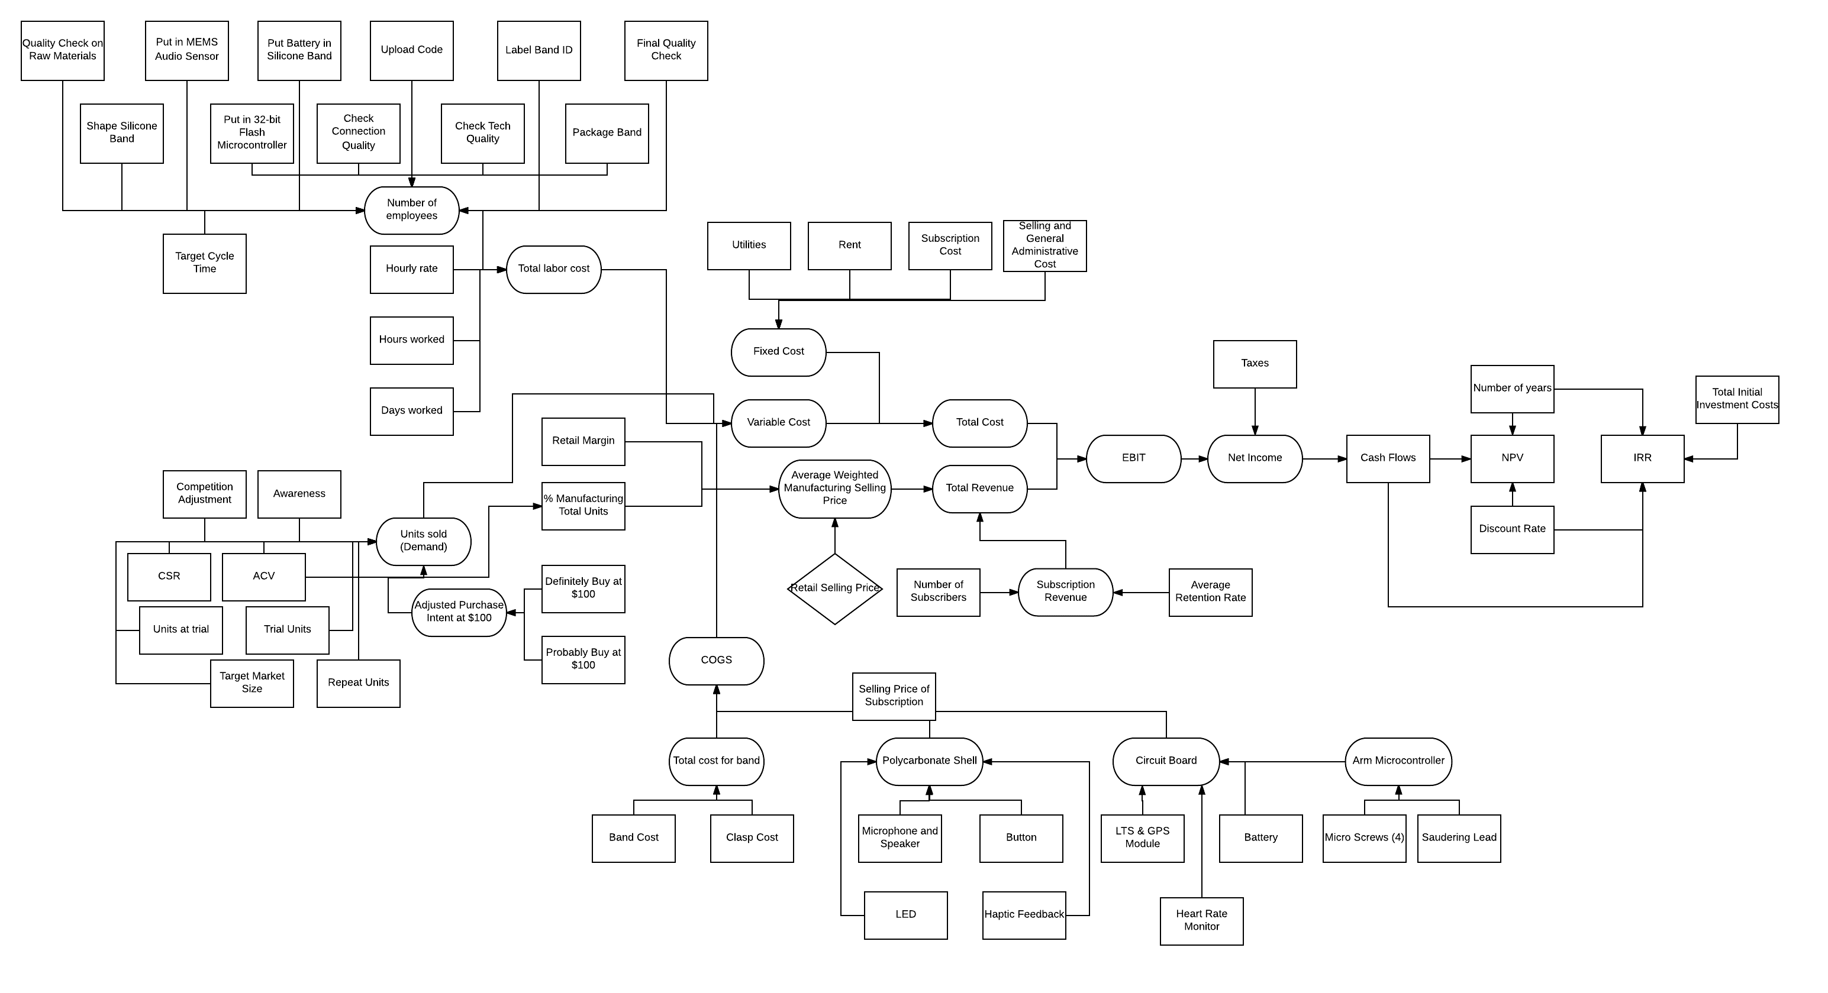
Index!A1

