Data
 |  |  |  |  |  |  |  |  |  | TPC-H: Key Verification

 | Verify PartSupp PK |  |  |  |  |  |  |  |  |  | Verify LineItem PK

 |  |  |  | Forbidden pattern |  |  |  |  |  |  |  |  |  | Forbidden pattern

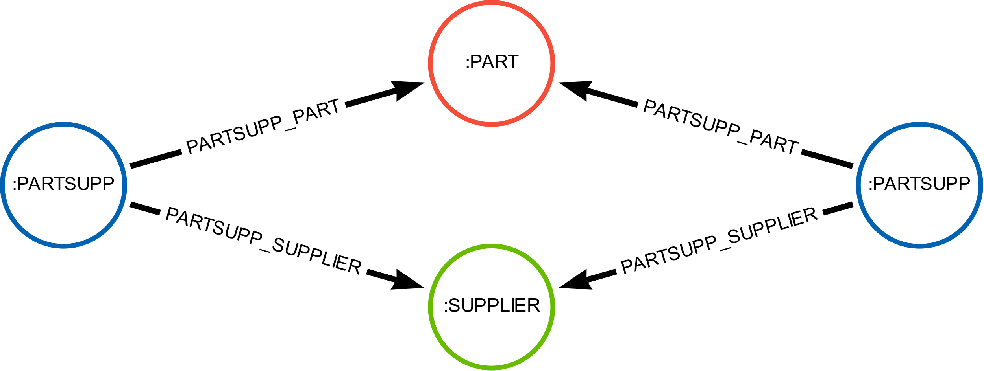
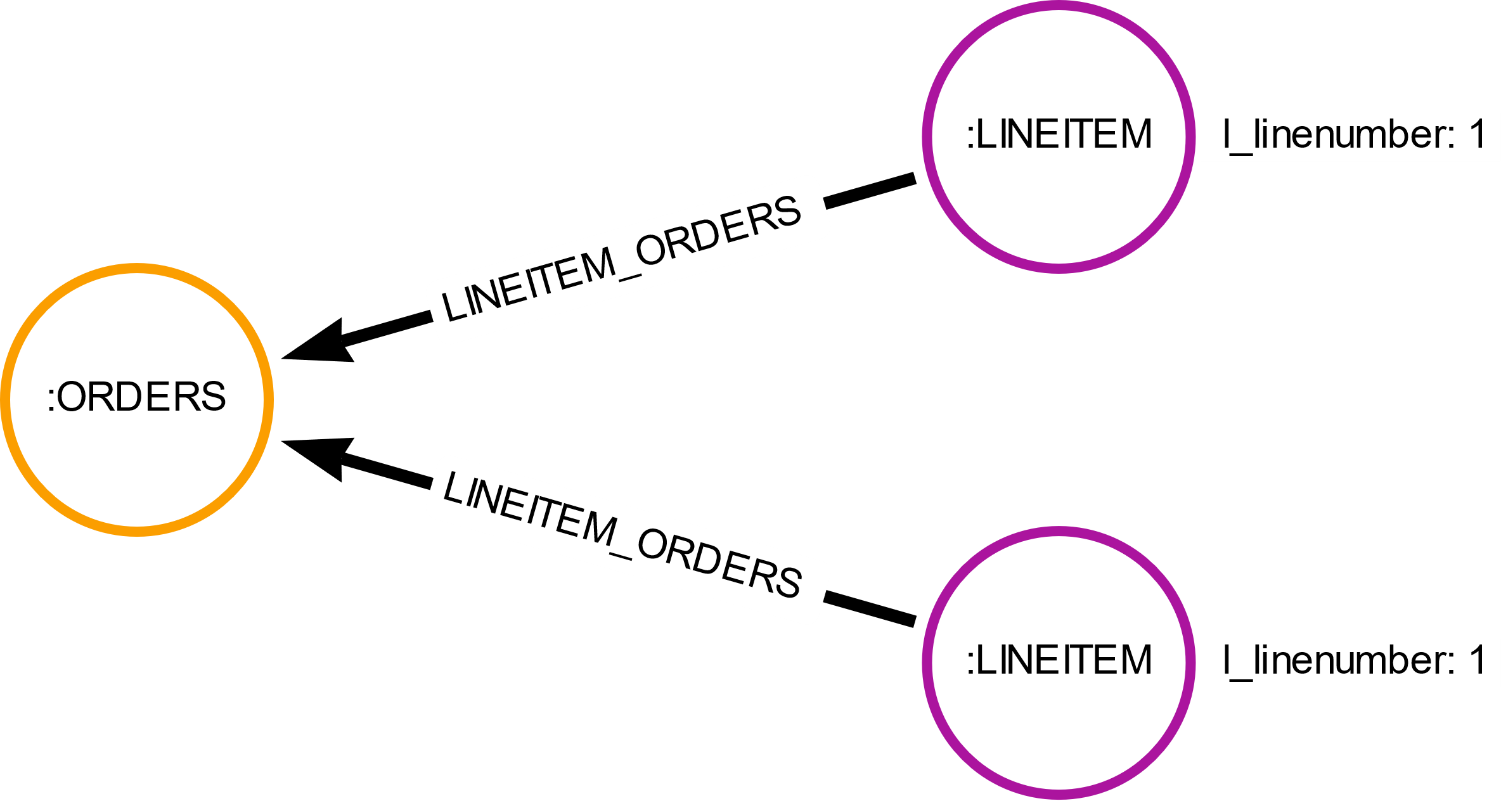

 |  | Cypher: |  |  | 20% | 40% | 60% | 80% | 100% |  |  | Cypher: |  |  | 20% | 40% | 60% | 80% | 100%

 |  |  |  |  |  | with index on partkey and suppkey |  |  |  |  |  |  |  |  |  | with index on orderkey and linenumber
All properties duplicated (relational model) / |  |  | X |  |  |  |  |  |  |  |  |  | X
Only FKs that are PKs duplicated:
 |  |  | X |  |  |  |  |  |  |  |  |  | X
TPC-H small |  | MATCH (ps1:PARTSUPP), (ps2:PARTSUPP) | X | db hits: | 3202 | 6402 | 9602 | 12802 | 16002 |  |  | MATCH (l1:LINEITEM), (l2:LINEITEM) | X | db hits: | 24072 | 48142 | 72212 | 96282 | 120352
 |  | WHERE id(ps1) < id(ps2) AND ps1.ps_partkey = ps2.ps_partkey AND ps1.ps_suppkey = ps2.ps_suppkey | X | time (ms): | 6 | 17 | 41 | 61 | 108 |  |  | WHERE id(l1) < id(l2) AND l1.l_orderkey = l2.l_orderkey AND l1.l_linenumber = l2.l_linenumber | X | time (ms): | 3006 | 12966 | 32165 | 52640 | 91258
 |  | RETURN ps1, ps2 | X |  |  |  |  |  |  |  |  | RETURN l1,l2 | X
TPC-H medium |  |  | X | db hits: | 32002 | 64002 | 96002 | 128002 | 160002 |  |  |  | X | db hits: | 240230 | 480460 | 720688 | 960918 | 1201146
 |  |  | X | time (ms): | 76 | 199 | 394 | 789 | 1288 |  |  |  | X | time (ms): | 464062 | 2145899 | 4789498 | 8441337 | 11562701
 |  |  | X |  |  |  |  |  |  |  |  |  | X
TPC-H large |  |  | X | db hits: | 320002 | 640002 | 960002 | 1280002 | 1600002 |  |  |  | X | db hits: | 2400488 | 9601967 | 15623988 | 20602347 | 26400286
 |  |  | X | time (ms): | 785 | 2489 | 4589 | 7439 | 11669 |  |  |  | X | time (ms): | 54833585 | 83933278 | 123432445 | 194955289 | 246985775
 |  |  | X |  |  |  |  |  |  |  |  |  | X
 |  |  | X |  |  |  |  |  |  |  |  |  | X
No FKs duplicated at all: |  |  | X |  |  |  |  |  |  |  |  |  | X
 |  |  | X |  |  |  |  |  |  |  |  |  | X
TPC-H small |  | MATCH pattern1 = (s:SUPPLIER)<-[]-(ps1:PARTSUPP)-[]->(p:PART), pattern2 = (s:SUPPLIER)<-[]-(ps2:PARTSUPP)-[]->(p:PART) | X | db hits: | 43543 | 110203 | 198478 | 309434 | 442701 |  |  | MATCH pattern = (l1:LINEITEM)-[]->(o:ORDERS)<-[]-(l2:LINEITEM) | X | db hits: | 168492 | 336982 | 505472 | 673962 | 842452
 |  | WHERE id(ps1) < id(ps2) | X | time (ms): | 8 | 11 | 15 | 22 | 32 |  |  | WHERE id(l1) < id(l2) AND l1.l_linenumber = l2.l_linenumber | X | time (ms): | 28 | 34 | 51 | 66 | 82
 |  | RETURN pattern1, pattern2 | X |  |  |  |  |  |  |  |  | RETURN pattern | X
TPC-H medium |  |  | X | db hits: | 430674 | 1078045 | 1939463 | 3015675 | 4302289 |  |  |  | X | db hits: | 1681598 | 3363208 | 5977397 | 7419126 | 8860929
 |  |  | X | time (ms): | 49 | 99 | 170 | 263 | 377 |  |  |  | X | time (ms): | 254 | 386 | 489 | 547 | 686
 |  |  | X |  |  |  |  |  |  |  |  |  | X
TPC-H large |  |  | X | db hits: | 4027694 | 8336994 | 15056519 | 19281282 | 23282432 |  |  |  | X | db hits: | 36366256 | 45647107 | 59719274 | 74122357 | 88530831
 |  |  | X | time (ms): | 410 | 967 | 2023 | 3371 | 4310 |  |  |  | X | time (ms): | 9601 | 12236 | 14139 | 15891 | 17696
 |  |  | X |  |  |  |  |  |  |  |  |  | X
 |  |  | X |  |  |  |  |  |  |  |  |  | X

