Data
 |  |  |  |  |  |  | TPC-H: Key Verification

 | Verify PartSupp PK |  |  |  |  |  |  | Verify LineItem PK

 |  |  |  | Forbidden pattern |  |  |  |  |  |  | Forbidden pattern

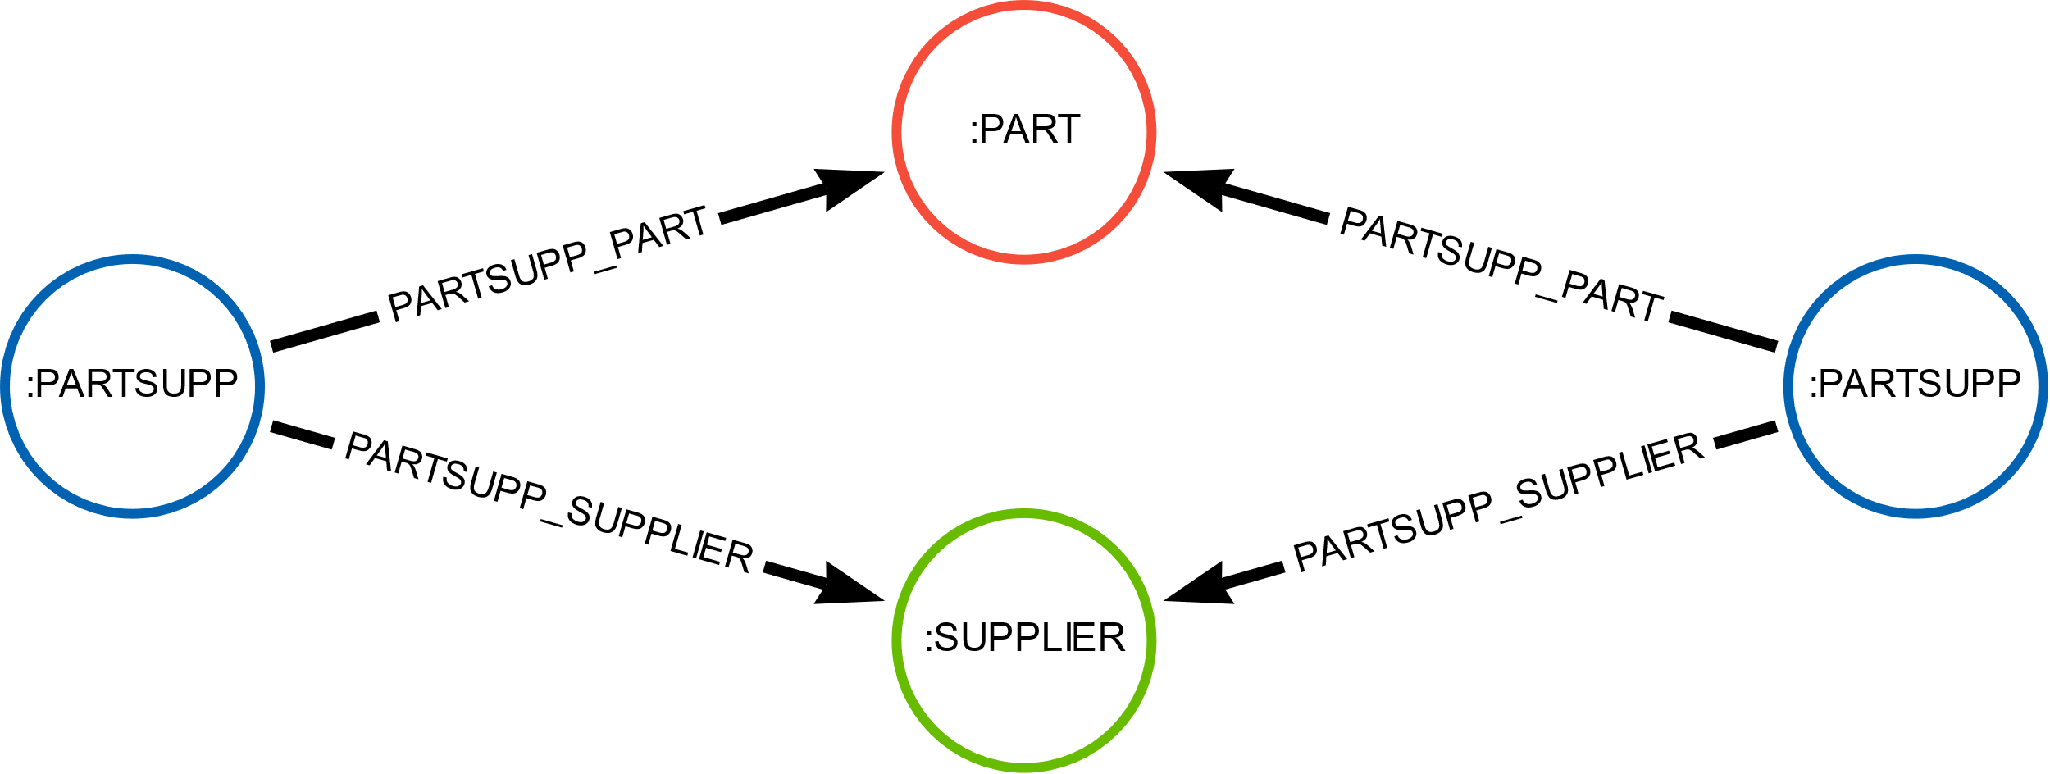
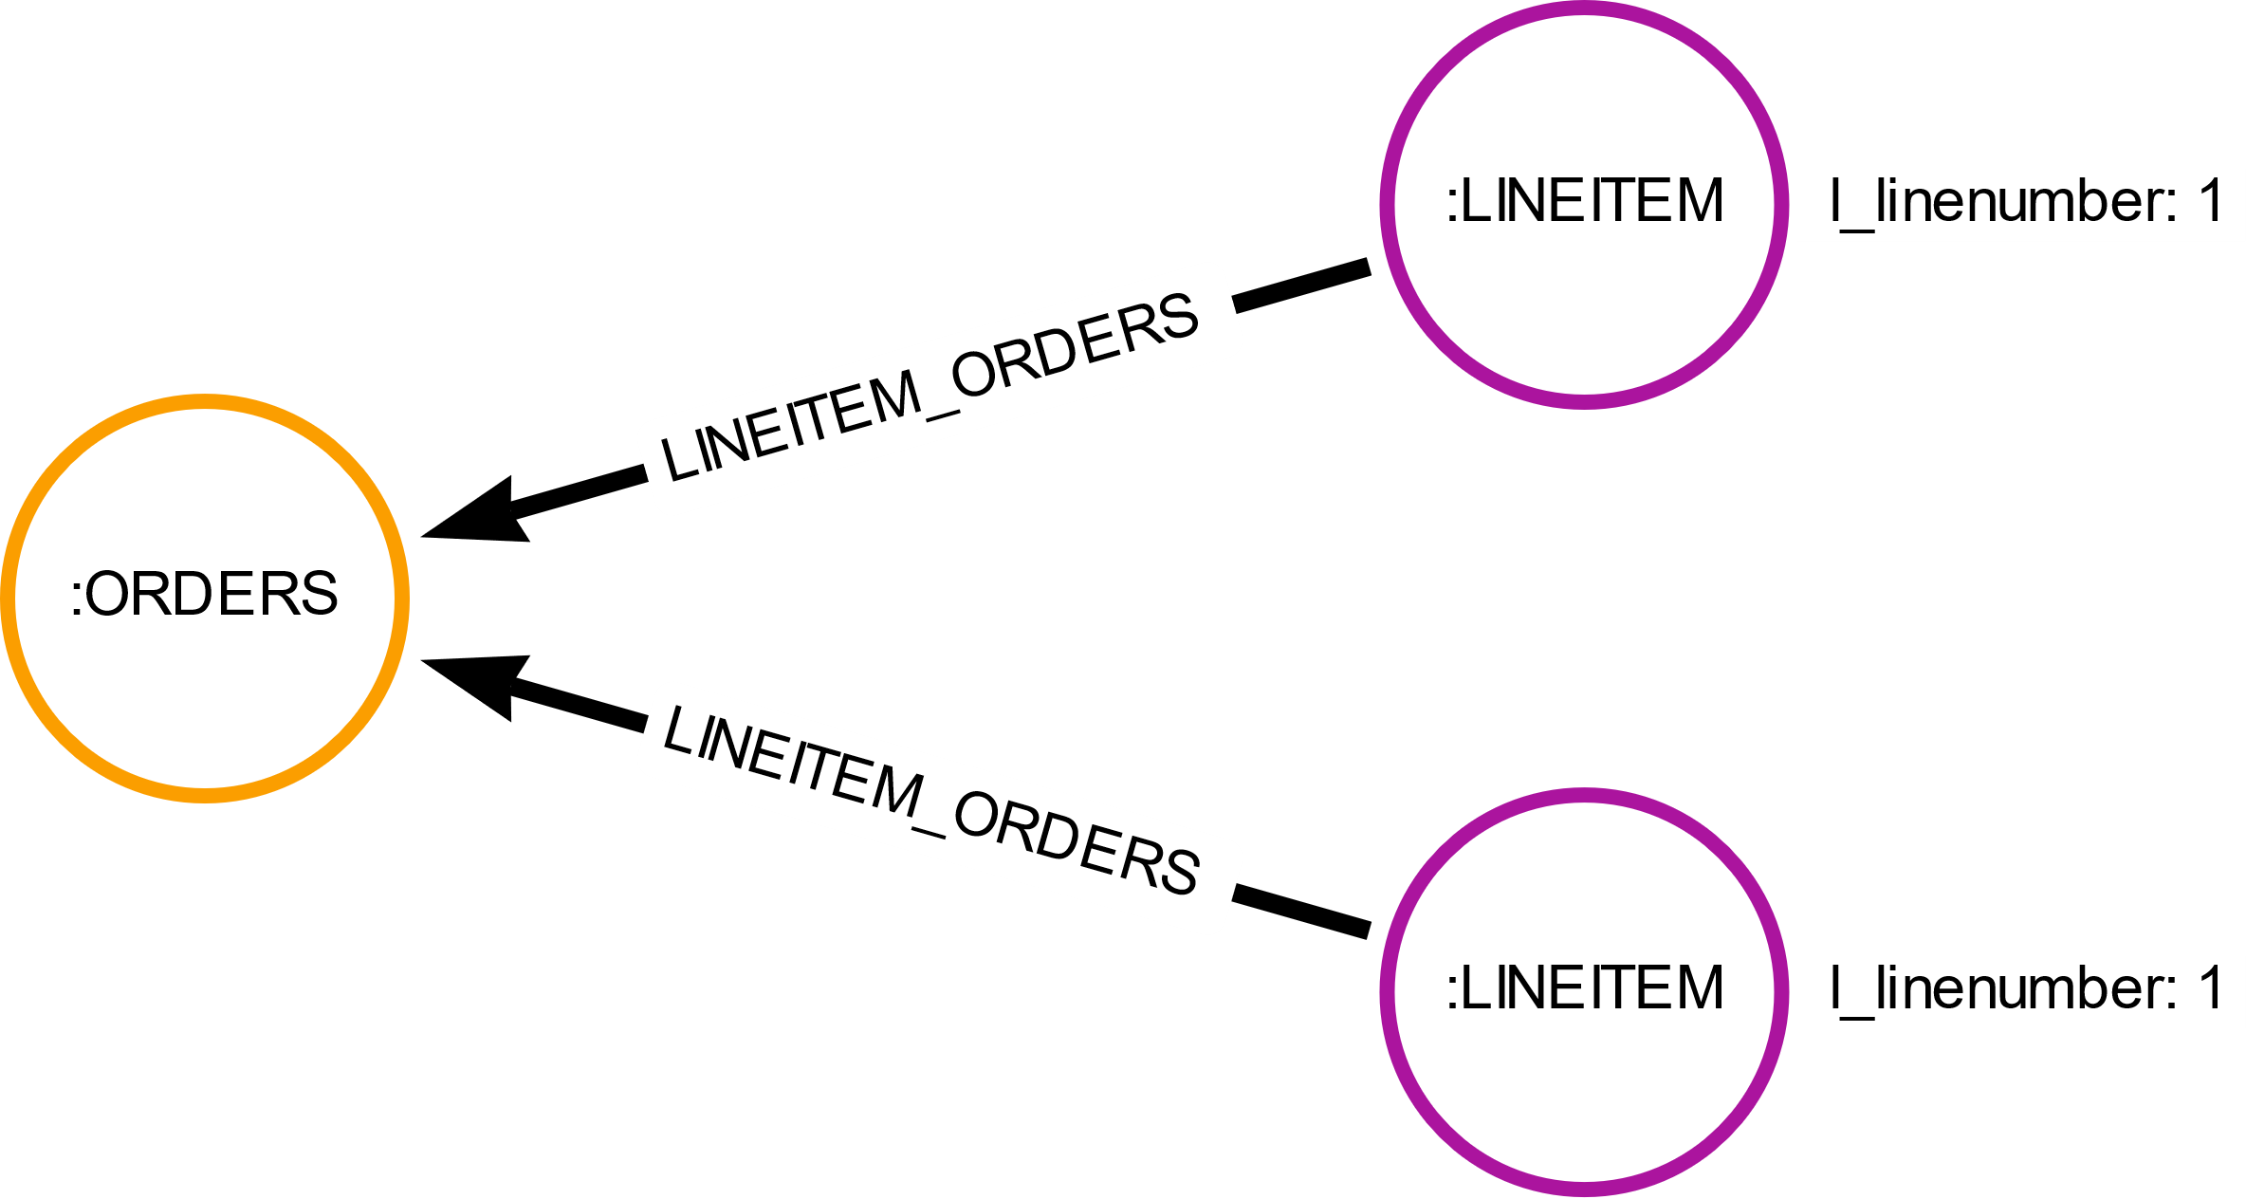

 |  |  |  |  | index on partkey, suppkey for PARTSUPP nodes |  |  |  |  |  |  | index on orderkey, linenumber for LINEITEM nodes
 |  | Cypher: |  |  | with index | without index |  |  | Cypher: |  |  | with index | without index

All properties duplicated (relational model): |  |  | X |  |  |  |  |  |  | X
 |  |  | X |  |  |  |  |  |  | X
TPC-H small |  | MATCH (ps1:PARTSUPP{ps_partkey: <partkey>, ps_suppkey: <suppkey>}), (ps2:PARTSUPP{ps_partkey: <partkey>, ps_suppkey: <suppkey>}) | X | db hits: | 0 | 24161 |  |  | MATCH (l1:LINEITEM{l_orderkey: <orderkey>, l_linenumber: <linenumber>}), (l2:LINEITEM{l_orderkey: <orderkey>, l_linenumber: <linenumber>}) | X | db hits: | 0 | 180526
 |  | WHERE id(ps1) < id(ps2) | X | time (ms): | 0.348 | 5.617 |  |  | WHERE id(l1) < id(l2) | X | time (ms): | 0.466 | 34.877
 |  | RETURN ps1, ps2 | X |  |  |  |  |  | RETURN l1,l2 | X
TPC-H medium |  |  | X | db hits: | 0 | 240009 |  |  |  | X | db hits: | 0 | 1801729
 |  |  | X | time (ms): | 0.364 | 14.949 |  |  |  | X | time (ms): | 0.526 | 206.668
 |  |  | X |  |  |  |  |  |  | X
TPC-H large |  |  | X | db hits: | 0 | 2400161 |  |  |  | X | db hits: | 0 | 18003658
 |  |  | X | time (ms): | 0.426 | 203.713 |  |  |  | X | time (ms): | 0.527 | 26721.735
 |  |  | X |  |  |  |  |  |  | X
Only FKs that are PKs duplicated: |  |  | X |  |  |  |  |  |  | X
 |  |  | X |  |  |  |  |  |  | X
TPC-H small |  | MATCH (ps1:PARTSUPP{ps_partkey: <partkey>, ps_suppkey: <suppkey>}), (ps2:PARTSUPP{ps_partkey: <partkey>, ps_suppkey: <suppkey>}) | X | db hits: | 0 | 24161 |  |  | MATCH (l1:LINEITEM{l_orderkey: <orderkey>, l_linenumber: <linenumber>}), (l2:LINEITEM{l_orderkey: <orderkey>, l_linenumber: <linenumber>}) | X | db hits: | 0 | 180526
 |  | WHERE id(ps1) < id(ps2) | X | time (ms): | 0.275 | 4.042 |  |  | WHERE id(l1) < id(l2) | X | time (ms): | 0.43 | 33.783
 |  | RETURN ps1, ps2 | X |  |  |  |  |  | RETURN l1,l2 | X
TPC-H medium |  |  | X | db hits: | 0 | 240009 |  |  |  | X | db hits: | 0 | 1801729
 |  |  | X | time (ms): | 0.288 | 13.694 |  |  |  | X | time (ms): | 0.458 | 215.784
 |  |  | X |  |  |  |  |  |  | X
TPC-H large |  |  | X | db hits: | 0 | 2400161 |  |  |  | X | db hits: | 0 | 18003658
 |  |  | X | time (ms): | 0.364 | 142.031 |  |  |  | X | time (ms): | 0.468 | 15260.388
 |  |  | X |  |  |  |  |  |  | X
No FKs duplicated at all: |  |  | X |  |  |  |  |  |  | X
 |  |  | X |  |  |  |  |  |  | X
TPC-H small |  | MATCH (s:SUPPLIER)<-[]-(ps1:PARTSUPP{ps_partkey: <partkey>, ps_suppkey: <suppkey>})-[]->(p:PART), (s:SUPPLIER)<-[]-(ps2:PARTSUPP{ps_partkey: <partkey>, ps_suppkey: <suppkey>})-[]->(p:PART) | X | db hits: | N/A | 65 |  |  | MATCH (l1:LINEITEM{l_linenumber: <linenumber>})-[]->(o:ORDERS{o_orderkey: <ordkerkey>})<-[]-(l2:LINEITEM{l_linenumber: <linenumber>}) | X | db hits: | N/A | 16
 |  | WHERE id(ps1) < id(ps2) | X | time (ms): | N/A | 0.244 |  |  | WHERE id(l1) < id(l2) | X | time (ms): | N/A | 0.332
 |  | RETURN ps1, ps2 | X |  |  |  |  |  | RETURN l1, l2 | X
TPC-H medium |  |  | X | db hits: | N/A | 69 |  |  |  | X | db hits: | N/A | 16
 |  |  | X | time (ms): | N/A | 0.255 |  |  |  | X | time (ms): | N/A | 0.368
 |  |  | X |  |  |  |  |  |  | X
TPC-H large |  |  | X | db hits: | N/A | 70 |  |  |  | X | db hits: | N/A | 16
 |  |  | X | time (ms): | N/A | 0.282 |  |  |  | X | time (ms): | N/A | 0.426
 |  |  | X |  |  |  |  |  |  | X
 |  |  | X |  |  |  |  |  |  | X
 |  |  | X |  |  |  |  |  |  | X

 |  |  |  | small |  |  |  |  |  |  |  | small

 |  |  |  | medium |  |  |  |  |  |  |  | medium

 |  |  |  | large |  |  |  |  |  |  |  | large

