Vehicle types
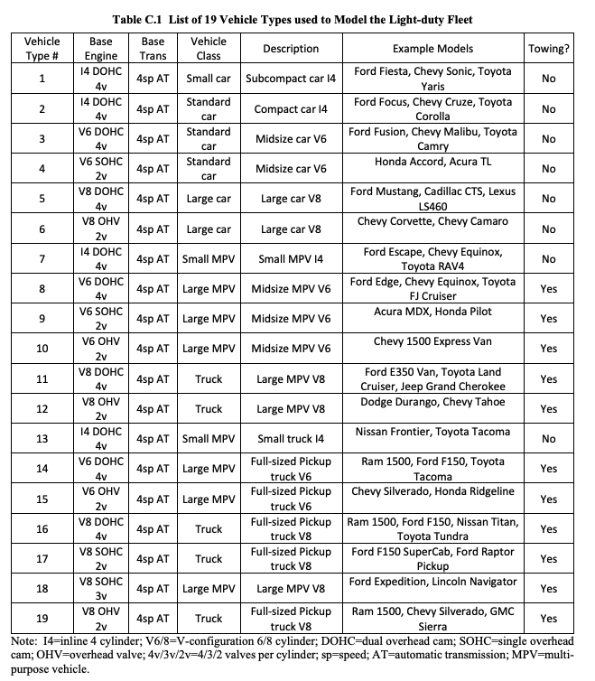

 | Total vehicles |  | Into lcv/suv/passenger |  | Into powertrain |  | Into engine
 | 100% | passenger | 50 | diesel | 2.21 | Standard engine | 0.022763
 |  |  |  |  |  | V6 variable geometry turbo | 0
 |  |  |  |  |  | I4 variable geometry turbo | 1.990547
 |  |  |  |  |  | I4 twin turbo | 0.19669
 |  |  |  |  |  | Downsized turbo | 0
 |  |  |  | petrol | 46.26 | MPFI (SOHC/fixed timing)
 |  |  |  |  |  | MPFI (DOHC/fixed timing)
 |  |  |  |  |  | MPFI (DOHC/VVT/VVTL)
 |  |  |  |  |  | DI + turbo/downsizing
 |  |  |  |  |  | Stoich direct injection
 |  | suv | 35 | diesel | 11.291 | Standard engine
 |  |  |  |  |  | V6 variable geometry turbo
 |  |  |  |  |  | I4 variable geometry turbo
 |  |  |  |  |  | I4 twin turbo
 |  |  |  |  |  | Downsized turbo
 |  |  |  | petrol | 23.4115 | MPFI (SOHC/fixed timing)
 |  |  |  |  |  | MPFI (DOHC/fixed timing)
 |  |  |  |  |  | MPFI (DOHC/VVT/VVTL)
 |  |  |  |  |  | DI + turbo/downsizing
 |  |  |  |  |  | Stoich direct injection
 |  | lcv | 15 | diesel | 13.215 | Standard engine
 |  |  |  |  |  | V6 variable geometry turbo
 |  |  |  |  |  | I4 variable geometry turbo
 |  |  |  |  |  | I4 twin turbo
 |  |  |  |  |  | Downsized turbo
 |  |  |  | petrol | 1.605 | MPFI (SOHC/fixed timing)
 |  |  |  |  |  | MPFI (DOHC/fixed timing)
 |  |  |  |  |  | MPFI (DOHC/VVT/VVTL)
 |  |  |  |  |  | DI + turbo/downsizing
 |  |  |  |  |  | Stoich direct injection

 |  |  | (I've made these up fo the moment)
broadly speaking types1-6 are passenger, 7-13 are suv, and 14-19 are lcv

