Sheet1
 | light commercial vehicles | passenger | all
2002 |  | 2.5396306899
2003 | 5.4230931233 | 5.4230931233 | 6.73866374
2004 | 9.1182231971 | 9.1188438331 | 7.53753775
2005 | 14.426083846 | 12.360453967 | 9.81053107
2006 | 18.021858191 | 15.325553099 | 13.2591796
2007 | 23.521987823 | 17.894246932 | 16.0354958
2008 | 28.445112194 | 22.167057882 | 19.405525
2009 | 33.345892994 | 25.172490436 | 22.2342243
2010 | 38.227331592 | 28.461635904 | 24.3536445
2011 | 42.608822188 | 30.706863532 | 26.4376622
2012 | 47.448994314 | 33.466600984 | 28.6436505
2013 | 52.353548356 | 36.742983612 | 31.2961954
2014 | 58.557574066 | 40.418687556 | 34.7707781
2015 | 63.161938472 | 43.897629633 | 37.0583387
2016 | 67.904468759 | 46.862348294 | 39.8393952
2017 | 72.747302046 | 49.635774772 | 42.6062801
2018 | 78.847477783 | 53.103844922 | 44.7875955
 |  |  |  |  |  | growth/year
year | light commercial vehicles | passenger | all |  | year | light commercial vehicles | passenger | all
2002 |  | 2.5396306899 |  |  | 2002
2003 | 5.4230931233 | 5.4230931233 | 6.73866374 |  | 2003 | 5.4230931233 | 2.8834624334 | 6.73866374
2004 | 9.1182231971 | 9.1188438331 | 7.53753775 |  | 2004 | 3.6951300738 | 3.6957507098 | 0.79887401
2005 | 14.426083846 | 12.360453967 | 9.81053107 |  | 2005 | 5.3078606485 | 3.2416101337 | 2.27299332
2006 | 18.021858191 | 15.325553099 | 13.2591796 |  | 2006 | 3.5957743452 | 2.9650991323 | 3.44864853
2007 | 23.521987823 | 17.894246932 | 16.0354958 |  | 2007 | 5.5001296318 | 2.5686938332 | 2.7763162
2008 | 28.445112194 | 22.167057882 | 19.405525 |  | 2008 | 4.9231243712 | 4.2728109492 | 3.3700292
2009 | 33.345892994 | 25.172490436 | 22.2342243 |  | 2009 | 4.9007808006 | 3.0054325548 | 2.8286993
2010 | 38.227331592 | 28.461635904 | 24.3536445 |  | 2010 | 4.8814385974 | 3.2891454672 | 2.1194202
2011 | 42.608822188 | 30.706863532 | 26.4376622 |  | 2011 | 4.3814905967 | 2.2452276287 | 2.0840177
2012 | 47.448994314 | 33.466600984 | 28.6436505 |  | 2012 | 4.8401721251 | 2.7597374519 | 2.2059883
2013 | 52.353548356 | 36.742983612 | 31.2961954 |  | 2013 | 4.9045540421 | 3.2763826283 | 2.6525449
2014 | 58.557574066 | 40.418687556 | 34.7707781 |  | 2014 | 6.2040257102 | 3.6757039434 | 3.4745827
2015 | 63.161938472 | 43.897629633 | 37.0583387 |  | 2015 | 4.6043644065 | 3.478942077 | 2.2875606
2016 | 67.904468759 | 46.862348294 | 39.8393952 |  | 2016 | 4.7425302863 | 2.964718661 | 2.7810565
2017 | 72.747302046 | 49.635774772 | 42.6062801 |  | 2017 | 4.842833287 | 2.7734264784 | 2.7668849
2018 | 78.847477783 | 53.103844922 | 44.7875955 |  | 2018 | 6.1001757375 | 3.4680701493 | 2.1813154

 |  |  |  |  | average | 4.9279673614 | 3.1602633895 | 2.7992247188

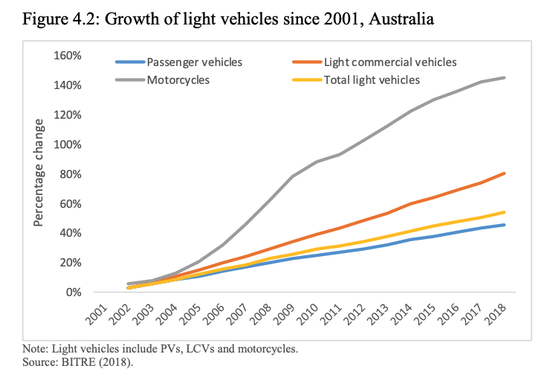
 | https://www.caradvice.com.au/871128/suvs-set-new-record-more-than-half-of-all-vehicle-sales-for-first-time/
 | from here: | % of total vehicle sales |  |  | % growth
 | suv sales | passenger sales | suv's
 | 2010 | 57.2 | 22.7
 | 2011 | 55.5 | 24.2 |  | -1.7 | 1.5
 | 2012 | 51.7 | 27.6 |  | -3.8 | 3.4
 | 2013 | 49.9 | 29.4 |  | -1.8 | 1.8
 | 2014 | 47.7 | 31.7 |  | -2.2 | 2.3
 | 2015 | 44.6 | 35.4 |  | -3.1 | 3.7
 | 2016 | 41.3 | 37.5 |  | -3.3 | 2.1
 | 2017 | 37.8 | 39.2 |  | -3.5 | 1.7
 | 2018 | 32.8 | 43 |  | -5 | 3.8
 | 2019 | 29.7 | 45.5 |  | -3.1 | 2.5
 | 2020 | 25 | 50.4 |  | -4.7 | 4.9

 |  |  |  | Average | -3.22 | 2.77

