Notes data
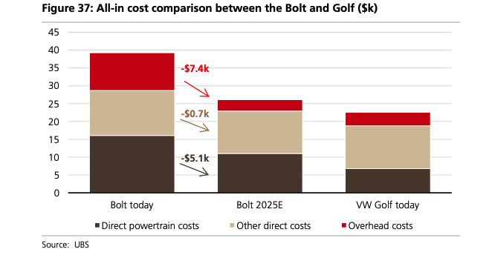

 |  |  |  | Extracted data (US 2017 dollars)
 |  |  |  |  | cumulative | inidividual
 |  |  |  | direct powertrain costs | 6.81535 | 6815.35
 |  |  |  | other direct costs | 18.7655 | 11950.15
 |  |  |  | indirect costs (other overhead) | 22.6867 | 3921.2

From | https://neo.ubs.com/shared/d1wkuDlEbYPjF/ | page 19

The other data (the EV data) is extracted from pages 26 and 43 of ubs |  |  | https://neo.ubs.com/shared/d1wkuDlEbYPjF/
Some datapoints from icct 2019 have also been incorperated |  | https://theicct.org/publications/update-US-2030-electric-vehicle-cost |  |  | page 5 particularly

