object
Average additional tax paid by 60+ year olds under reform proposals, by total income decile (including super earnings), 2020-21

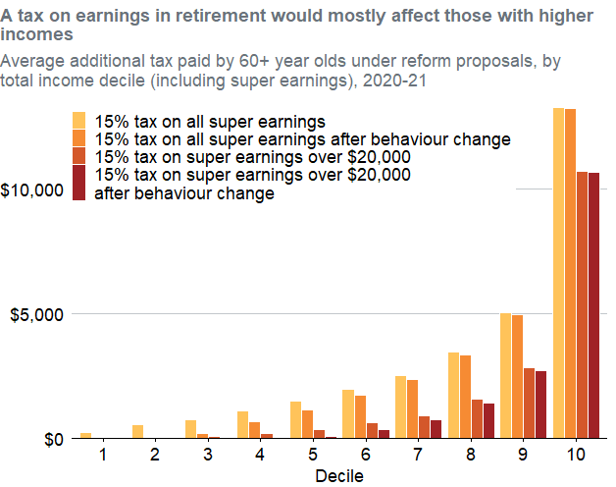
TotalIncomePlusEarningsDecile | Name | Value | Decile
1 | 15% tax on all super earnings | 223.91396207 | 1
1 | 15% tax on all super earnings after behaviour change | 23.616132442 | 1
1 | 15% tax on super earnings over $20,000 | 24.22292114 | 1
1 | 15% tax on super earnings over $20,000 after behaviour change | 15.27739712 | 1
2 | 15% tax on all super earnings | 517.4062701 | 2
2 | 15% tax on all super earnings after behaviour change | 2.6369391298 | 2
2 | 15% tax on super earnings over $20,000 | 3.0791409273 | 2
2 | 15% tax on super earnings over $20,000 after behaviour change | 0 | 2
3 | 15% tax on all super earnings | 737.19704186 | 3
3 | 15% tax on all super earnings after behaviour change | 189.41424243 | 3
3 | 15% tax on super earnings over $20,000 | 43.595046627 | 3
3 | 15% tax on super earnings over $20,000 after behaviour change | 2.133348823 | 3
4 | 15% tax on all super earnings | 1083.7296936 | 4
4 | 15% tax on all super earnings after behaviour change | 657.98936505 | 4
4 | 15% tax on super earnings over $20,000 | 160.86402664 | 4
4 | 15% tax on super earnings over $20,000 after behaviour change | 6.014964574 | 4
5 | 15% tax on all super earnings | 1484.1277316 | 5
5 | 15% tax on all super earnings after behaviour change | 1135.429296 | 5
5 | 15% tax on super earnings over $20,000 | 352.5842218 | 5
5 | 15% tax on super earnings over $20,000 after behaviour change | 49.373517403 | 5
6 | 15% tax on all super earnings | 1975.8032436 | 6
6 | 15% tax on all super earnings after behaviour change | 1707.1778805 | 6
6 | 15% tax on super earnings over $20,000 | 598.51258855 | 6
6 | 15% tax on super earnings over $20,000 after behaviour change | 338.72095767 | 6
7 | 15% tax on all super earnings | 2521.2346736 | 7
7 | 15% tax on all super earnings after behaviour change | 2349.0545609 | 7
7 | 15% tax on super earnings over $20,000 | 905.19577282 | 7
7 | 15% tax on super earnings over $20,000 after behaviour change | 735.35249338 | 7
8 | 15% tax on all super earnings | 3469.8226695 | 8
8 | 15% tax on all super earnings after behaviour change | 3326.227757 | 8
8 | 15% tax on super earnings over $20,000 | 1562.9636935 | 8
8 | 15% tax on super earnings over $20,000 after behaviour change | 1421.1739588 | 8
9 | 15% tax on all super earnings | 5056.6407866 | 9
9 | 15% tax on all super earnings after behaviour change | 4948.994001 | 9
9 | 15% tax on super earnings over $20,000 | 2812.0323223 | 9
9 | 15% tax on super earnings over $20,000 after behaviour change | 2705.4542529 | 9
10 | 15% tax on all super earnings | 13296.255808 | 10
10 | 15% tax on all super earnings after behaviour change | 13257.896036 | 10
10 | 15% tax on super earnings over $20,000 | 10745.913515 | 10
10 | 15% tax on super earnings over $20,000 after behaviour change | 10709.223603 | 10

