object
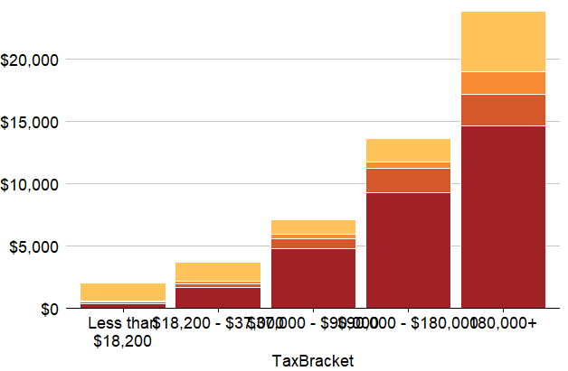
TaxBracket | minIncome | Name | Value
Less than $18,200 | 0 | SG | 403.39210081
Less than $18,200 | 0 | salary_sacrifice | 77.187328897
Less than $18,200 | 0 | personal_deductible | 86.657547176
Less than $18,200 | 0 | non_concessional | 1454.5513743
$18,200 - $37,000 | 18200.533333 | SG | 1659.4275595
$18,200 - $37,000 | 18200.533333 | salary_sacrifice | 293.65338472
$18,200 - $37,000 | 18200.533333 | personal_deductible | 248.08280228
$18,200 - $37,000 | 18200.533333 | non_concessional | 1517.0009497
$37,000 - $90,000 | 37000.080811 | SG | 4802.8705357
$37,000 - $90,000 | 37000.080811 | salary_sacrifice | 809.29518563
$37,000 - $90,000 | 37000.080811 | personal_deductible | 336.59736345
$37,000 - $90,000 | 37000.080811 | non_concessional | 1153.5599037
$90,000 - $180,000 | 90000.363707 | SG | 9271.7272333
$90,000 - $180,000 | 90000.363707 | salary_sacrifice | 1947.0281647
$90,000 - $180,000 | 90000.363707 | personal_deductible | 578.0111083
$90,000 - $180,000 | 90000.363707 | non_concessional | 1844.4404603
180,000+ | 180001.46991 | SG | 14665.568134
180,000+ | 180001.46991 | salary_sacrifice | 2514.8072987
180,000+ | 180001.46991 | personal_deductible | 1861.3995021
180,000+ | 180001.46991 | non_concessional | 4865.3333099

