object
Percentage of total tax breaks

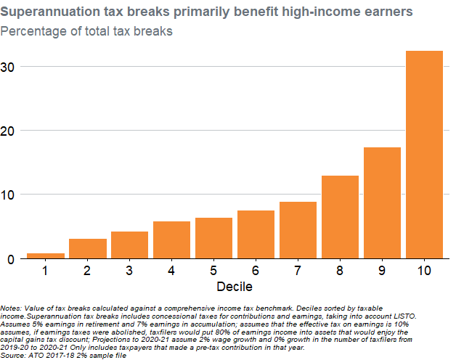
old_Taxable_IncomeDecile | TotalBenefits | Decile | Percentage
1 | 6041592.0954 | 1 | 0.84507290729
2 | 22758033.985 | 2 | 3.1832996402
3 | 30953508.147 | 3 | 4.32964866
4 | 42061376.223 | 4 | 5.8833712915
5 | 46014325.685 | 5 | 6.4362935082
6 | 54137894.909 | 6 | 7.5725847629
7 | 63986592.954 | 7 | 8.9501798997
8 | 92958140.69 | 8 | 13.002600137
9 | 124324247.92 | 9 | 17.38996145
10 | 231683916.61 | 10 | 32.406987743

Notes: Value of tax breaks calculated against a comprehensive income tax benchmark. Deciles sorted by taxable income.Superannuation tax breaks includes concessional taxes for contributions and earnings, taking into account LISTO. Assumes 5% earnings in retirement and 7% earnings in accumulation; assumes that the effective tax on earnings is 10% assumes, if earnings taxes were abolished, taxfilers would put 80% of earnings income into assets that would enjoy the capital gains tax discount; Projections to 2020-21 assume 2% wage growth and 0% growth in the number of taxfilers from 2019-20 to 2020-21 Only includes taxpayers that made a pre-tax contribution in that year. Source: ATO 2017-18 2% sample file

