object
Average superannuation contributions (2020-21)

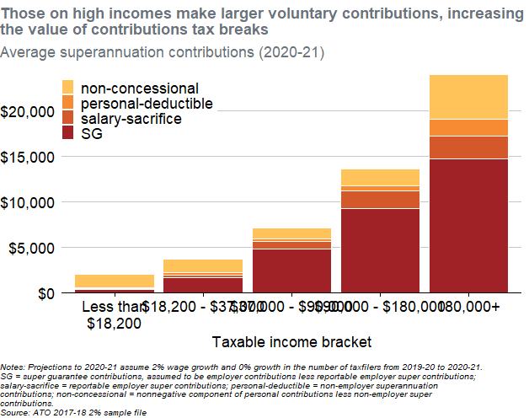
TaxBracket | minIncome | Name | Value
Less than $18,200 | 0 | SG | 403.39210081
Less than $18,200 | 0 | salary-sacrifice | 77.187328897
Less than $18,200 | 0 | personal-deductible | 86.657547176
Less than $18,200 | 0 | non-concessional | 1454.5513743
$18,200 - $37,000 | 18200.533333 | SG | 1659.4275595
$18,200 - $37,000 | 18200.533333 | salary-sacrifice | 293.65338472
$18,200 - $37,000 | 18200.533333 | personal-deductible | 248.08280228
$18,200 - $37,000 | 18200.533333 | non-concessional | 1517.0009497
$37,000 - $90,000 | 37000.080811 | SG | 4802.8705357
$37,000 - $90,000 | 37000.080811 | salary-sacrifice | 809.29518563
$37,000 - $90,000 | 37000.080811 | personal-deductible | 336.59736345
$37,000 - $90,000 | 37000.080811 | non-concessional | 1153.5599037
$90,000 - $180,000 | 90000.363707 | SG | 9271.7272333
$90,000 - $180,000 | 90000.363707 | salary-sacrifice | 1947.0281647
$90,000 - $180,000 | 90000.363707 | personal-deductible | 578.0111083
$90,000 - $180,000 | 90000.363707 | non-concessional | 1844.4404603
180,000+ | 180001.46991 | SG | 14665.568134
180,000+ | 180001.46991 | salary-sacrifice | 2514.8072987
180,000+ | 180001.46991 | personal-deductible | 1861.3995021
180,000+ | 180001.46991 | non-concessional | 4865.3333099

Notes: Projections to 2020-21 assume 2% wage growth and 0% growth in the number of taxfilers from 2019-20 to 2020-21. SG = super guarantee contributions, assumed to be employer contributions less reportable employer super contributions; salary-sacrifice = reportable employer super contributions; personal-deductible = non-employer superannuation contributions; non-concessional = nonnegative component of personal contributions less non-employer super contributions. Source: ATO 2017-18 2% sample file

