object
Average concessional contribution for taxfilers over 50 (2020-21)

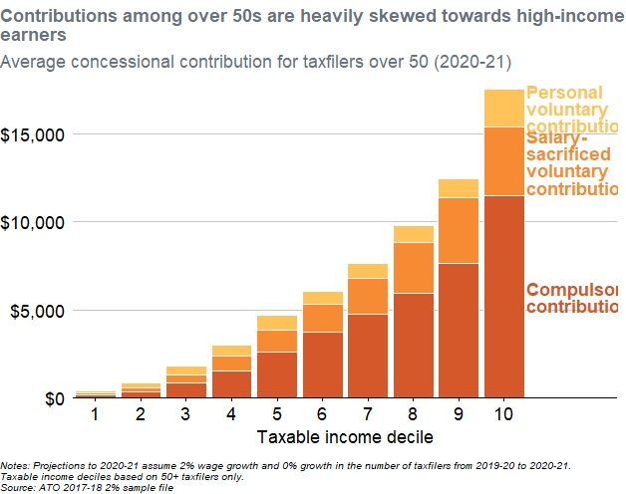
Taxable_IncomeDecile | Name | Value | Fill | x | y | Y2 | Label | X_text | .group
1 | avg_SG_contributions | 175.15328662 | Compulsory contributions | 1 | 175.15328662 | 87.57664331 |  | 10.5 | 1
2 | avg_SG_contributions | 353.46119453 | Compulsory contributions | 2 | 353.46119453 | 176.73059726 |  | 10.5 | 2
3 | avg_SG_contributions | 840.36098375 | Compulsory contributions | 3 | 840.36098375 | 420.18049187 |  | 10.5 | 3
4 | avg_SG_contributions | 1549.1156223 | Compulsory contributions | 4 | 1549.1156223 | 774.55781114 |  | 10.5 | 4
5 | avg_SG_contributions | 2611.2995228 | Compulsory contributions | 5 | 2611.2995228 | 1305.6497614 |  | 10.5 | 5
6 | avg_SG_contributions | 3756.0373173 | Compulsory contributions | 6 | 3756.0373173 | 1878.0186587 |  | 10.5 | 6
7 | avg_SG_contributions | 4774.7013146 | Compulsory contributions | 7 | 4774.7013146 | 2387.3506573 |  | 10.5 | 7
8 | avg_SG_contributions | 5930.2710315 | Compulsory contributions | 8 | 5930.2710315 | 2965.1355157 |  | 10.5 | 8
9 | avg_SG_contributions | 7656.6337004 | Compulsory contributions | 9 | 7656.6337004 | 3828.3168502 |  | 10.5 | 9
10 | avg_SG_contributions | 11463.842974 | Compulsory contributions | 10 | 11463.842974 | 5731.921487 | Compulsory contributions | 10.5 | 10
1 | avg_salary_sacrifice_contributions | 130.49732399 | Salary- sacrificed voluntary contributions | 1 | 130.49732399 | 240.40194862 |  | 10.5 | 1
2 | avg_salary_sacrifice_contributions | 192.18215549 | Salary- sacrificed voluntary contributions | 2 | 192.18215549 | 449.55227227 |  | 10.5 | 2
3 | avg_salary_sacrifice_contributions | 478.90119131 | Salary- sacrificed voluntary contributions | 3 | 478.90119131 | 1079.8115794 |  | 10.5 | 3
4 | avg_salary_sacrifice_contributions | 818.4060327 | Salary- sacrificed voluntary contributions | 4 | 818.4060327 | 1958.3186386 |  | 10.5 | 4
5 | avg_salary_sacrifice_contributions | 1250.1654754 | Salary- sacrificed voluntary contributions | 5 | 1250.1654754 | 3236.3822605 |  | 10.5 | 5
6 | avg_salary_sacrifice_contributions | 1553.4422956 | Salary- sacrificed voluntary contributions | 6 | 1553.4422956 | 4532.7584651 |  | 10.5 | 6
7 | avg_salary_sacrifice_contributions | 2018.2143744 | Salary- sacrificed voluntary contributions | 7 | 2018.2143744 | 5783.8085018 |  | 10.5 | 7
8 | avg_salary_sacrifice_contributions | 2915.6804218 | Salary- sacrificed voluntary contributions | 8 | 2915.6804218 | 7388.1112424 |  | 10.5 | 8
9 | avg_salary_sacrifice_contributions | 3721.8422689 | Salary- sacrificed voluntary contributions | 9 | 3721.8422689 | 9517.5548348 |  | 10.5 | 9
10 | avg_salary_sacrifice_contributions | 3915.2500284 | Salary- sacrificed voluntary contributions | 10 | 3915.2500284 | 13421.467988 | Salary- sacrificed voluntary contributions | 10.5 | 10
1 | avg_personal_deductible_contributions | 95.988361695 | Personal voluntary contributions | 1 | 95.988361695 | 353.64479146 |  | 10.5 | 1
2 | avg_personal_deductible_contributions | 276.59883884 | Personal voluntary contributions | 2 | 276.59883884 | 683.94276944 |  | 10.5 | 2
3 | avg_personal_deductible_contributions | 487.00044716 | Personal voluntary contributions | 3 | 487.00044716 | 1562.7623986 |  | 10.5 | 3
4 | avg_personal_deductible_contributions | 643.79675676 | Personal voluntary contributions | 4 | 643.79675676 | 2689.4200334 |  | 10.5 | 4
5 | avg_personal_deductible_contributions | 845.56852538 | Personal voluntary contributions | 5 | 845.56852538 | 4284.2492609 |  | 10.5 | 5
6 | avg_personal_deductible_contributions | 749.59845179 | Personal voluntary contributions | 6 | 749.59845179 | 5684.2788388 |  | 10.5 | 6
7 | avg_personal_deductible_contributions | 851.07785118 | Personal voluntary contributions | 7 | 851.07785118 | 7218.4546146 |  | 10.5 | 7
8 | avg_personal_deductible_contributions | 935.48076217 | Personal voluntary contributions | 8 | 935.48076217 | 9313.6918344 |  | 10.5 | 8
9 | avg_personal_deductible_contributions | 1044.4049383 | Personal voluntary contributions | 9 | 1044.4049383 | 11900.678438 |  | 10.5 | 9
10 | avg_personal_deductible_contributions | 2142.6727801 | Personal voluntary contributions | 10 | 2142.6727801 | 16450.429392 | Personal voluntary contributions | 10.5 | 10

Notes: Projections to 2020-21 assume 2% wage growth and 0% growth in the number of taxfilers from 2019-20 to 2020-21. Taxable income deciles based on 50+ taxfilers only. Source: ATO 2017-18 2% sample file

