object
Percentage of voluntary pre-tax contributions, (2020-21)

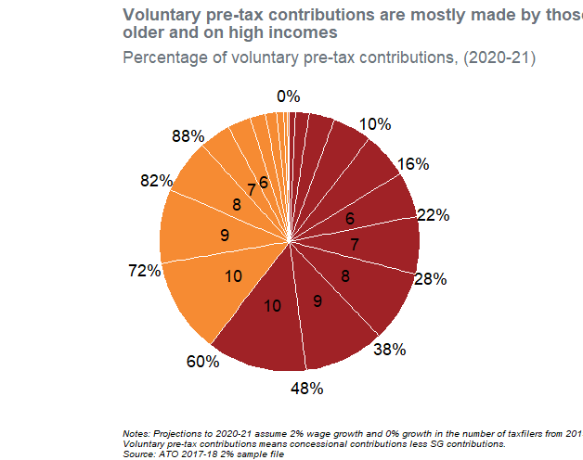
Age | Taxable_IncomeDecile | Tot | p | Ordering | Text_y | Text_label
55+ | 1 | 1853112.5333 | 0.0071256691821 | 20 | 0.0035628345911
55+ | 2 | 4462465.0667 | 0.017159265414 | 19 | 0.015705301889
55+ | 3 | 8307173.3333 | 0.031943105422 | 18 | 0.040256487307
55+ | 4 | 12620871.467 | 0.048530325732 | 17 | 0.080493202885
55+ | 5 | 14986307.733 | 0.057626004491 | 16 | 0.133571368
55+ | 6 | 14654624.533 | 0.056350601776 | 15 | 0.19055967113 | 6
55+ | 7 | 18604835.733 | 0.071540126268 | 14 | 0.25450503515 | 7
55+ | 8 | 23185766.933 | 0.089154922828 | 13 | 0.3348525597 | 8
55+ | 9 | 26017917.333 | 0.10004523114 | 12 | 0.42945263668 | 9
55+ | 10 | 32413918.933 | 0.12463941561 | 11 | 0.54179496006 | 10
<55 | 10 | 30917833.067 | 0.11888660095 | 10 | 0.66355796834 | 10
<55 | 9 | 24077868.267 | 0.092585269806 | 9 | 0.76929390371 | 9
<55 | 8 | 17523950.933 | 0.067383860866 | 8 | 0.84927846905 | 8
<55 | 7 | 10130195.2 | 0.03895306866 | 7 | 0.90244693381 | 7
<55 | 6 | 7487461.3333 | 0.028791113068 | 6 | 0.93631902468 | 6
<55 | 5 | 5013194.1333 | 0.019276952855 | 5 | 0.96035305764
<55 | 4 | 3566457.6 | 0.013713898402 | 4 | 0.97684848327
<55 | 3 | 2289692.8 | 0.0088044266756 | 3 | 0.98810764581
<55 | 2 | 1213767.4667 | 0.0046672316311 | 2 | 0.99484347496
<55 | 1 | 734130.13333 | 0.0028229092258 | 1 | 0.99858854539

Notes: Projections to 2020-21 assume 2% wage growth and 0% growth in the number of taxfilers from 2019-20 to 2020-21. Voluntary pre-tax contributions means concessional contributions less SG contributions. Source: ATO 2017-18 2% sample file

