object
Value of pre-tax voluntary contributions to superannuation in excess of $11,000 in a year, 2020-21

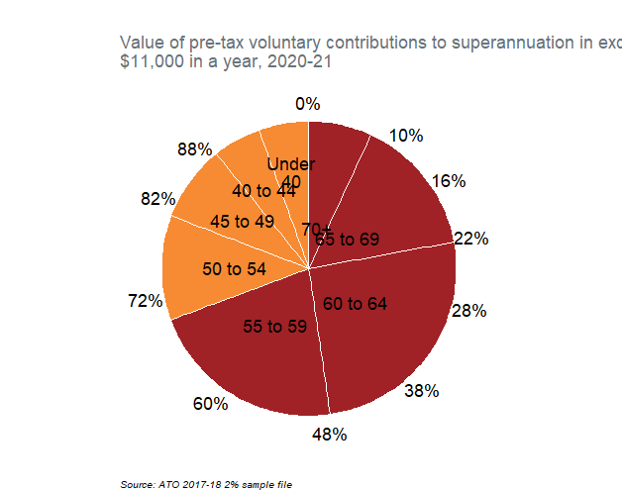
Age | Age_range_description | Tot | p | Text_y | Text_label | Text_x
55+ | 70+ | 12778754.667 | 0.069067165967 | 0.034533582983 | 70+ | 0.8
55+ | 65 to 69 | 28123521.067 | 0.15200322314 | 0.14506877754 | 65 to 69 | 0.85
55+ | 60 to 64 | 47347547.733 | 0.25590607401 | 0.34902342611 | 60 to 64 | 0.9
55+ | 55 to 59 | 40007236.8 | 0.21623284397 | 0.5850928851 | 55 to 59 | 0.95
<55 | 50 to 54 | 21284169.067 | 0.11503759762 | 0.75072810589 | 50 to 54 | 1
<55 | 45 to 49 | 15548365.867 | 0.08403648038 | 0.85026514489 | 45 to 49 | 1.05
<55 | 40 to 44 | 9712282.1333 | 0.052493362579 | 0.91853006637 | 40 to 44 | 1.1
<55 | Under 40 | 10217364.267 | 0.05522325234 | 0.97238837383 | Under 40 | 1.15

Source: ATO 2017-18 2% sample file

