object
Percentage of voluntary post-tax contributions, 2020-21

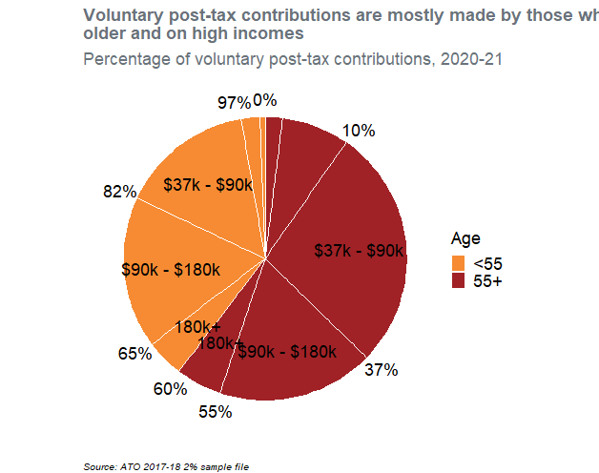
Age | TaxBracket | Tot | p | Ordering | Text_y | Text_label
55+ | Less than $18,200 | 5140456.5333 | 0.019766307789 | 20 | 0.0098831538945
55+ | $18,200 - $37,000 | 19986860.8 | 0.076854349365 | 19 | 0.058193482472
55+ | $37,000 - $90,000 | 71873338.133 | 0.27637049631 | 18 | 0.23480590531 | $37k - $90k
55+ | $90,000 - $180,000 | 46480254.933 | 0.17872790465 | 17 | 0.46235510579 | $90k - $180k
55+ | 180,000+ | 13626083.2 | 0.052395609756 | 16 | 0.57791686299 | 180k+
<55 | 180,000+ | 11103065.067 | 0.042693990327 | 5 | 0.62546166303 | 180k+
<55 | $90,000 - $180,000 | 45160114.133 | 0.17365164163 | 4 | 0.73363447901 | $90k - $180k
<55 | $37,000 - $90,000 | 39620116.8 | 0.15234900212 | 3 | 0.89663480088 | $37k - $90k
<55 | $18,200 - $37,000 | 5502874.1333 | 0.02115989176 | 2 | 0.98338924782
<55 | Less than $18,200 | 1568380.8 | 0.0060308062955 | 1 | 0.99698459685

Source: ATO 2017-18 2% sample file

