object
Average additional tax paid by 60+ year olds under reform proposals, by total income decile (including super earnings), 2020-21

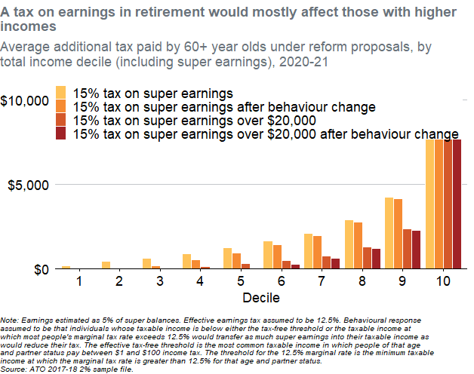
TotalIncomePlusEarningsDecile | Name | Value | Decile
1 | 15% tax on super earnings | 186.59496839 | 1
1 | 15% tax on super earnings after behaviour change | 19.721360658 | 1
1 | 15% tax on super earnings over $20,000 | 20.185767617 | 1
1 | 15% tax on super earnings over $20,000 after behaviour change | 12.748729341 | 1
2 | 15% tax on super earnings | 431.17189175 | 2
2 | 15% tax on super earnings after behaviour change | 2.1983813319 | 2
2 | 15% tax on super earnings over $20,000 | 2.5659507727 | 2
2 | 15% tax on super earnings over $20,000 after behaviour change | 0 | 2
3 | 15% tax on super earnings | 614.33086822 | 3
3 | 15% tax on super earnings after behaviour change | 157.91854792 | 3
3 | 15% tax on super earnings over $20,000 | 36.329205523 | 3
3 | 15% tax on super earnings over $20,000 after behaviour change | 1.7782567143 | 3
4 | 15% tax on super earnings | 903.108078 | 4
4 | 15% tax on super earnings after behaviour change | 548.39877753 | 4
4 | 15% tax on super earnings over $20,000 | 134.05335553 | 4
4 | 15% tax on super earnings over $20,000 after behaviour change | 5.0140586276 | 4
5 | 15% tax on super earnings | 1236.7731097 | 5
5 | 15% tax on super earnings after behaviour change | 946.22929433 | 5
5 | 15% tax on super earnings over $20,000 | 293.82018483 | 5
5 | 15% tax on super earnings over $20,000 after behaviour change | 41.165569119 | 5
6 | 15% tax on super earnings | 1646.502703 | 6
6 | 15% tax on super earnings after behaviour change | 1422.683207 | 6
6 | 15% tax on super earnings over $20,000 | 498.76049046 | 6
6 | 15% tax on super earnings over $20,000 after behaviour change | 282.30243794 | 6
7 | 15% tax on super earnings | 2101.0288947 | 7
7 | 15% tax on super earnings after behaviour change | 1957.5851159 | 7
7 | 15% tax on super earnings over $20,000 | 754.32981068 | 7
7 | 15% tax on super earnings over $20,000 after behaviour change | 612.8324609 | 7
8 | 15% tax on super earnings | 2891.5188913 | 8
8 | 15% tax on super earnings after behaviour change | 2771.8976811 | 8
8 | 15% tax on super earnings over $20,000 | 1302.4697446 | 8
8 | 15% tax on super earnings over $20,000 after behaviour change | 1184.3512566 | 8
9 | 15% tax on super earnings | 4213.8673221 | 9
9 | 15% tax on super earnings after behaviour change | 4124.1820991 | 9
9 | 15% tax on super earnings over $20,000 | 2343.3602686 | 9
9 | 15% tax on super earnings over $20,000 after behaviour change | 2254.5640496 | 9
10 | 15% tax on super earnings | 11080.213174 | 10
10 | 15% tax on super earnings after behaviour change | 11048.28873 | 10
10 | 15% tax on super earnings over $20,000 | 8954.9279291 | 10
10 | 15% tax on super earnings over $20,000 after behaviour change | 8924.3950353 | 10

Note: Earnings estimated as 5% of super balances. Effective earnings tax assumed to be 12.5%. Behavioural response assumed to be that individuals whose taxable income is below either the tax-free threshold or the taxable income at which most people's marginal tax rate exceeds 12.5% would transfer as much super earnings into their taxable income as would reduce their tax. The effective tax-free threshold is the most common taxable income in which people of that age and partner status pay between $1 and $100 income tax. The threshold for the 12.5% marginal rate is the minimum taxable income at which the marginal tax rate is greater than 12.5% for that age and partner status. Source: ATO 2017-18 2% sample file.

