object
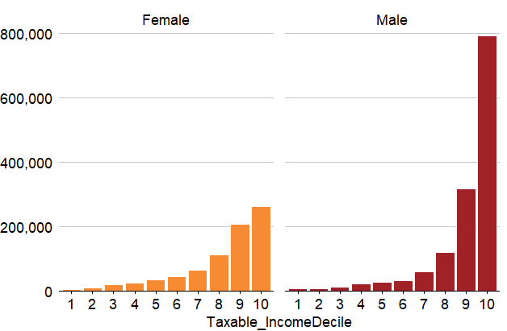
Gender | Taxable_IncomeDecile | nTaxfilers | Sex | .group
0 | 1 | 5591.0210558 | Male | 1
0 | 2 | 7351.1573141 | Male | 1
0 | 3 | 11855.035387 | Male | 1
0 | 4 | 20396.873111 | Male | 1
0 | 5 | 27282.112004 | Male | 1
0 | 6 | 31112.996801 | Male | 1
0 | 7 | 58291.571378 | Male | 1
0 | 8 | 119326.88457 | Male | 1
0 | 9 | 317652.82591 | Male | 1
0 | 10 | 792164.85366 | Male | 1
1 | 1 | 4245.0345053 | Female | 2
1 | 2 | 7817.0757354 | Female | 2
1 | 3 | 18015.512291 | Female | 2
1 | 4 | 23658.30206 | Female | 2
1 | 5 | 33080.207913 | Female | 2
1 | 6 | 42812.726047 | Female | 2
1 | 7 | 64296.742141 | Female | 2
1 | 8 | 111095.65913 | Female | 2
1 | 9 | 206712.47292 | Female | 2
1 | 10 | 260914.31594 | Female | 2

