object
Value of tax concessions ($bn, 2020-21)

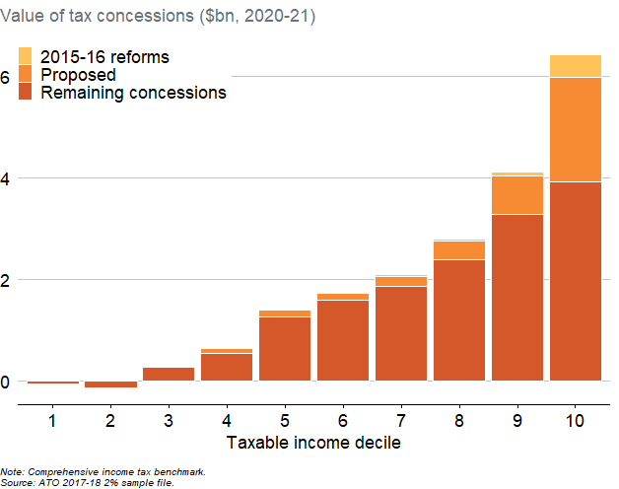
Policy | Taxable_IncomeDecile | ContributionsTaxBreak_bn
2015-16 reforms | 1 | -0.00084862475274
2015-16 reforms | 2 | -0.00057516758545
2015-16 reforms | 3 | 0.0043621013827
2015-16 reforms | 4 | 0.011317668457
2015-16 reforms | 5 | 0.02036600325
2015-16 reforms | 6 | 0.019898815041
2015-16 reforms | 7 | 0.024463534893
2015-16 reforms | 8 | 0.035745594676
2015-16 reforms | 9 | 0.070033699423
2015-16 reforms | 10 | 0.4512758378
Proposed | 1 | -0.012817310435
Proposed | 2 | -0.0017562504684
Proposed | 3 | 0.031314663392
Proposed | 4 | 0.095539819741
Proposed | 5 | 0.13693316629
Proposed | 6 | 0.13867893865
Proposed | 7 | 0.19063942121
Proposed | 8 | 0.36740098503
Proposed | 9 | 0.75254713927
Proposed | 10 | 2.0466707132
Remaining concessions | 1 | -0.057637841286
Remaining concessions | 2 | -0.13306722802
Remaining concessions | 3 | 0.26605938784
Remaining concessions | 4 | 0.53720787603
Remaining concessions | 5 | 1.2564663667
Remaining concessions | 6 | 1.5838058793
Remaining concessions | 7 | 1.8701689211
Remaining concessions | 8 | 2.3897143692
Remaining concessions | 9 | 3.2881508721
Remaining concessions | 10 | 3.9251339367

Note: Comprehensive income tax benchmark. Source: ATO 2017-18 2% sample file.

