object
Percentage of total tax breaks

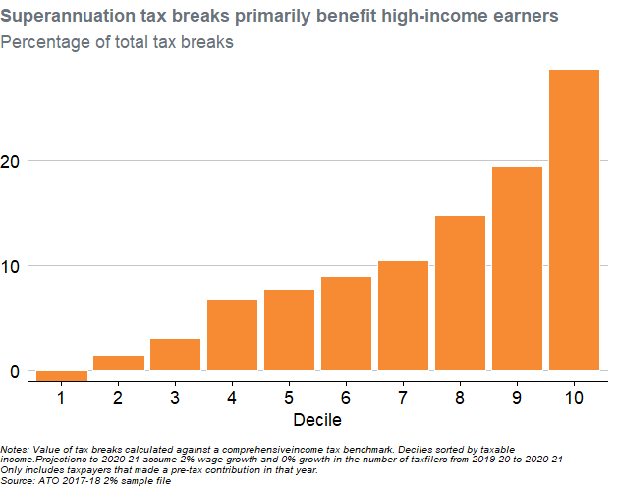
old_Taxable_IncomeDecile | TotalBenefits | Decile | Percentage
1 | -3695295.1788 | 1 | -1.0733906417
2 | 4716605.846 | 2 | 1.3700557955
3 | 10647061.145 | 3 | 3.0927044368
4 | 22973523.039 | 4 | 6.6732327038
5 | 26518869.4 | 5 | 7.7030669721
6 | 30888000.339 | 6 | 8.9721900151
7 | 35923191.511 | 7 | 10.434786864
8 | 50826805.477 | 8 | 14.763913222
9 | 66704808.607 | 9 | 19.376075213
10 | 98760208.081 | 10 | 28.68736542

Notes: Value of tax breaks calculated against a comprehensiveincome tax benchmark. Deciles sorted by taxable income.Projections to 2020-21 assume 2% wage growth and 0% growth in the number of taxfilers from 2019-20 to 2020-21 Only includes taxpayers that made a pre-tax contribution in that year. Source: ATO 2017-18 2% sample file

