object
Number of taxfilers with more than $11,000 in concessional contributions, 2020-21

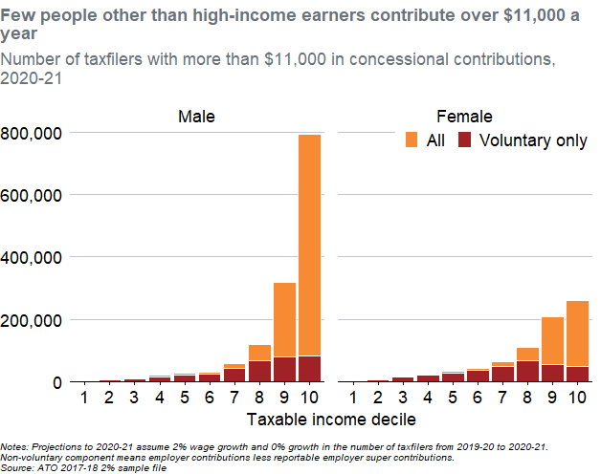
Taxable_IncomeDecile | Sex | Name | Value | Fill | .group
1 | Female |  | 1087.1429831 | All | 1
1 | Female | non | 3157.8915222 | Voluntary only | 1
1 | Male |  | 2588.435674 | All | 1
1 | Male | non | 3002.5853818 | Voluntary only | 1
2 | Female |  | 983.60555611 | All | 2
2 | Female | non | 6833.4701793 | Voluntary only | 2
2 | Male |  | 1345.9865505 | All | 2
2 | Male | non | 6005.1707636 | Voluntary only | 2
3 | Female |  | 2381.3608201 | All | 3
3 | Female | non | 15634.151471 | Voluntary only | 3
3 | Male |  | 2226.0546796 | All | 3
3 | Male | non | 9628.9807072 | Voluntary only | 3
4 | Female |  | 2381.3608201 | All | 4
4 | Female | non | 21276.94124 | Voluntary only | 4
4 | Male |  | 4037.9596514 | All | 4
4 | Male | non | 16358.913459 | Voluntary only | 4
5 | Female |  | 5125.1026345 | All | 5
5 | Female | non | 27955.105279 | Voluntary only | 5
5 | Male |  | 5746.3271962 | All | 5
5 | Male | non | 21535.784807 | Voluntary only | 5
6 | Female |  | 5849.8646232 | All | 6
6 | Female | non | 36962.861424 | Voluntary only | 6
6 | Male |  | 7299.3886006 | All | 6
6 | Male | non | 23813.608201 | Voluntary only | 6
7 | Female |  | 14029.321353 | All | 7
7 | Female | non | 50267.420788 | Voluntary only | 7
7 | Male |  | 15789.457611 | All | 7
7 | Male | non | 42502.113767 | Voluntary only | 7
8 | Female |  | 44314.018738 | All | 8
8 | Female | non | 66781.640388 | Voluntary only | 8
8 | Male |  | 51406.332485 | All | 8
8 | Male | non | 67920.552085 | Voluntary only | 8
9 | Female |  | 150854.03108 | All | 9
9 | Female | non | 55858.441844 | Voluntary only | 9
9 | Male |  | 237411.32002 | All | 9
9 | Male | non | 80241.505893 | Voluntary only | 9
10 | Female |  | 213235.33082 | All | 10
10 | Female | non | 47678.985114 | Voluntary only | 10
10 | Male |  | 710784.43607 | All | 10
10 | Male | non | 81380.41759 | Voluntary only | 10

Notes: Projections to 2020-21 assume 2% wage growth and 0% growth in the number of taxfilers from 2019-20 to 2020-21. Non-voluntary component means employer contributions less reportable employer super contributions. Source: ATO 2017-18 2% sample file

