object
Share of taxpayers and post-tax contributions, by existing superannuation balance

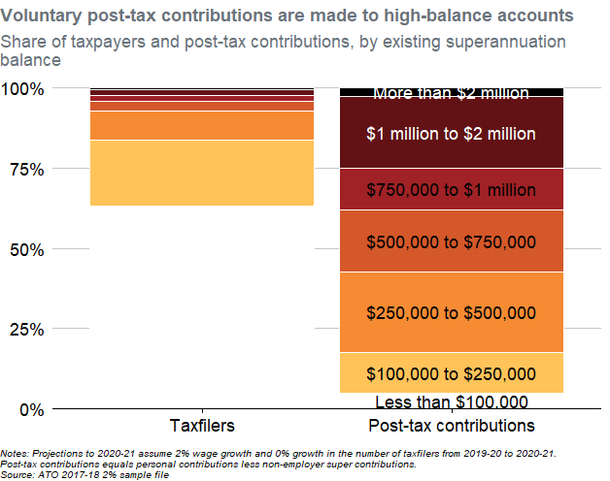
Balance | N_taxfilers | V_posttax_contributions | Name | Value | Text_y | Text_color | .group
Less than $100,000 | 179780 | 22360374.4 | Taxfilers | 0.63097306309 | 0.31548653154 |  | 1
$100,000 to $250,000 | 58776 | 55351397.333 | Taxfilers | 0.2062858647 | 0.73411599544 |  | 1
$250,000 to $500,000 | 25472 | 110223460.27 | Taxfilers | 0.08939896464 | 0.88195841011 |  | 1
$500,000 to $750,000 | 8899 | 85294469.333 | Taxfilers | 0.031232780556 | 0.94227428271 |  | 1
$750,000 to $1 million | 4303 | 56077577.6 | Taxfilers | 0.015102219882 | 0.96544178293 |  | 1
$1 million to $2 million | 5470 | 98058267.733 | Taxfilers | 0.019198034571 | 0.98259191015 |  | 1
More than $2 million | 2225 | 13025200 | Taxfilers | 0.007809072563 | 0.99609546372 |  | 1
Less than $100,000 | 179780 | 22360374.4 | Post-tax contributions | 0.050773942389 | 0.025386971195 | black | 2
$100,000 to $250,000 | 58776 | 55351397.333 | Post-tax contributions | 0.12568701262 | 0.1136174487 | black | 2
$250,000 to $500,000 | 25472 | 110223460.27 | Post-tax contributions | 0.25028559546 | 0.30160375274 | black | 2
$500,000 to $750,000 | 8899 | 85294469.333 | Post-tax contributions | 0.19367906792 | 0.52358608443 | black | 2
$750,000 to $1 million | 4303 | 56077577.6 | Post-tax contributions | 0.12733595795 | 0.68409359736 | black | 2
$1 million to $2 million | 5470 | 98058267.733 | Post-tax contributions | 0.22266196208 | 0.85909255738 | white | 2
More than $2 million | 2225 | 13025200 | Post-tax contributions | 0.029576461582 | 0.98521176921 | white | 2

Notes: Projections to 2020-21 assume 2% wage growth and 0% growth in the number of taxfilers from 2019-20 to 2020-21. Post-tax contributions equals personal contributions less non-employer super contributions. Source: ATO 2017-18 2% sample file

