object
Superannuation earnings per 60+ year old, 2020-21

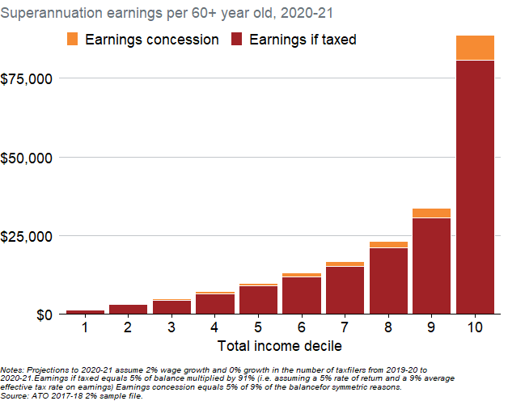
Total_Income_Decile | Name | Value
1 | Earnings if taxed | 1358.4113699
1 | Earnings concession | 134.34837724
2 | Earnings if taxed | 3138.9313719
2 | Earnings concession | 310.44376206
3 | Earnings if taxed | 4472.3287206
3 | Earnings concession | 442.31822512
4 | Earnings if taxed | 6574.6268078
4 | Earnings concession | 650.23781616
5 | Earnings if taxed | 9003.7082385
5 | Earnings concession | 890.47663897
6 | Earnings if taxed | 11986.539678
6 | Earnings concession | 1185.4819462
7 | Earnings if taxed | 15295.490353
7 | Earnings concession | 1512.7408042
8 | Earnings if taxed | 21050.257529
8 | Earnings concession | 2081.8936017
9 | Earnings if taxed | 30676.954105
9 | Earnings concession | 3033.9844719
10 | Earnings if taxed | 80663.951904
10 | Earnings concession | 7977.753485

Notes: Projections to 2020-21 assume 2% wage growth and 0% growth in the number of taxfilers from 2019-20 to 2020-21.Earnings if taxed equals 5% of balance multiplied by 91% (i.e. assuming a 5% rate of return and a 9% average effective tax rate on earnings) Earnings concession equals 5% of 9% of the balancefor symmetric reasons. Source: ATO 2017-18 2% sample file.

