object
Numeracy learning gap between students with bachelor qualified parents and parents not completing school, in effective years of learning

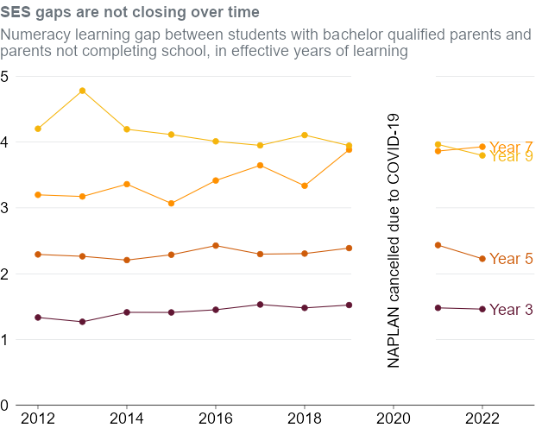
Calendar_year | Year_level | Parental Education: Bachelor | Parental Education: Year 11 | Ses_gap | Ses_gap_whole_years | Ses_gap_months
2012 | 3 | 3.5685830238 | 2.2343531107 | 1.334229913 | 1 | 4
2012 | 5 | 6.2298151531 | 3.9372958074 | 2.2925193457 | 2 | 4
2012 | 7 | 8.4558470407 | 5.2573024453 | 3.1985445954 | 3 | 2
2012 | 9 | 11.198594421 | 6.9952429078 | 4.2033515137 | 4 | 2
2013 | 3 | 3.5456823475 | 2.2765939045 | 1.2690884431 | 1 | 3
2013 | 5 | 6.1034987634 | 3.8394437081 | 2.2640550552 | 2 | 3
2013 | 7 | 8.5554078572 | 5.3818323131 | 3.1735755441 | 3 | 2
2013 | 9 | 11.457148336 | 6.6752632917 | 4.781885044 | 4 | 9
2014 | 3 | 3.6745554461 | 2.2619843131 | 1.412571133 | 1 | 5
2014 | 5 | 6.0643307664 | 3.8574627819 | 2.2068679845 | 2 | 2
2014 | 7 | 8.7580600387 | 5.3976045331 | 3.3604555056 | 3 | 4
2014 | 9 | 11.231413485 | 7.036304083 | 4.1951094017 | 4 | 2
2015 | 3 | 3.5937343031 | 2.1826525594 | 1.4110817436 | 1 | 5
2015 | 5 | 6.2298151531 | 3.9419072765 | 2.2879078766 | 2 | 3
2015 | 7 | 8.4163478827 | 5.347295468 | 3.0690524147 | 3 | 1
2015 | 9 | 11.376963794 | 7.2622353566 | 4.1147284376 | 4 | 1
2016 | 3 | 3.6767066866 | 2.2252179208 | 1.4514887657 | 1 | 5
2016 | 5 | 6.2773956295 | 3.8506957404 | 2.4266998891 | 2 | 5
2016 | 7 | 8.788869137 | 5.3723911118 | 3.4164780252 | 3 | 5
2016 | 9 | 11.081237836 | 7.0693264926 | 4.0119113431 | 4 | 0
2017 | 3 | 3.8237460786 | 2.2926392784 | 1.5311068002 | 1 | 6
2017 | 5 | 6.1934603383 | 3.8960345941 | 2.2974257441 | 2 | 4
2017 | 7 | 9.028701144 | 5.3818323131 | 3.6468688309 | 3 | 8
2017 | 9 | 11.107210337 | 7.1567495547 | 3.9504607827 | 3 | 11
2018 | 3 | 3.7352686668 | 2.2553746191 | 1.4798940478 | 1 | 6
2018 | 5 | 6.1789778846 | 3.8732988287 | 2.305679056 | 2 | 4
2018 | 7 | 8.6157061467 | 5.2788852555 | 3.3368208912 | 3 | 4
2018 | 9 | 11.330448888 | 7.2240825424 | 4.106366346 | 4 | 1
2019 | 3 | 3.7418328619 | 2.2187156611 | 1.5231172009 | 1 | 6
2019 | 5 | 6.2553904209 | 3.8665040064 | 2.3888864145 | 2 | 5
2019 | 7 | 9.0657666819 | 5.1809388001 | 3.8848278818 | 3 | 11
2019 | 9 | 11.003684159 | 7.0569249664 | 3.9467591928 | 3 | 11
2021 | 3 | 3.6127140249 | 2.1321483038 | 1.480565721 | 1 | 6
2021 | 5 | 6.1825953201 | 3.7484085927 | 2.4341867274 | 2 | 5
2021 | 7 | 8.8456342464 | 4.9817095428 | 3.8639247036 | 3 | 10
2021 | 9 | 10.698859308 | 6.7341238613 | 3.9647354462 | 3 | 12
2022 | 3 | 3.5491576748 | 2.0874937878 | 1.461663887 | 1 | 6
2022 | 5 | 5.9051025427 | 3.6784165099 | 2.2266860328 | 2 | 3
2022 | 7 | 8.6620645352 | 4.7326145962 | 3.929449939 | 3 | 11
2022 | 9 | 10.452137037 | 6.6545098975 | 3.7976271393 | 3 | 10

