Windows
f2 against d, each window (normal coordinates)
Normal-coordinate method: f1 = peak of FFT(xA+xB), f2 = peak of FFT(xB-xA)
d / mm | f1 / Hz (rect) | df1 (rect) | f2 / Hz (rect) | df2 (rect) | f2^2-f1^2 / Hz^2 (rect) | d(f2^2-f1^2) (rect) | f1 / Hz (hann) | df1 (hann) | f2 / Hz (hann) | df2 (hann) | f2^2-f1^2 / Hz^2 (hann) | d(f2^2-f1^2) (hann) | f1 / Hz (hamming) | df1 (hamming) | f2 / Hz (hamming) | df2 (hamming) | f2^2-f1^2 / Hz^2 (hamming) | d(f2^2-f1^2) (hamming) | f1 / Hz (blackman) | df1 (blackman) | f2 / Hz (blackman) | df2 (blackman) | f2^2-f1^2 / Hz^2 (blackman) | d(f2^2-f1^2) (blackman)
27.128474561 | 6.4191539372 | 0.046362500781 | 8.5407954345 | 0.046362500781 | 31.739649385 | 1.3871613289 | 6.4191342851 | 0.046362500781 | 8.5407535062 | 0.046362500781 | 31.739185484 | 1.3871556188 | 6.4191355223 | 0.046362500781 | 8.5407716507 | 0.046362500781 | 31.739479535 | 1.387157416 | 6.4191439066 | 0.046362500781 | 8.5407564065 | 0.046362500781 | 31.739111501 | 1.3871567799
28.804625326 | 6.4195988291 | 0.046566162456 | 8.147059818 | 0.046566162456 | 25.163334552 | 1.356626786 | 6.4195327154 | 0.046566162456 | 8.1469206428 | 0.046566162456 | 25.161915676 | 1.356607667 | 6.4195493169 | 0.046566162456 | 8.1469699539 | 0.046566162456 | 25.162505998 | 1.3566138056 | 6.4195390505 | 0.046566162456 | 8.1469176545 | 0.046566162456 | 25.161785648 | 1.3566079787
30.538492481 | 6.4062353971 | 0.046556609298 | 7.7931377894 | 0.046556609298 | 19.693144641 | 1.3221493394 | 6.4062481824 | 0.046556609298 | 7.7930611598 | 0.046556609298 | 19.691786466 | 1.3221433947 | 6.4062347172 | 0.046556609298 | 7.7930865559 | 0.046556609298 | 19.692354816 | 1.3221445056 | 6.4062767487 | 0.046556609298 | 7.7930656166 | 0.046556609298 | 19.691489922 | 1.3221464696
32.052342501 | 6.4103328036 | 0.042925178949 | 7.5173622743 | 0.042925178949 | 15.41836891 | 1.1956976071 | 6.4104253906 | 0.042925178949 | 7.5172781448 | 0.042925178949 | 15.415917018 | 1.1956983332 | 6.4103839898 | 0.042925178949 | 7.5173054057 | 0.042925178949 | 15.416857665 | 1.1956971193 | 6.4104424669 | 0.042925178949 | 7.5172695662 | 0.042925178949 | 15.415569109 | 1.1956990627
34.467624533 | 6.4037044853 | 0.031218201395 | 7.2099641042 | 0.031218201395 | 10.976151249 | 0.8499884955 | 6.4037270478 | 0.031218201395 | 7.2098026406 | 0.031218201395 | 10.973534013 | 0.84997982302 | 6.4037065515 | 0.031218201395 | 7.2098527337 | 0.031218201395 | 10.974518845 | 0.84998167093 | 6.4037364531 | 0.031218201395 | 7.2097821138 | 0.031218201395 | 10.973117568 | 0.84997912863
37.72542555 | 6.4024136247 | 0.024631190475 | 6.9779917912 | 0.024631190475 | 7.7014692158 | 0.65915062885 | 6.402501271 | 0.024631190475 | 6.9778770617 | 0.024631190475 | 7.6987457623 | 0.65914929467 | 6.4024510634 | 0.024631190475 | 6.9779107728 | 0.024631190475 | 7.6998591338 | 0.65914848201 | 6.4025214675 | 0.024631190475 | 6.9778654355 | 0.024631190475 | 7.6983248942 | 0.65914971686
41.286424534 | 6.4000651692 | 0.016463810076 | 6.8021001995 | 0.016463810076 | 5.307732954 | 0.43471588643 | 6.4002234517 | 0.016463810076 | 6.8020421063 | 0.016463810076 | 5.3049165834 | 0.43471918543 | 6.4001351022 | 0.016463810076 | 6.8020431884 | 0.016463810076 | 5.3060622101 | 0.43471631192 | 6.4002661886 | 0.016463810076 | 6.8020598235 | 0.016463810076 | 5.3046105578 | 0.43472117604
44.78905677 | 6.3944410128 | 0.012239722189 | 6.6858497778 | 0.012239722189 | 3.8117113854 | 0.32019825085 | 6.3945288671 | 0.012239722189 | 6.6857152335 | 0.012239722189 | 3.8087887518 | 0.3201971079 | 6.394470066 | 0.012239722189 | 6.6857464345 | 0.012239722189 | 3.809957961 | 0.32019643227 | 6.3945553908 | 0.012239722189 | 6.6857259413 | 0.012239722189 | 3.8085927168 | 0.32019801931

window | gradient -n | ± (max/min) | s.e. (LINEST) | R^2 | C / m^5 s^-2 | mean f1 / Hz | half-range f1 / Hz
rect | -4.27476672 | 0.42401506173 | 0.051781644255 | 0.99912037837 | 6.404E-06 | 6.4069931574 | 0.012578908157
hann | -4.276220627 | 0.42420410674 | 0.05171977134 | 0.99912307344 | 6.371E-06 | 6.4070401514 | 0.012501924168
hamming | -4.2756387758 | 0.42412779873 | 0.051748759275 | 0.99912185228 | 6.384E-06 | 6.4070082912 | 0.012539625472
blackman | -4.2763414781 | 0.42421742135 | 0.051730902305 | 0.99912274582 | 6.368E-06 | 6.4070602091 | 0.012491829863

f2 against d, each window (FFT of xA alone)
Conventional method: the two peaks of FFT(xA) alone
d / mm | f1 / Hz (rect) | df1 (rect) | f2 / Hz (rect) | df2 (rect) | f2^2-f1^2 / Hz^2 (rect) | d(f2^2-f1^2) (rect) | f1 / Hz (hann) | df1 (hann) | f2 / Hz (hann) | df2 (hann) | f2^2-f1^2 / Hz^2 (hann) | d(f2^2-f1^2) (hann) | f1 / Hz (hamming) | df1 (hamming) | f2 / Hz (hamming) | df2 (hamming) | f2^2-f1^2 / Hz^2 (hamming) | d(f2^2-f1^2) (hamming) | f1 / Hz (blackman) | df1 (blackman) | f2 / Hz (blackman) | df2 (blackman) | f2^2-f1^2 / Hz^2 (blackman) | d(f2^2-f1^2) (blackman)
27.128474561 | 6.4187330649 | 0.046362500781 | 8.5426432858 | 0.046362500781 | 31.77662015 | 1.3872936455 | 6.419179034 | 0.046362500781 | 8.5407109723 | 0.046362500781 | 31.737884441 | 1.3871558242 | 6.4190374288 | 0.046362500781 | 8.541309324 | 0.046362500781 | 31.749923456 | 1.387198176 | 6.4191944074 | 0.046362500781 | 8.540712914 | 0.046362500781 | 31.737720238 | 1.3871574297
28.804625326 | 6.4192576235 | 0.046566162456 | 8.1483973817 | 0.046566162456 | 25.189511452 | 1.3567195791 | 6.419532805 | 0.046566162456 | 8.1468702243 | 0.046566162456 | 25.161093017 | 1.3566029797 | 6.4194389615 | 0.046566162456 | 8.1473709906 | 0.046566162456 | 25.170457477 | 1.3566408774 | 6.4195383627 | 0.046566162456 | 8.1468575262 | 0.046566162456 | 25.160814761 | 1.3566023147
30.538492481 | 6.4053353739 | 0.046556609298 | 7.7959299053 | 0.046556609298 | 19.748201837 | 1.3223255183 | 6.4062418985 | 0.046556609298 | 7.7929833402 | 0.046556609298 | 19.690654079 | 1.3221355635 | 6.4059498575 | 0.046556609298 | 7.7939009881 | 0.046556609298 | 19.708699036 | 1.3221938158 | 6.4062547666 | 0.046556609298 | 7.7929811121 | 0.046556609298 | 19.690454479 | 1.3221365543
32.052342501 | 6.4094414836 | 0.042925178949 | 7.5195498382 | 0.042925178949 | 15.462689638 | 1.1958088901 | 6.410451815 | 0.042925178949 | 7.5172164757 | 0.042925178949 | 15.41465107 | 1.1956953074 | 6.4101216579 | 0.042925178949 | 7.5179440614 | 0.042925178949 | 15.429823242 | 1.1957294268 | 6.4104649816 | 0.042925178949 | 7.5172222387 | 0.042925178949 | 15.414568907 | 1.1956969326
34.467624533 | 6.4028466497 | 0.031218201395 | 7.2120380414 | 0.031218201395 | 11.017047491 | 0.85006442451 | 6.4037295648 | 0.031218201395 | 7.2097240675 | 0.031218201395 | 10.97236879 | 0.84997507434 | 6.4034396204 | 0.031218201395 | 7.2104468673 | 0.031218201395 | 10.986505054 | 0.85000210028 | 6.4037231355 | 0.031218201395 | 7.2097271119 | 0.031218201395 | 10.972495032 | 0.849974863
37.72542555 | 6.4019108553 | 0.024631190475 | 6.9792691137 | 0.024631190475 | 7.7257347627 | 0.65918878518 | 6.402544162 | 0.024631190475 | 6.977826142 | 0.024631190475 | 7.6974859219 | 0.65914889916 | 6.4023113741 | 0.024631190475 | 6.9782952878 | 0.024631190475 | 7.7070141934 | 0.65916054271 | 6.4025672305 | 0.024631190475 | 6.9778174996 | 0.024631190475 | 7.6970699162 | 0.65914960982
41.286424534 | 6.399696041 | 0.016463810076 | 6.8032750714 | 0.016463810076 | 5.3284422804 | 0.43474241765 | 6.4002263963 | 0.016463810076 | 6.8020047352 | 0.016463810076 | 5.3043704933 | 0.43471805184 | 6.4000120282 | 0.016463810076 | 6.8024298499 | 0.016463810076 | 5.3128979023 | 0.43472499123 | 6.4002656979 | 0.016463810076 | 6.8020376432 | 0.016463810076 | 5.3043150965 | 0.43472042953
44.78905677 | 6.394167611 | 0.012239722189 | 6.6870343852 | 0.012239722189 | 3.8310494304 | 0.32022055666 | 6.3945397888 | 0.012239722189 | 6.6856684397 | 0.012239722189 | 3.8080233751 | 0.32019622977 | 6.394381698 | 0.012239722189 | 6.6861154638 | 0.012239722189 | 3.8160226947 | 0.3202033027 | 6.3945644084 | 0.012239722189 | 6.6856872969 | 0.012239722189 | 3.8079606583 | 0.32019729406

window | gradient -n | ± (max/min) | s.e. (LINEST) | R^2 | C / m^5 s^-2 | mean f1 / Hz | half-range f1 / Hz
rect | -4.2677164083 | 0.42277587523 | 0.051436290738 | 0.99912919467 | 6.578E-06 | 6.4064235879 | 0.012545006244
hann | -4.2765199004 | 0.42425374064 | 0.051732689858 | 0.99912275838 | 6.364E-06 | 6.407055683 | 0.012496508094
hamming | -4.2733091196 | 0.42373788971 | 0.051689503349 | 0.99912290575 | 6.441E-06 | 6.4068365783 | 0.012528631743
blackman | -4.276553162 | 0.42425851842 | 0.051722576159 | 0.99912311467 | 6.363E-06 | 6.4070716238 | 0.012486977168

Charts
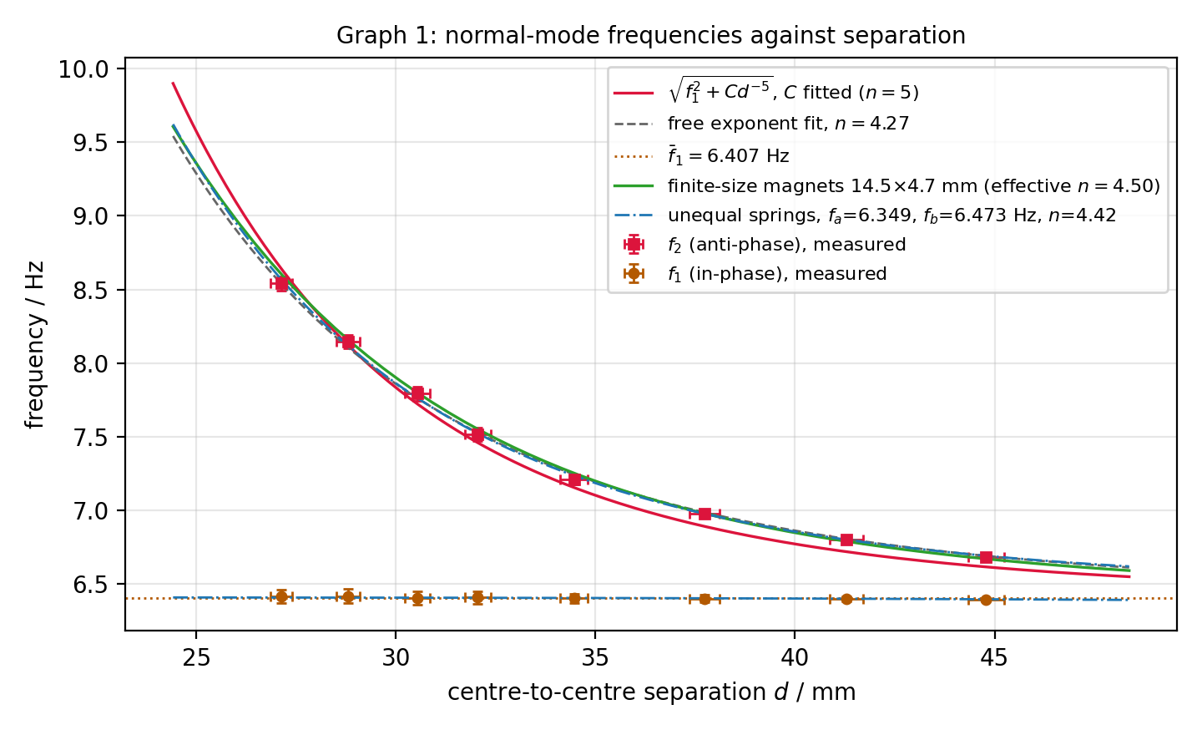
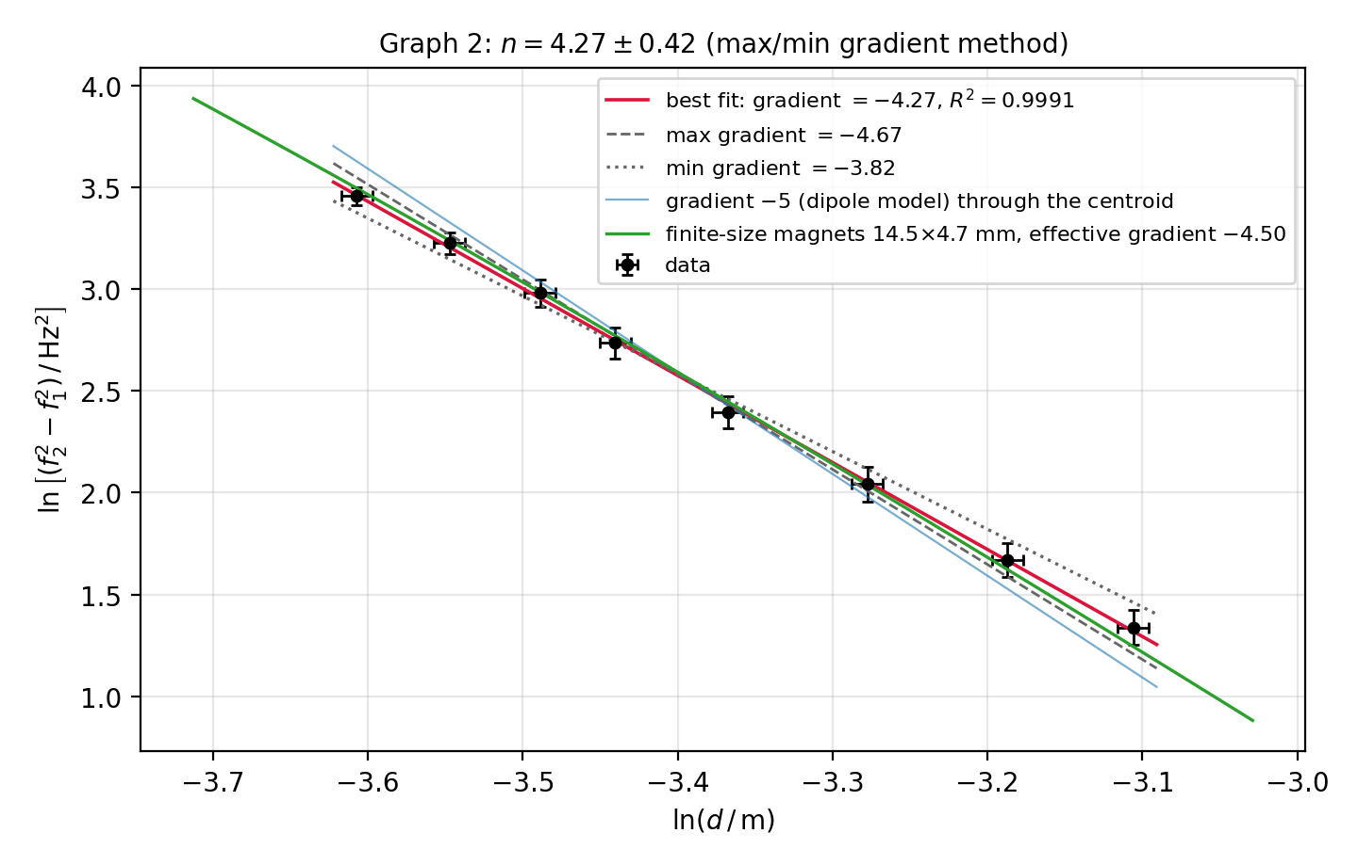
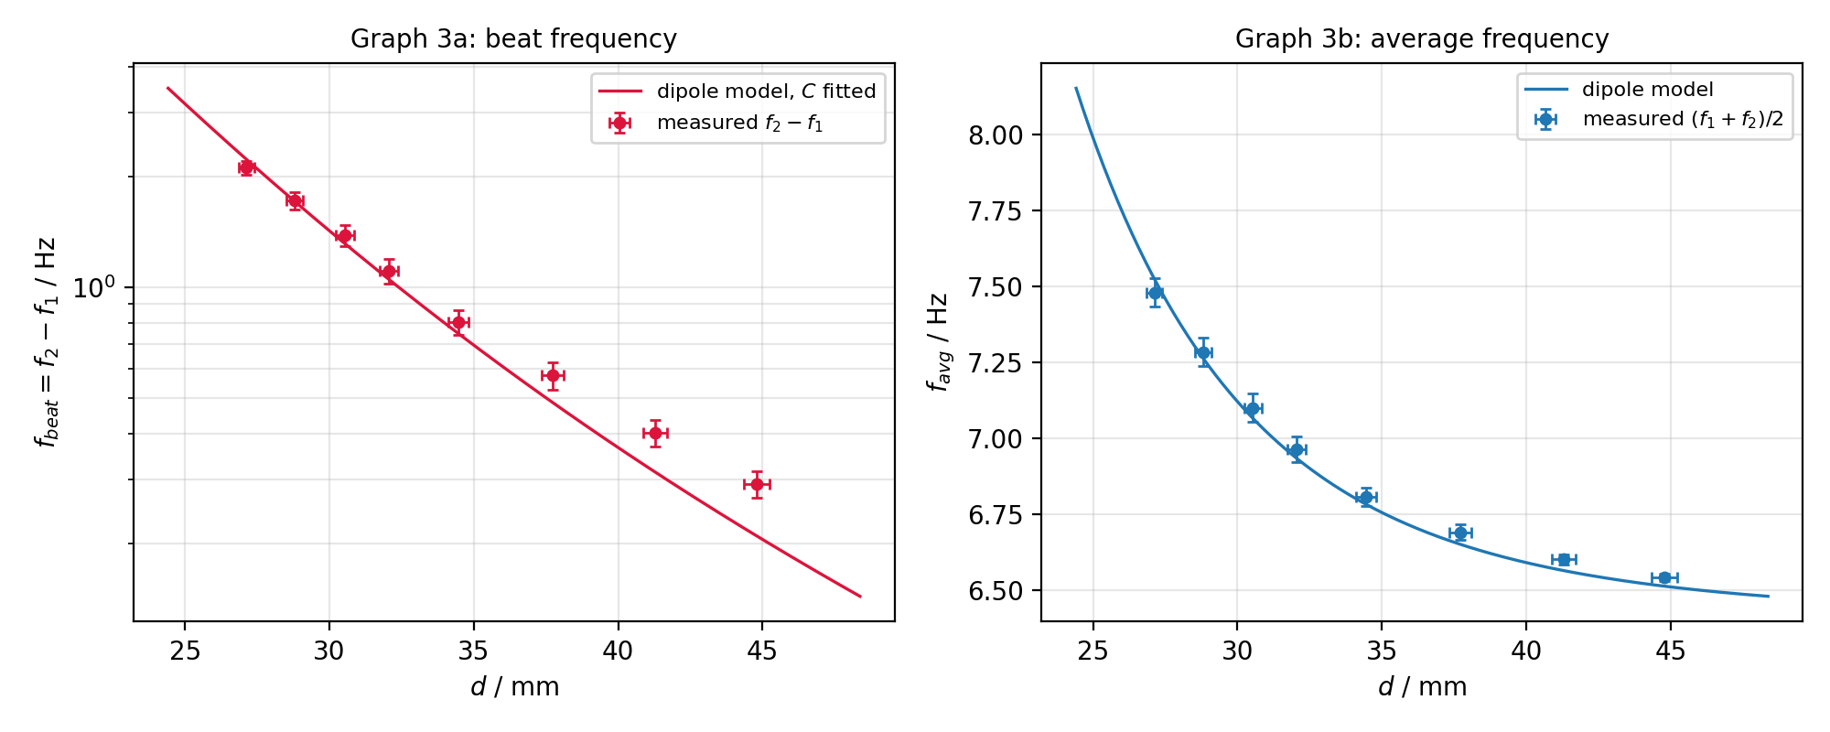
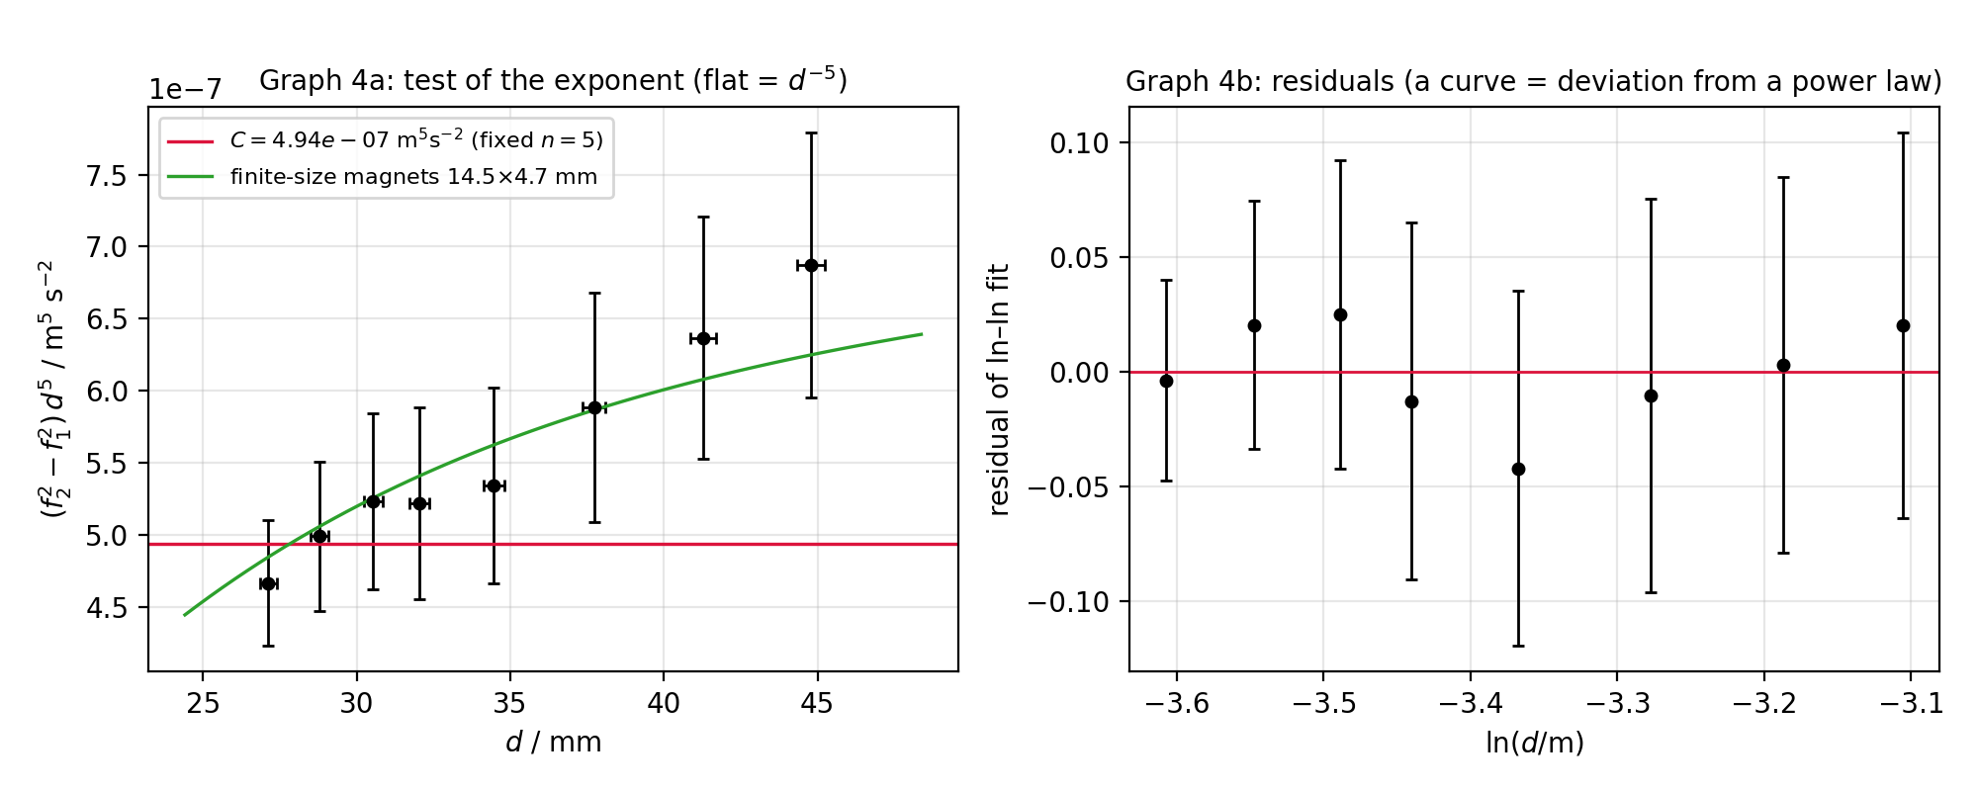
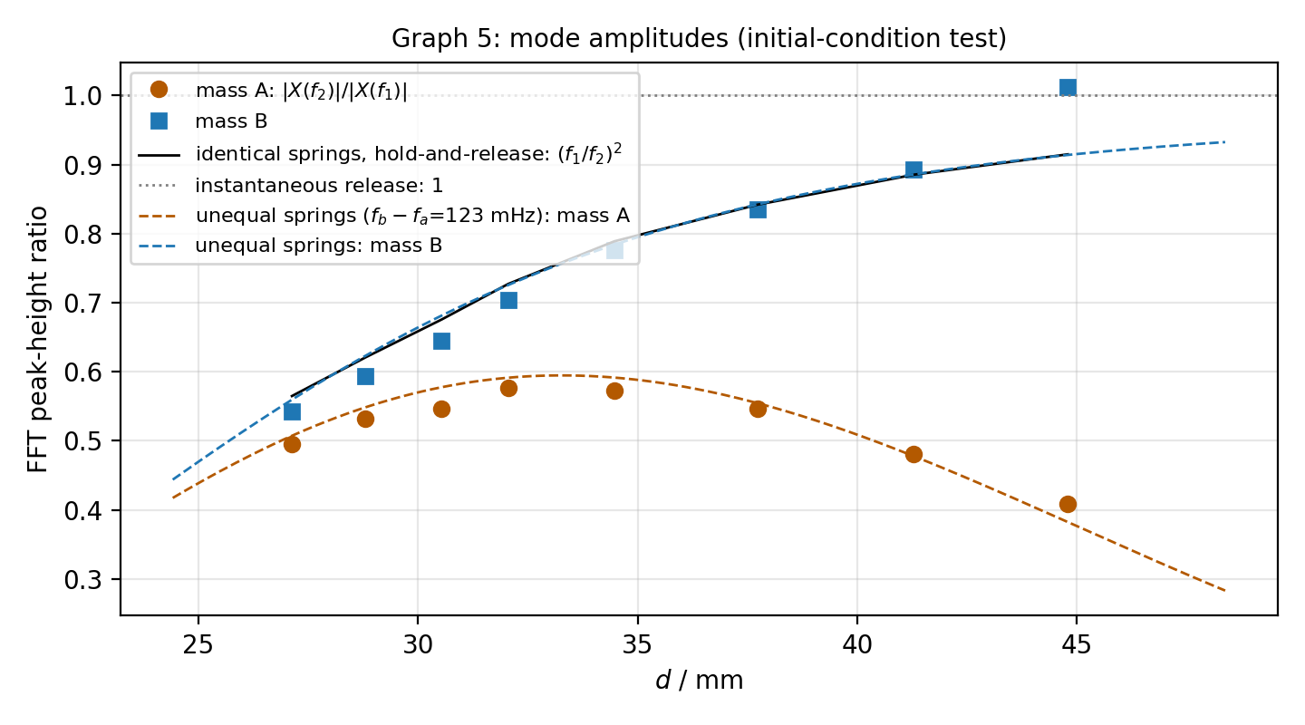
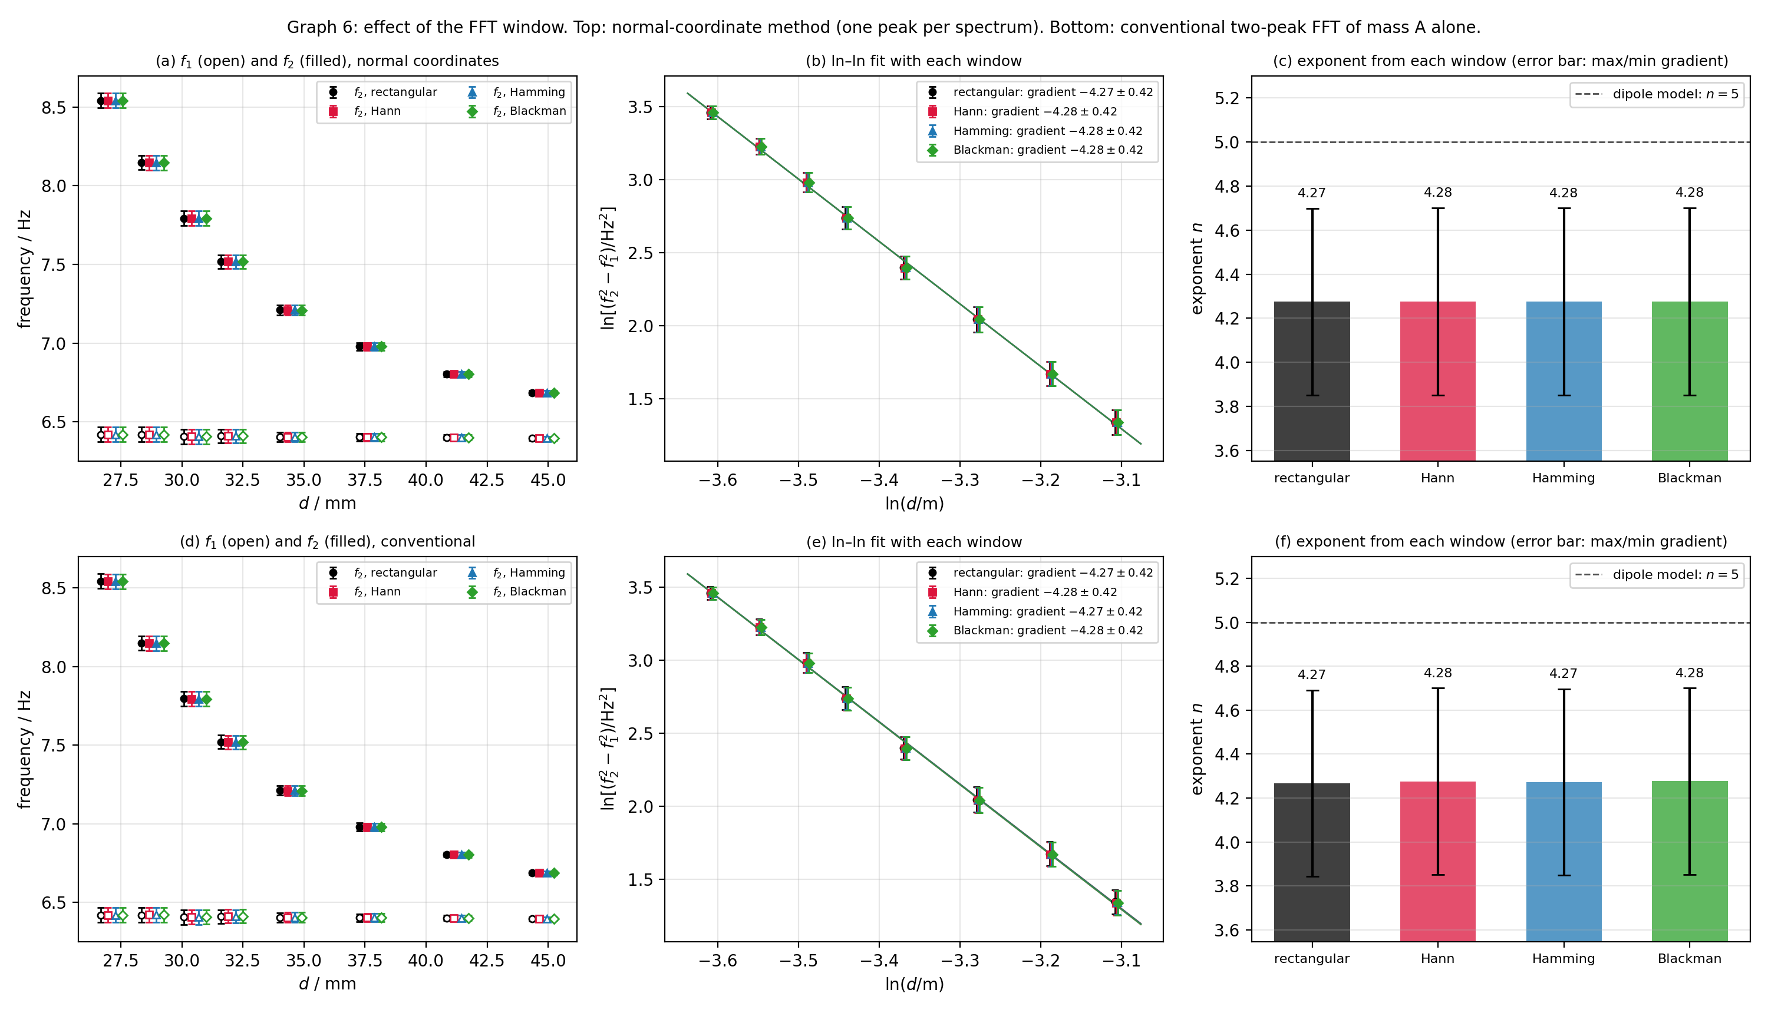
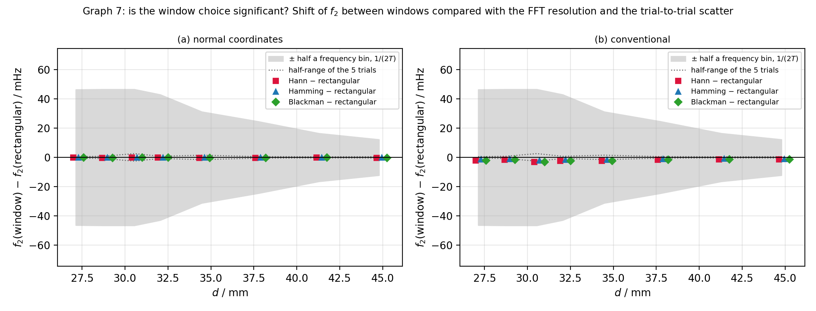
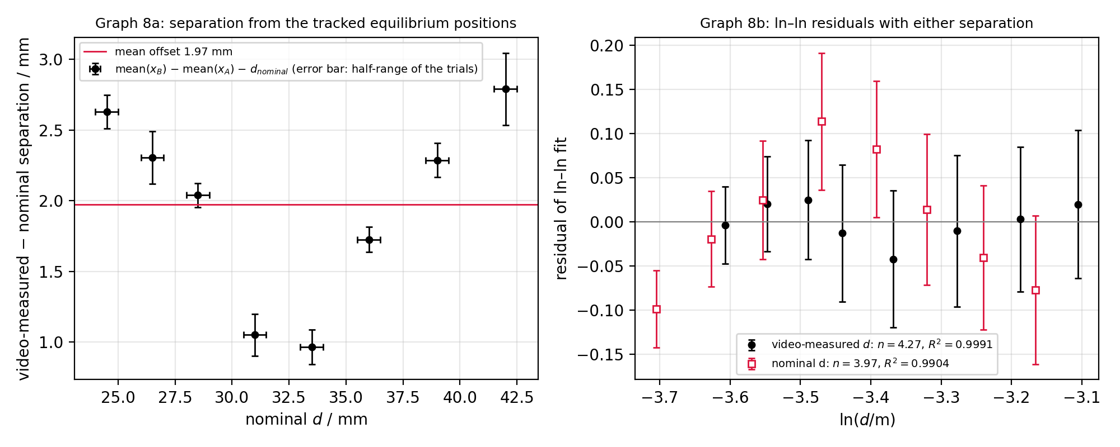
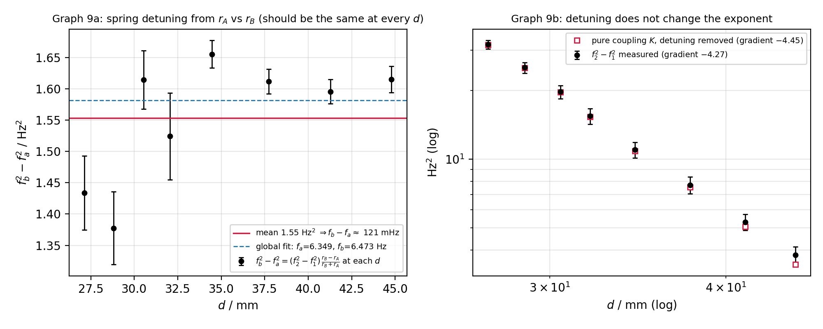
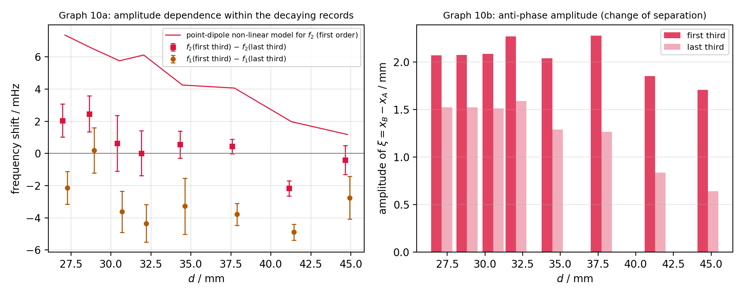
f1 and f2 against d
 | f2 measured | f1 measured | f2 dipole model (C fitted, n = 5) | mean f1
ln(f2^2 - f1^2) against ln d
 | data | best fit, gradient -4.27 | max gradient -4.67 | min gradient -3.82

f_beat = f2 - f1 against d
 | measured | dipole model
(f2^2 - f1^2) d^5 against d (flat = d^-5 law)
 | C_i | C (fixed n = 5)

f_avg against d
 | measured
FFT peak-height ratio against d
 | mass A | mass B | (f1/f2)^2 predicted

